2.5
2.5 Remittances still make up a significant proportion of GDP for some fragile contexts
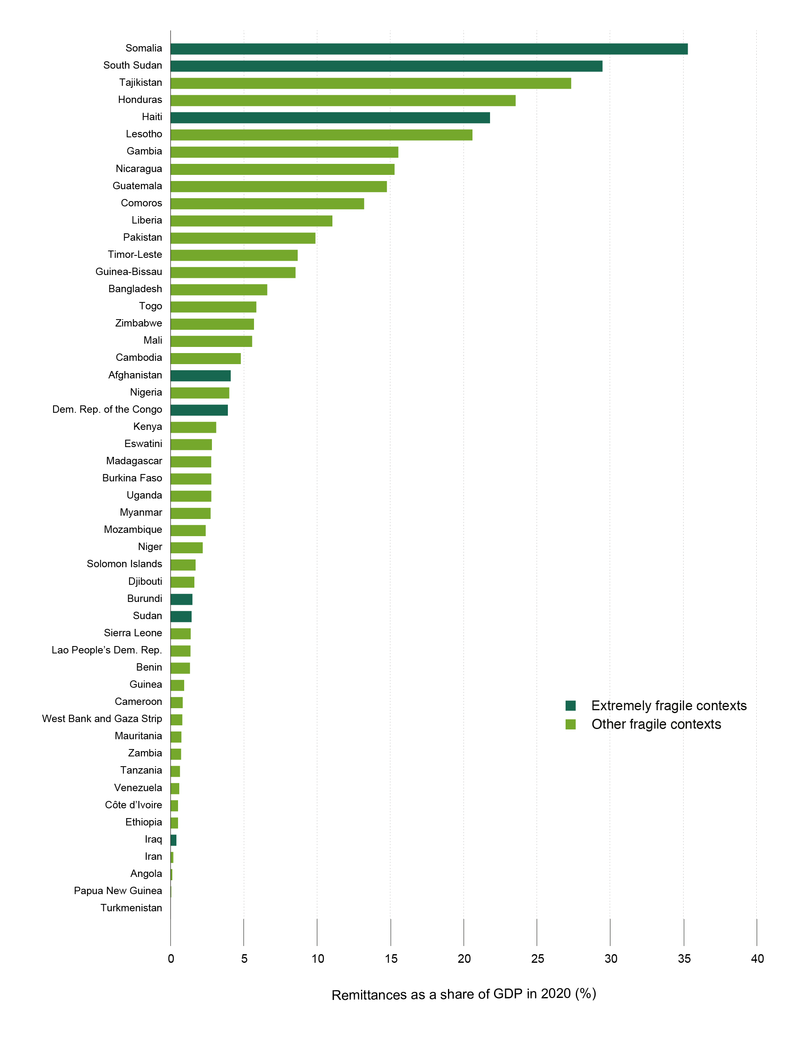

Source: World Bank (2021[134]), “Migration and Development Brief 35”, https://www.knomad.org/publication/migration-and-development-brief-35

Context | Remittances as a share of GDP
Somalia | 35.3%
South Sudan | 29.5%
Tajikistan | 27.3%
Honduras | 23.5%
Haiti | 21.8%
Lesotho | 20.6%
Gambia | 15.6%
Nicaragua | 15.3%
Guatemala | 14.8%
Comoros | 13.2%
Liberia | 11.0%
Pakistan | 9.9%
Timor-Leste | 8.7%
Guinea-Bissau | 8.6%
Bangladesh | 6.6%
Togo | 5.9%
Zimbabwe | 0.1
Mali | 5.6%
Cambodia | 4.9%
Afghanistan | 4.1%
Nigeria | 4.0%
Dem. Rep. of the Congo | 3.9%
Kenya | 3.1%
Eswatini | 2.8%
Madagascar | 2.8%
Burkina Faso | 2.8%
Uganda | 2.8%
Myanmar | 2.8%
Mozambique | 2.4%
Niger | 2.2%
Solomon Islands | 1.8%
Djibouti | 1.6%
Burundi | 1.5%
Sudan | 1.4%
Sierra Leone | 1.4%
Lao People's Dem. Rep. | 1.4%
Benin | 1.4%
Guinea | 1.0%
Cameroon | 0.9%
West Bank and Gaza Strip | 0.9%
Mauritania | 0.7%
Zambia | 0.0
Tanzania | 0.6%
Venezuela | 0.6%
Côte d'Ivoire | 0.5%
Ethiopia | 0.5%
Iraq | 0.4%
Iran | 0.2%
Angola | 0.01%
Papua New Guinea | 0.0%
Turkmenistan | 0.0%

