2.6
2.6 Debt-to-gross national income ratios are increasing towards pre-HIPC levels
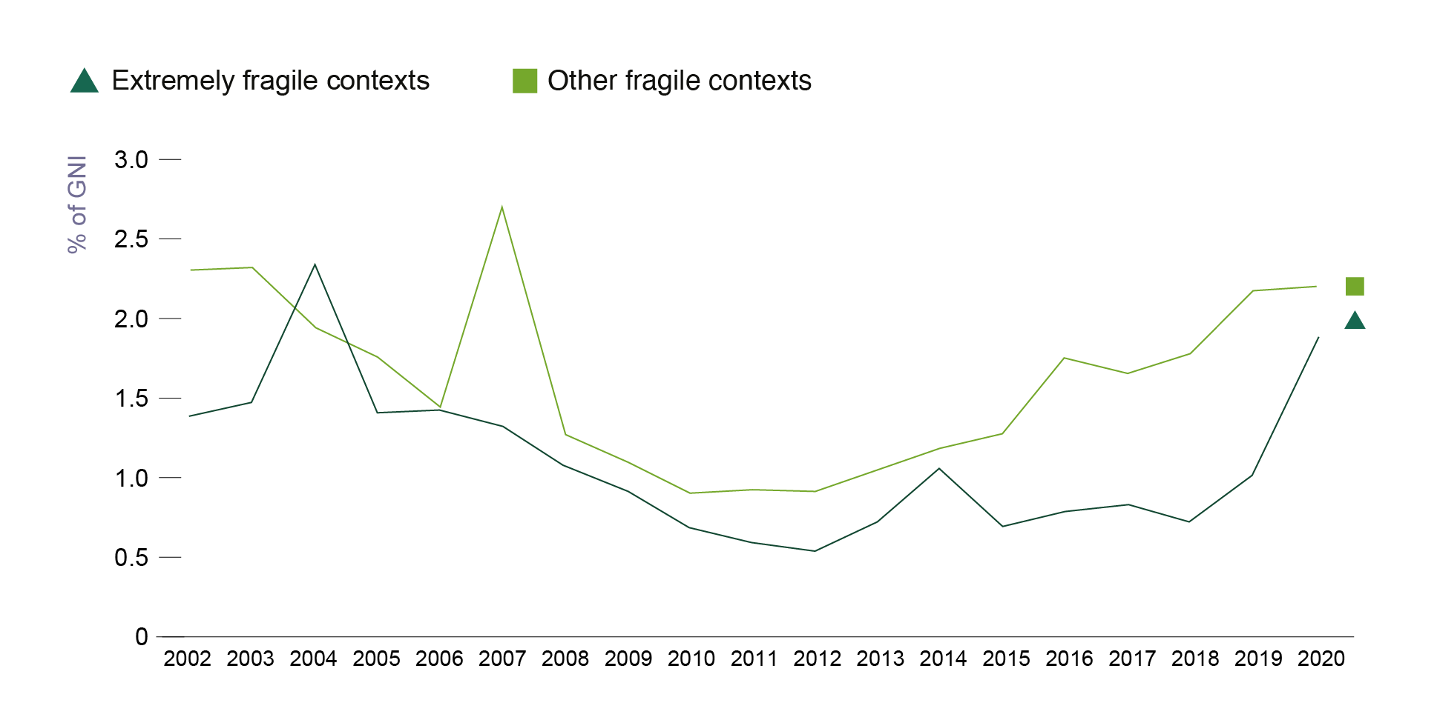

Note: Estimates are based on an arithmetic mean of the fragile contexts within each group.
Source: World Bank (2022[130]), External debt stocks (% of GNI), https://data.worldbank.org/indicator/DT.DOD.DECT.GN.ZS.

 | 2002 | 2003 | 2004 | 2005 | 2006 | 2007 | 2008 | 2009 | 2010 | 2011 | 2012 | 2013 | 2014 | 2015 | 2016 | 2017 | 2018 | 2019 | 2020
Extremely fragile contexts | 1.3870877417 | 1.4773585114 | 2.3533882592 | 1.4151433582 | 1.4343894466 | 1.3300608957 | 1.0833494469 | 0.92556135447 | 0.69492762227 | 0.60227400475 | 0.54387765445 | 0.73293480971 | 1.068885993 | 0.70700299147 | 0.79582854559 | 0.83703760591 | 0.73099158102 | 1.0185496671 | 1.8832305875
Other fragile contexts | 2.3200840092 | 2.3300782747 | 1.9484844095 | 1.7644128808 | 1.4445323855 | 2.7126788438 | 1.2818653029 | 1.1067731487 | 0.90883942454 | 0.93730221848 | 0.92812033366 | 1.0509244023 | 1.1891149321 | 1.2817691014 | 1.757195878 | 1.6644171979 | 1.7834565304 | 2.1802910231 | 2.2129442835

