2.7
2.7 DAC members’ official development assistance (across the triple nexus) is not associated with levels of fragility

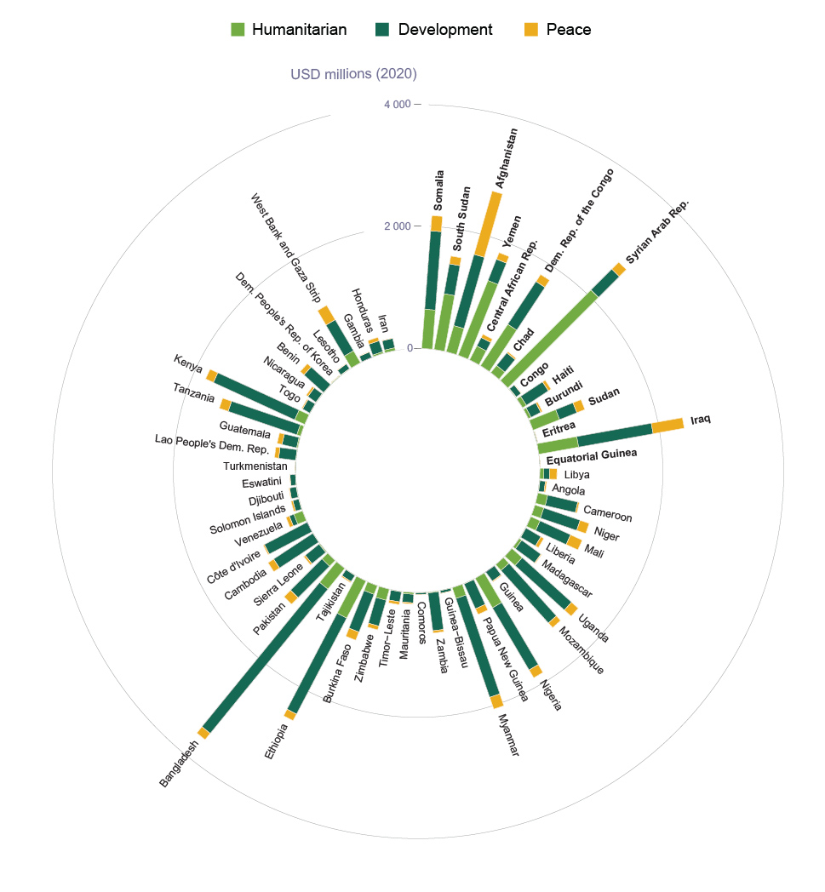

Source: OECD (2022[86]), Creditor Reporting System: Aid activities, https://doi.org/10.1787/data-00061-en.

country | group | nexus | value
Afghanistan | Extremely fragile | Development | 1214.791864
Afghanistan | Extremely fragile | Humanitarian | 443.461529
Afghanistan | Extremely fragile | Peace | 1079.36317
Angola | Other fragile | Development | 90.175265
Angola | Other fragile | Humanitarian | 5.738693
Angola | Other fragile | Peace | 22.29796
Bangladesh | Other fragile | Development | 3051.597133
Bangladesh | Other fragile | Humanitarian | 436.093131
Bangladesh | Other fragile | Peace | 132.483444
Benin | Other fragile | Development | 432.884039
Benin | Other fragile | Humanitarian | 0.849003
Benin | Other fragile | Peace | 81.722348
Burkina Faso | Other fragile | Development | 665.713622
Burkina Faso | Other fragile | Humanitarian | 150.791874
Burkina Faso | Other fragile | Peace | 142.972508
Burundi | Extremely fragile | Development | 180.827537
Burundi | Extremely fragile | Humanitarian | 46.4231
Burundi | Extremely fragile | Peace | 30.426959
Cote d'Ivoire | Other fragile | Development | 789.469962
Cote d'Ivoire | Other fragile | Humanitarian | 0.678721
Cote d'Ivoire | Other fragile | Peace | 21.390619
Cambodia | Other fragile | Development | 769.218223
Cambodia | Other fragile | Humanitarian | 1.063301
Cambodia | Other fragile | Peace | 110.262105
Cameroon | Other fragile | Development | 506.101488
Cameroon | Other fragile | Humanitarian | 163.225573
Cameroon | Other fragile | Peace | 26.272683
Central African Rep. | Extremely fragile | Development | 158.082026
Central African Rep. | Extremely fragile | Humanitarian | 254.698155
Central African Rep. | Extremely fragile | Peace | 60.470218
Chad | Extremely fragile | Development | 267.688081
Chad | Extremely fragile | Humanitarian | 148.966512
Chad | Extremely fragile | Peace | 25.609791
Comoros | Other fragile | Development | 33.225128
Comoros | Other fragile | Humanitarian | 0.834603
Comoros | Other fragile | Peace | 2.540059
Congo | Extremely fragile | Development | 100.011015
Congo | Extremely fragile | Humanitarian | 10.595179
Congo | Extremely fragile | Peace | 4.786961
Dem. People's Rep. of Korea | Other fragile | Development | 5.551556
Dem. People's Rep. of Korea | Other fragile | Humanitarian | 11.913689
Dem. People's Rep. of Korea | Other fragile | Peace | 1.580857
Dem. Rep. of the Congo | Extremely fragile | Development | 840.936423
Dem. Rep. of the Congo | Extremely fragile | Humanitarian | 810.983591
Dem. Rep. of the Congo | Extremely fragile | Peace | 137.827379
Djibouti | Other fragile | Development | 111.103782
Djibouti | Other fragile | Humanitarian | 6.896845
Djibouti | Other fragile | Peace | 11.167734
Equatorial Guinea | Extremely fragile | Development | 4.64006
Equatorial Guinea | Extremely fragile | Humanitarian | 0
Equatorial Guinea | Extremely fragile | Peace | 0.323731
Eritrea | Extremely fragile | Development | 13.30656
Eritrea | Extremely fragile | Humanitarian | 1.614872
Eritrea | Extremely fragile | Peace | 1.432842
Eswatini | Other fragile | Development | 89.248084
Eswatini | Other fragile | Humanitarian | 3.813675
Eswatini | Other fragile | Peace | 3.346846
Ethiopia | Other fragile | Development | 1775.605048
Ethiopia | Other fragile | Humanitarian | 682.501353
Ethiopia | Other fragile | Peace | 121.365077
Gambia | Other fragile | Development | 98.102396
Gambia | Other fragile | Humanitarian | 0.439524
Gambia | Other fragile | Peace | 5.261991
Guatemala | Other fragile | Development | 247.323079
Guatemala | Other fragile | Humanitarian | 16.154899
Guatemala | Other fragile | Peace | 81.636449
Guinea | Other fragile | Development | 184.540699
Guinea | Other fragile | Humanitarian | 0.824309
Guinea | Other fragile | Peace | 14.569248
Guinea-Bissau | Other fragile | Development | 45.56569
Guinea-Bissau | Other fragile | Humanitarian | 0.669386
Guinea-Bissau | Other fragile | Peace | 3.528249
Haiti | Extremely fragile | Development | 431.96313
Haiti | Extremely fragile | Humanitarian | 72.99341
Haiti | Extremely fragile | Peace | 51.333516
Honduras | Other fragile | Development | 190.005231
Honduras | Other fragile | Humanitarian | 26.485358
Honduras | Other fragile | Peace | 60.240499
Iran | Other fragile | Development | 158.926688
Iran | Other fragile | Humanitarian | 43.420623
Iran | Other fragile | Peace | 4.965496
Iraq | Extremely fragile | Development | 1240.887282
Iraq | Extremely fragile | Humanitarian | 659.878038
Iraq | Extremely fragile | Peace | 517.260357
Kenya | Other fragile | Development | 1466.691333
Kenya | Other fragile | Humanitarian | 178.439227
Kenya | Other fragile | Peace | 139.727259
Lao People's Dem. Rep. | Other fragile | Development | 281.509131
Lao People's Dem. Rep. | Other fragile | Humanitarian | 4.582904
Lao People's Dem. Rep. | Other fragile | Peace | 68.73642
Lesotho | Other fragile | Development | 94.856494
Lesotho | Other fragile | Humanitarian | 6.457198
Lesotho | Other fragile | Peace | 4.682595
Liberia | Other fragile | Development | 283.20244
Liberia | Other fragile | Humanitarian | 5.285142
Liberia | Other fragile | Peace | 55.538262
Libya | Other fragile | Development | 93.426067
Libya | Other fragile | Humanitarian | 64.482011
Libya | Other fragile | Peace | 120.897145
Madagascar | Other fragile | Development | 390.469253
Madagascar | Other fragile | Humanitarian | 47.311215
Madagascar | Other fragile | Peace | 13.760632
Mali | Other fragile | Development | 551.441869
Mali | Other fragile | Humanitarian | 163.476072
Mali | Other fragile | Peace | 210.137581
Mauritania | Other fragile | Development | 141.329206
Mauritania | Other fragile | Humanitarian | 27.549822
Mauritania | Other fragile | Peace | 19.229848
Mozambique | Other fragile | Development | 1160.989528
Mozambique | Other fragile | Humanitarian | 128.709814
Mozambique | Other fragile | Peace | 102.565398
Myanmar | Other fragile | Development | 1712.716615
Myanmar | Other fragile | Humanitarian | 185.659981
Myanmar | Other fragile | Peace | 204.031035
Nicaragua | Other fragile | Development | 163.594735
Nicaragua | Other fragile | Humanitarian | 5.549698
Nicaragua | Other fragile | Peace | 35.411152
Niger | Other fragile | Development | 629.297006
Niger | Other fragile | Humanitarian | 151.267722
Niger | Other fragile | Peace | 156.400653
Nigeria | Other fragile | Development | 1182.994101
Nigeria | Other fragile | Humanitarian | 559.514557
Nigeria | Other fragile | Peace | 149.069003
Pakistan | Other fragile | Development | 729.089245
Pakistan | Other fragile | Humanitarian | 131.268142
Pakistan | Other fragile | Peace | 150.957956
Papua New Guinea | Other fragile | Development | 448.957874
Papua New Guinea | Other fragile | Humanitarian | 5.268167
Papua New Guinea | Other fragile | Peace | 102.003077
Sierra Leone | Other fragile | Development | 292.965886
Sierra Leone | Other fragile | Humanitarian | 15.111189
Sierra Leone | Other fragile | Peace | 31.647395
Solomon Islands | Other fragile | Development | 101.70889
Solomon Islands | Other fragile | Humanitarian | 3.433736
Solomon Islands | Other fragile | Peace | 29.999021
Somalia | Extremely fragile | Development | 1289.014383
Somalia | Extremely fragile | Humanitarian | 641.66737
Somalia | Extremely fragile | Peace | 250.821498
South Sudan | Extremely fragile | Development | 498.141303
South Sudan | Extremely fragile | Humanitarian | 926.074722
South Sudan | Extremely fragile | Peace | 130.61485
Sudan | Extremely fragile | Development | 306.39177
Sudan | Extremely fragile | Humanitarian | 465.930166
Sudan | Extremely fragile | Peace | 139.504555
Syrian Arab Rep. | Extremely fragile | Development | 484.979899
Syrian Arab Rep. | Extremely fragile | Humanitarian | 2096.436135
Syrian Arab Rep. | Extremely fragile | Peace | 161.444408
Tajikistan | Other fragile | Development | 120.314566
Tajikistan | Other fragile | Humanitarian | 2.380586
Tajikistan | Other fragile | Peace | 19.698452
Tanzania | Other fragile | Development | 1189.813797
Tanzania | Other fragile | Humanitarian | 62.955427
Tanzania | Other fragile | Peace | 154.18577
Timor-Leste | Other fragile | Development | 167.244095
Timor-Leste | Other fragile | Humanitarian | 4.84995
Timor-Leste | Other fragile | Peace | 45.655854
Togo | Other fragile | Development | 138.178955
Togo | Other fragile | Humanitarian | 0.48702
Togo | Other fragile | Peace | 17.403751
Turkmenistan | Other fragile | Development | 9.63278
Turkmenistan | Other fragile | Humanitarian | 0
Turkmenistan | Other fragile | Peace | 2.097857
Uganda | Other fragile | Development | 1090.468662
Uganda | Other fragile | Humanitarian | 225.002937
Uganda | Other fragile | Peace | 148.631097
Venezuela | Other fragile | Development | 80.425571
Venezuela | Other fragile | Humanitarian | 150.645151
Venezuela | Other fragile | Peace | 58.977003
West Bank and Gaza Strip | Other fragile | Development | 591.821298
West Bank and Gaza Strip | Other fragile | Humanitarian | 223.790144
West Bank and Gaza Strip | Other fragile | Peace | 273.789573
Yemen | Extremely fragile | Development | 377.859703
Yemen | Extremely fragile | Humanitarian | 1316.423446
Yemen | Extremely fragile | Peace | 115.793855
Zambia | Other fragile | Development | 625.421098
Zambia | Other fragile | Humanitarian | 11.043389
Zambia | Other fragile | Peace | 37.75253
Zimbabwe | Other fragile | Development | 441.671979
Zimbabwe | Other fragile | Humanitarian | 186.217828
Zimbabwe | Other fragile | Peace | 64.125766

