Regional Talkgroups
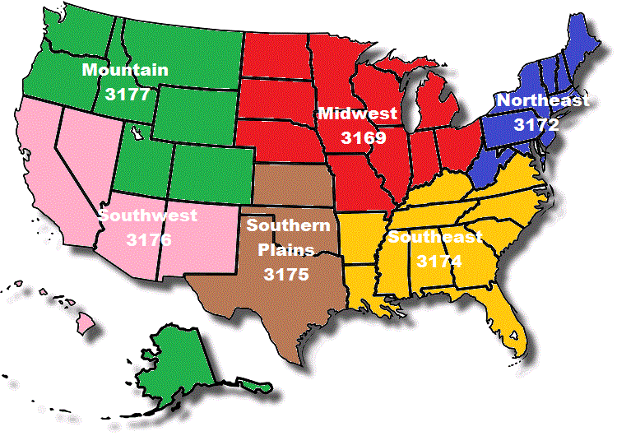
Regional Talkgroups
Network | Region | Talk Group ID | Assignment | Notes | Status
DCI | N. America | 3100 | DCI Bridge | TS2
NorCal | N. America | 3106 | CA Statewide | TS2
DMR-MARC | N. America | 3109 | S. New England | TS2
DMR-MARC | N. America | 3133 | N. New England | TS2
DCI | N. America | 3160 | DCI 1 | TS1
DCI | N. America | 3161 | DMR-MARC World | TS2
DCI | N. America | 3162 | DCI 2 | TS2
DCI | N. America | 3163 | DMR-MARC N. Am. | TS2
DCI | N. America | 3166 | Test1
DCI | N. America | 3167 | Net1 |  | unknown
DCI | N. America | 3168 | I-5 | CA, OR, WA | dead?
DMR-MARC | N. America | 3169 | Midwest USA | TS2, Midwest stations only
N. Colorado | N. America | 3171 | N. Colorado | TS2
DMR-MARC | N. America | 3172 | Northeast USA | TS2
DMR-MARC | N. America | 3173 | Mid-Atlantic USA | TS2
DMR-MARC | N. America | 3174 | Southeast USA | TS2
DMR-MARC | N. America | 3175 | TX/OK Regional USA | TS2
DMR-MARC | N. America | 3176 | Southwest USA | TS2
DMR-MARC | N. America | 3177 | Mountain Reg. USA | TS2
DMR-MARC | N. America | 3181 | New England & New Brunswick | TS2 NewEng, TS2 NB. Only avail. in those areas.
DMR-MARC | N. America | 3185 | Cactus | TS2 - AZ, CA, TX only
DMR-MARC | N. America | 3189 | Tri State | TS2 (IL, IN, WI)
NorCal | Worldwide | 9999 | Audio Test | TS1

USA Regional Talkgroups

