SandhillCrane with Red
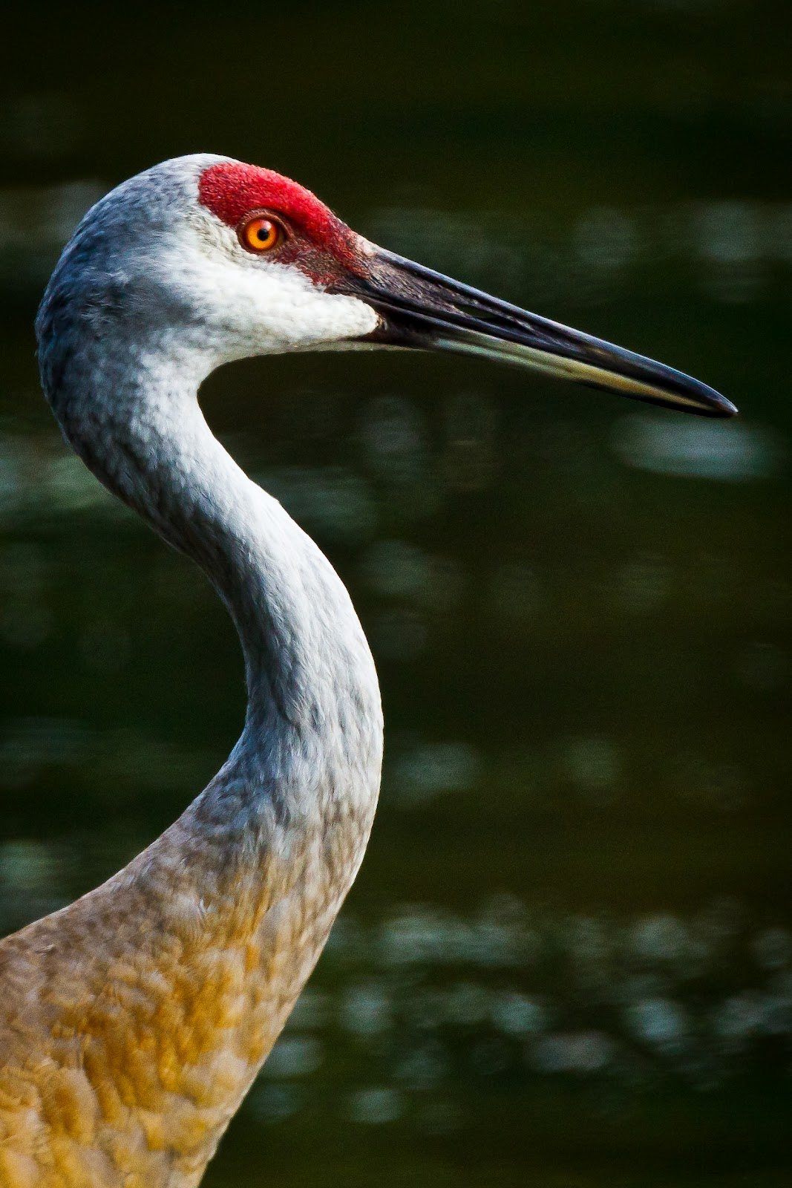
Color Code | Percentage
#191900 | 0.5548
#191919 | 0.2616
#af7d32 | 0.026667
#e1e1e1 | 0.019133
#4b6464 | 0.0182
#7d644b | 0.0178
#afafaf | 0.017267
#af9664 | 0.014733
#647d7d | 0.011933
#c8c8c8 | 0.0118
#969696 | 0.010133
#967d64 | 0.009867
#fafafa | 0.005467
#966400 | 0.0044
#966419 | 0.003867
#7d4b00 | 0.0032
#7d4b19 | 0.0028
#c81919 | 0.001533
#c8af7d | 0.0014
#640000 | 0.001

SandhillCrane Blues
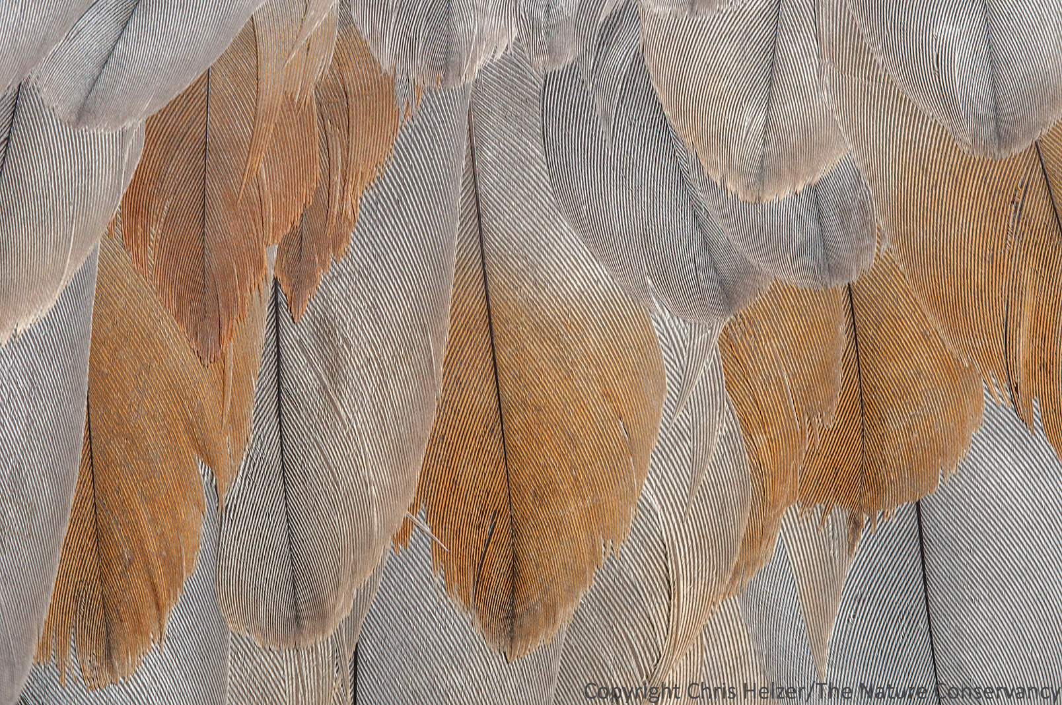
Color | Percentage
#969696 | 0.16101
#96967d | 0.096768
#af9696 | 0.096027
#967d7d | 0.089158
#96644b | 0.069024
#af967d | 0.058721
#af7d4b | 0.05569
#af7d64 | 0.050774
#967d64 | 0.049764
#7d7d7d | 0.049697

