Front Page-01
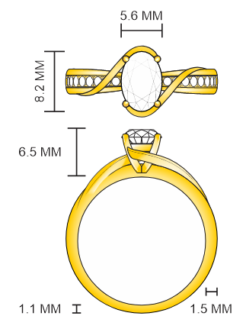
Project Name :- Sherwood Selection (7104) |  |  |  |  |  |  |  | Design Date : |  | 2026-05-21
 |  |  |  |  |  |  |  | Style No |  | RE-26693
 |  |  |  |  |  |  |  | Model No |  | R75113
 |  |  |  |  |  |  |  | Designed by |  | Ranjit
 |  |  |  |  |  |  |  | Finialised by |  | POOJA.KHERATKAR
 |  |  |  |  |  |  |  | Sketch by |  | SAIF
 |  |  |  |  |  |  |  | CAD Designer
 |  |  |  |  |  |  |  | Model Maker
 |  |  |  |  |  |  |  | Proj Coordinator |  | Ranjit
 |  |  |  |  |  |  |  | Process |  | CVD Diamond
 |  |  |  |  |  |  |  | PD Type |  | NEW PD
 |  |  |  |  |  |  |  | Stamp Spot
 |  |  |  |  |  |  |  | Customer |  | Affinity Diamonds LLC
 |  |  |  |  |  |  |  | Sub Customer |  | Sherwood
 |  |  |  |  |  |  |  | Ref Style No |  | RE-26026
 |  |  |  |  |  |  |  | Ref Model No
 |  |  |  |  |  |  |  | Millgrain: | No | 2-Tone | No
Customer Remark :- Need with Oval 1.00 CT center with Total wt 1 1/4add pink diamond under head also use single diamond if possible Priyanka has alredy worked on gold reduction kindly achive same gold wt that is 10KT-2.40 gm |  |  |  |  |  |  |  | Sat Finish | No | Jacket | No
Description:- ENGAGEMENT RING |  |  |  |  |  |  |  | Col RHD | No | Sales Ctg
Comp/ | Description | Metal Color | QTY | Technical Gold WT | CAD WT | CAD WT |  | Ring Size
Finding |  |  |  |  |  | With SP | W/O SP
 |  |  |  |  |  |  |  | HTM / MODEL WT
A | Engagement Ring | Y | 1 | 2.800 |  |  |  | With SP |  |  | W/O SP

Total : |  |  | 1 | 2.800 |  |  |  | Reference Image |  |  | No
COM Code | DIA Shape / Location | SIZE MM | SIEVE SIZE |  | AVG WT | DIA QTY | Total WT | Setting Code | Shp | Min. Wt | Charging Wt.

A | OVAL/CVD/CENTER | 8.20X5.60 | 1.00 | 1.16 | 1.00 | 1 | 1.000 | MOVPRG |  | 1.000 | 1.060
A | ROUND/CVD/SHANK | 1.20 | 1.0 | 2.0 | 0.0072 | 4 | 0.029 | WRDPRC |  |  | 0.035
A | ROUND/CVD/SHANK | 1.30 | 2.0 | 3.0 | 0.0091 | 4 | 0.036 | WRDPRC |  |  | 0.040
A | ROUND/CVD/SHANK | 1.40 | 3.0 | 4.0 | 0.0110 | 4 | 0.044 | WRDPRC |  |  | 0.050
A | ROUND/CVD/SHANK | 1.48 | 4.0 | 4.5 | 0.0130 | 4 | 0.052 | WRDPRC |  |  | 0.055
A | ROUND/CVD/SHANK | 1.50 | 4.0 | 5.0 | 0.0136 | 4 | 0.054 | WRDPRC |  |  | 0.060
A | ROUND/CVD/SHANK | 1.58 | 5.0 | 5.5 | 0.0155 | 2 | 0.031 | WRDPRC |  |  | 0.031
A | RD/PINK/CVD/BELOW HEAD | 1.05 |  |  |  | 1 |  | WRDFLS |  | 0.230
 |  |  |  |  |  |  |  |  |  | 0.200

 |  |  |  | Total :- |  | 24 | 1.25 |  |  | 1.43 | 1.33
Design
CAD
Model
Sample
Model Diamond checking/Pre-cutting |  |  |  |  | Approval Form Design
Model Finish, Numbering & Stamping |  |  |  |  | Approval Form Technial
CAD Approval |  |  |  |  | Approval Form Diamond |  |  | JIGESH BHAI |  |  |  | BHARAT BHAI | JIGESH BHAI
Model Approval |  |  |  |  | Approval Form Manufacturing
Sample Approval :
Created : |  |  | Revised : |  | Revised : |  |  | Revised :
Revised : |  |  | Revised : |  | Revised : |  |  | Revised :
KBS Owns all Copyrignts and other intellectual property rights in and this Drawing and Design and all Elements Contained therein

Masters 02
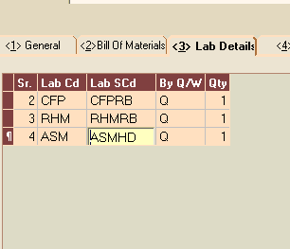
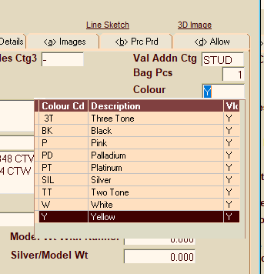
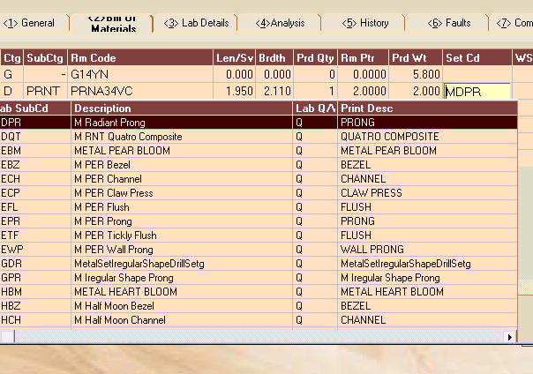
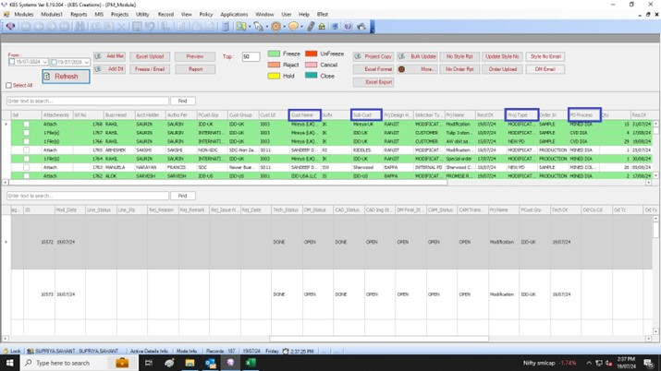
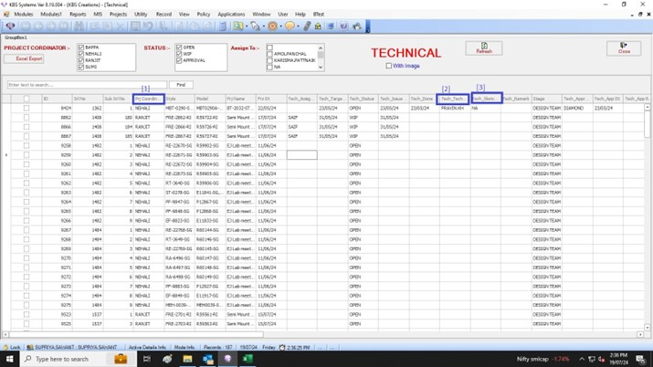
EMR SYSTEM
Need Dropdown masters :

MILLIGRAIN + SAT FINISH | 3- Lab details | COLOR CODE | 1-General | Setting code | 2. Bill of Materials

