Front Page-01
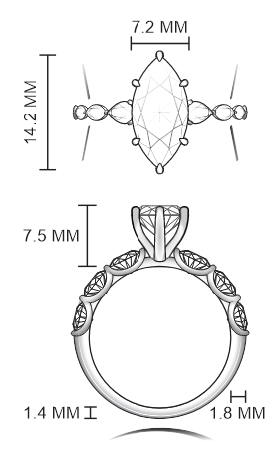
Project Name :- Sherwood selection-Non love song (7126) |  |  |  |  |  |  |  | Design Date : |  | 2026-05-25
 |  |  |  |  |  |  |  | Style No |  | RE-26708
 |  |  |  |  |  |  |  | Model No |  | R75178
 |  |  |  |  |  |  |  | Designed by |  | Ranjit
 |  |  |  |  |  |  |  | Finialised by |  | POOJA.KHERATKAR
 |  |  |  |  |  |  |  | Sketch by |  | SAIF
 |  |  |  |  |  |  |  | CAD Designer
 |  |  |  |  |  |  |  | Model Maker
 |  |  |  |  |  |  |  | Proj Coordinator |  | Ranjit
 |  |  |  |  |  |  |  | Process |  | CVD Diamond
 |  |  |  |  |  |  |  | PD Type |  | NEW PD
 |  |  |  |  |  |  |  | Stamp Spot
 |  |  |  |  |  |  |  | Customer |  | Affinity Diamonds LLC
 |  |  |  |  |  |  |  | Sub Customer |  | Sherwood
 |  |  |  |  |  |  |  | Ref Style No |  | RE-25697-PT
 |  |  |  |  |  |  |  | Ref Model No
 |  |  |  |  |  |  |  | Millgrain: | No | 2-Tone | No
Customer Remark :- Need with Marquise 2 1/2 CT 8X center with Total wt 3.00 also use single cut diamond if possible Targeted gold wt in 14KT-2.6 gm need colour in white 8 X collection |  |  |  |  |  |  |  | Sat Finish | No | Jacket | No
Description:- Engagement Ring |  |  |  |  |  |  |  | Col RHD | No | Sales Ctg
Comp/ | Description | Metal Color | QTY | Technical Gold WT | CAD WT | CAD WT |  | Ring Size
Finding |  |  |  |  |  | With SP | W/O SP
 |  |  |  |  |  |  |  | HTM / MODEL WT
A | Engagement Ring | W | 1 | 2.600 |  |  |  | With SP |  |  | W/O SP

Total : |  |  | 1 | 2.600 |  |  |  | Reference Image |  |  | No
COM Code | DIA Shape / Location | SIZE MM | SIEVE SIZE |  | AVG WT | DIA QTY | Total WT | Setting Code | Shp | Min. Wt | Charging Wt.

A | MQ/CVD/8X/CENTER | 14.20 x 7.20 | 2.50 | 2.65 | 2.50 | 1 | 2.500 | MMQPRG |  | 2.500 | 2.570
A | PEAR/CVD/ SHANK | 4.60x3.0 | 0.13 | 0.17 | 0.145 | 2 | 0.290 | MPEPRG |  |  | 0.300
A | MQ/CVD/ SHANK | 4.00x2.00 | 0.05 | 0.08 | 0.065 | 2 | 0.130 | MMQPRG |  |  | 0.140
A | MQ/CVD/ SHANK | 3.5x1.8 | 0.03 | 0.05 | 0.04 | 2 | 0.080 | MMQPRG |  |  | 0.090
 |  |  |  |  |  |  |  |  |  | 0.470

 |  |  |  | Total :- |  | 7 | 3.00 |  |  | 2.97 | 3.10
Design
CAD
Model
Sample
Model Diamond checking/Pre-cutting |  |  |  |  | Approval Form Design
Model Finish, Numbering & Stamping |  |  |  |  | Approval Form Technial
CAD Approval |  |  |  |  | Approval Form Diamond |  |  | JIGESH BHAI |  |  |  | BHARAT BHAI | JIGESH BHAI
Model Approval |  |  |  |  | Approval Form Manufacturing
Sample Approval :
Created : |  |  | Revised : |  | Revised : |  |  | Revised :
Revised : |  |  | Revised : |  | Revised : |  |  | Revised :
KBS Owns all Copyrignts and other intellectual property rights in and this Drawing and Design and all Elements Contained therein

Masters 02
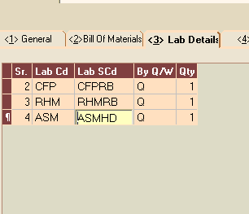
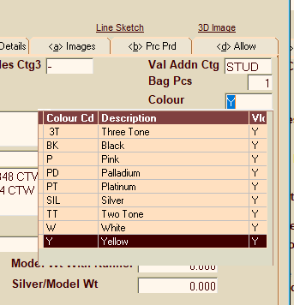
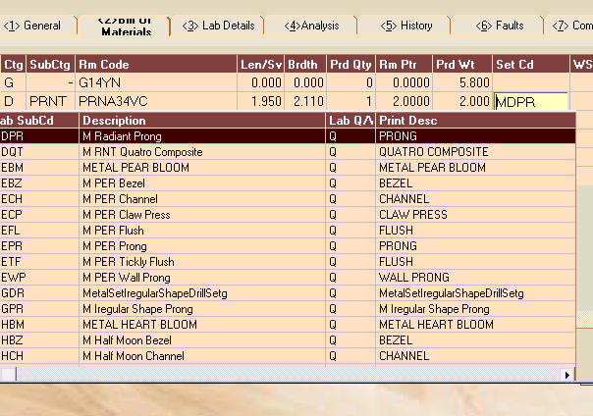
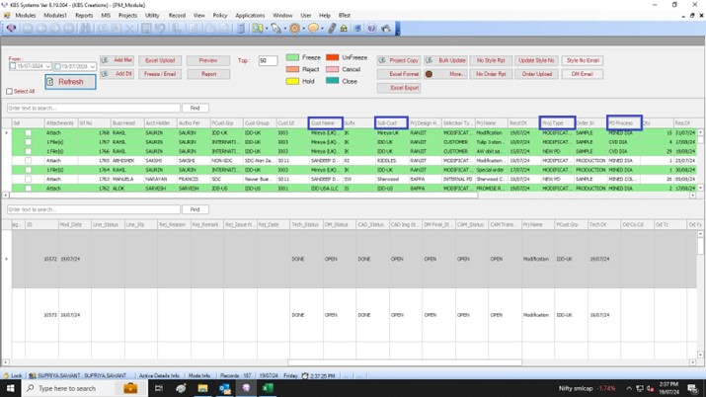
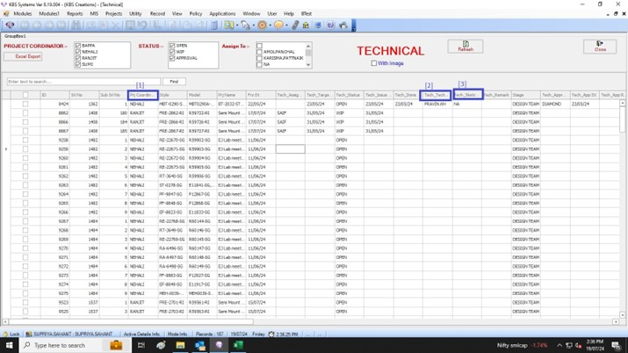
EMR SYSTEM
Need Dropdown masters :

MILLIGRAIN + SAT FINISH | 3- Lab details | COLOR CODE | 1-General | Setting code | 2. Bill of Materials

