README
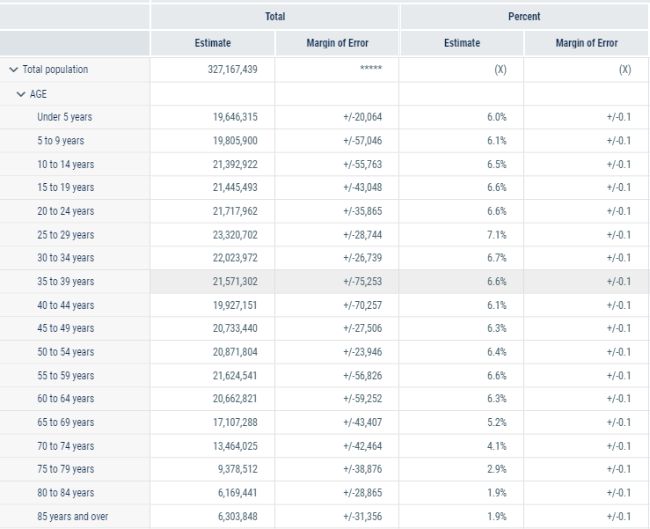
Data for USA demographics, 2018 https://data.census.gov/cedsci/table?q=age%20demographics&hidePreview=true&tid=ACSST1Y2018.S0101&t=Age%20and%20Sex&vintage=2018
****MAY NEED TO FIX 70+ AGE GROUPS IN BY TENS DATA (70-79 is really 70+)

