Crawley Map
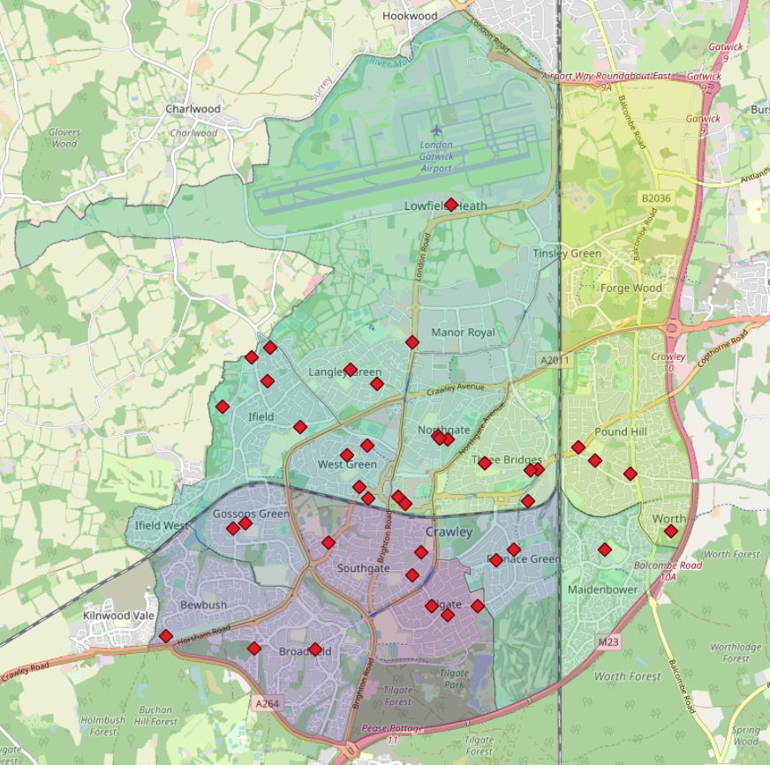

Neighbourhood Areas
Area in km2 of each neighbourhood in Crawley
area-name | location | area-size
Gossops Green | Crawley | 1.152
West Green | Crawley | 1.209
Bewbush | Crawley | 1.43
Maidenbower | Crawley | 1.784
Southgate | Crawley | 1.792
Three Bridges | Crawley | 1.804
Ifield | Crawley | 2.314
Northgate | Crawley | 2.32
Furnace Green | Crawley | 2.394
Broadfield | Crawley | 2.492
Tilgate | Crawley | 2.66
Pound Hill | Crawley | 3.247
Forge Wood | Crawley | 4.902
Langley Green & Tushmore | Crawley | 14.106
Sum |  | 43.606
 |  |  | NOTE: Actual area of Crawley is 44.96km2

Area Road Count
Total Road Number for each Area
Number of Roads in Crawley Areas
area-name | Count of area-name
Bewbush | 603
Broadfield | 1069
Forge Wood | 946
Furnace Green | 624
Gossops Green | 229
Ifield | 460
Langley Green & Tushmore | 2686
Maidenbower | 1029
Northgate | 920
Pound Hill | 1032
Southgate | 643
Three Bridges | 791
Tilgate | 586
West Green | 443
Sum | 12061

Waterways in each Area
Total Waterway Number for each Area
Number of Waterways in Crawley Areas
area-name | Count of area-name
Bewbush | 36
Broadfield | 28
Forge Wood | 32
Furnace Green | 24
Gossops Green | 5
Ifield | 30
Langley Green & Tushmore | 109
Maidenbower | 36
Northgate | 8
Pound Hill | 12
Southgate | 15
Three Bridges | 7
Tilgate | 35
Sum | 377

Waterway Type per Area
area-name | Stream Count | River Count | Weir Count | Drain Count | Ditch Count | Types of Waterways
Bewbush | 36 | 0 | 0 | 0 | 0 | stream
Gossops Green | 5 | 0 | 0 | 0 | 0 | river
Broadfield | 26 | 0 | 1 | 1 | 0 | weir
Southgate | 5 | 0 | 0 | 10 | 0 | drain
Northgate | 8 | 0 | 0 | 0 | 0 | ditch
Langley Green & Tushmore | 57 | 9 | 0 | 27 | 16
Maidenbower | 33 | 0 | 0 | 3 | 0
Forge Wood | 5 | 0 | 0 | 6 | 21
Ifield | 30 | 0 | 0 | 0 | 0
Furnace Green | 22 | 0 | 0 | 0 | 2
Pound Hill | 10 | 2 | 0 | 0 | 0
Tilgate | 32 | 0 | 0 | 3 | 0
Three Bridges | 2 | 5 | 0 | 0 | 0

Different Waterway Types for each Area

Railways in each Area
Total Railway Number for each Area
Number of Waterways in Crawley Areas
area-name | Count of area-name
Bewbush | 2
Forge Wood | 46
Furnace Green | 45
Gossops Green | 2
Ifield | 1
Langley Green & Tushmore | 57
Maidenbower | 13
Northgate | 8
Pound Hill | 6
Southgate | 3
Three Bridges | 27
Sum | 210

Railway Type per Area
area-name | Rail Count | Miniature Count | Monorail Count | Abandoned Count | Platform Count | Razed Count | Disused Count | railway types
Bewbush | 2 | 0 | 0 | 0 | 0 | 0 | 0 | rail
Three Bridges | 24 | 0 | 0 | 0 | 3 | 0 | 0 | miniature
Langley Green & Tushmore | 43 | 0 | 6 | 0 | 0 | 0 | 8 | monorail
Furnace Green | 45 | 0 | 0 | 0 | 0 | 0 | 0 | abandoned
Southgate | 2 | 1 | 0 | 0 | 0 | 0 | 0 | platform
Maidenbower | 11 | 0 | 0 | 1 | 0 | 1 | 0 | razed
Northgate | 8 | 0 | 0 | 0 | 0 | 0 | 0 | disused
Forge Wood | 46 | 0 | 0 | 0 | 0 | 0 | 0
Pound Hill | 5 | 0 | 0 | 0 | 0 | 1 | 0
Bewbush | 2 | 0 | 0 | 0 | 0 | 0 | 0
Gossops Green | 2 | 0 | 0 | 0 | 0 | 0 | 0
Ifield | 1 | 0 | 0 | 0 | 0 | 0 | 0

Different Railway Types for each Area

