Crawley Map
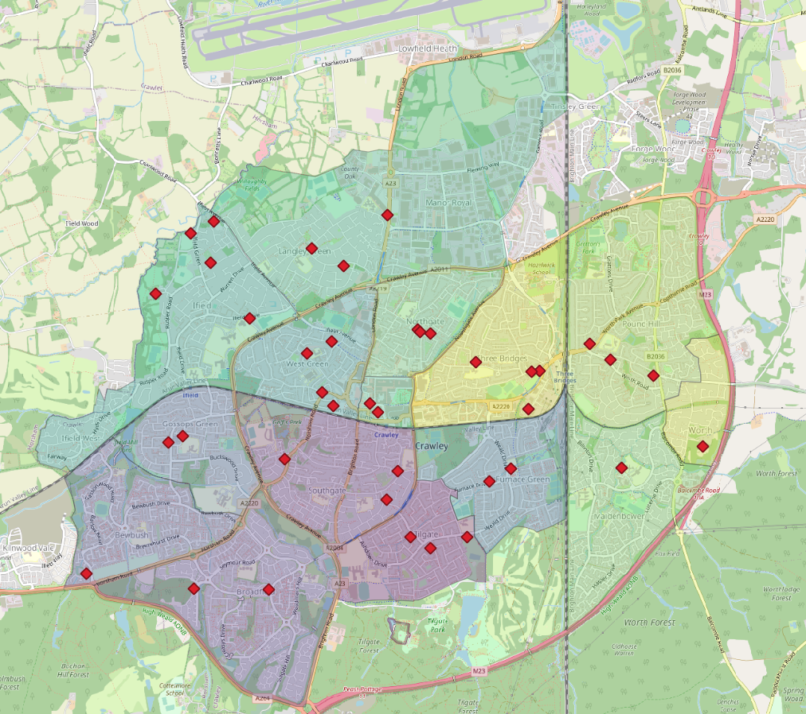

Neighbourhood Area
area-name | location | area-size
Town Centre | Crawley | 0.253
Worth | Crawley | 0.579
Area in km^2 of each neighbourhood in Crawley
Northgate | Crawley | 0.955
Gossops Green | Crawley | 1.152
Tilgate | Crawley | 1.181
West Green | Crawley | 1.205
Bewbush | Crawley | 1.43
Furnace Green | Crawley | 1.472
Maidenbower | Crawley | 1.784
Southgate | Crawley | 1.792
Three Bridges | Crawley | 1.804
Ifield | Crawley | 2.314
Broadfield | Crawley | 2.492
Pound Hill | Crawley | 2.674
Langley Green & Tushmore | Crawley | 4.972
Sum |  | 26.059

