Crawley Map
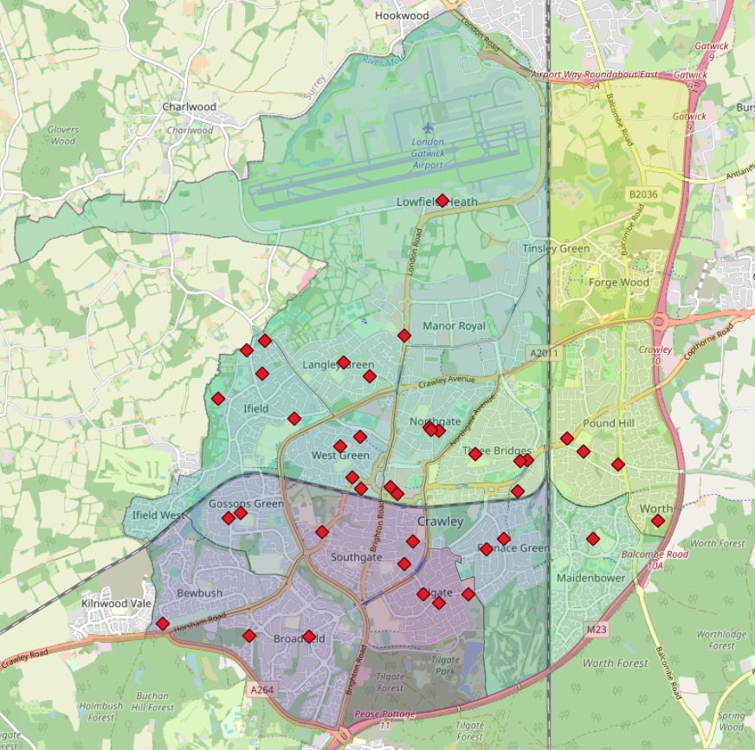

Neighbourhood Area
Area in km2 of each neighbourhood in Crawley
area-name | location | area-size
Gossops Green | Crawley | 1.152
West Green | Crawley | 1.209
Bewbush | Crawley | 1.43
Maidenbower | Crawley | 1.784
Southgate | Crawley | 1.792
Three Bridges | Crawley | 1.804
Ifield | Crawley | 2.314
Northgate | Crawley | 2.32
Furnace Green | Crawley | 2.394
Broadfield | Crawley | 2.492
Tilgate | Crawley | 2.66
Pound Hill | Crawley | 3.247
Forge Wood | Crawley | 4.902
Langley Green & Tushmore | Crawley | 14.106
Sum |  | 43.606
 |  |  | NOTE: Actual area of Crawley is 44.96km2

