TOC
Figure | Title | Figure Thumbnail
II.D1 | Short-Range OASI and DI Combined Trust Fund Ratio | 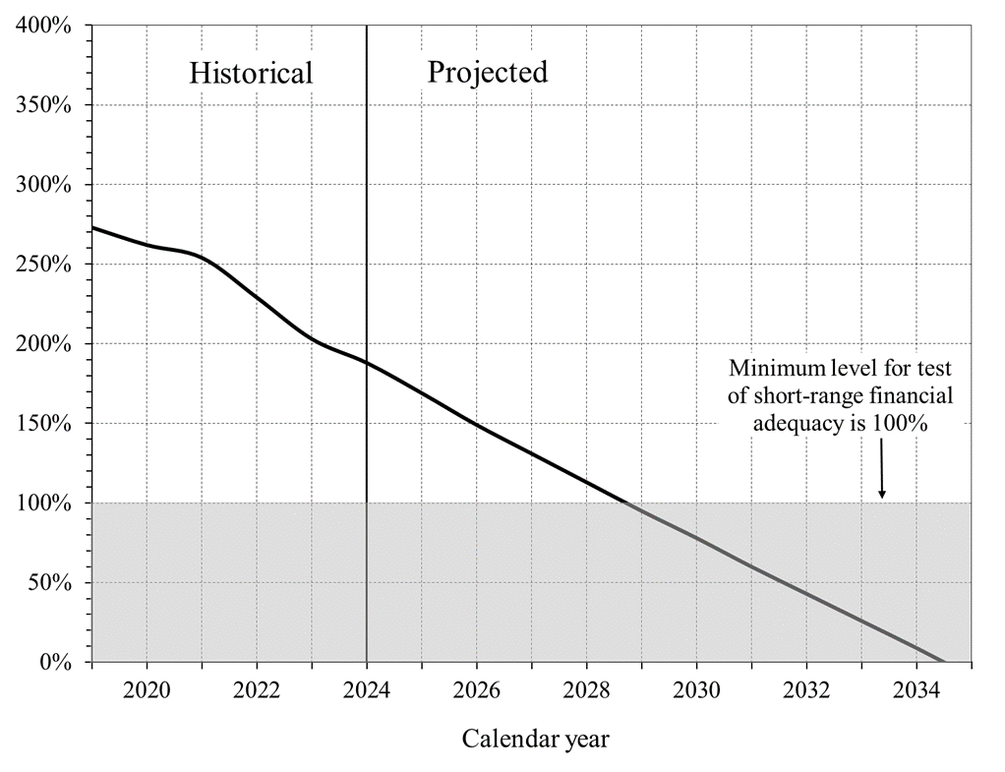
II.D2 | OASDI Income, Cost, and Expenditures as Percentages of Taxable Payroll | 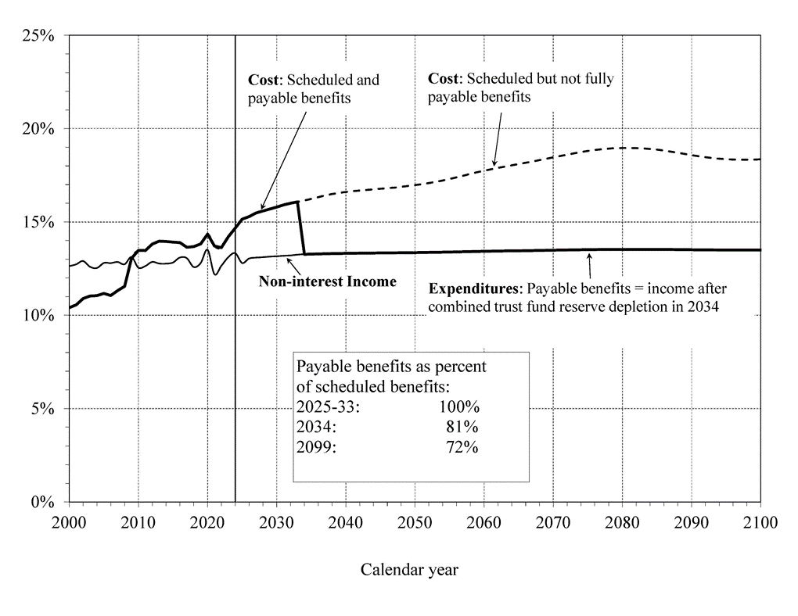
II.D3 | Number of Covered Workers Per OASDI Beneficiary | 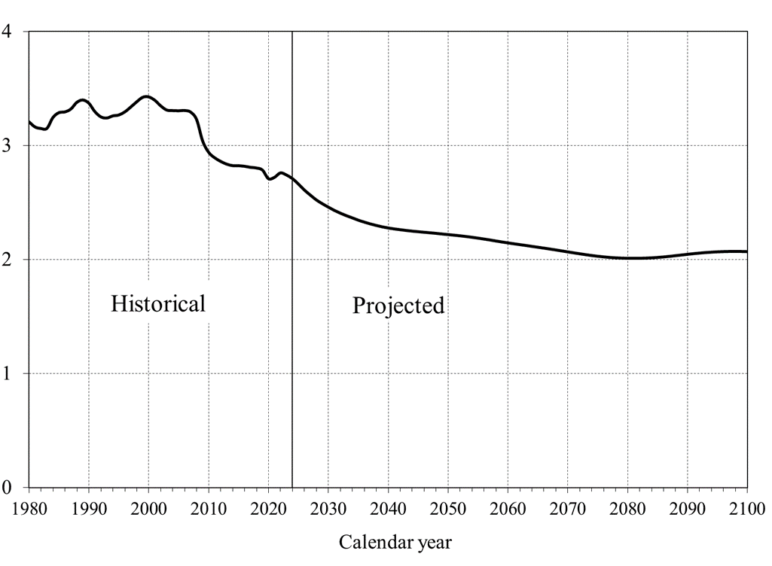
II.D4 | OASDI Cost and Non-Interest Income as a Percentage of GDP | 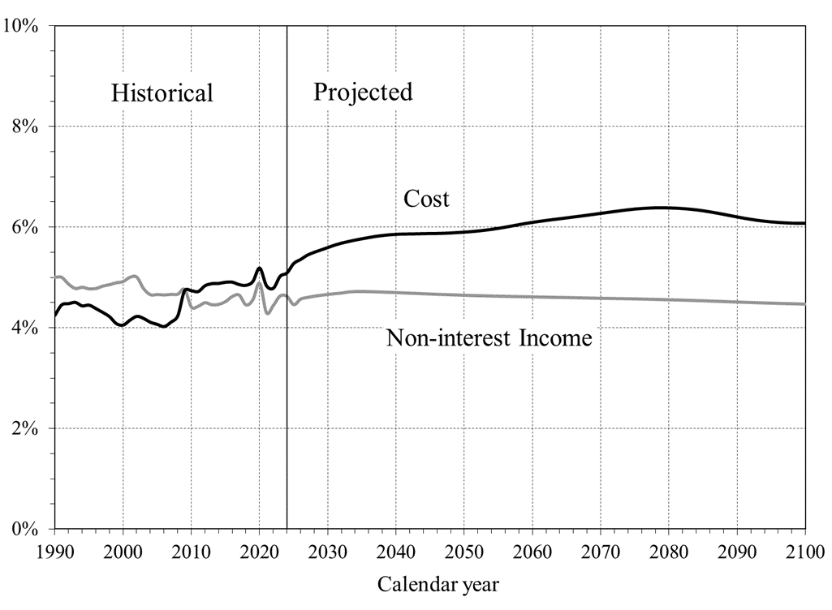
II.D5 | Cumulative Scheduled OASDI Income Less Cost, From Program Inception Through Years 2024‑2099 | 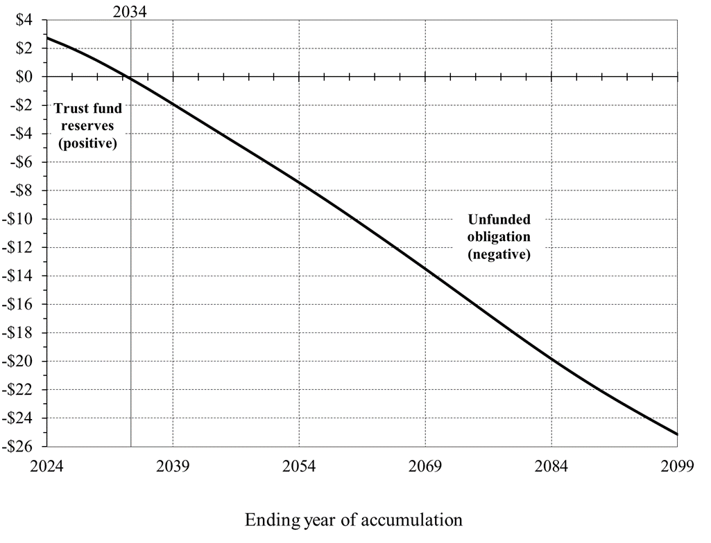
II.D6 | Long-Range OASI and DI Combined Trust Fund Ratios Under Alternative Scenarios | 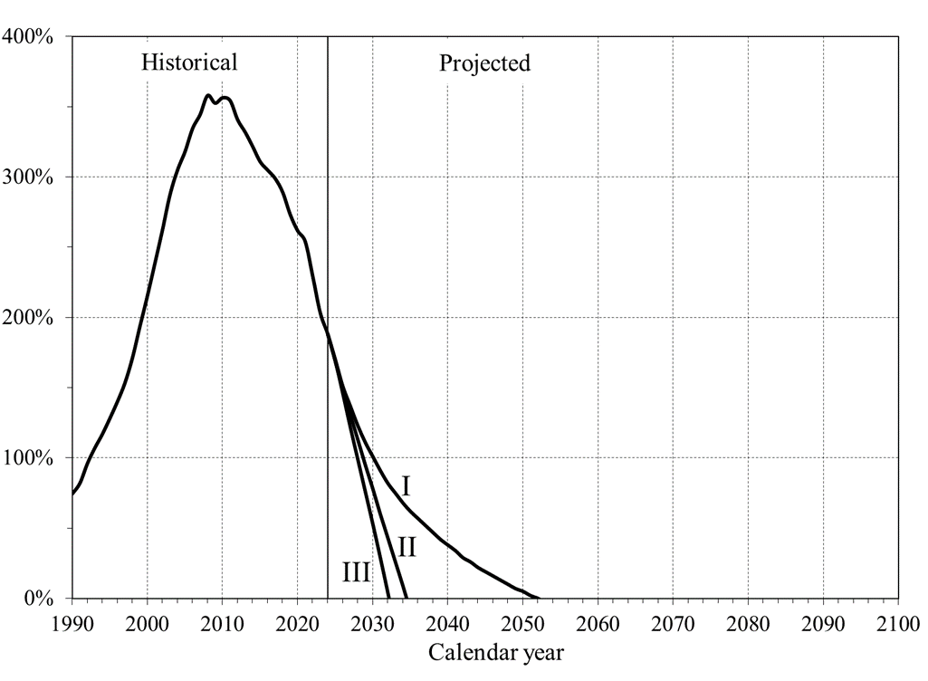
II.D7 | Long-Range OASI and DI Trust Fund Ratios | 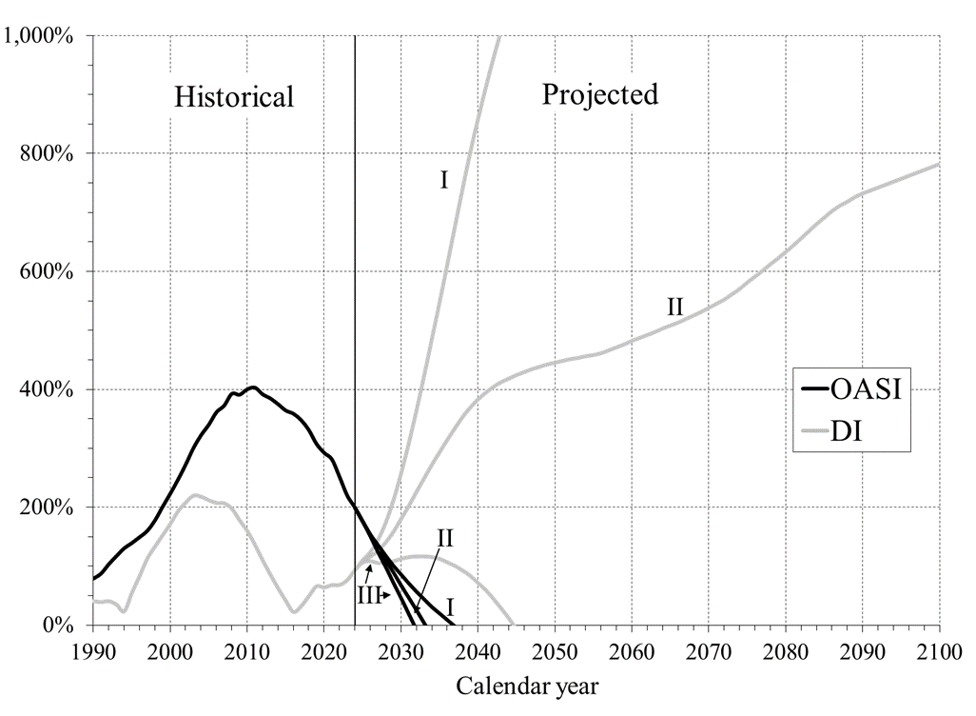
II.D8 | Long-Range OASI and DI Combined Trust Fund Ratios From Stochastic Modeling | 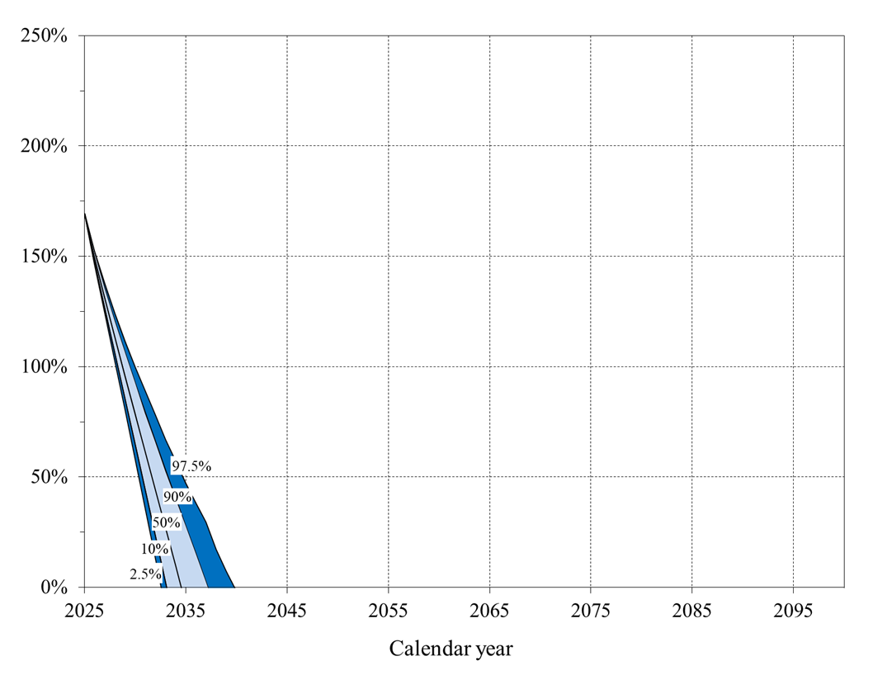
II.D9 | OASDI Annual Balances: 2024 and 2025 Trustees Reports | 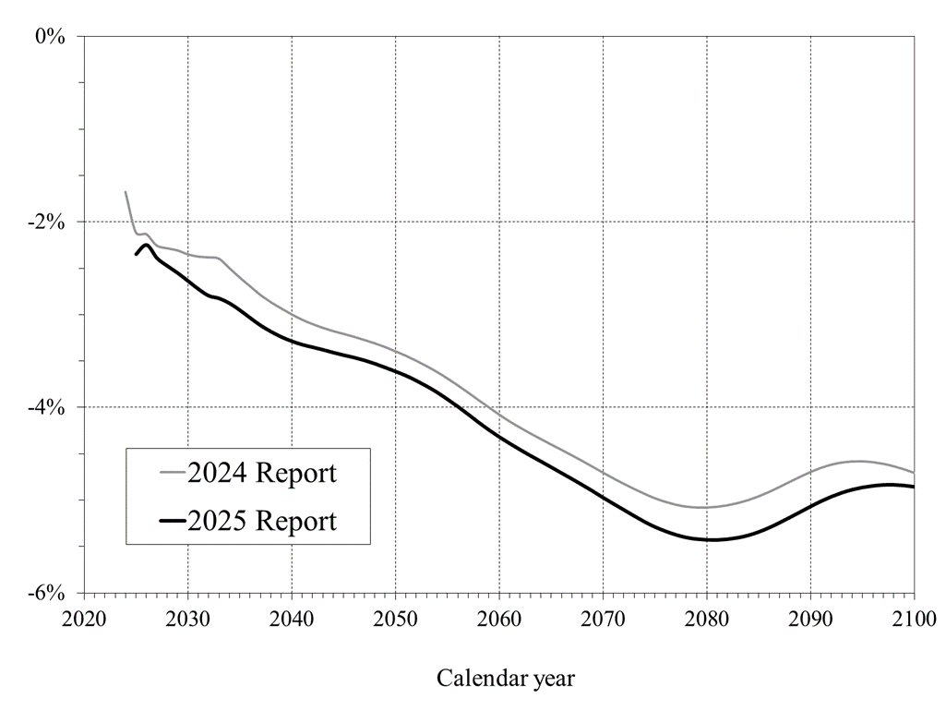
IV.A1 | Short-Range OASI and DI Trust Fund Ratios | 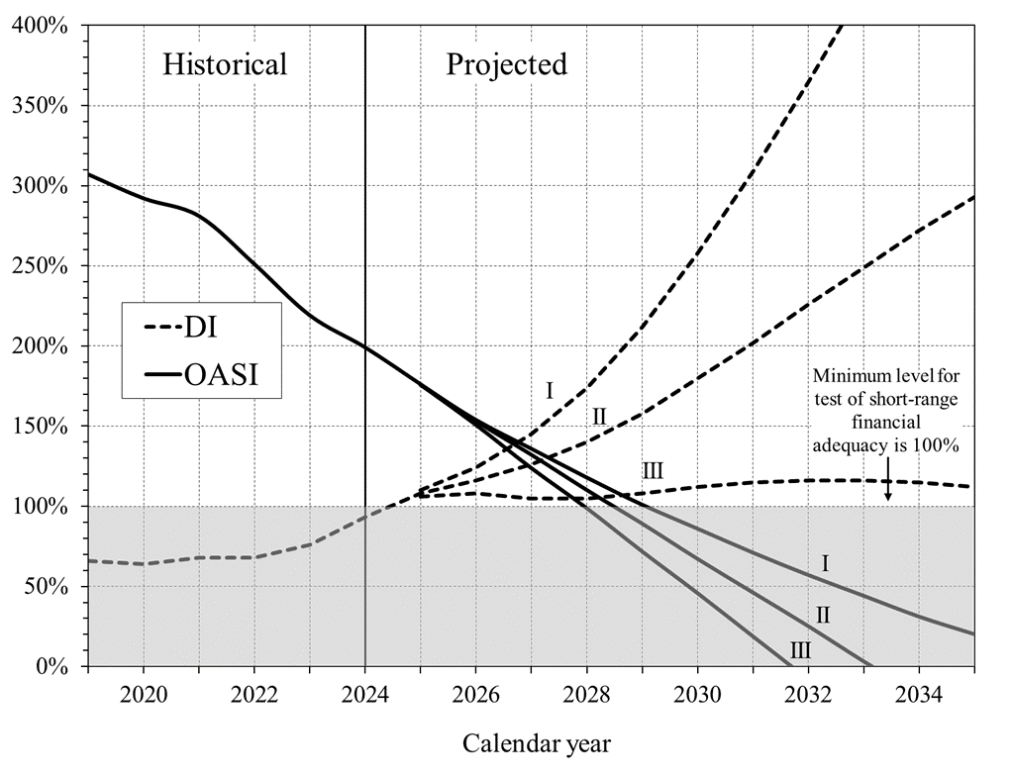
IV.B1 | Long-Range OASI and DI Annual Income Rates and Cost Rates | 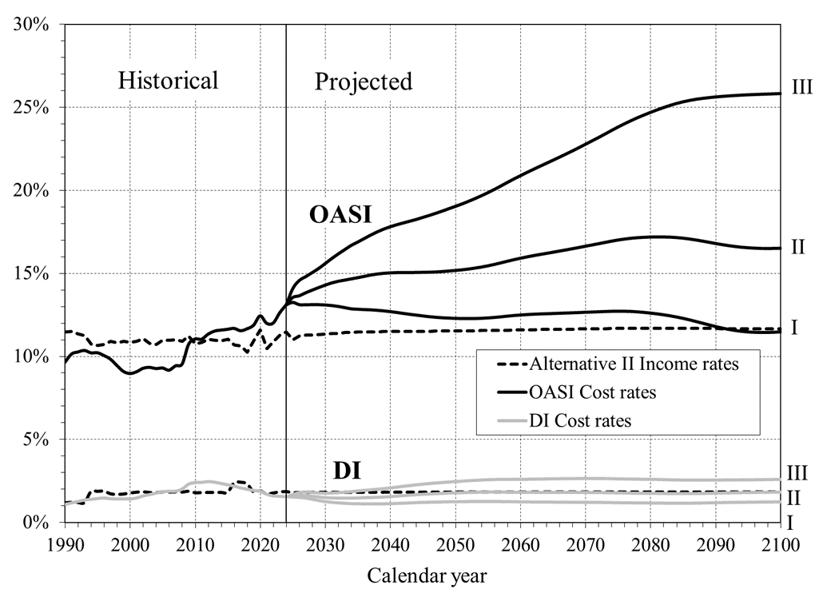
IV.B2 | Number of OASDI Beneficiaries Per 100 Covered Workers | 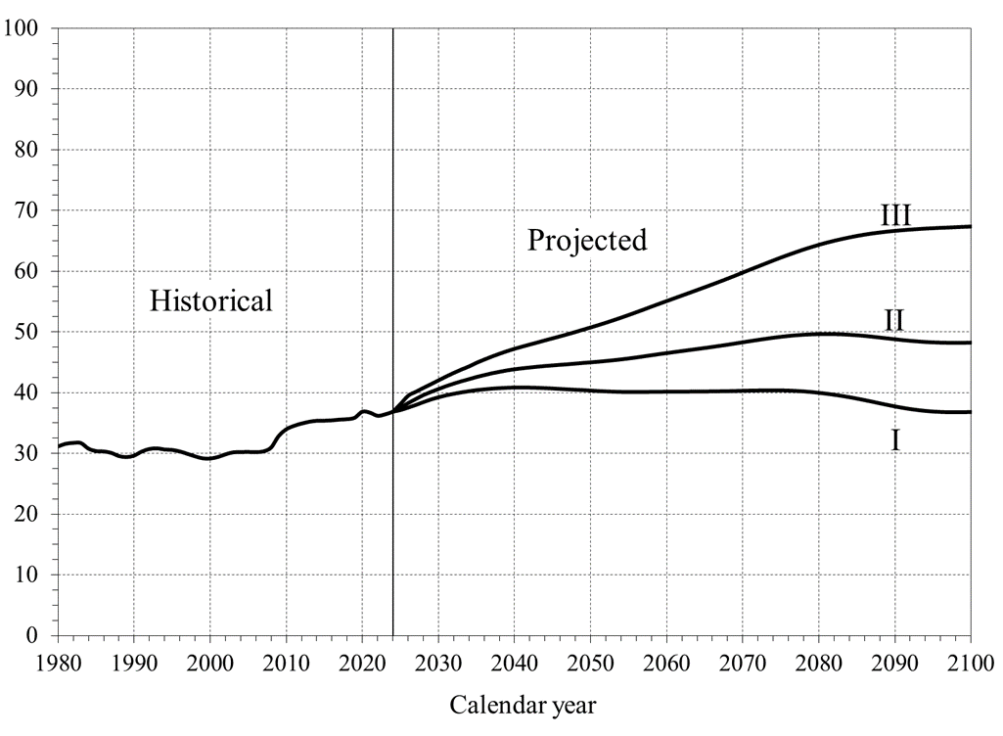
IV.B3 | Long-Range OASI and DI Trust Fund Ratios
IV.B4 | OASDI Annual Balances: 2024 and 2025 Trustees Reports
V.C1 | Primary-Insurance-Amount Formula for Those Newly Eligible in 2025 | 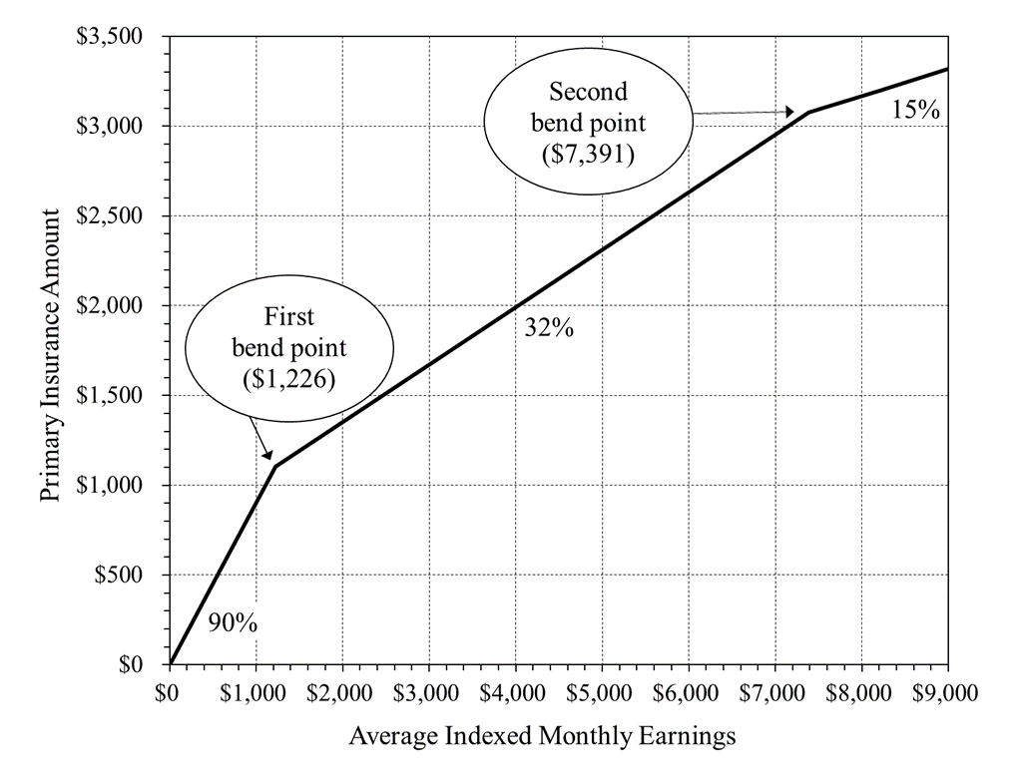
V.C2 | OASI Maximum-Family-Benefit Formula for Those Newly Eligible in 2025 | 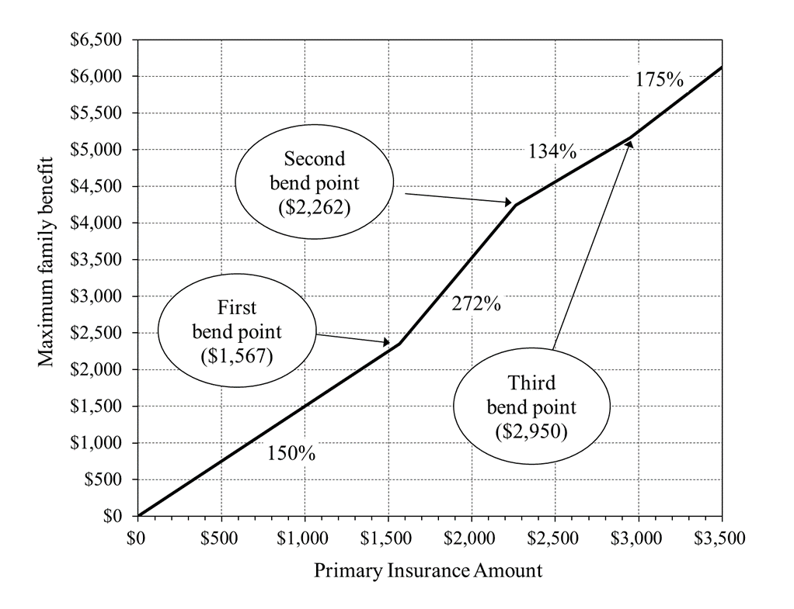
V.C3 | DI Disability Incidence Rates, 1970-2100 | 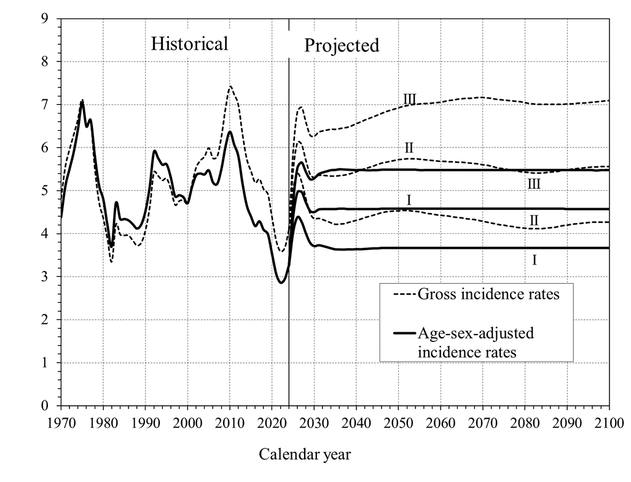
V.C4 | DI Disability Termination Rates, 1970-2100 | 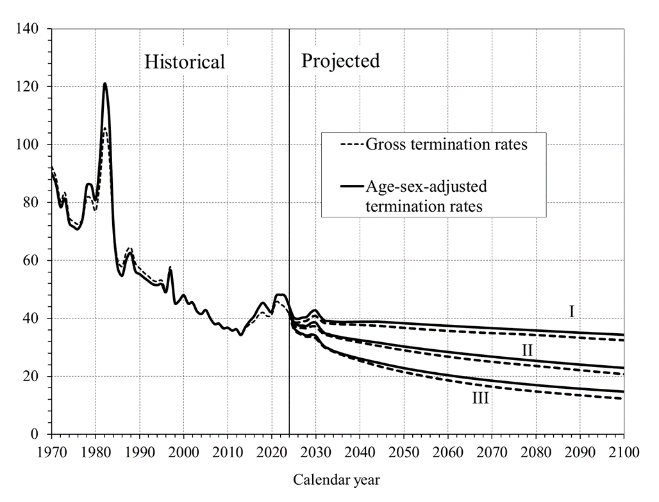
V.C5 | DI Disability Prevalence Rates, 1970-2100 | 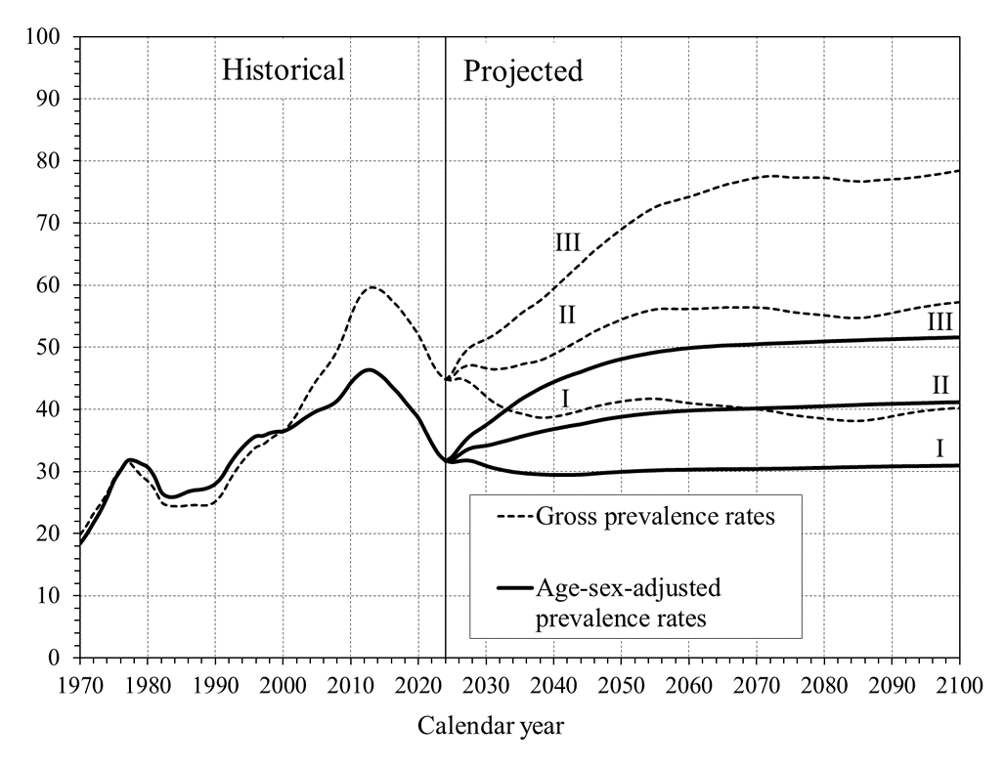
VI.E1 | Long-Range OASI and DI Combined Cost Rates From Stochastic Modeling | 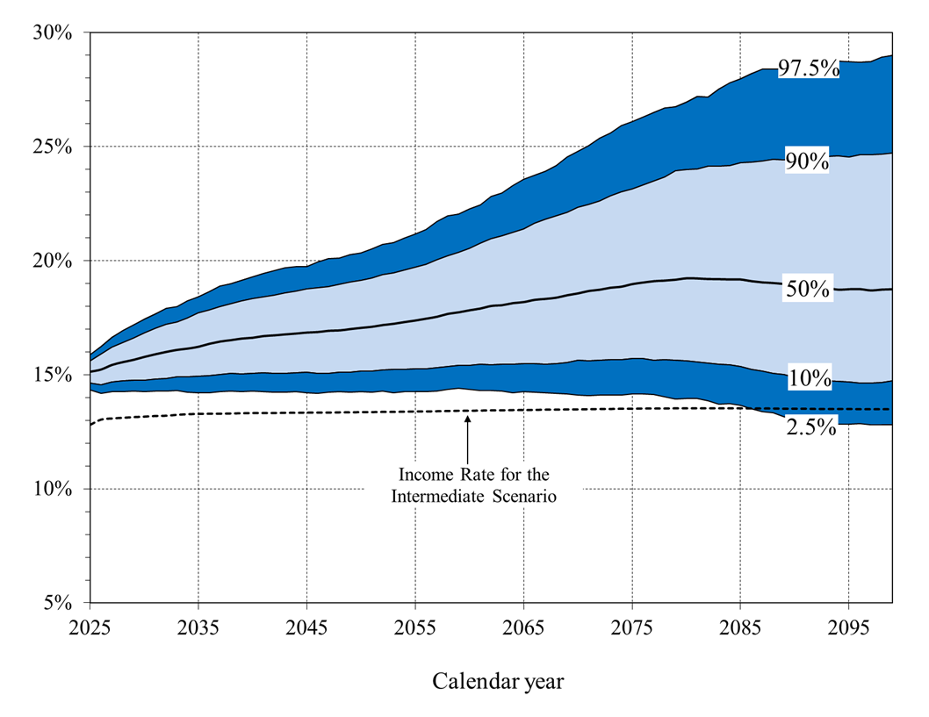
VI.E2 | Long-Range OASI and DI Combined Trust Fund Ratios From Stochastic Modeling
VI.E3 | OASI and DI Combined Cost Rates: Comparison of Stochastic to Low-Cost, Intermediate, and High-Cost Alternative Scenarios | 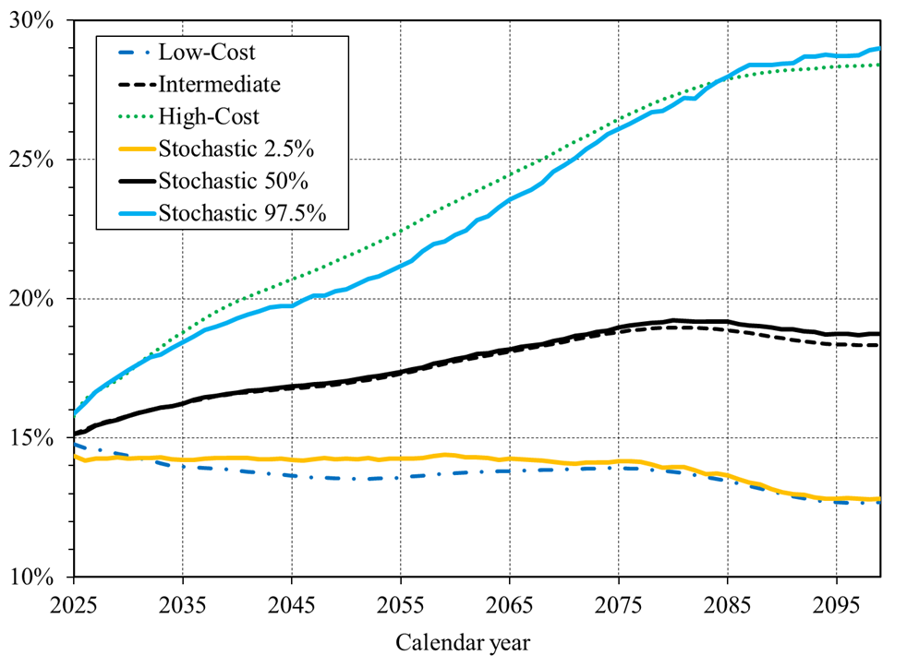
VI.E4 | OASI and DI Combined Trust Fund (Unfunded Obligation) Ratios: Comparison of Stochastic to Low-Cost, Intermediate, and High-Cost Alternative Scenarios | 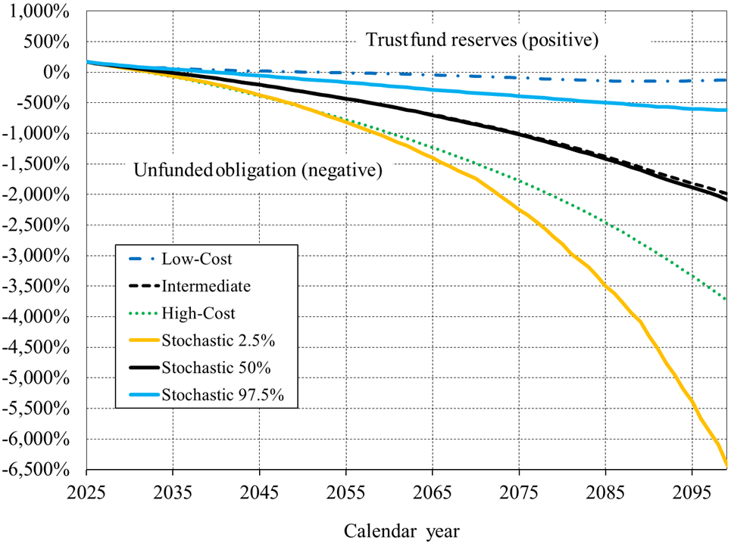
VI.G1 | Estimated OASDI Income and Cost in CPI-Indexed 2025 Dollars, Based on Intermediate Assumptions | 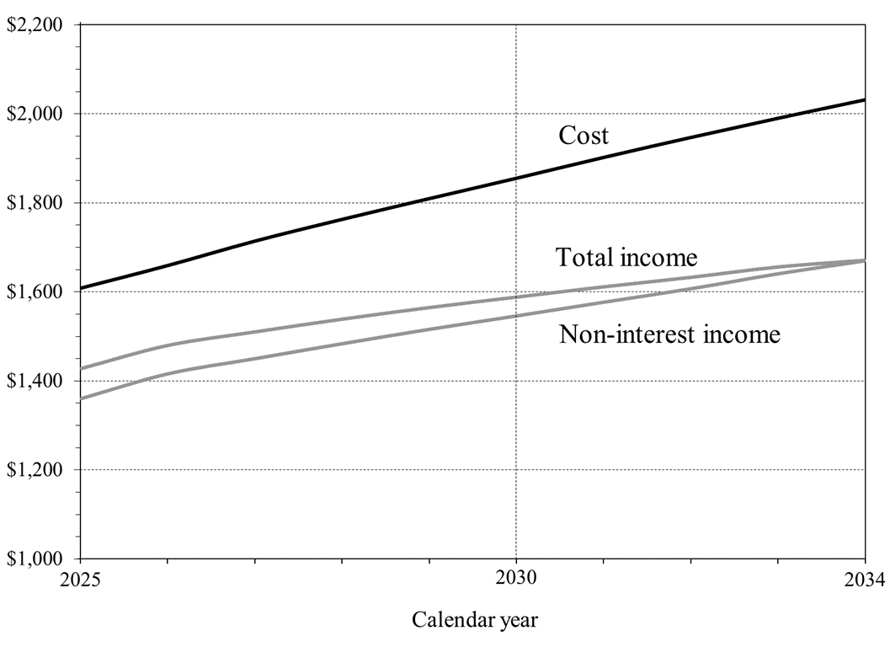

II.D1
Back to TOC

 |  | Short-Range OASI and DI Combined Trust Fund Ratio
 |  | [Reserves at beginning of year as a percentage of annual cost for the year, under intermediate assumptions]
Calendar year
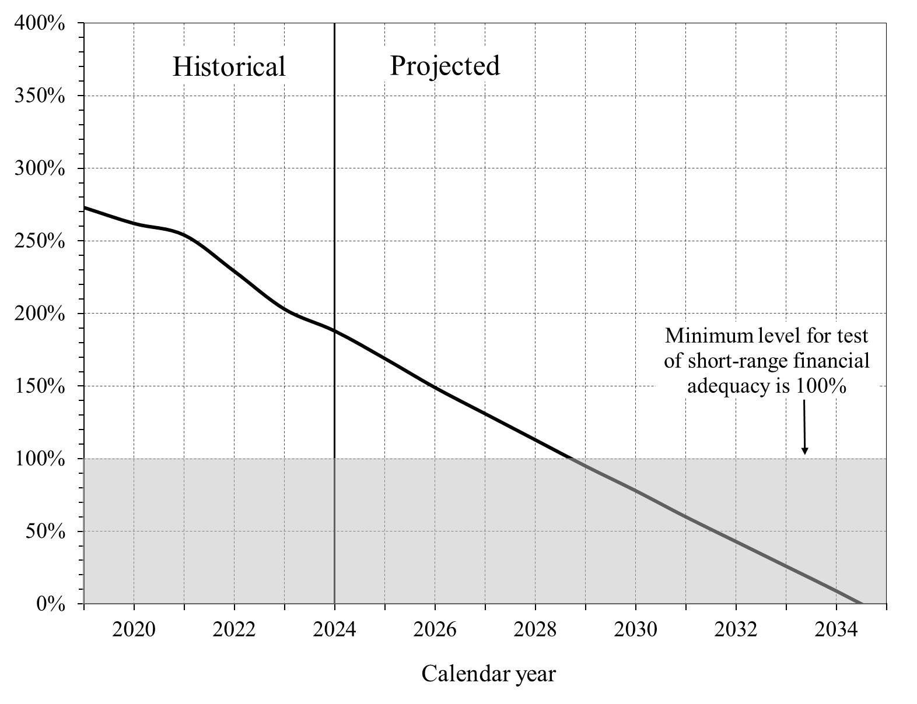
 | OASDI
2019 | 273%
2020 | 262%
2021 | 254%
2022 | 229%
2023 | 203%
2024 | 188%
2025 | 169%
2026 | 149%
2027 | 131%
2028 | 113%
2029 | 95%
2030 | 78%
2031 | 60%
2032 | 43%
2033 | 26%
2034 | 9%
2035 | 1/

1/ Trust fund reserves would be depleted at the beginning of this year.

II.D2
Back to TOC


 |  |  |  | OASDI Income, Cost, and Expenditures as Percentages of Taxable Payroll
 | Scheduled vs. Payable Benefits |  |  | [Under intermediate assumptions]
Calendar | OASDI | OASDI Cost Rates
year | Income Rates | Scheduled | Payable
 | (Alt. II only)
2000 | 12.62% | 10.40% | 10.40%
2001 | 12.73% | 10.56% | 10.56%
2002 | 12.90% | 10.89% | 10.89%
2003 | 12.59% | 11.03% | 11.03%
2004 | 12.53% | 11.05% | 11.05%
2005 | 12.80% | 11.16% | 11.16%
2006 | 12.79% | 11.06% | 11.06%
2007 | 12.85% | 11.32% | 11.32%
2008 | 12.73% | 11.55% | 11.55%
2009 | 13.11% | 13.05% | 13.05%
2010 | 12.54% | 13.47% | 13.47%
2011 | 12.63% | 13.46% | 13.46%
2012 | 12.85% | 13.82% | 13.82%
2013 | 12.77% | 13.97% | 13.97%
2014 | 12.76% | 13.95% | 13.95%
2015 | 12.82% | 13.91% | 13.91%
2016 | 13.09% | 13.89% | 13.89%
2017 | 13.05% | 13.64% | 13.64%
2018 | 12.58% | 13.68% | 13.68%
2019 | 12.80% | 13.82% | 13.82%
2020 | 13.50% | 14.35% | 14.35%
2021 | 12.20% | 13.71% | 13.71%
2022 | 12.65% | 13.62% | 13.62%
2023 | 13.10% | 14.21% | 14.21%
2024 | 13.32% | 14.67% | 14.67%
2025 | 12.80% | 15.15% | 15.15%
2026 | 13.03% | 15.29% | 15.29%
2027 | 13.08% | 15.48% | 15.48%
2028 | 13.11% | 15.59% | 15.59%
2029 | 13.14% | 15.69% | 15.69%
2030 | 13.16% | 15.80% | 15.80%
2031 | 13.19% | 15.91% | 15.91%
2032 | 13.20% | 16.00% | 16.00%
2033 | 13.24% | 16.07% | 16.07%
2034 | 13.27% | 16.15% | 13.27%
2035 | 13.28% | 16.23% | 13.28%
2036 | 13.29% | 16.32% | 13.29%
2037 | 13.29% | 16.41% | 13.29%
2038 | 13.30% | 16.49% | 13.30%
2039 | 13.31% | 16.55% | 13.31%
2040 | 13.32% | 16.60% | 13.32%
2041 | 13.32% | 16.65% | 13.32%
2042 | 13.32% | 16.68% | 13.32%
2043 | 13.33% | 16.71% | 13.33%
2044 | 13.33% | 16.74% | 13.33%
2045 | 13.34% | 16.77% | 13.34%
2046 | 13.34% | 16.80% | 13.34%
2047 | 13.34% | 16.84% | 13.34%
2048 | 13.35% | 16.88% | 13.35%
2049 | 13.35% | 16.92% | 13.35%
2050 | 13.36% | 16.97% | 13.36%
2051 | 13.36% | 17.02% | 13.36%
2052 | 13.37% | 17.08% | 13.37%
2053 | 13.37% | 17.15% | 13.37%
2054 | 13.38% | 17.22% | 13.38%
2055 | 13.39% | 17.30% | 13.39%
2056 | 13.39% | 17.39% | 13.39%
2057 | 13.40% | 17.48% | 13.40%
2058 | 13.41% | 17.57% | 13.41%
2059 | 13.42% | 17.66% | 13.42%
2060 | 13.42% | 17.74% | 13.42%
2061 | 13.43% | 17.82% | 13.43%
2062 | 13.44% | 17.89% | 13.44%
2063 | 13.44% | 17.96% | 13.44%
2064 | 13.45% | 18.03% | 13.45%
2065 | 13.45% | 18.10% | 13.45%
2066 | 13.46% | 18.17% | 13.46%
2067 | 13.47% | 18.24% | 13.47%
2068 | 13.47% | 18.31% | 13.47%
2069 | 13.48% | 18.38% | 13.48%
2070 | 13.48% | 18.46% | 13.48%
2071 | 13.49% | 18.53% | 13.49%
2072 | 13.50% | 18.60% | 13.50%
2073 | 13.50% | 18.67% | 13.50%
2074 | 13.51% | 18.74% | 13.51%
2075 | 13.51% | 18.80% | 13.51%
2076 | 13.52% | 18.85% | 13.52%
2077 | 13.52% | 18.89% | 13.52%
2078 | 13.52% | 18.93% | 13.52%
2079 | 13.53% | 18.95% | 13.53%
2080 | 13.53% | 18.96% | 13.53%
2081 | 13.53% | 18.96% | 13.53%
2082 | 13.53% | 18.95% | 13.53%
2083 | 13.53% | 18.93% | 13.53%
2084 | 13.53% | 18.91% | 13.53%
2085 | 13.53% | 18.87% | 13.53%
2086 | 13.52% | 18.82% | 13.52%
2087 | 13.52% | 18.77% | 13.52%
2088 | 13.52% | 18.70% | 13.52%
2089 | 13.51% | 18.64% | 13.51%
2090 | 13.51% | 18.58% | 13.51%
2091 | 13.51% | 18.52% | 13.51%
2092 | 13.50% | 18.47% | 13.50%
2093 | 13.50% | 18.42% | 13.50%
2094 | 13.50% | 18.38% | 13.50%
2095 | 13.50% | 18.36% | 13.50%
2096 | 13.49% | 18.34% | 13.49%
2097 | 13.49% | 18.33% | 13.49%
2098 | 13.49% | 18.33% | 13.49%
2099 | 13.49% | 18.34% | 13.49%
2100 | 13.50% | 18.35% | 13.50%

II.D3
Back to TOC

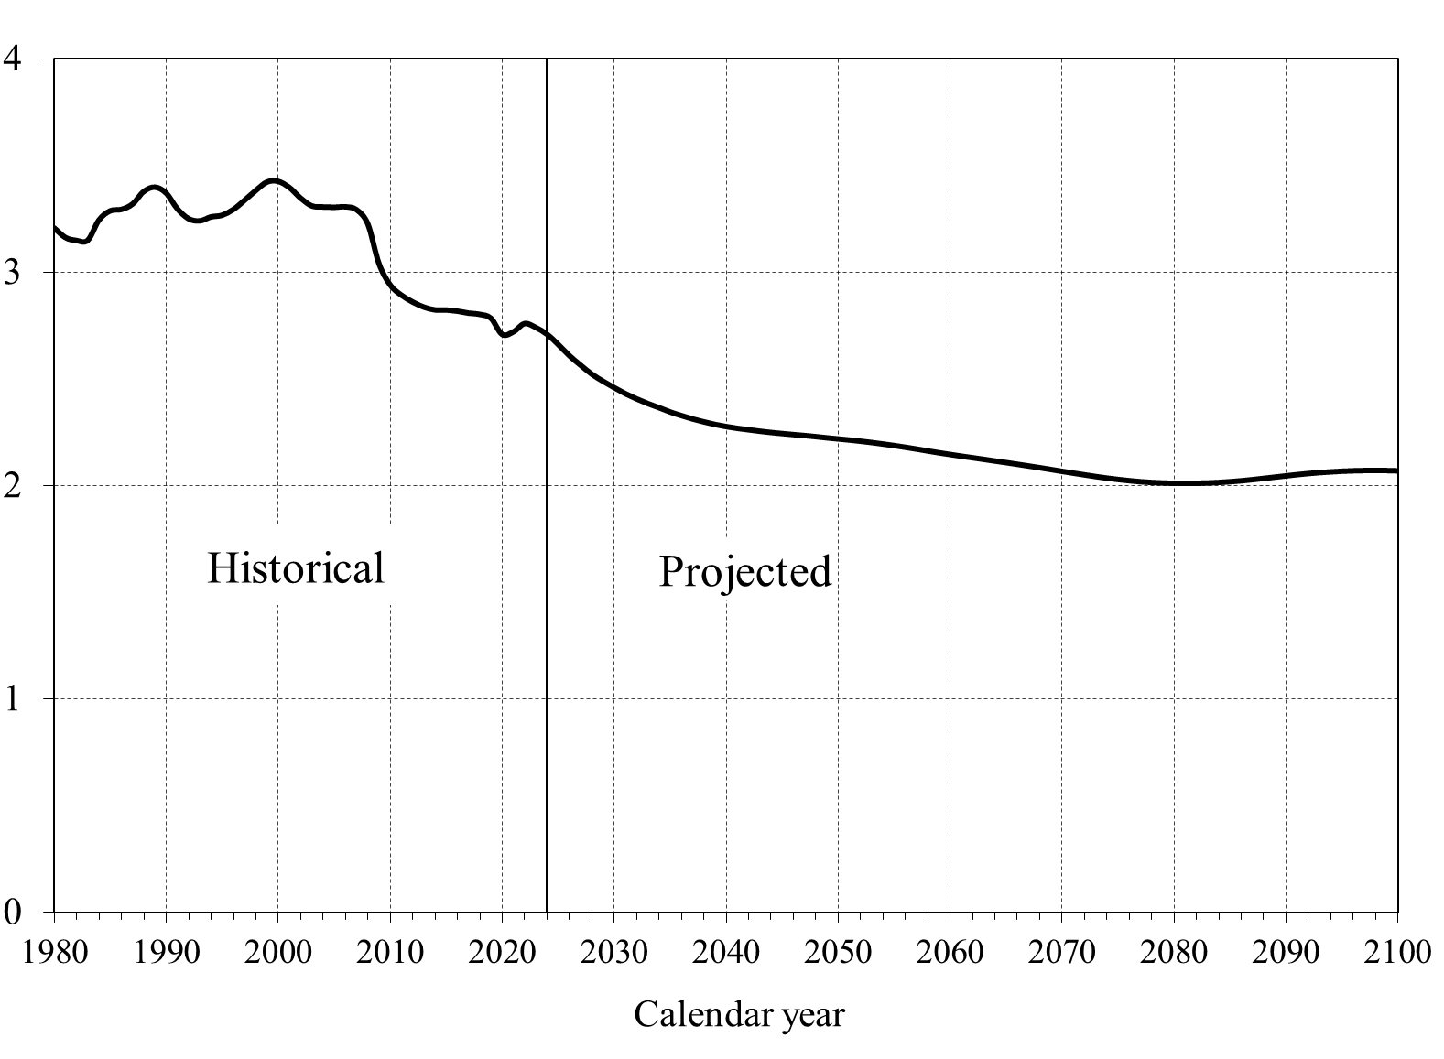
 |  |  |  | Number of Covered Workers Per OASDI Beneficiary
 |  |  |  | [Under intermediate assumptions]
Calendar
year | Workers per beneficiary
 | I | II | III
1980 |  | 3.21
1981 |  | 3.16
1982 |  | 3.15
1983 |  | 3.15
1984 |  | 3.24
1985 |  | 3.29
1986 |  | 3.29
1987 |  | 3.32
1988 |  | 3.38
1989 |  | 3.40
1990 |  | 3.37
1991 |  | 3.30
1992 |  | 3.25
1993 |  | 3.24
1994 |  | 3.26
1995 |  | 3.27
1996 |  | 3.29
1997 |  | 3.34
1998 |  | 3.38
1999 |  | 3.42
2000 |  | 3.43
2001 |  | 3.40
2002 |  | 3.35
2003 |  | 3.31
2004 |  | 3.31
2005 |  | 3.30
2006 |  | 3.31
2007 |  | 3.29
2008 |  | 3.23
2009 |  | 3.04
2010 |  | 2.94
2011 |  | 2.89
2012 |  | 2.86
2013 |  | 2.84
2014 |  | 2.82
2015 |  | 2.82
2016 |  | 2.82
2017 |  | 2.81
2018 |  | 2.80
2019 |  | 2.78
2020 |  | 2.71
2021 |  | 2.72
2022 |  | 2.76
2023 |  | 2.74
2024 | 2.71 | 2.71 | 2.71
2025 | 2.69 | 2.66 | 2.62
2026 | 2.66 | 2.61 | 2.53
2027 | 2.63 | 2.57 | 2.49
2028 | 2.60 | 2.52 | 2.45
2029 | 2.57 | 2.49 | 2.41
2030 | 2.55 | 2.46 | 2.38
2031 | 2.53 | 2.43 | 2.34
2032 | 2.51 | 2.41 | 2.31
2033 | 2.50 | 2.39 | 2.28
2034 | 2.48 | 2.37 | 2.26
2035 | 2.47 | 2.35 | 2.22
2036 | 2.47 | 2.33 | 2.20
2037 | 2.46 | 2.31 | 2.18
2038 | 2.45 | 2.30 | 2.15
2039 | 2.45 | 2.29 | 2.13
2040 | 2.45 | 2.28 | 2.12
2041 | 2.45 | 2.27 | 2.10
2042 | 2.45 | 2.26 | 2.09
2043 | 2.45 | 2.26 | 2.07
2044 | 2.45 | 2.25 | 2.06
2045 | 2.46 | 2.25 | 2.04
2046 | 2.46 | 2.24 | 2.03
2047 | 2.47 | 2.24 | 2.01
2048 | 2.47 | 2.23 | 2.00
2049 | 2.47 | 2.23 | 1.98
2050 | 2.48 | 2.22 | 1.97
2051 | 2.48 | 2.22 | 1.96
2052 | 2.49 | 2.21 | 1.94
2053 | 2.49 | 2.20 | 1.93
2054 | 2.49 | 2.20 | 1.91
2055 | 2.49 | 2.19 | 1.89
2056 | 2.49 | 2.18 | 1.88
2057 | 2.49 | 2.17 | 1.86
2058 | 2.49 | 2.16 | 1.85
2059 | 2.49 | 2.16 | 1.83
2060 | 2.49 | 2.15 | 1.81
2061 | 2.49 | 2.14 | 1.80
2062 | 2.49 | 2.13 | 1.79
2063 | 2.49 | 2.12 | 1.77
2064 | 2.49 | 2.12 | 1.76
2065 | 2.49 | 2.11 | 1.74
2066 | 2.49 | 2.10 | 1.73
2067 | 2.49 | 2.09 | 1.72
2068 | 2.48 | 2.09 | 1.70
2069 | 2.48 | 2.08 | 1.69
2070 | 2.48 | 2.07 | 1.67
2071 | 2.48 | 2.06 | 1.66
2072 | 2.48 | 2.05 | 1.65
2073 | 2.48 | 2.04 | 1.63
2074 | 2.48 | 2.04 | 1.62
2075 | 2.48 | 2.03 | 1.61
2076 | 2.48 | 2.02 | 1.59
2077 | 2.48 | 2.02 | 1.58
2078 | 2.49 | 2.02 | 1.57
2079 | 2.49 | 2.01 | 1.56
2080 | 2.50 | 2.01 | 1.55
2081 | 2.51 | 2.01 | 1.55
2082 | 2.52 | 2.01 | 1.54
2083 | 2.53 | 2.01 | 1.53
2084 | 2.55 | 2.02 | 1.53
2085 | 2.56 | 2.02 | 1.52
2086 | 2.58 | 2.02 | 1.51
2087 | 2.60 | 2.03 | 1.51
2088 | 2.61 | 2.04 | 1.51
2089 | 2.63 | 2.04 | 1.50
2090 | 2.65 | 2.05 | 1.50
2091 | 2.67 | 2.05 | 1.50
2092 | 2.68 | 2.06 | 1.50
2093 | 2.69 | 2.06 | 1.49
2094 | 2.70 | 2.07 | 1.49
2095 | 2.71 | 2.07 | 1.49
2096 | 2.72 | 2.07 | 1.49
2097 | 2.72 | 2.07 | 1.49
2098 | 2.72 | 2.07 | 1.49
2099 | 2.72 | 2.07 | 1.49
2100 | 2.72 | 2.07 | 1.49

II.D4
Back to TOC

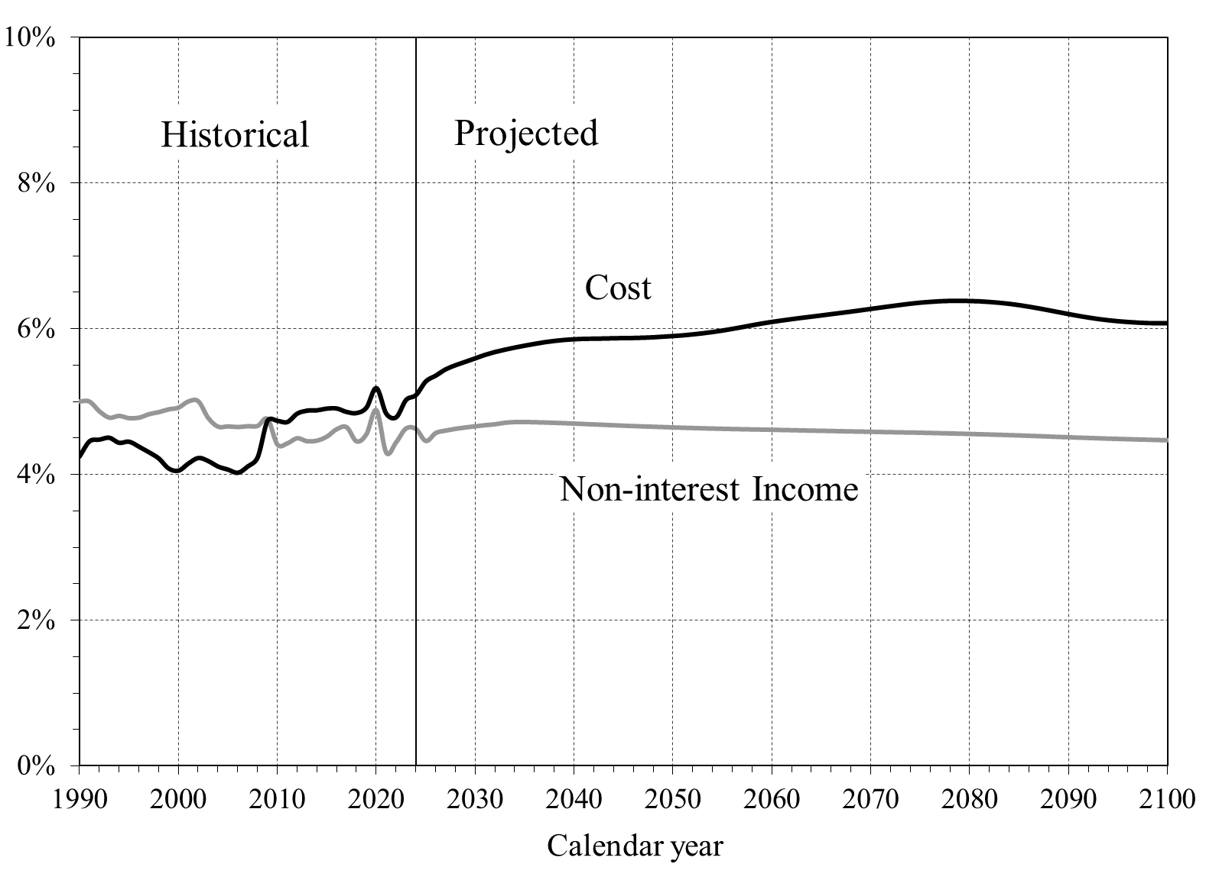
 |  |  |  |  | OASDI Cost and Non-Interest Income as a Percentage of GDP
 |  |  |  |  | [Under intermediate assumptions]
Calendar
year | Income | OASDI cost as % of GDP
 | II | I | II | III
1990 | 5.00% |  | 4.24%
1991 | 5.00% |  | 4.45%
1992 | 4.87% |  | 4.48%
1993 | 4.78% |  | 4.50%
1994 | 4.80% |  | 4.43%
1995 | 4.77% |  | 4.45%
1996 | 4.78% |  | 4.38%
1997 | 4.83% |  | 4.30%
1998 | 4.85% |  | 4.22%
1999 | 4.89% |  | 4.08%
2000 | 4.92% |  | 4.05%
2001 | 5.00% |  | 4.15%
2002 | 5.00% |  | 4.22%
2003 | 4.77% |  | 4.18%
2004 | 4.66% |  | 4.11%
2005 | 4.66% |  | 4.06%
2006 | 4.65% |  | 4.02%
2007 | 4.66% |  | 4.11%
2008 | 4.66% |  | 4.23%
2009 | 4.76% |  | 4.74%
2010 | 4.41% |  | 4.73%
2011 | 4.43% |  | 4.72%
2012 | 4.50% |  | 4.83%
2013 | 4.46% |  | 4.87%
2014 | 4.46% |  | 4.88%
2015 | 4.52% |  | 4.90%
2016 | 4.62% |  | 4.90%
2017 | 4.65% |  | 4.86%
2018 | 4.45% |  | 4.84%
2019 | 4.55% |  | 4.92%
2020 | 4.88% |  | 5.19%
2021 | 4.30% |  | 4.83%
2022 | 4.44% |  | 4.78%
2023 | 4.63% |  | 5.02%
2024 | 4.62% | 5.09% | 5.09% | 5.09%
2025 | 4.46% | 5.18% | 5.28% | 5.45%
2026 | 4.57% | 5.17% | 5.36% | 5.66%
2027 | 4.60% | 5.19% | 5.44% | 5.74%
2028 | 4.63% | 5.20% | 5.50% | 5.82%
2029 | 4.64% | 5.20% | 5.55% | 5.91%
2030 | 4.66% | 5.19% | 5.60% | 6.01%
2031 | 4.68% | 5.19% | 5.64% | 6.11%
2032 | 4.69% | 5.18% | 5.68% | 6.21%
2033 | 4.71% | 5.16% | 5.71% | 6.30%
2034 | 4.72% | 5.14% | 5.74% | 6.39%
2035 | 4.72% | 5.13% | 5.77% | 6.46%
2036 | 4.72% | 5.12% | 5.79% | 6.54%
2037 | 4.71% | 5.11% | 5.82% | 6.60%
2038 | 4.71% | 5.09% | 5.83% | 6.67%
2039 | 4.70% | 5.08% | 5.85% | 6.72%
2040 | 4.70% | 5.06% | 5.86% | 6.77%
2041 | 4.69% | 5.04% | 5.86% | 6.82%
2042 | 4.69% | 5.02% | 5.87% | 6.85%
2043 | 4.68% | 5.00% | 5.87% | 6.89%
2044 | 4.67% | 4.99% | 5.87% | 6.93%
2045 | 4.67% | 4.97% | 5.87% | 6.97%
2046 | 4.66% | 4.95% | 5.88% | 7.01%
2047 | 4.66% | 4.94% | 5.88% | 7.04%
2048 | 4.65% | 4.93% | 5.88% | 7.09%
2049 | 4.65% | 4.92% | 5.89% | 7.13%
2050 | 4.64% | 4.91% | 5.90% | 7.17%
2051 | 4.64% | 4.91% | 5.91% | 7.21%
2052 | 4.64% | 4.91% | 5.92% | 7.26%
2053 | 4.63% | 4.91% | 5.94% | 7.30%
2054 | 4.63% | 4.91% | 5.96% | 7.35%
2055 | 4.63% | 4.92% | 5.98% | 7.41%
2056 | 4.62% | 4.93% | 6.00% | 7.46%
2057 | 4.62% | 4.94% | 6.03% | 7.51%
2058 | 4.62% | 4.95% | 6.05% | 7.57%
2059 | 4.61% | 4.96% | 6.07% | 7.62%
2060 | 4.61% | 4.97% | 6.10% | 7.67%
2061 | 4.61% | 4.98% | 6.12% | 7.72%
2062 | 4.61% | 4.98% | 6.13% | 7.77%
2063 | 4.60% | 4.99% | 6.15% | 7.82%
2064 | 4.60% | 4.99% | 6.17% | 7.86%
2065 | 4.60% | 5.00% | 6.19% | 7.91%
2066 | 4.60% | 5.00% | 6.20% | 7.95%
2067 | 4.59% | 5.00% | 6.22% | 8.00%
2068 | 4.59% | 5.01% | 6.24% | 8.04%
2069 | 4.59% | 5.01% | 6.26% | 8.09%
2070 | 4.59% | 5.02% | 6.28% | 8.14%
2071 | 4.58% | 5.02% | 6.29% | 8.19%
2072 | 4.58% | 5.03% | 6.31% | 8.24%
2073 | 4.58% | 5.03% | 6.33% | 8.29%
2074 | 4.57% | 5.04% | 6.35% | 8.33%
2075 | 4.57% | 5.04% | 6.36% | 8.38%
2076 | 4.57% | 5.03% | 6.37% | 8.42%
2077 | 4.57% | 5.03% | 6.38% | 8.46%
2078 | 4.56% | 5.02% | 6.39% | 8.50%
2079 | 4.56% | 5.01% | 6.39% | 8.53%
2080 | 4.56% | 4.99% | 6.38% | 8.56%
2081 | 4.55% | 4.98% | 6.38% | 8.59%
2082 | 4.55% | 4.96% | 6.37% | 8.61%
2083 | 4.54% | 4.93% | 6.36% | 8.63%
2084 | 4.54% | 4.91% | 6.34% | 8.65%
2085 | 4.54% | 4.88% | 6.33% | 8.66%
2086 | 4.53% | 4.85% | 6.31% | 8.66%
2087 | 4.53% | 4.82% | 6.28% | 8.67%
2088 | 4.52% | 4.78% | 6.26% | 8.67%
2089 | 4.52% | 4.75% | 6.23% | 8.67%
2090 | 4.51% | 4.72% | 6.20% | 8.66%
2091 | 4.51% | 4.69% | 6.18% | 8.65%
2092 | 4.50% | 4.67% | 6.16% | 8.64%
2093 | 4.50% | 4.65% | 6.14% | 8.64%
2094 | 4.49% | 4.63% | 6.12% | 8.63%
2095 | 4.49% | 4.62% | 6.11% | 8.62%
2096 | 4.48% | 4.62% | 6.09% | 8.60%
2097 | 4.48% | 4.62% | 6.09% | 8.59%
2098 | 4.48% | 4.62% | 6.08% | 8.58%
2099 | 4.47% | 4.63% | 6.08% | 8.57%
2100 | 4.47% | 4.64% | 6.08% | 8.56%

II.D5
Back to TOC

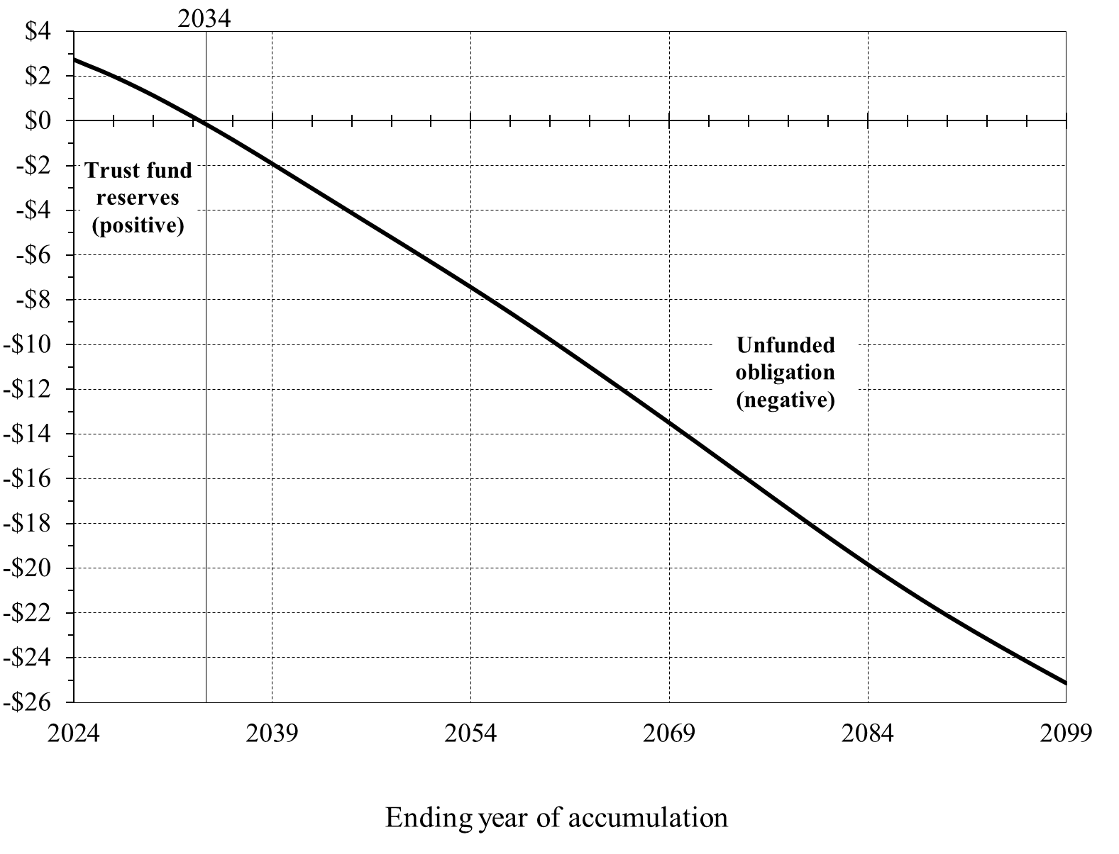
 |  | Cumulative Scheduled OASDI Income Less Cost, From Program Inception Through Years 2024‑2099
 |  | [Present value as of January 1, 2025, in trillions, under intermediate assumptions]
Ending Year of Accumulation | Cumulative OASDI income less cost

2024 | $2.72
2025 | $2.48
2026 | $2.24
2027 | $1.98
2028 | $1.70
2029 | $1.42
2030 | $1.12
2031 | $0.81
2032 | $0.49
2033 | $0.16
2034 | -$0.17
2035 | -$0.51
2036 | -$0.85
2037 | -$1.21
2038 | -$1.57
2039 | -$1.93
2040 | -$2.30
2041 | -$2.66
2042 | -$3.03
2043 | -$3.40
2044 | -$3.76
2045 | -$4.13
2046 | -$4.49
2047 | -$4.86
2048 | -$5.22
2049 | -$5.59
2050 | -$5.95
2051 | -$6.32
2052 | -$6.69
2053 | -$7.07
2054 | -$7.44
2055 | -$7.82
2056 | -$8.21
2057 | -$8.59
2058 | -$8.99
2059 | -$9.39
2060 | -$9.79
2061 | -$10.19
2062 | -$10.60
2063 | -$11.01
2064 | -$11.42
2065 | -$11.83
2066 | -$12.25
2067 | -$12.66
2068 | -$13.08
2069 | -$13.50
2070 | -$13.93
2071 | -$14.35
2072 | -$14.78
2073 | -$15.20
2074 | -$15.63
2075 | -$16.06
2076 | -$16.49
2077 | -$16.92
2078 | -$17.34
2079 | -$17.77
2080 | -$18.19
2081 | -$18.60
2082 | -$19.02
2083 | -$19.43
2084 | -$19.83
2085 | -$20.22
2086 | -$20.62
2087 | -$21.00
2088 | -$21.37
2089 | -$21.74
2090 | -$22.11
2091 | -$22.46
2092 | -$22.81
2093 | -$23.15
2094 | -$23.49
2095 | -$23.82
2096 | -$24.16
2097 | -$24.48
2098 | -$24.81
2099 | -$25.13

II.D6
Back to TOC

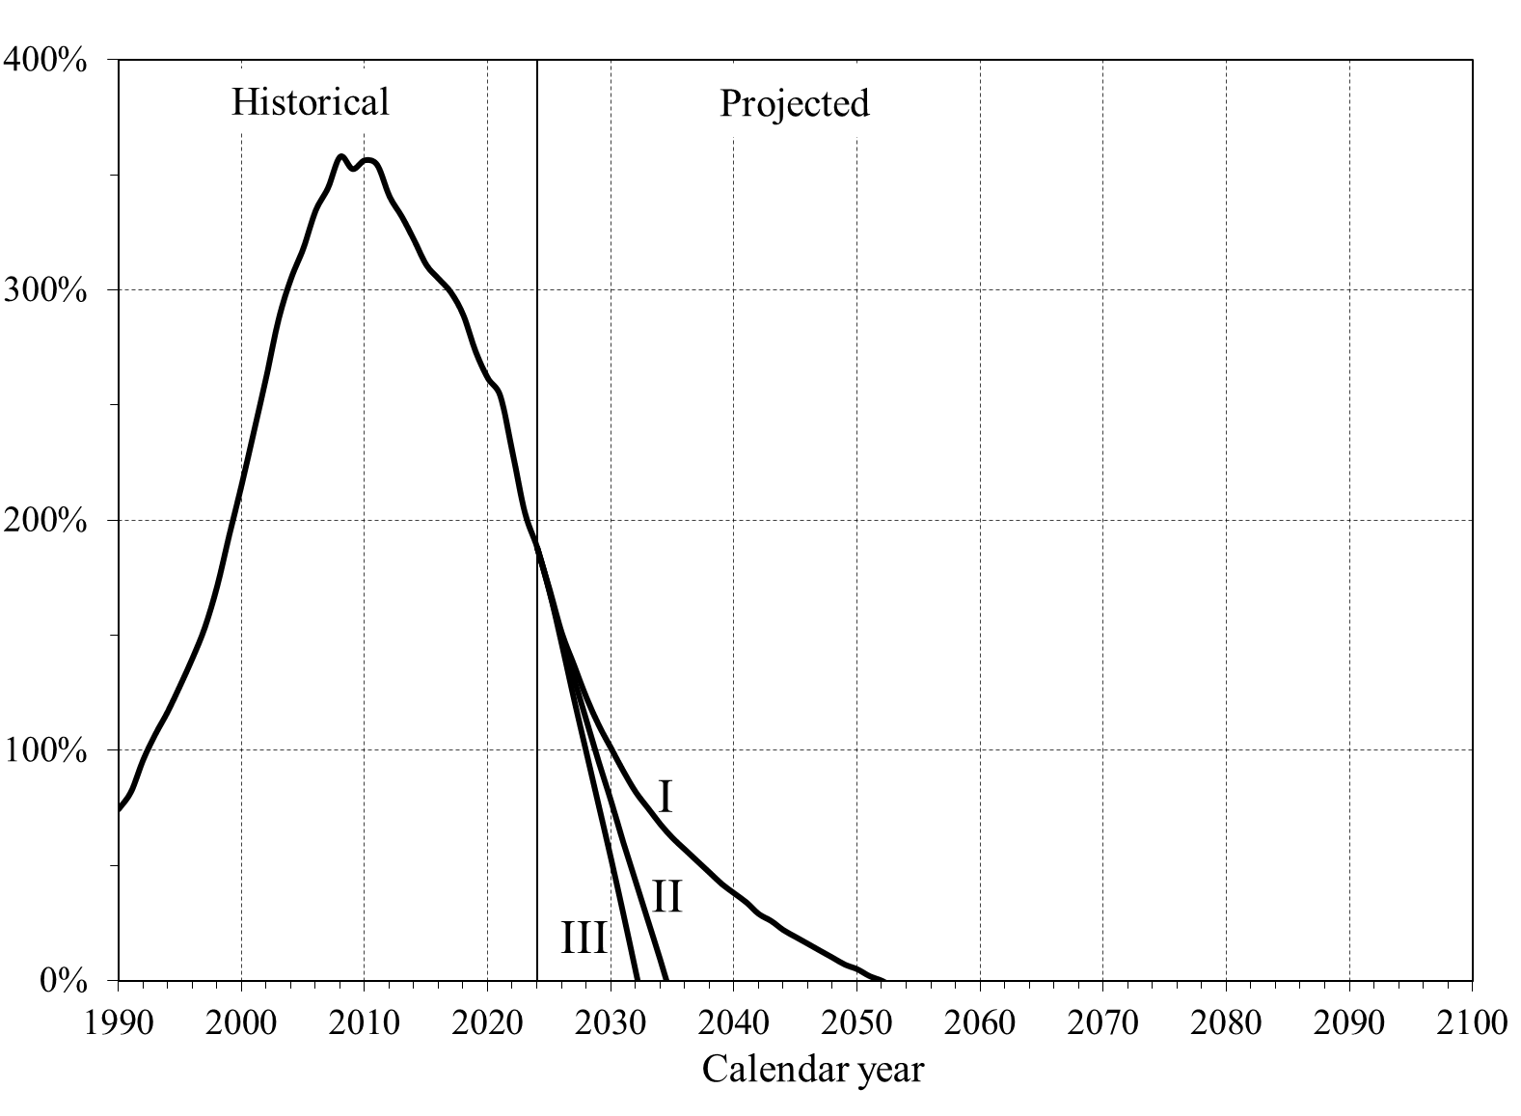
 |  |  |  | Long-Range OASI and DI Combined Trust Fund Ratios Under Alternative Scenarios
 |  |  |  | [Reserves as a percentage of annual cost]
Calendar
year | OASDI Trust Fund Ratios
 | I | II | III
1990 |  | 75%
1991 |  | 82%
1992 |  | 96%
1993 |  | 107%
1994 |  | 117%
1995 |  | 128%
1996 |  | 140%
1997 |  | 154%
1998 |  | 171%
1999 |  | 194%
2000 |  | 216%
2001 |  | 239%
2002 |  | 263%
2003 |  | 288%
2004 |  | 305%
2005 |  | 318%
2006 |  | 335%
2007 |  | 345%
2008 |  | 358%
2009 |  | 353%
2010 |  | 357%
2011 |  | 354%
2012 |  | 341%
2013 |  | 332%
2014 |  | 322%
2015 |  | 311%
2016 |  | 305%
2017 |  | 299%
2018 |  | 289%
2019 |  | 273%
2020 |  | 262%
2021 |  | 254%
2022 |  | 229%
2023 |  | 203%
2024 | 188% | 188% | 188%
2025 | 170% | 169% | 169%
2026 | 151% | 149% | 146%
2027 | 137% | 131% | 122%
2028 | 123% | 113% | 99%
2029 | 111% | 95% | 76%
2030 | 101% | 78% | 53%
2031 | 91% | 60% | 29%
2032 | 82% | 43% | 4%
2033 | 75% | 26% | 1/
2034 | 68% | 9% | 1/
2035 | 62% | 1/ | 1/
2036 | 57% | 1/ | 1/
2037 | 52% | 1/ | 1/
2038 | 47% | 1/ | 1/
2039 | 42% | 1/ | 1/
2040 | 38% | 1/ | 1/
2041 | 34% | 1/ | 1/
2042 | 29% | 1/ | 1/
2043 | 26% | 1/ | 1/
2044 | 22% | 1/ | 1/
2045 | 19% | 1/ | 1/
2046 | 16% | 1/ | 1/
2047 | 13% | 1/ | 1/
2048 | 10% | 1/ | 1/
2049 | 7% | 1/ | 1/
2050 | 5% | 1/ | 1/
2051 | 2% | 1/ | 1/
2052 | 0% | 1/ | 1/
2053 | 1/ | 1/ | 1/
2054 | 1/ | 1/ | 1/
2055 | 1/ | 1/ | 1/
2056 | 1/ | 1/ | 1/
2057 | 1/ | 1/ | 1/
2058 | 1/ | 1/ | 1/
2059 | 1/ | 1/ | 1/
2060 | 1/ | 1/ | 1/
2061 | 1/ | 1/ | 1/
2062 | 1/ | 1/ | 1/
2063 | 1/ | 1/ | 1/
2064 | 1/ | 1/ | 1/
2065 | 1/ | 1/ | 1/
2066 | 1/ | 1/ | 1/
2067 | 1/ | 1/ | 1/
2068 | 1/ | 1/ | 1/
2069 | 1/ | 1/ | 1/
2070 | 1/ | 1/ | 1/
2071 | 1/ | 1/ | 1/
2072 | 1/ | 1/ | 1/
2073 | 1/ | 1/ | 1/
2074 | 1/ | 1/ | 1/
2075 | 1/ | 1/ | 1/
2076 | 1/ | 1/ | 1/
2077 | 1/ | 1/ | 1/
2078 | 1/ | 1/ | 1/
2079 | 1/ | 1/ | 1/
2080 | 1/ | 1/ | 1/
2081 | 1/ | 1/ | 1/
2082 | 1/ | 1/ | 1/
2083 | 1/ | 1/ | 1/
2084 | 1/ | 1/ | 1/
2085 | 1/ | 1/ | 1/
2086 | 1/ | 1/ | 1/
2087 | 1/ | 1/ | 1/
2088 | 1/ | 1/ | 1/
2089 | 1/ | 1/ | 1/
2090 | 1/ | 1/ | 1/
2091 | 1/ | 1/ | 1/
2092 | 1/ | 1/ | 1/
2093 | 1/ | 1/ | 1/
2094 | 1/ | 1/ | 1/
2095 | 1/ | 1/ | 1/
2096 | 1/ | 1/ | 1/
2097 | 1/ | 1/ | 1/
2098 | 1/ | 1/ | 1/
2099 | 1/ | 1/ | 1/
2100 | 1/ | 1/ | 1/

1/ The trust fund is estimated to be depleted by the beginning of this year.

II.D7 & IV.B3
Back to TOC

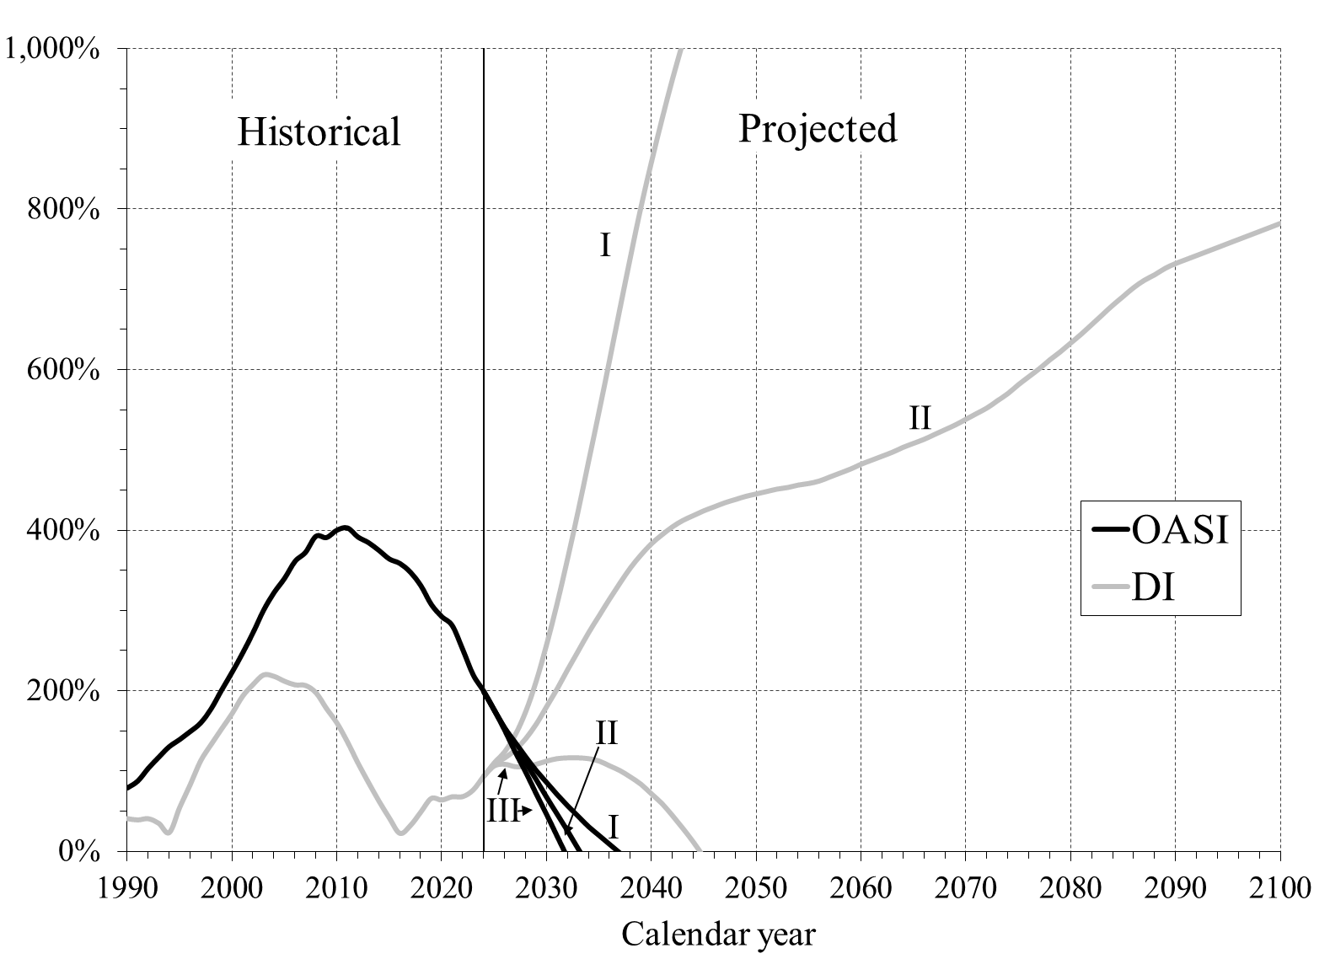
 |  |  |  |  |  |  | Long-Range OASI and DI Trust Fund Ratios
 |  |  |  |  |  |  | [Reserves as a percentage of annual cost]
Calendar
year | OASI Trust Fund Ratios |  |  | DI Trust Fund Ratios
 | I | II | III | I | II | III
1990 |  | 79% |  |  | 40%
1991 |  | 87% |  |  | 39%
1992 |  | 103% |  |  | 40%
1993 |  | 117% |  |  | 35%
1994 |  | 130% |  |  | 23%
1995 |  | 139% |  |  | 55%
1996 |  | 149% |  |  | 83%
1997 |  | 160% |  |  | 113%
1998 |  | 177% |  |  | 133%
1999 |  | 201% |  |  | 152%
2000 |  | 223% |  |  | 171%
2001 |  | 247% |  |  | 193%
2002 |  | 272% |  |  | 208%
2003 |  | 300% |  |  | 219%
2004 |  | 322% |  |  | 218%
2005 |  | 340% |  |  | 212%
2006 |  | 361% |  |  | 207%
2007 |  | 372% |  |  | 206%
2008 |  | 392% |  |  | 197%
2009 |  | 390% |  |  | 178%
2010 |  | 400% |  |  | 159%
2011 |  | 402% |  |  | 136%
2012 |  | 391% |  |  | 110%
2013 |  | 384% |  |  | 86%
2014 |  | 374% |  |  | 62%
2015 |  | 364% |  |  | 41%
2016 |  | 358% |  |  | 22%
2017 |  | 347% |  |  | 32%
2018 |  | 330% |  |  | 49%
2019 |  | 307% |  |  | 66%
2020 |  | 292% |  |  | 64%
2021 |  | 281% |  |  | 68%
2022 |  | 251% |  |  | 68%
2023 |  | 219% |  |  | 76%
2024 | 199% | 199% | 199% | 93% | 93% | 93%
2025 | 176% | 176% | 176% | 110% | 108% | 106%
2026 | 154% | 153% | 151% | 124% | 116% | 108%
2027 | 136% | 132% | 124% | 145% | 126% | 105%
2028 | 118% | 110% | 99% | 174% | 140% | 105%
2029 | 101% | 89% | 72% | 212% | 158% | 108%
2030 | 86% | 67% | 46% | 258% | 180% | 112%
2031 | 71% | 46% | 19% | 309% | 202% | 115%
2032 | 57% | 25% | 1/ | 365% | 226% | 116%
2033 | 44% | 3% | 1/ | 424% | 249% | 116%
2034 | 31% | 1/ | 1/ | 486% | 272% | 115%
2035 | 20% | 1/ | 1/ | 548% | 293% | 112%
2036 | 9% | 1/ | 1/ | 612% | 314% | 106%
2037 | 1/ | 1/ | 1/ | 677% | 334% | 100%
2038 | 1/ | 1/ | 1/ | 741% | 353% | 92%
2039 | 1/ | 1/ | 1/ | 803% | 369% | 83%
2040 | 1/ | 1/ | 1/ | 859% | 383% | 71%
2041 | 1/ | 1/ | 1/ | 912% | 394% | 59%
2042 | 1/ | 1/ | 1/ | 962% | 404% | 44%
2043 | 1/ | 1/ | 1/ | 1008% | 412% | 28%
2044 | 1/ | 1/ | 1/ | 1053% | 418% | 11%
2045 | 1/ | 1/ | 1/ | 1099% | 424% | 1/
2046 | 1/ | 1/ | 1/ | 1145% | 429% | 1/
2047 | 1/ | 1/ | 1/ | 1192% | 434% | 1/
2048 | 1/ | 1/ | 1/ | 1239% | 438% | 1/
2049 | 1/ | 1/ | 1/ | 1286% | 442% | 1/
2050 | 1/ | 1/ | 1/ | 1332% | 445% | 1/
2051 | 1/ | 1/ | 1/ | 1379% | 448% | 1/
2052 | 1/ | 1/ | 1/ | 1426% | 451% | 1/
2053 | 1/ | 1/ | 1/ | 1473% | 453% | 1/
2054 | 1/ | 1/ | 1/ | 1522% | 456% | 1/
2055 | 1/ | 1/ | 1/ | 1573% | 458% | 1/
2056 | 1/ | 1/ | 1/ | 1626% | 461% | 1/
2057 | 1/ | 1/ | 1/ | 1684% | 466% | 1/
2058 | 1/ | 1/ | 1/ | 1745% | 471% | 1/
2059 | 1/ | 1/ | 1/ | 1807% | 476% | 1/
2060 | 1/ | 1/ | 1/ | 1869% | 482% | 1/
2061 | 1/ | 1/ | 1/ | 1931% | 487% | 1/
2062 | 1/ | 1/ | 1/ | 1993% | 492% | 1/
2063 | 1/ | 1/ | 1/ | 2054% | 497% | 1/
2064 | 1/ | 1/ | 1/ | 2116% | 503% | 1/
2065 | 1/ | 1/ | 1/ | 2178% | 508% | 1/
2066 | 1/ | 1/ | 1/ | 2242% | 513% | 1/
2067 | 1/ | 1/ | 1/ | 2307% | 519% | 1/
2068 | 1/ | 1/ | 1/ | 2374% | 525% | 1/
2069 | 1/ | 1/ | 1/ | 2441% | 531% | 1/
2070 | 1/ | 1/ | 1/ | 2509% | 538% | 1/
2071 | 1/ | 1/ | 1/ | 2579% | 545% | 1/
2072 | 1/ | 1/ | 1/ | 2651% | 552% | 1/
2073 | 1/ | 1/ | 1/ | 2727% | 561% | 1/
2074 | 1/ | 1/ | 1/ | 2807% | 570% | 1/
2075 | 1/ | 1/ | 1/ | 2889% | 581% | 1/
2076 | 1/ | 1/ | 1/ | 2970% | 591% | 1/
2077 | 1/ | 1/ | 1/ | 3049% | 601% | 1/
2078 | 1/ | 1/ | 1/ | 3127% | 612% | 1/
2079 | 1/ | 1/ | 1/ | 3203% | 622% | 1/
2080 | 1/ | 1/ | 1/ | 3280% | 633% | 1/
2081 | 1/ | 1/ | 1/ | 3358% | 644% | 1/
2082 | 1/ | 1/ | 1/ | 3437% | 656% | 1/
2083 | 1/ | 1/ | 1/ | 3515% | 668% | 1/
2084 | 1/ | 1/ | 1/ | 3588% | 680% | 1/
2085 | 1/ | 1/ | 1/ | 3657% | 691% | 1/
2086 | 1/ | 1/ | 1/ | 3719% | 702% | 1/
2087 | 1/ | 1/ | 1/ | 3774% | 711% | 1/
2088 | 1/ | 1/ | 1/ | 3822% | 718% | 1/
2089 | 1/ | 1/ | 1/ | 3866% | 726% | 1/
2090 | 1/ | 1/ | 1/ | 3906% | 732% | 1/
2091 | 1/ | 1/ | 1/ | 3943% | 737% | 1/
2092 | 1/ | 1/ | 1/ | 3980% | 742% | 1/
2093 | 1/ | 1/ | 1/ | 4020% | 747% | 1/
2094 | 1/ | 1/ | 1/ | 4062% | 752% | 1/
2095 | 1/ | 1/ | 1/ | 4106% | 757% | 1/
2096 | 1/ | 1/ | 1/ | 4154% | 762% | 1/
2097 | 1/ | 1/ | 1/ | 4204% | 767% | 1/
2098 | 1/ | 1/ | 1/ | 4257% | 772% | 1/
2099 | 1/ | 1/ | 1/ | 4313% | 777% | 1/
2100 | 1/ | 1/ | 1/ | 4372% | 782% | 1/

1/ The trust fund is estimated to be depleted by the beginning of this year.

II.D8 & VI.E2
Back to TOC

 |  |  |  |  |  | Long-Range OASI and DI Combined Trust Fund Ratios From Stochastic Modeling

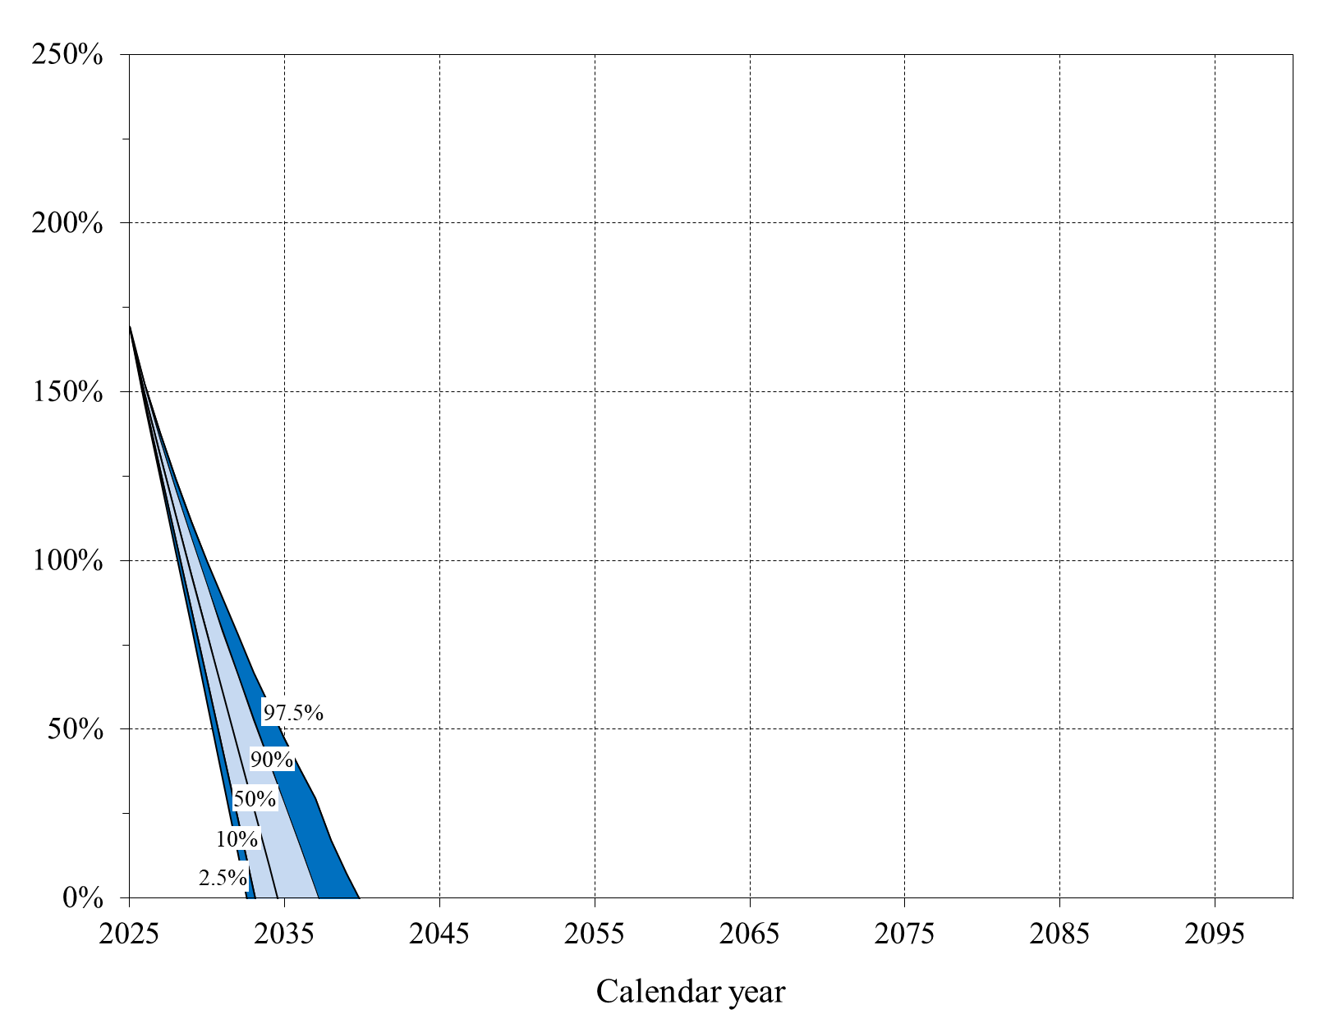
Calendar
year |  | OASDI Trust Fund Ratios
 | 2.5% | 10.0% | 50% | 90.0% | 97.5%
2025 | 169% | 169% | 169% | 169% | 169%
2026 | 146% | 148% | 150% | 151% | 152%
2027 | 125% | 127% | 131% | 136% | 138%
2028 | 103% | 106% | 113% | 121% | 124%
2029 | 80% | 85% | 96% | 106% | 112%
2030 | 58% | 65% | 78% | 93% | 100%
2031 | 35% | 44% | 61% | 79% | 89%
2032 | 13% | 23% | 44% | 66% | 78%
2033 | 1/ | 2% | 27% | 53% | 67%
2034 | 1/ | 1/ | 9% | 40% | 57%
2035 | 1/ | 1/ | 1/ | 28% | 47%
2036 | 1/ | 1/ | 1/ | 15% | 38%
2037 | 1/ | 1/ | 1/ | 2% | 29%
2038 | 1/ | 1/ | 1/ | 1/ | 17%
2039 | 1/ | 1/ | 1/ | 1/ | 7%
2040 | 1/ | 1/ | 1/ | 1/ | 1/
2041 | 1/ | 1/ | 1/ | 1/ | 1/
2042 | 1/ | 1/ | 1/ | 1/ | 1/
2043 | 1/ | 1/ | 1/ | 1/ | 1/
2044 | 1/ | 1/ | 1/ | 1/ | 1/
2045 | 1/ | 1/ | 1/ | 1/ | 1/
2046 | 1/ | 1/ | 1/ | 1/ | 1/
2047 | 1/ | 1/ | 1/ | 1/ | 1/
2048 | 1/ | 1/ | 1/ | 1/ | 1/
2049 | 1/ | 1/ | 1/ | 1/ | 1/
2050 | 1/ | 1/ | 1/ | 1/ | 1/
2051 | 1/ | 1/ | 1/ | 1/ | 1/
2052 | 1/ | 1/ | 1/ | 1/ | 1/
2053 | 1/ | 1/ | 1/ | 1/ | 1/
2054 | 1/ | 1/ | 1/ | 1/ | 1/
2055 | 1/ | 1/ | 1/ | 1/ | 1/
2056 | 1/ | 1/ | 1/ | 1/ | 1/
2057 | 1/ | 1/ | 1/ | 1/ | 1/
2058 | 1/ | 1/ | 1/ | 1/ | 1/
2059 | 1/ | 1/ | 1/ | 1/ | 1/
2060 | 1/ | 1/ | 1/ | 1/ | 1/
2061 | 1/ | 1/ | 1/ | 1/ | 1/
2062 | 1/ | 1/ | 1/ | 1/ | 1/
2063 | 1/ | 1/ | 1/ | 1/ | 1/
2064 | 1/ | 1/ | 1/ | 1/ | 1/
2065 | 1/ | 1/ | 1/ | 1/ | 1/
2066 | 1/ | 1/ | 1/ | 1/ | 1/
2067 | 1/ | 1/ | 1/ | 1/ | 1/
2068 | 1/ | 1/ | 1/ | 1/ | 1/
2069 | 1/ | 1/ | 1/ | 1/ | 1/
2070 | 1/ | 1/ | 1/ | 1/ | 1/
2071 | 1/ | 1/ | 1/ | 1/ | 1/
2072 | 1/ | 1/ | 1/ | 1/ | 1/
2073 | 1/ | 1/ | 1/ | 1/ | 1/
2074 | 1/ | 1/ | 1/ | 1/ | 1/
2075 | 1/ | 1/ | 1/ | 1/ | 1/
2076 | 1/ | 1/ | 1/ | 1/ | 1/
2077 | 1/ | 1/ | 1/ | 1/ | 1/
2078 | 1/ | 1/ | 1/ | 1/ | 1/
2079 | 1/ | 1/ | 1/ | 1/ | 1/
2080 | 1/ | 1/ | 1/ | 1/ | 1/
2081 | 1/ | 1/ | 1/ | 1/ | 1/
2082 | 1/ | 1/ | 1/ | 1/ | 1/
2083 | 1/ | 1/ | 1/ | 1/ | 1/
2084 | 1/ | 1/ | 1/ | 1/ | 1/
2085 | 1/ | 1/ | 1/ | 1/ | 1/
2086 | 1/ | 1/ | 1/ | 1/ | 1/
2087 | 1/ | 1/ | 1/ | 1/ | 1/
2088 | 1/ | 1/ | 1/ | 1/ | 1/
2089 | 1/ | 1/ | 1/ | 1/ | 1/
2090 | 1/ | 1/ | 1/ | 1/ | 1/
2091 | 1/ | 1/ | 1/ | 1/ | 1/
2092 | 1/ | 1/ | 1/ | 1/ | 1/
2093 | 1/ | 1/ | 1/ | 1/ | 1/
2094 | 1/ | 1/ | 1/ | 1/ | 1/
2095 | 1/ | 1/ | 1/ | 1/ | 1/
2096 | 1/ | 1/ | 1/ | 1/ | 1/
2097 | 1/ | 1/ | 1/ | 1/ | 1/
2098 | 1/ | 1/ | 1/ | 1/ | 1/
2099 | 1/ | 1/ | 1/ | 1/ | 1/
2100 | 1/ | 1/ | 1/ | 1/ | 1/

1/ The trust fund is estimated to be depleted by the beginning of this year.

II.D9 & IV.B4
Back to TOC

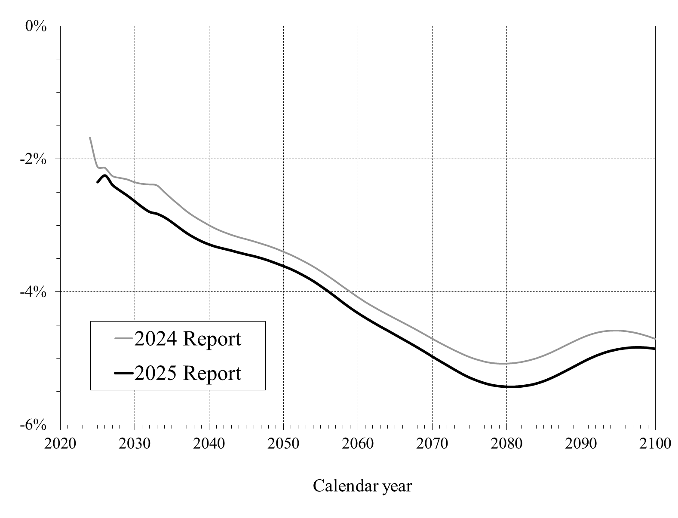
 |  |  | OASDI Annual Balances: 2024 and 2025 Trustees Reports
 |  |  | [As a percentage of taxable payroll, under the intermediate assumptions]
Calendar | OASDI
year | Annual balances
 | 2024TR | 2025TR
2024 | -1.68%
2025 | -2.11% | -2.35%
2026 | -2.13% | -2.25%
2027 | -2.25% | -2.39%
2028 | -2.28% | -2.48%
2029 | -2.31% | -2.55%
2030 | -2.35% | -2.64%
2031 | -2.37% | -2.73%
2032 | -2.38% | -2.80%
2033 | -2.40% | -2.83%
2034 | -2.50% | -2.88%
2035 | -2.60% | -2.95%
2036 | -2.69% | -3.04%
2037 | -2.79% | -3.12%
2038 | -2.86% | -3.19%
2039 | -2.93% | -3.24%
2040 | -3.00% | -3.29%
2041 | -3.05% | -3.33%
2042 | -3.10% | -3.35%
2043 | -3.14% | -3.38%
2044 | -3.18% | -3.41%
2045 | -3.21% | -3.44%
2046 | -3.24% | -3.46%
2047 | -3.27% | -3.49%
2048 | -3.31% | -3.53%
2049 | -3.35% | -3.57%
2050 | -3.40% | -3.61%
2051 | -3.44% | -3.66%
2052 | -3.50% | -3.71%
2053 | -3.56% | -3.77%
2054 | -3.62% | -3.84%
2055 | -3.69% | -3.91%
2056 | -3.76% | -3.99%
2057 | -3.84% | -4.08%
2058 | -3.92% | -4.16%
2059 | -4.00% | -4.24%
2060 | -4.08% | -4.32%
2061 | -4.15% | -4.39%
2062 | -4.22% | -4.46%
2063 | -4.28% | -4.52%
2064 | -4.34% | -4.58%
2065 | -4.40% | -4.65%
2066 | -4.46% | -4.71%
2067 | -4.52% | -4.77%
2068 | -4.58% | -4.84%
2069 | -4.64% | -4.90%
2070 | -4.70% | -4.97%
2071 | -4.77% | -5.04%
2072 | -4.82% | -5.10%
2073 | -4.88% | -5.17%
2074 | -4.93% | -5.23%
2075 | -4.98% | -5.29%
2076 | -5.02% | -5.33%
2077 | -5.05% | -5.37%
2078 | -5.07% | -5.40%
2079 | -5.08% | -5.42%
2080 | -5.08% | -5.43%
2081 | -5.07% | -5.43%
2082 | -5.06% | -5.42%
2083 | -5.03% | -5.41%
2084 | -5.00% | -5.38%
2085 | -4.96% | -5.34%
2086 | -4.91% | -5.30%
2087 | -4.86% | -5.24%
2088 | -4.80% | -5.19%
2089 | -4.75% | -5.13%
2090 | -4.70% | -5.07%
2091 | -4.65% | -5.01%
2092 | -4.62% | -4.96%
2093 | -4.60% | -4.92%
2094 | -4.58% | -4.89%
2095 | -4.58% | -4.86%
2096 | -4.59% | -4.85%
2097 | -4.61% | -4.84%
2098 | -4.64% | -4.84%
2099 | -4.67% | -4.84%
2100 | -4.71% | -4.86%

IV.A1
Back to TOC

 |  |  |  |  |  |  |  |  |  | Short-Range OASI and DI Trust Fund Ratios
 |  |  |  |  |  |  |  |  |  | [Reserves as a percentage of annual cost]
Calendar year | Historical trust fund ratios |  | Calendar year | Projected trust fund ratios
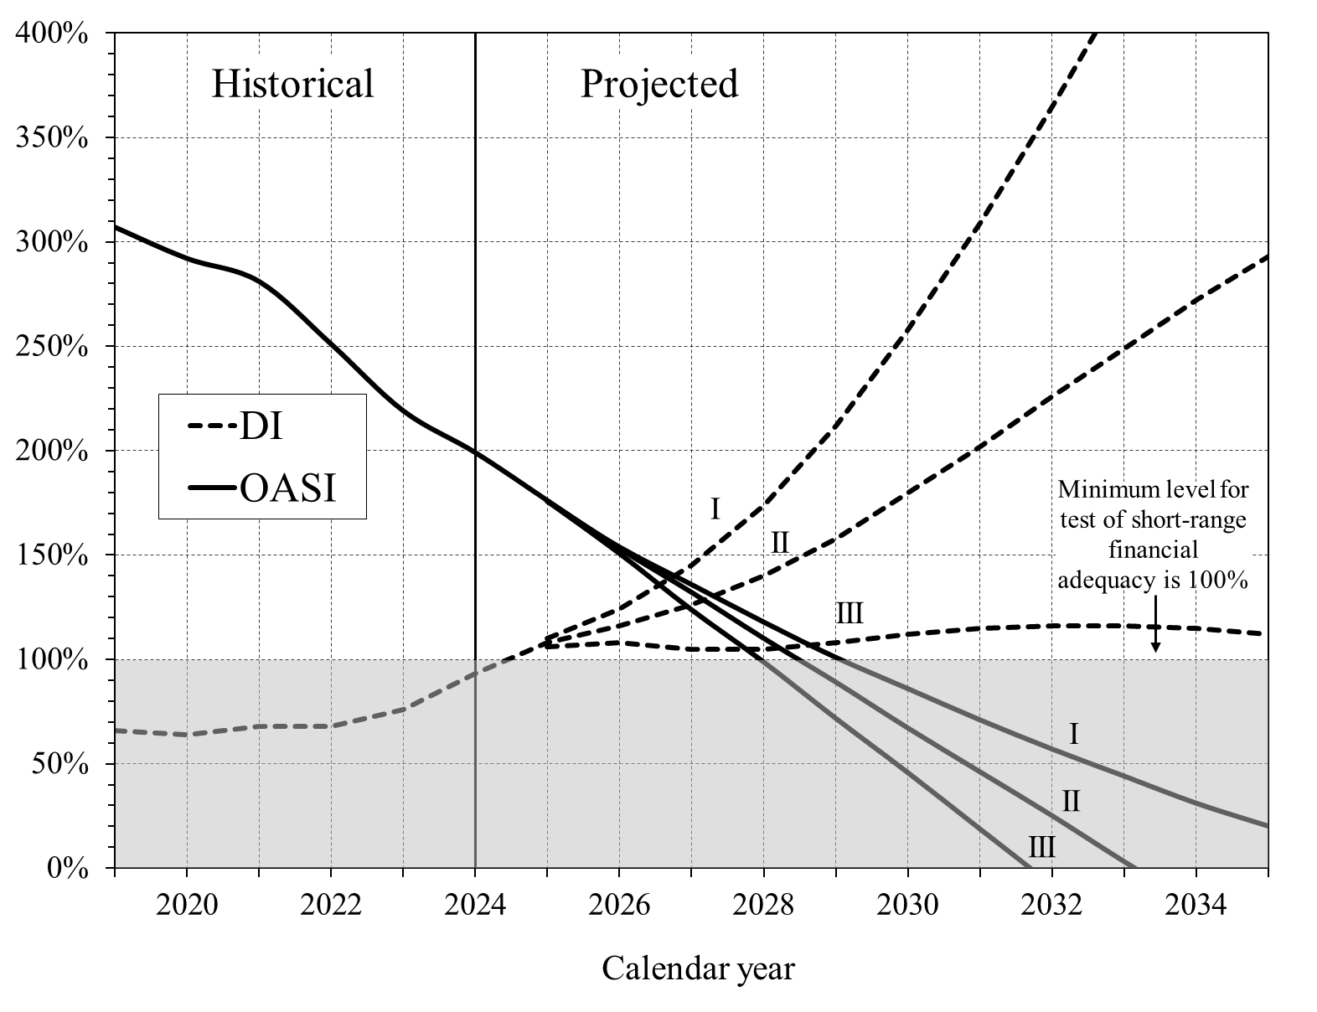
 | OASI | DI |  | OASI |  |  | DI
2019 | 307% | 66% |  | I | II | III | I | II | III
2020 | 292% | 64% | 2025 | 176% | 176% | 176% | 110% | 108% | 106%
2021 | 281% | 68% | 2026 | 154% | 153% | 151% | 124% | 116% | 108%
2022 | 251% | 68% | 2027 | 136% | 132% | 124% | 145% | 126% | 105%
2023 | 219% | 76% | 2028 | 118% | 110% | 99% | 174% | 140% | 105%
2024 | 199% | 93% | 2029 | 101% | 89% | 72% | 212% | 158% | 108%
 |  |  | 2030 | 86% | 67% | 46% | 258% | 180% | 112%
 |  |  | 2031 | 71% | 46% | 19% | 309% | 202% | 115%
 |  |  | 2032 | 57% | 25% | 1/ | 365% | 226% | 116%
 |  |  | 2033 | 44% | 3% | 1/ | 424% | 249% | 116%
 |  |  | 2034 | 31% | 1/ | 1/ | 486% | 272% | 115%
 |  |  | 2035 | 20% | 1/ | 1/ | 548% | 293% | 112%

 |  |  | 1/ The trust fund is estimated to be depleted by the beginning of this year.

IV.B1
Back to TOC

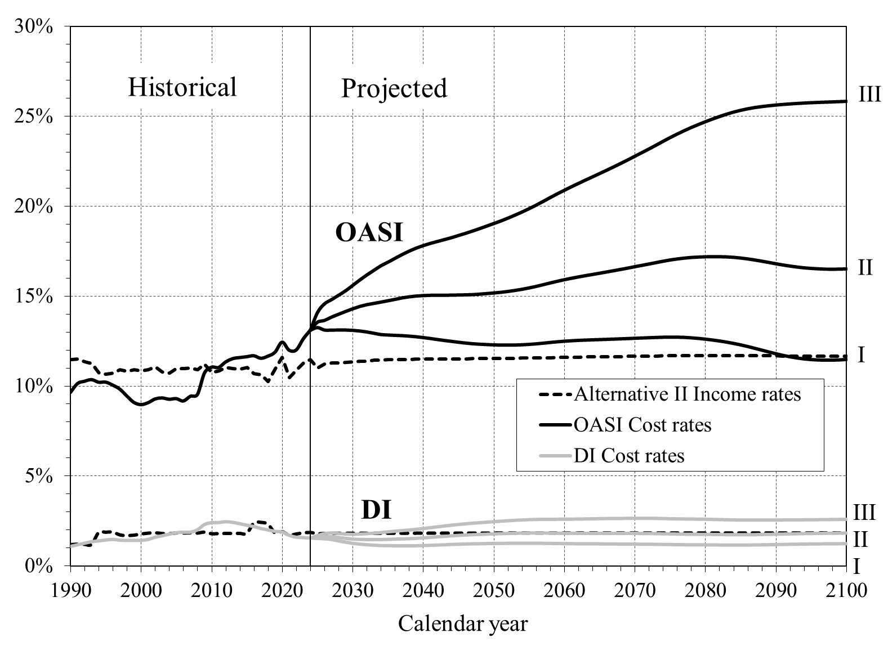
 |  |  |  |  |  |  |  |  | Long-Range OASI and DI Annual Income Rates and Cost Rates
 |  |  |  |  |  |  |  |  | [As a percentage of taxable payroll]
Calendar | OASI | OASI |  |  | DI | DI
year | Income Rates | Cost Rates |  |  | Income Rates | Cost Rates
 | (Alt. II only) | I | II | III | (Alt. II only) | I | II | III
1990 | 11.47% |  | 9.65% |  | 1.18% |  | 1.09%
1991 | 11.51% |  | 10.15% |  | 1.21% |  | 1.18%
1992 | 11.34% |  | 10.28% |  | 1.20% |  | 1.27%
1993 | 11.24% |  | 10.37% |  | 1.19% |  | 1.35%
1994 | 10.73% |  | 10.22% |  | 1.86% |  | 1.40%
1995 | 10.65% |  | 10.23% |  | 1.87% |  | 1.44%
1996 | 10.71% |  | 10.06% |  | 1.88% |  | 1.48%
1997 | 10.91% |  | 9.84% |  | 1.73% |  | 1.44%
1998 | 10.82% |  | 9.45% |  | 1.69% |  | 1.42%
1999 | 10.90% |  | 9.10% |  | 1.71% |  | 1.42%
2000 | 10.85% |  | 8.98% |  | 1.78% |  | 1.42%
2001 | 10.90% |  | 9.08% |  | 1.82% |  | 1.48%
2002 | 11.06% |  | 9.29% |  | 1.85% |  | 1.60%
2003 | 10.79% |  | 9.35% |  | 1.80% |  | 1.68%
2004 | 10.73% |  | 9.27% |  | 1.79% |  | 1.78%
2005 | 10.96% |  | 9.31% |  | 1.84% |  | 1.85%
2006 | 10.96% |  | 9.18% |  | 1.83% |  | 1.88%
2007 | 11.01% |  | 9.44% |  | 1.84% |  | 1.88%
2008 | 10.90% |  | 9.54% |  | 1.83% |  | 2.01%
2009 | 11.23% |  | 10.74% |  | 1.88% |  | 2.31%
2010 | 10.75% |  | 11.06% |  | 1.79% |  | 2.41%
2011 | 10.83% |  | 11.04% |  | 1.80% |  | 2.42%
2012 | 11.05% |  | 11.35% |  | 1.81% |  | 2.47%
2013 | 10.96% |  | 11.53% |  | 1.81% |  | 2.43%
2014 | 10.95% |  | 11.59% |  | 1.81% |  | 2.35%
2015 | 11.02% |  | 11.64% |  | 1.81% |  | 2.27%
2016 | 10.70% |  | 11.69% |  | 2.39% |  | 2.20%
2017 | 10.63% |  | 11.55% |  | 2.42% |  | 2.09%
2018 | 10.26% |  | 11.67% |  | 2.32% |  | 2.01%
2019 | 10.96% |  | 11.89% |  | 1.84% |  | 1.93%
2020 | 11.60% |  | 12.45% |  | 1.90% |  | 1.90%
2021 | 10.48% |  | 12.00% |  | 1.71% |  | 1.71%
2022 | 10.87% |  | 12.01% |  | 1.78% |  | 1.60%
2023 | 11.27% |  | 12.63% |  | 1.84% |  | 1.58%
2024 | 11.46% | 13.11% | 13.11% | 13.11% | 1.86% | 1.56% | 1.56% | 1.56%
2025 | 11.01% | 13.26% | 13.56% | 14.09% | 1.79% | 1.53% | 1.59% | 1.69%
2026 | 11.22% | 13.12% | 13.66% | 14.58% | 1.81% | 1.51% | 1.63% | 1.80%
2027 | 11.27% | 13.11% | 13.84% | 14.82% | 1.81% | 1.47% | 1.64% | 1.84%
2028 | 11.29% | 13.12% | 14.00% | 15.06% | 1.81% | 1.39% | 1.59% | 1.81%
2029 | 11.32% | 13.12% | 14.15% | 15.31% | 1.82% | 1.32% | 1.54% | 1.78%
2030 | 11.34% | 13.10% | 14.30% | 15.60% | 1.81% | 1.25% | 1.50% | 1.76%
2031 | 11.37% | 13.07% | 14.43% | 15.90% | 1.81% | 1.21% | 1.48% | 1.78%
2032 | 11.39% | 13.01% | 14.53% | 16.18% | 1.81% | 1.18% | 1.47% | 1.80%
2033 | 11.43% | 12.94% | 14.60% | 16.44% | 1.82% | 1.15% | 1.47% | 1.83%
2034 | 11.45% | 12.87% | 14.68% | 16.70% | 1.82% | 1.13% | 1.47% | 1.86%
2035 | 11.46% | 12.84% | 14.75% | 16.90% | 1.82% | 1.12% | 1.48% | 1.90%
2036 | 11.47% | 12.82% | 14.83% | 17.11% | 1.82% | 1.12% | 1.50% | 1.93%
2037 | 11.48% | 12.81% | 14.91% | 17.32% | 1.82% | 1.11% | 1.51% | 1.97%
2038 | 11.48% | 12.78% | 14.97% | 17.51% | 1.82% | 1.11% | 1.52% | 2.00%
2039 | 11.49% | 12.74% | 15.01% | 17.68% | 1.82% | 1.12% | 1.54% | 2.04%
2040 | 11.50% | 12.70% | 15.04% | 17.82% | 1.82% | 1.13% | 1.56% | 2.08%
2041 | 11.50% | 12.65% | 15.05% | 17.94% | 1.82% | 1.14% | 1.59% | 2.13%
2042 | 11.50% | 12.59% | 15.06% | 18.05% | 1.82% | 1.16% | 1.62% | 2.18%
2043 | 11.51% | 12.54% | 15.06% | 18.15% | 1.82% | 1.18% | 1.65% | 2.22%
2044 | 11.51% | 12.49% | 15.06% | 18.26% | 1.82% | 1.19% | 1.68% | 2.27%
2045 | 11.51% | 12.44% | 15.07% | 18.38% | 1.82% | 1.20% | 1.70% | 2.31%
2046 | 11.51% | 12.39% | 15.08% | 18.50% | 1.82% | 1.22% | 1.72% | 2.34%
2047 | 11.52% | 12.36% | 15.09% | 18.63% | 1.83% | 1.23% | 1.74% | 2.38%
2048 | 11.52% | 12.33% | 15.12% | 18.76% | 1.83% | 1.23% | 1.76% | 2.41%
2049 | 11.53% | 12.31% | 15.15% | 18.90% | 1.83% | 1.24% | 1.77% | 2.43%
2050 | 11.53% | 12.29% | 15.18% | 19.04% | 1.83% | 1.25% | 1.79% | 2.46%
2051 | 11.53% | 12.28% | 15.22% | 19.19% | 1.83% | 1.25% | 1.80% | 2.49%
2052 | 11.54% | 12.28% | 15.27% | 19.34% | 1.83% | 1.26% | 1.81% | 2.51%
2053 | 11.54% | 12.28% | 15.32% | 19.51% | 1.83% | 1.26% | 1.82% | 2.54%
2054 | 11.55% | 12.29% | 15.39% | 19.68% | 1.83% | 1.26% | 1.83% | 2.56%
2055 | 11.56% | 12.32% | 15.46% | 19.87% | 1.83% | 1.26% | 1.84% | 2.57%
2056 | 11.56% | 12.35% | 15.55% | 20.06% | 1.83% | 1.26% | 1.84% | 2.59%
2057 | 11.57% | 12.39% | 15.64% | 20.27% | 1.83% | 1.26% | 1.84% | 2.59%
2058 | 11.58% | 12.43% | 15.74% | 20.49% | 1.83% | 1.25% | 1.83% | 2.59%
2059 | 11.59% | 12.46% | 15.83% | 20.69% | 1.83% | 1.24% | 1.83% | 2.59%
2060 | 11.59% | 12.50% | 15.92% | 20.89% | 1.83% | 1.24% | 1.82% | 2.60%
2061 | 11.60% | 12.52% | 16.00% | 21.08% | 1.83% | 1.23% | 1.82% | 2.60%
2062 | 11.61% | 12.54% | 16.08% | 21.27% | 1.83% | 1.23% | 1.82% | 2.61%
2063 | 11.61% | 12.56% | 16.15% | 21.46% | 1.83% | 1.23% | 1.82% | 2.61%
2064 | 11.62% | 12.57% | 16.21% | 21.64% | 1.83% | 1.23% | 1.82% | 2.62%
2065 | 11.62% | 12.59% | 16.28% | 21.82% | 1.83% | 1.22% | 1.82% | 2.63%
2066 | 11.63% | 12.60% | 16.35% | 22.00% | 1.83% | 1.22% | 1.82% | 2.63%
2067 | 11.63% | 12.61% | 16.42% | 22.19% | 1.83% | 1.22% | 1.82% | 2.64%
2068 | 11.64% | 12.63% | 16.49% | 22.38% | 1.83% | 1.21% | 1.81% | 2.64%
2069 | 11.65% | 12.64% | 16.57% | 22.58% | 1.83% | 1.21% | 1.81% | 2.64%
2070 | 11.65% | 12.66% | 16.64% | 22.78% | 1.83% | 1.21% | 1.81% | 2.65%
2071 | 11.66% | 12.68% | 16.72% | 22.98% | 1.83% | 1.21% | 1.81% | 2.65%
2072 | 11.66% | 12.69% | 16.79% | 23.19% | 1.83% | 1.20% | 1.81% | 2.65%
2073 | 11.67% | 12.70% | 16.87% | 23.39% | 1.83% | 1.20% | 1.80% | 2.64%
2074 | 11.67% | 12.72% | 16.95% | 23.61% | 1.83% | 1.19% | 1.79% | 2.64%
2075 | 11.68% | 12.72% | 17.02% | 23.82% | 1.83% | 1.19% | 1.78% | 2.62%
2076 | 11.68% | 12.72% | 17.07% | 24.01% | 1.83% | 1.18% | 1.78% | 2.62%
2077 | 11.69% | 12.71% | 17.12% | 24.20% | 1.83% | 1.18% | 1.77% | 2.61%
2078 | 11.69% | 12.69% | 17.16% | 24.38% | 1.83% | 1.17% | 1.77% | 2.61%
2079 | 11.69% | 12.65% | 17.18% | 24.54% | 1.83% | 1.17% | 1.76% | 2.60%
2080 | 11.70% | 12.61% | 17.20% | 24.70% | 1.83% | 1.17% | 1.76% | 2.60%
2081 | 11.70% | 12.56% | 17.20% | 24.85% | 1.83% | 1.16% | 1.76% | 2.59%
2082 | 11.70% | 12.51% | 17.20% | 24.99% | 1.83% | 1.16% | 1.75% | 2.58%
2083 | 11.70% | 12.45% | 17.19% | 25.12% | 1.83% | 1.16% | 1.75% | 2.57%
2084 | 11.70% | 12.37% | 17.17% | 25.24% | 1.83% | 1.16% | 1.74% | 2.56%
2085 | 11.69% | 12.29% | 17.13% | 25.33% | 1.83% | 1.16% | 1.74% | 2.55%
2086 | 11.69% | 12.20% | 17.08% | 25.42% | 1.83% | 1.16% | 1.74% | 2.55%
2087 | 11.69% | 12.10% | 17.02% | 25.49% | 1.83% | 1.16% | 1.75% | 2.55%
2088 | 11.68% | 12.00% | 16.95% | 25.54% | 1.83% | 1.17% | 1.75% | 2.55%
2089 | 11.68% | 11.90% | 16.88% | 25.59% | 1.83% | 1.18% | 1.76% | 2.55%
2090 | 11.68% | 11.80% | 16.81% | 25.63% | 1.83% | 1.18% | 1.77% | 2.55%
2091 | 11.67% | 11.71% | 16.74% | 25.66% | 1.83% | 1.19% | 1.78% | 2.56%
2092 | 11.67% | 11.63% | 16.68% | 25.69% | 1.83% | 1.20% | 1.79% | 2.56%
2093 | 11.66% | 11.56% | 16.63% | 25.71% | 1.83% | 1.21% | 1.79% | 2.56%
2094 | 11.66% | 11.51% | 16.58% | 25.74% | 1.83% | 1.21% | 1.80% | 2.56%
2095 | 11.66% | 11.47% | 16.55% | 25.76% | 1.83% | 1.22% | 1.81% | 2.57%
2096 | 11.66% | 11.45% | 16.53% | 25.77% | 1.83% | 1.22% | 1.81% | 2.57%
2097 | 11.66% | 11.44% | 16.51% | 25.79% | 1.84% | 1.23% | 1.82% | 2.58%
2098 | 11.66% | 11.44% | 16.50% | 25.80% | 1.84% | 1.23% | 1.82% | 2.58%
2099 | 11.66% | 11.45% | 16.51% | 25.82% | 1.84% | 1.23% | 1.83% | 2.59%
2100 | 11.66% | 11.48% | 16.52% | 25.83% | 1.84% | 1.23% | 1.83% | 2.59%

IV.B2
Back to TOC

 |  |  |  | Number of OASDI Beneficiaries Per 100 Covered Workers

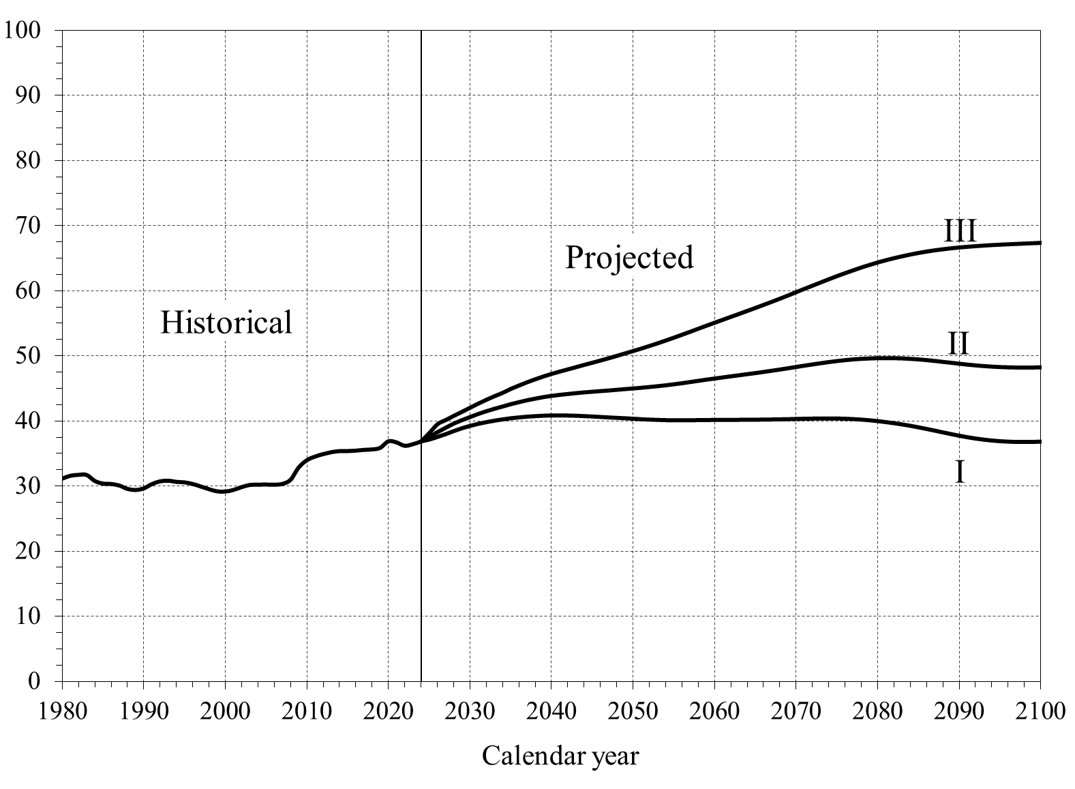
Calendar
year | Beneficiaries per 100 workers
 | I | II | III
1980 |  | 31.17
1981 |  | 31.62
1982 |  | 31.76
1983 |  | 31.75
1984 |  | 30.82
1985 |  | 30.42
1986 |  | 30.36
1987 |  | 30.12
1988 |  | 29.60
1989 |  | 29.43
1990 |  | 29.67
1991 |  | 30.33
1992 |  | 30.76
1993 |  | 30.86
1994 |  | 30.68
1995 |  | 30.61
1996 |  | 30.36
1997 |  | 29.97
1998 |  | 29.56
1999 |  | 29.22
2000 |  | 29.19
2001 |  | 29.44
2002 |  | 29.88
2003 |  | 30.20
2004 |  | 30.25
2005 |  | 30.27
2006 |  | 30.24
2007 |  | 30.37
2008 |  | 30.99
2009 |  | 32.89
2010 |  | 34.00
2011 |  | 34.56
2012 |  | 34.95
2013 |  | 35.25
2014 |  | 35.41
2015 |  | 35.42
2016 |  | 35.48
2017 |  | 35.60
2018 |  | 35.67
2019 |  | 35.91
2020 |  | 36.91
2021 |  | 36.74
2022 |  | 36.23
2023 |  | 36.47
2024 | 36.90 | 36.90 | 36.90
2025 | 37.16 | 37.56 | 38.19
2026 | 37.56 | 38.32 | 39.54
2027 | 37.99 | 38.98 | 40.17
2028 | 38.46 | 39.63 | 40.81
2029 | 38.90 | 40.16 | 41.43
2030 | 39.26 | 40.65 | 42.07
2031 | 39.57 | 41.12 | 42.69
2032 | 39.83 | 41.54 | 43.28
2033 | 40.06 | 41.91 | 43.83
2034 | 40.25 | 42.26 | 44.35
2035 | 40.43 | 42.62 | 44.96
2036 | 40.55 | 42.93 | 45.47
2037 | 40.67 | 43.22 | 45.97
2038 | 40.75 | 43.47 | 46.42
2039 | 40.82 | 43.71 | 46.86
2040 | 40.85 | 43.90 | 47.25
2041 | 40.85 | 44.06 | 47.61
2042 | 40.83 | 44.19 | 47.94
2043 | 40.80 | 44.32 | 48.28
2044 | 40.75 | 44.44 | 48.63
2045 | 40.69 | 44.54 | 48.97
2046 | 40.62 | 44.63 | 49.30
2047 | 40.55 | 44.73 | 49.65
2048 | 40.48 | 44.83 | 50.01
2049 | 40.42 | 44.94 | 50.39
2050 | 40.35 | 45.04 | 50.76
2051 | 40.27 | 45.14 | 51.13
2052 | 40.21 | 45.26 | 51.53
2053 | 40.17 | 45.39 | 51.94
2054 | 40.13 | 45.53 | 52.37
2055 | 40.11 | 45.68 | 52.81
2056 | 40.11 | 45.85 | 53.26
2057 | 40.12 | 46.03 | 53.72
2058 | 40.14 | 46.21 | 54.19
2059 | 40.15 | 46.39 | 54.65
2060 | 40.16 | 46.57 | 55.10
2061 | 40.17 | 46.74 | 55.55
2062 | 40.18 | 46.90 | 56.00
2063 | 40.18 | 47.07 | 56.46
2064 | 40.19 | 47.24 | 56.92
2065 | 40.20 | 47.41 | 57.37
2066 | 40.21 | 47.58 | 57.83
2067 | 40.23 | 47.77 | 58.31
2068 | 40.25 | 47.95 | 58.79
2069 | 40.28 | 48.15 | 59.28
2070 | 40.32 | 48.35 | 59.79
2071 | 40.34 | 48.55 | 60.29
2072 | 40.37 | 48.74 | 60.79
2073 | 40.38 | 48.92 | 61.28
2074 | 40.39 | 49.10 | 61.77
2075 | 40.38 | 49.25 | 62.24
2076 | 40.34 | 49.39 | 62.70
2077 | 40.29 | 49.50 | 63.15
2078 | 40.21 | 49.59 | 63.57
2079 | 40.11 | 49.65 | 63.97
2080 | 39.98 | 49.69 | 64.34
2081 | 39.83 | 49.70 | 64.68
2082 | 39.66 | 49.69 | 65.00
2083 | 39.47 | 49.65 | 65.29
2084 | 39.26 | 49.59 | 65.56
2085 | 39.02 | 49.50 | 65.80
2086 | 38.77 | 49.39 | 66.02
2087 | 38.51 | 49.27 | 66.20
2088 | 38.25 | 49.12 | 66.36
2089 | 37.98 | 48.98 | 66.51
2090 | 37.73 | 48.84 | 66.63
2091 | 37.51 | 48.70 | 66.74
2092 | 37.30 | 48.58 | 66.83
2093 | 37.14 | 48.48 | 66.92
2094 | 37.00 | 48.40 | 67.00
2095 | 36.90 | 48.33 | 67.07
2096 | 36.83 | 48.28 | 67.13
2097 | 36.79 | 48.26 | 67.18
2098 | 36.78 | 48.25 | 67.23
2099 | 36.79 | 48.26 | 67.29
2100 | 36.83 | 48.29 | 67.34

V.C1
Back to TOC

 |  | Primary-Insurance-Amount Formula for Those Newly Eligible in 2025


AIME | PIA
$0 | $0
$613 | $552
$1,226 | $1,103
$4,309 | $2,090
$7,391 | $3,076
$8,196 | $3,197
$9,000 | $3,318

V.C2
Back to TOC

 |  | OASI Maximum-Family-Benefit Formula for Those Newly Eligible in 2025


 | Maximum Family Benefit
PIA
$0 | $0
$784 | $1,175
$1,567 | $2,351
$1,915 | $3,296
$2,262 | $4,241
$2,606 | $4,702
$2,950 | $5,163
$3,225 | $5,644
$3,500 | $6,125

V.C3
Back to TOC

 |  |  |  |  |  |  |  |  |  | DI Disability Incidence Rates, 1970-2100
 |  |  |  |  |  |  |  |  |  | [Awards per thousand disability-exposed]
Calendar year | Historical incidence rates |  | Calendar year | Projected incidence rates
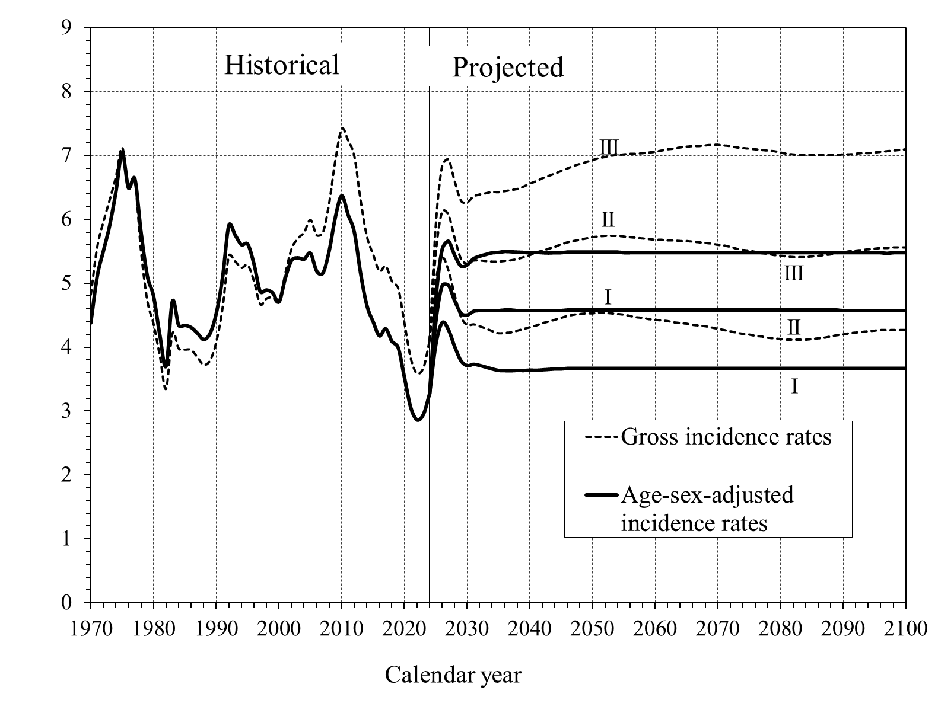
 | Gross rates | Age-sex-adjusted rates |  | Gross rates |  |  | Age-sex-adjusted rates
1970 | 4.8 | 4.4 |  | I | II | III | I | II | III
1971 | 5.6 | 5.1 | 2025 | 5.0 | 5.5 | 5.9 | 4.0 | 4.4 | 4.7
1972 | 6.0 | 5.5 | 2026 | 5.4 | 6.1 | 6.8 | 4.4 | 5.0 | 5.5
1973 | 6.3 | 5.9 | 2027 | 5.2 | 6.1 | 6.9 | 4.3 | 5.0 | 5.7
1974 | 6.7 | 6.4 | 2028 | 4.8 | 5.7 | 6.6 | 4.0 | 4.7 | 5.4
1975 | 7.1 | 7.0 | 2029 | 4.5 | 5.4 | 6.3 | 3.8 | 4.5 | 5.3
1976 | 6.5 | 6.5 | 2030 | 4.3 | 5.3 | 6.3 | 3.7 | 4.5 | 5.3
1977 | 6.6 | 6.6 | 2031 | 4.4 | 5.4 | 6.4 | 3.7 | 4.6 | 5.4
1978 | 5.5 | 5.8 | 2032 | 4.3 | 5.4 | 6.4 | 3.7 | 4.6 | 5.4
1979 | 4.7 | 5.1 | 2033 | 4.3 | 5.3 | 6.4 | 3.7 | 4.6 | 5.5
1980 | 4.4 | 4.8 | 2034 | 4.3 | 5.3 | 6.4 | 3.7 | 4.6 | 5.5
1981 | 3.9 | 4.2 | 2035 | 4.2 | 5.3 | 6.4 | 3.6 | 4.6 | 5.5
1982 | 3.4 | 3.7 | 2036 | 4.2 | 5.3 | 6.4 | 3.6 | 4.6 | 5.5
1983 | 4.2 | 4.7 | 2037 | 4.2 | 5.4 | 6.5 | 3.6 | 4.6 | 5.5
1984 | 4.0 | 4.3 | 2038 | 4.3 | 5.4 | 6.5 | 3.6 | 4.6 | 5.5
1985 | 4.0 | 4.3 | 2039 | 4.3 | 5.4 | 6.5 | 3.6 | 4.6 | 5.5
1986 | 4.0 | 4.3 | 2040 | 4.3 | 5.4 | 6.6 | 3.6 | 4.6 | 5.5
1987 | 3.8 | 4.2 | 2041 | 4.3 | 5.5 | 6.6 | 3.6 | 4.6 | 5.5
1988 | 3.7 | 4.1 | 2042 | 4.4 | 5.5 | 6.6 | 3.6 | 4.6 | 5.5
1989 | 3.8 | 4.2 | 2043 | 4.4 | 5.5 | 6.7 | 3.7 | 4.6 | 5.5
1990 | 4.1 | 4.5 | 2044 | 4.4 | 5.6 | 6.7 | 3.7 | 4.6 | 5.5
1991 | 4.6 | 5.1 | 2045 | 4.5 | 5.6 | 6.8 | 3.7 | 4.6 | 5.5
1992 | 5.4 | 5.9 | 2046 | 4.5 | 5.6 | 6.8 | 3.7 | 4.6 | 5.5
1993 | 5.3 | 5.8 | 2047 | 4.5 | 5.7 | 6.8 | 3.7 | 4.6 | 5.5
1994 | 5.2 | 5.6 | 2048 | 4.5 | 5.7 | 6.9 | 3.7 | 4.6 | 5.5
1995 | 5.3 | 5.6 | 2049 | 4.5 | 5.7 | 6.9 | 3.7 | 4.6 | 5.5
1996 | 5.0 | 5.3 | 2050 | 4.5 | 5.7 | 6.9 | 3.7 | 4.6 | 5.5
1997 | 4.7 | 4.9 | 2051 | 4.5 | 5.7 | 7.0 | 3.7 | 4.6 | 5.5
1998 | 4.8 | 4.9 | 2052 | 4.5 | 5.7 | 7.0 | 3.7 | 4.6 | 5.5
1999 | 4.8 | 4.8 | 2053 | 4.5 | 5.7 | 7.0 | 3.7 | 4.6 | 5.5
2000 | 4.7 | 4.7 | 2054 | 4.5 | 5.7 | 7.0 | 3.7 | 4.6 | 5.5
2001 | 5.2 | 5.1 | 2055 | 4.5 | 5.7 | 7.0 | 3.7 | 4.6 | 5.5
2002 | 5.5 | 5.4 | 2056 | 4.5 | 5.7 | 7.0 | 3.7 | 4.6 | 5.5
2003 | 5.7 | 5.4 | 2057 | 4.5 | 5.7 | 7.0 | 3.7 | 4.6 | 5.5
2004 | 5.8 | 5.4 | 2058 | 4.5 | 5.7 | 7.0 | 3.7 | 4.6 | 5.5
2005 | 6.0 | 5.5 | 2059 | 4.4 | 5.7 | 7.1 | 3.7 | 4.6 | 5.5
2006 | 5.8 | 5.2 | 2060 | 4.4 | 5.7 | 7.1 | 3.7 | 4.6 | 5.5
2007 | 5.8 | 5.2 | 2061 | 4.4 | 5.7 | 7.1 | 3.7 | 4.6 | 5.5
2008 | 6.3 | 5.5 | 2062 | 4.4 | 5.7 | 7.1 | 3.7 | 4.6 | 5.5
2009 | 6.9 | 6.0 | 2063 | 4.4 | 5.7 | 7.1 | 3.7 | 4.6 | 5.5
2010 | 7.4 | 6.4 | 2064 | 4.4 | 5.7 | 7.1 | 3.7 | 4.6 | 5.5
2011 | 7.2 | 6.1 | 2065 | 4.4 | 5.7 | 7.1 | 3.7 | 4.6 | 5.5
2012 | 7.0 | 5.8 | 2066 | 4.4 | 5.7 | 7.2 | 3.7 | 4.6 | 5.5
2013 | 6.3 | 5.2 | 2067 | 4.3 | 5.6 | 7.2 | 3.7 | 4.6 | 5.5
2014 | 5.7 | 4.7 | 2068 | 4.3 | 5.6 | 7.2 | 3.7 | 4.6 | 5.5
2015 | 5.5 | 4.4 | 2069 | 4.3 | 5.6 | 7.2 | 3.7 | 4.6 | 5.5
2016 | 5.2 | 4.2 | 2070 | 4.3 | 5.6 | 7.2 | 3.7 | 4.6 | 5.5
2017 | 5.3 | 4.3 | 2071 | 4.3 | 5.6 | 7.2 | 3.7 | 4.6 | 5.5
2018 | 5.0 | 4.1 | 2072 | 4.3 | 5.6 | 7.2 | 3.7 | 4.6 | 5.5
2019 | 4.9 | 4.0 | 2073 | 4.2 | 5.5 | 7.1 | 3.7 | 4.6 | 5.5
2020 | 4.4 | 3.5 | 2074 | 4.2 | 5.5 | 7.1 | 3.7 | 4.6 | 5.5
2021 | 3.8 | 3.0 | 2075 | 4.2 | 5.5 | 7.1 | 3.7 | 4.6 | 5.5
2022 | 3.6 | 2.9 | 2076 | 4.2 | 5.5 | 7.1 | 3.7 | 4.6 | 5.5
2023 | 3.7 | 2.9 | 2077 | 4.2 | 5.5 | 7.1 | 3.7 | 4.6 | 5.5
2024 | 4.1 | 3.3 | 2078 | 4.2 | 5.5 | 7.1 | 3.7 | 4.6 | 5.5
 |  |  | 2079 | 4.1 | 5.4 | 7.1 | 3.7 | 4.6 | 5.5
 |  |  | 2080 | 4.1 | 5.4 | 7.1 | 3.7 | 4.6 | 5.5
 |  |  | 2081 | 4.1 | 5.4 | 7.0 | 3.7 | 4.6 | 5.5
 |  |  | 2082 | 4.1 | 5.4 | 7.0 | 3.7 | 4.6 | 5.5
 |  |  | 2083 | 4.1 | 5.4 | 7.0 | 3.7 | 4.6 | 5.5
 |  |  | 2084 | 4.1 | 5.4 | 7.0 | 3.7 | 4.6 | 5.5
 |  |  | 2085 | 4.1 | 5.4 | 7.0 | 3.7 | 4.6 | 5.5
 |  |  | 2086 | 4.1 | 5.4 | 7.0 | 3.7 | 4.6 | 5.5
 |  |  | 2087 | 4.2 | 5.4 | 7.0 | 3.7 | 4.6 | 5.5
 |  |  | 2088 | 4.2 | 5.5 | 7.0 | 3.7 | 4.6 | 5.5
 |  |  | 2089 | 4.2 | 5.5 | 7.0 | 3.7 | 4.6 | 5.5
 |  |  | 2090 | 4.2 | 5.5 | 7.0 | 3.7 | 4.6 | 5.5
 |  |  | 2091 | 4.2 | 5.5 | 7.0 | 3.7 | 4.6 | 5.5
 |  |  | 2092 | 4.2 | 5.5 | 7.0 | 3.7 | 4.6 | 5.5
 |  |  | 2093 | 4.2 | 5.5 | 7.0 | 3.7 | 4.6 | 5.5
 |  |  | 2094 | 4.3 | 5.5 | 7.0 | 3.7 | 4.6 | 5.5
 |  |  | 2095 | 4.3 | 5.5 | 7.1 | 3.7 | 4.6 | 5.5
 |  |  | 2096 | 4.3 | 5.6 | 7.1 | 3.7 | 4.6 | 5.5
 |  |  | 2097 | 4.3 | 5.6 | 7.1 | 3.7 | 4.6 | 5.5
 |  |  | 2098 | 4.3 | 5.6 | 7.1 | 3.7 | 4.6 | 5.5
 |  |  | 2099 | 4.3 | 5.6 | 7.1 | 3.7 | 4.6 | 5.5
 |  |  | 2100 | 4.3 | 5.6 | 7.1 | 3.7 | 4.6 | 5.5

V.C4
Back to TOC

 |  |  |  |  |  |  |  |  |  | DI Disability Termination Rates, 1970-2100
 |  |  |  |  |  |  |  |  |  | [Terminations per thousand disabled-worker beneficiaries]
Calendar year | Historical termination rates |  | Calendar year | Projected termination rates
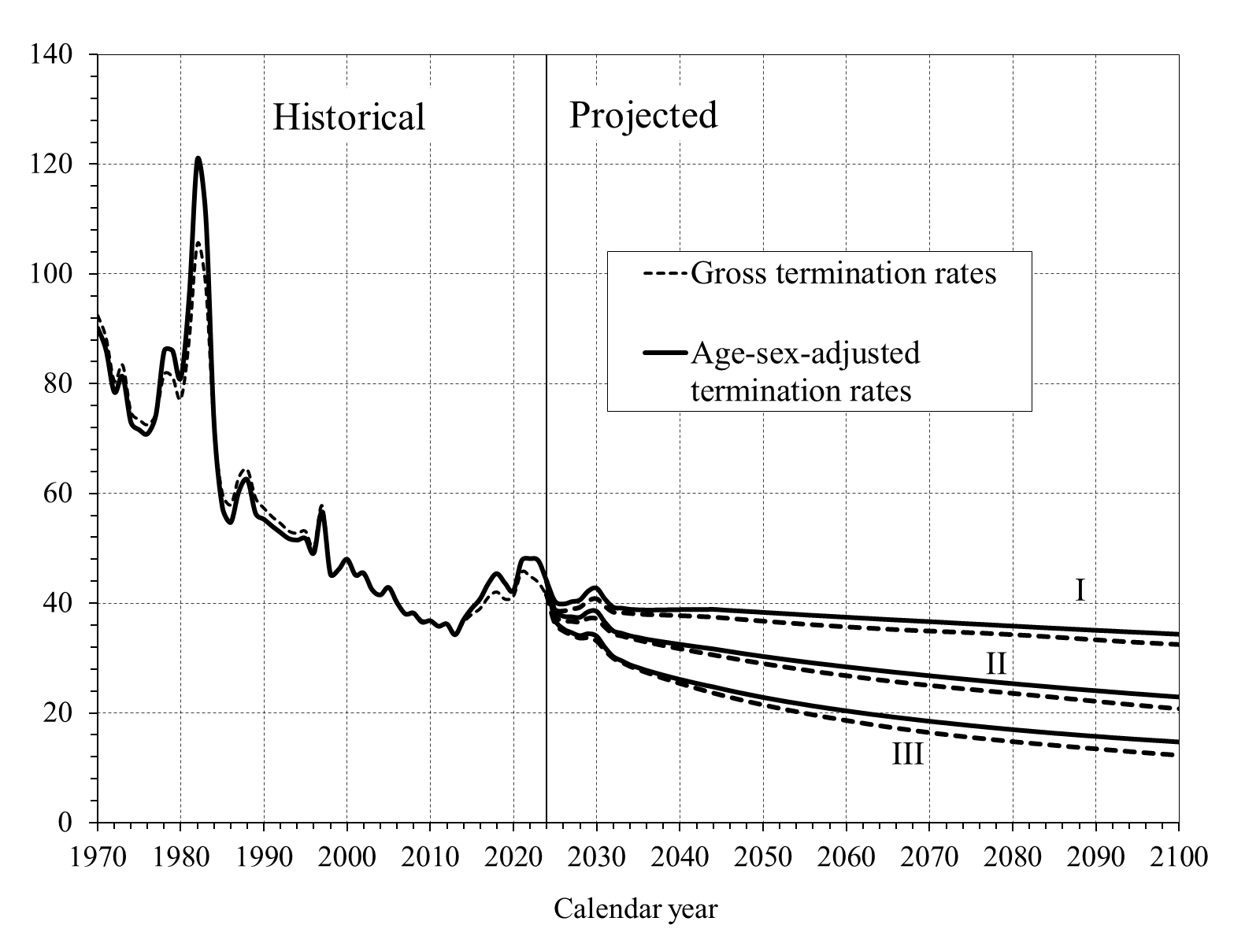
 | Gross rates | Age-sex-adjusted rates |  | Gross rates |  |  | Age-sex-adjusted rates
1970 | 92.51 | 90.17 |  | I | II | III | I | II | III
1971 | 88.42 | 86.19 | 2025 | 38.81 | 37.58 | 36.28 | 40.42 | 38.79 | 37.09
1972 | 80.53 | 78.50 | 2026 | 38.55 | 36.80 | 34.92 | 39.91 | 37.71 | 35.39
1973 | 83.41 | 81.30 | 2027 | 38.91 | 36.66 | 34.22 | 40.33 | 37.59 | 34.67
1974 | 74.86 | 72.97 | 2028 | 39.20 | 36.55 | 33.62 | 40.66 | 37.50 | 34.11
1975 | 73.47 | 71.62 | 2029 | 40.38 | 37.19 | 33.66 | 42.28 | 38.51 | 34.46
1976 | 72.58 | 70.91 | 2030 | 40.77 | 37.13 | 33.10 | 42.82 | 38.59 | 34.02
1977 | 74.53 | 74.36 | 2031 | 39.41 | 35.64 | 31.43 | 40.84 | 36.60 | 31.97
1978 | 81.78 | 86.03 | 2032 | 38.33 | 34.40 | 29.97 | 39.33 | 35.03 | 30.28
1979 | 81.23 | 86.03 | 2033 | 38.24 | 34.02 | 29.24 | 39.16 | 34.60 | 29.54
1980 | 77.31 | 81.14 | 2034 | 38.10 | 33.60 | 28.49 | 38.94 | 34.13 | 28.77
1981 | 87.94 | 95.91 | 2035 | 37.99 | 33.25 | 27.92 | 38.86 | 33.82 | 28.26
1982 | 105.59 | 120.95 | 2036 | 37.90 | 32.90 | 27.35 | 38.81 | 33.50 | 27.75
1983 | 97.69 | 110.58 | 2037 | 37.84 | 32.58 | 26.83 | 38.81 | 33.25 | 27.31
1984 | 72.13 | 72.75 | 2038 | 37.80 | 32.27 | 26.33 | 38.84 | 33.01 | 26.88
1985 | 59.94 | 57.48 | 2039 | 37.75 | 31.98 | 25.85 | 38.86 | 32.78 | 26.48
1986 | 57.95 | 54.74 | 2040 | 37.70 | 31.69 | 25.38 | 38.88 | 32.57 | 26.11
1987 | 63.08 | 60.51 | 2041 | 37.64 | 31.41 | 24.93 | 38.90 | 32.35 | 25.74
1988 | 64.36 | 62.51 | 2042 | 37.57 | 31.12 | 24.49 | 38.91 | 32.13 | 25.39
1989 | 59.19 | 56.37 | 2043 | 37.50 | 30.85 | 24.06 | 38.91 | 31.94 | 25.05
1990 | 57.34 | 55.32 | 2044 | 37.43 | 30.57 | 23.64 | 38.93 | 31.74 | 24.74
1991 | 55.77 | 54.04 | 2045 | 37.31 | 30.29 | 23.25 | 38.84 | 31.50 | 24.39
1992 | 54.58 | 52.89 | 2046 | 37.18 | 30.03 | 22.87 | 38.74 | 31.26 | 24.05
1993 | 53.17 | 51.79 | 2047 | 37.06 | 29.75 | 22.50 | 38.66 | 31.02 | 23.72
1994 | 52.78 | 51.52 | 2048 | 36.94 | 29.49 | 22.15 | 38.56 | 30.80 | 23.41
1995 | 53.15 | 51.82 | 2049 | 36.82 | 29.24 | 21.81 | 38.48 | 30.58 | 23.10
1996 | 50.12 | 49.18 | 2050 | 36.70 | 28.99 | 21.48 | 38.38 | 30.36 | 22.81
1997 | 57.82 | 56.67 | 2051 | 36.58 | 28.75 | 21.16 | 38.29 | 30.16 | 22.53
1998 | 45.51 | 45.30 | 2052 | 36.47 | 28.52 | 20.85 | 38.20 | 29.95 | 22.26
1999 | 46.32 | 46.19 | 2053 | 36.36 | 28.29 | 20.54 | 38.11 | 29.75 | 21.99
2000 | 48.04 | 48.04 | 2054 | 36.25 | 28.06 | 20.25 | 38.02 | 29.56 | 21.74
2001 | 45.04 | 45.17 | 2055 | 36.14 | 27.84 | 19.96 | 37.92 | 29.36 | 21.49
2002 | 45.26 | 45.50 | 2056 | 36.04 | 27.62 | 19.68 | 37.83 | 29.17 | 21.24
2003 | 42.44 | 42.49 | 2057 | 35.94 | 27.40 | 19.40 | 37.75 | 28.99 | 21.01
2004 | 41.61 | 41.53 | 2058 | 35.84 | 27.20 | 19.14 | 37.67 | 28.82 | 20.78
2005 | 42.97 | 42.90 | 2059 | 35.74 | 26.99 | 18.89 | 37.58 | 28.63 | 20.56
2006 | 40.02 | 40.14 | 2060 | 35.65 | 26.80 | 18.64 | 37.50 | 28.46 | 20.35
2007 | 38.17 | 38.08 | 2061 | 35.56 | 26.60 | 18.39 | 37.41 | 28.29 | 20.13
2008 | 38.40 | 38.18 | 2062 | 35.47 | 26.41 | 18.15 | 37.33 | 28.12 | 19.92
2009 | 36.90 | 36.58 | 2063 | 35.39 | 26.22 | 17.91 | 37.25 | 27.95 | 19.72
2010 | 36.92 | 36.82 | 2064 | 35.31 | 26.03 | 17.69 | 37.16 | 27.78 | 19.53
2011 | 35.94 | 35.82 | 2065 | 35.22 | 25.86 | 17.46 | 37.08 | 27.62 | 19.34
2012 | 36.34 | 36.24 | 2066 | 35.15 | 25.68 | 17.25 | 37.00 | 27.46 | 19.15
2013 | 34.50 | 34.27 | 2067 | 35.08 | 25.52 | 17.04 | 36.92 | 27.31 | 18.97
2014 | 36.54 | 36.99 | 2068 | 35.01 | 25.35 | 16.84 | 36.84 | 27.15 | 18.79
2015 | 38.01 | 39.08 | 2069 | 34.95 | 25.19 | 16.64 | 36.76 | 26.99 | 18.61
2016 | 39.06 | 40.80 | 2070 | 34.89 | 25.03 | 16.44 | 36.69 | 26.84 | 18.44
2017 | 41.14 | 43.63 | 2071 | 34.83 | 24.88 | 16.25 | 36.61 | 26.69 | 18.27
2018 | 42.10 | 45.41 | 2072 | 34.77 | 24.72 | 16.08 | 36.53 | 26.54 | 18.12
2019 | 40.78 | 43.66 | 2073 | 34.70 | 24.57 | 15.90 | 36.44 | 26.39 | 17.95
2020 | 41.30 | 42.28 | 2074 | 34.65 | 24.43 | 15.73 | 36.36 | 26.25 | 17.80
2021 | 45.72 | 47.78 | 2075 | 34.59 | 24.29 | 15.57 | 36.28 | 26.10 | 17.64
2022 | 44.96 | 48.14 | 2076 | 34.53 | 24.16 | 15.41 | 36.20 | 25.96 | 17.49
2023 | 43.84 | 47.77 | 2077 | 34.46 | 24.02 | 15.26 | 36.12 | 25.82 | 17.34
2024 | 41.54 | 44.10 | 2078 | 34.39 | 23.87 | 15.10 | 36.04 | 25.67 | 17.19
 |  |  | 2079 | 34.31 | 23.73 | 14.95 | 35.95 | 25.54 | 17.05
 |  |  | 2080 | 34.23 | 23.59 | 14.80 | 35.88 | 25.40 | 16.91
 |  |  | 2081 | 34.15 | 23.44 | 14.66 | 35.80 | 25.26 | 16.77
 |  |  | 2082 | 34.06 | 23.30 | 14.52 | 35.72 | 25.13 | 16.64
 |  |  | 2083 | 33.97 | 23.16 | 14.39 | 35.64 | 25.00 | 16.51
 |  |  | 2084 | 33.88 | 23.02 | 14.26 | 35.56 | 24.87 | 16.38
 |  |  | 2085 | 33.78 | 22.88 | 14.13 | 35.48 | 24.74 | 16.25
 |  |  | 2086 | 33.69 | 22.73 | 14.00 | 35.41 | 24.61 | 16.14
 |  |  | 2087 | 33.59 | 22.58 | 13.87 | 35.33 | 24.48 | 16.01
 |  |  | 2088 | 33.49 | 22.44 | 13.74 | 35.26 | 24.35 | 15.90
 |  |  | 2089 | 33.39 | 22.29 | 13.61 | 35.18 | 24.23 | 15.78
 |  |  | 2090 | 33.29 | 22.14 | 13.49 | 35.10 | 24.11 | 15.67
 |  |  | 2091 | 33.19 | 22.00 | 13.36 | 35.03 | 23.99 | 15.56
 |  |  | 2092 | 33.10 | 21.85 | 13.24 | 34.96 | 23.87 | 15.44
 |  |  | 2093 | 33.00 | 21.71 | 13.12 | 34.88 | 23.75 | 15.34
 |  |  | 2094 | 32.91 | 21.57 | 13.00 | 34.81 | 23.63 | 15.23
 |  |  | 2095 | 32.83 | 21.43 | 12.88 | 34.74 | 23.52 | 15.13
 |  |  | 2096 | 32.75 | 21.30 | 12.77 | 34.67 | 23.41 | 15.03
 |  |  | 2097 | 32.67 | 21.17 | 12.65 | 34.60 | 23.29 | 14.93
 |  |  | 2098 | 32.59 | 21.04 | 12.54 | 34.52 | 23.18 | 14.84
 |  |  | 2099 | 32.51 | 20.91 | 12.43 | 34.45 | 23.07 | 14.74
 |  |  | 2100 | 32.44 | 20.79 | 12.31 | 34.38 | 22.96 | 14.64

V.C5
Back to TOC

 |  |  |  |  |  |  |  |  |  | DI Disability Prevalence Rates, 1970-2100
 |  |  |  |  |  |  |  |  |  | [Rate per thousand persons insured for disability benefits]
Calendar year | Historical prevalence rates |  | Calendar year | Projected prevalence rates
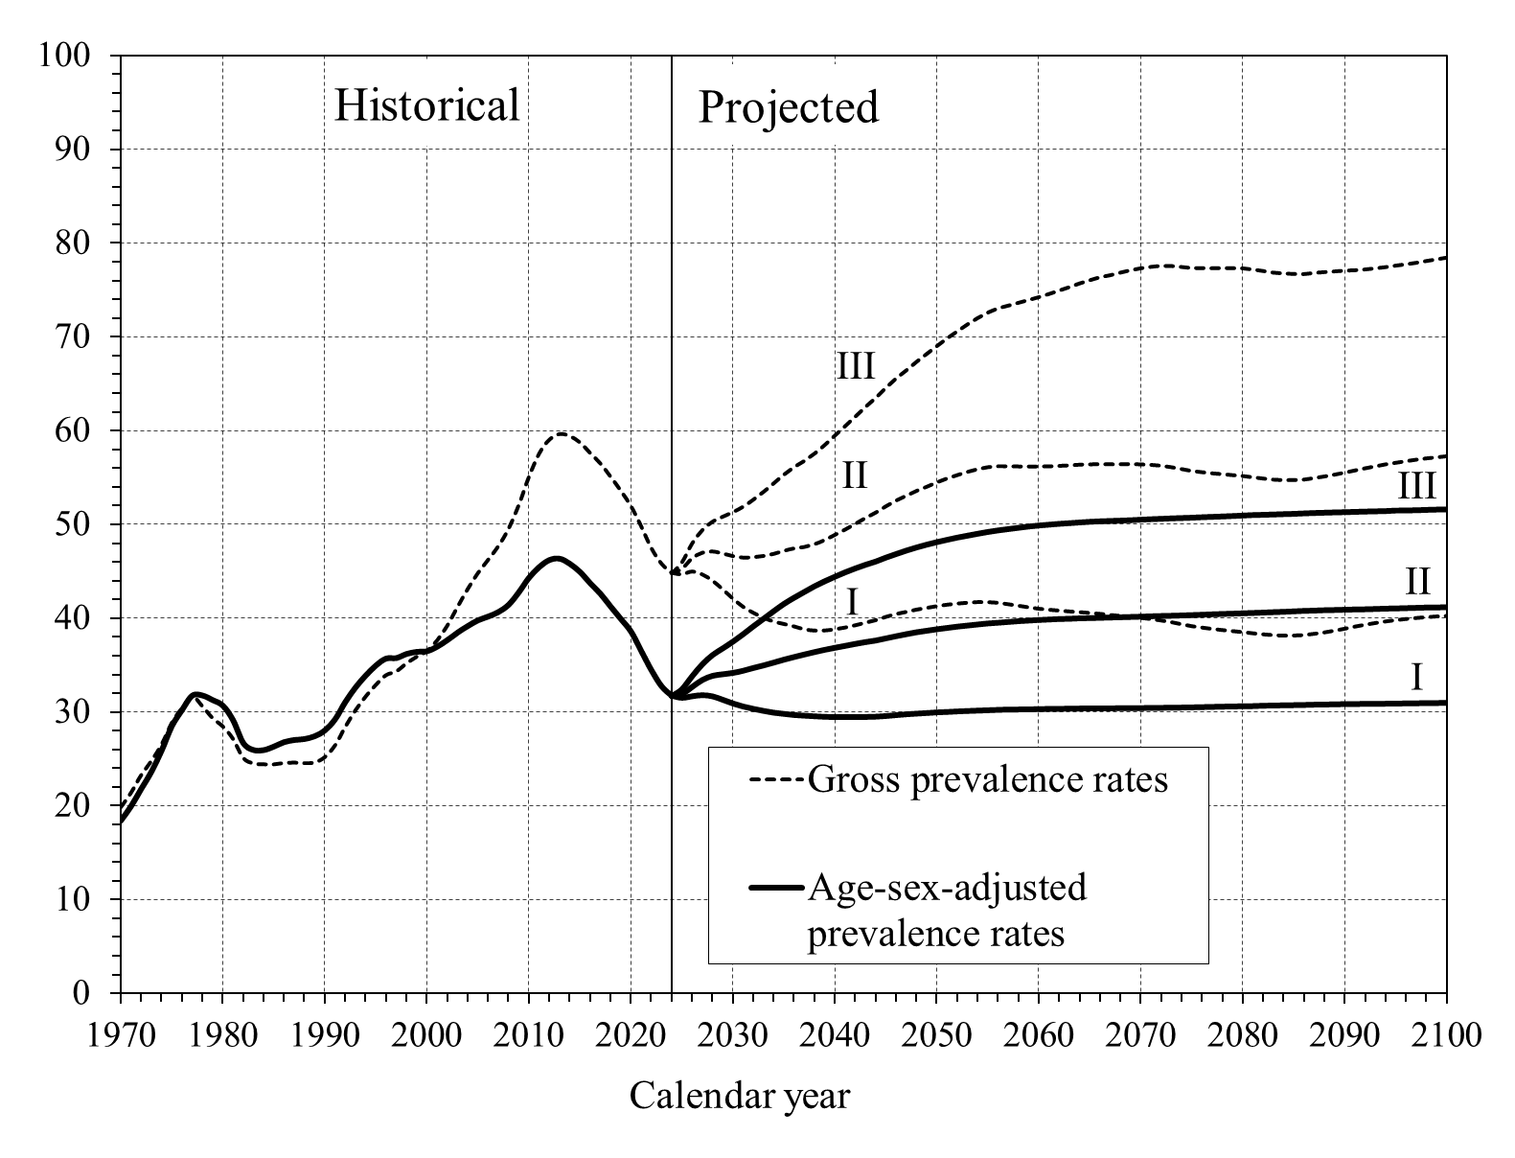
 | Gross rates | Age-sex-adjusted rates |  | Gross rates |  |  | Age-sex-adjusted rates
1970 | 19.79 | 18.42 |  | I | II | III | I | II | III
1971 | 21.36 | 19.97 | 2025 | 44.65 | 45.30 | 45.99 | 31.51 | 31.95 | 32.47
1972 | 23.24 | 21.81 | 2026 | 44.94 | 46.42 | 48.00 | 31.68 | 32.71 | 33.85
1973 | 24.76 | 23.65 | 2027 | 44.62 | 47.00 | 49.42 | 31.79 | 33.45 | 35.12
1974 | 26.52 | 25.90 | 2028 | 43.97 | 47.13 | 50.32 | 31.67 | 33.89 | 36.10
1975 | 28.82 | 28.49 | 2029 | 43.05 | 46.91 | 50.85 | 31.31 | 34.06 | 36.81
1976 | 30.40 | 30.22 | 2030 | 42.07 | 46.64 | 51.33 | 30.92 | 34.20 | 37.53
1977 | 31.60 | 31.74 | 2031 | 41.21 | 46.48 | 51.91 | 30.60 | 34.43 | 38.32
1978 | 30.57 | 31.76 | 2032 | 40.58 | 46.53 | 52.66 | 30.37 | 34.73 | 39.15
1979 | 29.31 | 31.27 | 2033 | 40.07 | 46.66 | 53.50 | 30.15 | 35.00 | 39.96
1980 | 28.42 | 30.68 | 2034 | 39.67 | 46.88 | 54.41 | 29.97 | 35.30 | 40.77
1981 | 27.08 | 29.13 | 2035 | 39.41 | 47.20 | 55.33 | 29.84 | 35.62 | 41.54
1982 | 25.06 | 26.69 | 2036 | 39.15 | 47.47 | 56.14 | 29.72 | 35.89 | 42.21
1983 | 24.49 | 25.95 | 2037 | 38.85 | 47.62 | 56.80 | 29.65 | 36.16 | 42.82
1984 | 24.38 | 25.94 | 2038 | 38.71 | 47.91 | 57.57 | 29.59 | 36.42 | 43.42
1985 | 24.37 | 26.32 | 2039 | 38.72 | 48.36 | 58.49 | 29.53 | 36.66 | 43.96
1986 | 24.53 | 26.79 | 2040 | 38.85 | 48.91 | 59.49 | 29.51 | 36.88 | 44.44
1987 | 24.57 | 27.02 | 2041 | 39.04 | 49.47 | 60.50 | 29.50 | 37.09 | 44.90
1988 | 24.50 | 27.13 | 2042 | 39.28 | 50.08 | 61.52 | 29.51 | 37.29 | 45.32
1989 | 24.59 | 27.42 | 2043 | 39.55 | 50.71 | 62.55 | 29.52 | 37.48 | 45.71
1990 | 25.16 | 28.05 | 2044 | 39.81 | 51.28 | 63.51 | 29.55 | 37.65 | 46.05
1991 | 26.42 | 29.22 | 2045 | 40.16 | 51.95 | 64.59 | 29.62 | 37.88 | 46.47
1992 | 28.39 | 31.06 | 2046 | 40.46 | 52.56 | 65.58 | 29.71 | 38.11 | 46.85
1993 | 30.16 | 32.62 | 2047 | 40.68 | 53.07 | 66.45 | 29.80 | 38.33 | 47.22
1994 | 31.63 | 33.88 | 2048 | 40.92 | 53.59 | 67.36 | 29.87 | 38.53 | 47.55
1995 | 32.88 | 34.96 | 2049 | 41.10 | 54.03 | 68.20 | 29.93 | 38.69 | 47.85
1996 | 33.91 | 35.70 | 2050 | 41.29 | 54.50 | 69.04 | 30.00 | 38.85 | 48.12
1997 | 34.31 | 35.75 | 2051 | 41.44 | 54.92 | 69.86 | 30.04 | 38.99 | 48.37
1998 | 35.16 | 36.18 | 2052 | 41.56 | 55.28 | 70.61 | 30.10 | 39.13 | 48.60
1999 | 35.87 | 36.40 | 2053 | 41.65 | 55.62 | 71.35 | 30.14 | 39.25 | 48.81
2000 | 36.47 | 36.47 | 2054 | 41.72 | 55.91 | 72.03 | 30.18 | 39.36 | 49.01
2001 | 37.62 | 36.96 | 2055 | 41.71 | 56.12 | 72.61 | 30.22 | 39.47 | 49.20
2002 | 39.20 | 37.66 | 2056 | 41.64 | 56.22 | 73.05 | 30.26 | 39.55 | 49.37
2003 | 41.20 | 38.46 | 2057 | 41.49 | 56.21 | 73.35 | 30.29 | 39.63 | 49.51
2004 | 43.10 | 39.15 | 2058 | 41.33 | 56.20 | 73.66 | 30.30 | 39.71 | 49.65
2005 | 44.81 | 39.77 | 2059 | 41.16 | 56.19 | 73.95 | 30.32 | 39.78 | 49.78
2006 | 46.22 | 40.16 | 2060 | 41.02 | 56.20 | 74.26 | 30.33 | 39.84 | 49.89
2007 | 47.68 | 40.65 | 2061 | 40.91 | 56.21 | 74.60 | 30.36 | 39.89 | 49.98
2008 | 49.54 | 41.42 | 2062 | 40.82 | 56.26 | 74.96 | 30.37 | 39.94 | 50.07
2009 | 52.06 | 42.74 | 2063 | 40.73 | 56.32 | 75.33 | 30.38 | 39.97 | 50.14
2010 | 55.08 | 44.29 | 2064 | 40.66 | 56.39 | 75.72 | 30.40 | 40.02 | 50.22
2011 | 57.57 | 45.44 | 2065 | 40.57 | 56.42 | 76.06 | 30.41 | 40.04 | 50.29
2012 | 59.04 | 46.18 | 2066 | 40.48 | 56.45 | 76.38 | 30.41 | 40.07 | 50.34
2013 | 59.64 | 46.33 | 2067 | 40.36 | 56.43 | 76.60 | 30.42 | 40.10 | 50.37
2014 | 59.42 | 45.79 | 2068 | 40.26 | 56.44 | 76.87 | 30.43 | 40.13 | 50.41
2015 | 58.73 | 44.92 | 2069 | 40.16 | 56.45 | 77.13 | 30.43 | 40.16 | 50.45
2016 | 57.60 | 43.71 | 2070 | 40.05 | 56.42 | 77.34 | 30.44 | 40.19 | 50.51
2017 | 56.49 | 42.60 | 2071 | 39.93 | 56.37 | 77.49 | 30.46 | 40.23 | 50.56
2018 | 55.08 | 41.24 | 2072 | 39.78 | 56.28 | 77.59 | 30.47 | 40.26 | 50.60
2019 | 53.58 | 39.92 | 2073 | 39.60 | 56.12 | 77.58 | 30.49 | 40.29 | 50.65
2020 | 51.94 | 38.56 | 2074 | 39.38 | 55.92 | 77.48 | 30.50 | 40.32 | 50.68
2021 | 49.78 | 36.51 | 2075 | 39.18 | 55.72 | 77.37 | 30.52 | 40.36 | 50.72
2022 | 47.44 | 34.45 | 2076 | 39.03 | 55.59 | 77.36 | 30.54 | 40.40 | 50.77
2023 | 45.78 | 32.74 | 2077 | 38.89 | 55.47 | 77.34 | 30.57 | 40.44 | 50.81
2024 | 44.80 | 31.73 | 2078 | 38.77 | 55.38 | 77.36 | 30.59 | 40.48 | 50.85
 |  |  | 2079 | 38.66 | 55.28 | 77.35 | 30.62 | 40.51 | 50.90
 |  |  | 2080 | 38.55 | 55.18 | 77.33 | 30.63 | 40.55 | 50.95
 |  |  | 2081 | 38.43 | 55.05 | 77.21 | 30.65 | 40.59 | 51.00
 |  |  | 2082 | 38.32 | 54.91 | 77.05 | 30.69 | 40.63 | 51.03
 |  |  | 2083 | 38.23 | 54.80 | 76.88 | 30.71 | 40.67 | 51.06
 |  |  | 2084 | 38.18 | 54.74 | 76.79 | 30.73 | 40.71 | 51.10
 |  |  | 2085 | 38.19 | 54.75 | 76.74 | 30.75 | 40.76 | 51.13
 |  |  | 2086 | 38.24 | 54.80 | 76.72 | 30.77 | 40.81 | 51.18
 |  |  | 2087 | 38.37 | 54.96 | 76.85 | 30.80 | 40.84 | 51.22
 |  |  | 2088 | 38.52 | 55.13 | 76.93 | 30.82 | 40.88 | 51.25
 |  |  | 2089 | 38.70 | 55.32 | 77.01 | 30.83 | 40.90 | 51.28
 |  |  | 2090 | 38.91 | 55.54 | 77.09 | 30.86 | 40.93 | 51.31
 |  |  | 2091 | 39.13 | 55.77 | 77.13 | 30.87 | 40.96 | 51.34
 |  |  | 2092 | 39.33 | 56.00 | 77.22 | 30.88 | 40.98 | 51.37
 |  |  | 2093 | 39.51 | 56.21 | 77.33 | 30.89 | 41.01 | 51.40
 |  |  | 2094 | 39.67 | 56.42 | 77.46 | 30.90 | 41.05 | 51.42
 |  |  | 2095 | 39.81 | 56.59 | 77.62 | 30.91 | 41.07 | 51.48
 |  |  | 2096 | 39.93 | 56.76 | 77.76 | 30.93 | 41.10 | 51.49
 |  |  | 2097 | 40.04 | 56.92 | 77.92 | 30.94 | 41.13 | 51.51
 |  |  | 2098 | 40.13 | 57.06 | 78.11 | 30.96 | 41.16 | 51.55
 |  |  | 2099 | 40.20 | 57.17 | 78.29 | 30.97 | 41.17 | 51.58
 |  |  | 2100 | 40.25 | 57.29 | 78.47 | 30.99 | 41.20 | 51.61

VI.E1
Back to TOC

 |  |  |  |  |  |  | Long-Range OASI and DI Combined Cost Rates From Stochastic Modeling

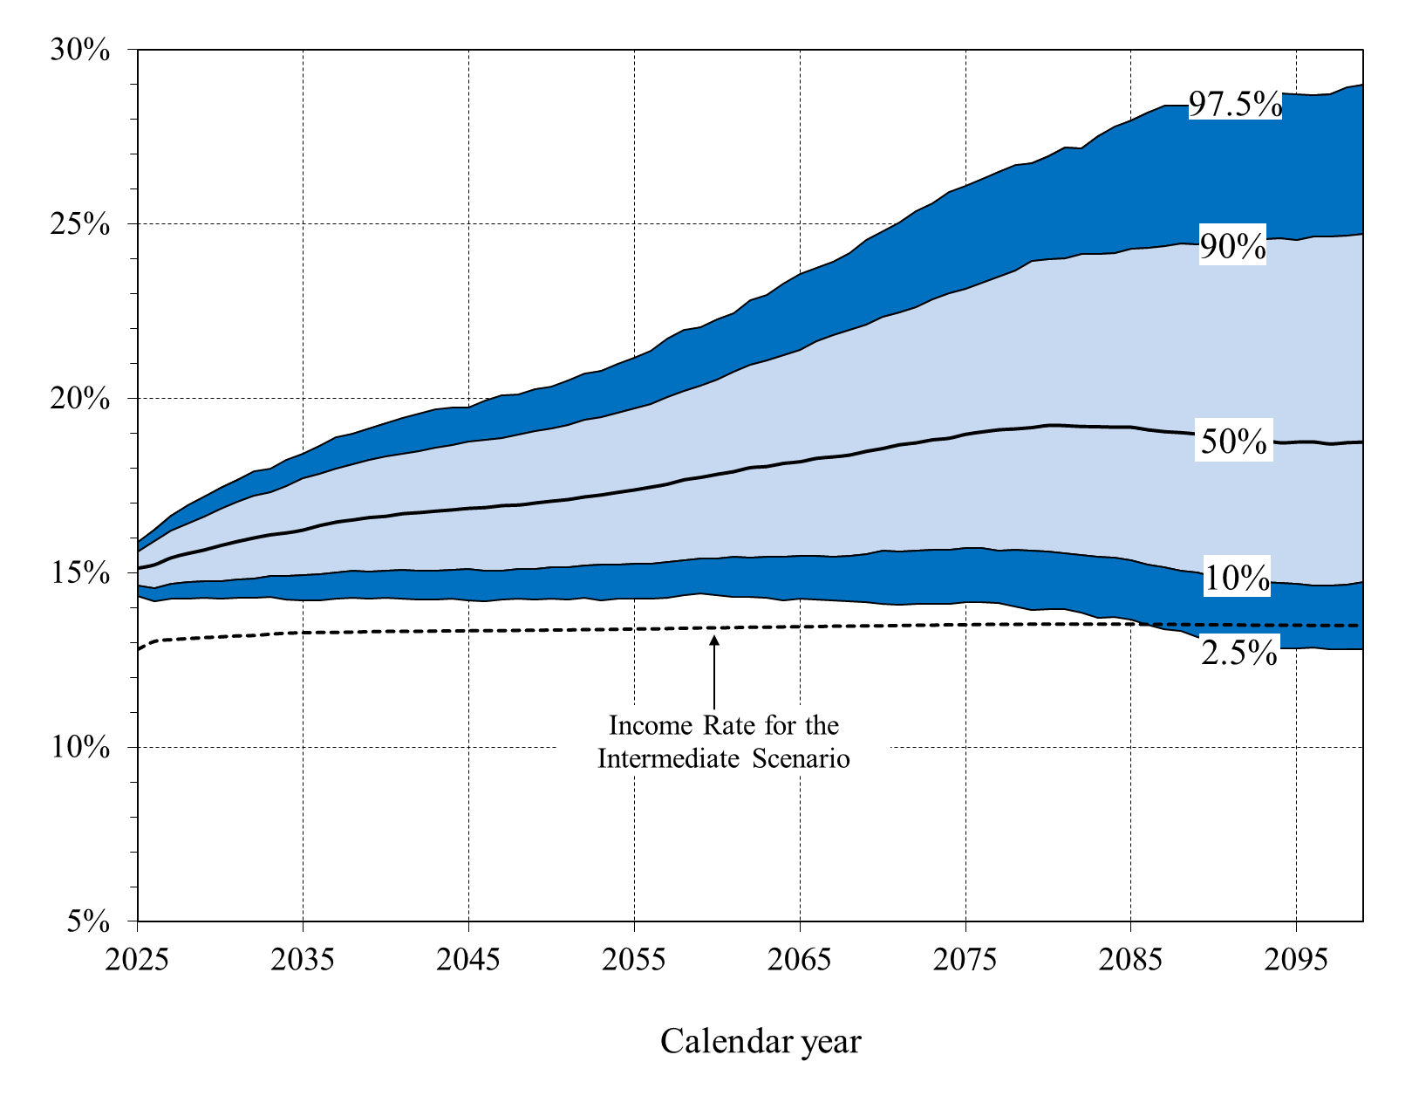
Calendar
year |  | OASDI cost rates |  |  |  | OASDI Income Rate
 | 2.5% | 10.0% | 50% | 90.0% | 97.5%
2025 | 14.34% | 14.64% | 15.14% | 15.61% | 15.88% | 12.80%
2026 | 14.19% | 14.56% | 15.23% | 15.91% | 16.25% | 13.03%
2027 | 14.25% | 14.68% | 15.43% | 16.22% | 16.64% | 13.08%
2028 | 14.26% | 14.74% | 15.55% | 16.42% | 16.92% | 13.11%
2029 | 14.29% | 14.75% | 15.66% | 16.61% | 17.18% | 13.14%
2030 | 14.27% | 14.75% | 15.78% | 16.82% | 17.44% | 13.16%
2031 | 14.28% | 14.80% | 15.90% | 17.04% | 17.66% | 13.19%
2032 | 14.27% | 14.84% | 16.00% | 17.20% | 17.90% | 13.20%
2033 | 14.30% | 14.91% | 16.09% | 17.31% | 17.99% | 13.24%
2034 | 14.23% | 14.90% | 16.15% | 17.50% | 18.23% | 13.27%
2035 | 14.20% | 14.93% | 16.23% | 17.71% | 18.42% | 13.28%
2036 | 14.20% | 14.97% | 16.36% | 17.84% | 18.64% | 13.29%
2037 | 14.26% | 15.02% | 16.45% | 17.99% | 18.88% | 13.29%
2038 | 14.28% | 15.05% | 16.52% | 18.11% | 19.00% | 13.30%
2039 | 14.27% | 15.02% | 16.58% | 18.23% | 19.14% | 13.31%
2040 | 14.28% | 15.06% | 16.62% | 18.33% | 19.30% | 13.32%
2041 | 14.27% | 15.08% | 16.69% | 18.41% | 19.43% | 13.32%
2042 | 14.23% | 15.06% | 16.73% | 18.49% | 19.56% | 13.32%
2043 | 14.22% | 15.05% | 16.77% | 18.58% | 19.69% | 13.33%
2044 | 14.25% | 15.07% | 16.80% | 18.66% | 19.73% | 13.33%
2045 | 14.21% | 15.11% | 16.85% | 18.76% | 19.74% | 13.34%
2046 | 14.19% | 15.06% | 16.87% | 18.81% | 19.93% | 13.34%
2047 | 14.23% | 15.07% | 16.92% | 18.86% | 20.09% | 13.34%
2048 | 14.27% | 15.10% | 16.94% | 18.96% | 20.11% | 13.35%
2049 | 14.24% | 15.12% | 17.00% | 19.06% | 20.27% | 13.35%
2050 | 14.25% | 15.16% | 17.05% | 19.14% | 20.33% | 13.36%
2051 | 14.24% | 15.17% | 17.10% | 19.24% | 20.52% | 13.36%
2052 | 14.28% | 15.21% | 17.18% | 19.38% | 20.71% | 13.37%
2053 | 14.22% | 15.22% | 17.23% | 19.47% | 20.80% | 13.37%
2054 | 14.26% | 15.23% | 17.30% | 19.58% | 20.99% | 13.38%
2055 | 14.26% | 15.25% | 17.37% | 19.71% | 21.16% | 13.39%
2056 | 14.25% | 15.26% | 17.46% | 19.84% | 21.36% | 13.39%
2057 | 14.28% | 15.31% | 17.54% | 20.04% | 21.71% | 13.40%
2058 | 14.36% | 15.37% | 17.66% | 20.23% | 21.95% | 13.41%
2059 | 14.40% | 15.41% | 17.73% | 20.37% | 22.05% | 13.42%
2060 | 14.37% | 15.40% | 17.82% | 20.54% | 22.28% | 13.42%
2061 | 14.31% | 15.47% | 17.90% | 20.77% | 22.44% | 13.43%
2062 | 14.31% | 15.44% | 18.01% | 20.95% | 22.82% | 13.44%
2063 | 14.28% | 15.46% | 18.04% | 21.10% | 22.95% | 13.44%
2064 | 14.21% | 15.47% | 18.13% | 21.25% | 23.29% | 13.45%
2065 | 14.26% | 15.47% | 18.18% | 21.40% | 23.57% | 13.45%
2066 | 14.24% | 15.49% | 18.28% | 21.64% | 23.74% | 13.46%
2067 | 14.20% | 15.47% | 18.32% | 21.82% | 23.92% | 13.47%
2068 | 14.18% | 15.50% | 18.37% | 21.95% | 24.17% | 13.47%
2069 | 14.15% | 15.55% | 18.48% | 22.11% | 24.55% | 13.48%
2070 | 14.10% | 15.62% | 18.56% | 22.35% | 24.79% | 13.48%
2071 | 14.08% | 15.61% | 18.66% | 22.47% | 25.05% | 13.49%
2072 | 14.12% | 15.63% | 18.72% | 22.60% | 25.37% | 13.50%
2073 | 14.12% | 15.65% | 18.81% | 22.83% | 25.60% | 13.50%
2074 | 14.11% | 15.65% | 18.85% | 23.02% | 25.91% | 13.51%
2075 | 14.16% | 15.70% | 18.96% | 23.14% | 26.08% | 13.51%
2076 | 14.15% | 15.70% | 19.03% | 23.31% | 26.28% | 13.52%
2077 | 14.13% | 15.64% | 19.09% | 23.49% | 26.50% | 13.52%
2078 | 14.04% | 15.66% | 19.12% | 23.68% | 26.69% | 13.52%
2079 | 13.93% | 15.63% | 19.16% | 23.94% | 26.75% | 13.53%
2080 | 13.96% | 15.60% | 19.22% | 23.99% | 26.96% | 13.53%
2081 | 13.95% | 15.55% | 19.21% | 24.01% | 27.20% | 13.53%
2082 | 13.85% | 15.51% | 19.19% | 24.13% | 27.18% | 13.53%
2083 | 13.70% | 15.46% | 19.18% | 24.13% | 27.53% | 13.53%
2084 | 13.73% | 15.45% | 19.17% | 24.17% | 27.79% | 13.53%
2085 | 13.66% | 15.36% | 19.16% | 24.28% | 27.98% | 13.53%
2086 | 13.51% | 15.24% | 19.09% | 24.33% | 28.20% | 13.52%
2087 | 13.39% | 15.17% | 19.04% | 24.36% | 28.38% | 13.52%
2088 | 13.32% | 15.06% | 19.01% | 24.44% | 28.40% | 13.52%
2089 | 13.16% | 15.01% | 18.97% | 24.42% | 28.40% | 13.51%
2090 | 13.05% | 14.89% | 18.89% | 24.51% | 28.43% | 13.51%
2091 | 12.99% | 14.84% | 18.90% | 24.52% | 28.46% | 13.51%
2092 | 12.95% | 14.78% | 18.83% | 24.52% | 28.69% | 13.50%
2093 | 12.87% | 14.74% | 18.80% | 24.56% | 28.69% | 13.50%
2094 | 12.83% | 14.71% | 18.72% | 24.59% | 28.76% | 13.50%
2095 | 12.82% | 14.67% | 18.74% | 24.54% | 28.72% | 13.50%
2096 | 12.85% | 14.62% | 18.74% | 24.65% | 28.71% | 13.49%
2097 | 12.81% | 14.63% | 18.69% | 24.65% | 28.73% | 13.49%
2098 | 12.80% | 14.66% | 18.72% | 24.67% | 28.92% | 13.49%
2099 | 12.82% | 14.72% | 18.74% | 24.71% | 29.00% | 13.49%

VI.E3
Back to TOC


 |  |  |  |  |  |  | OASI and DI Combined Cost Rates: Comparison of Stochastic to Low-Cost, Intermediate, and High-Cost Alternative Scenarios
 |  |  |  |  |  |  | [As a percentage of taxable payroll]
Calendar | OASDI Cost Rates
year | Alternative |  |  | Stochastic
 | I | II | III | 2.5% | 50% | 97.5%
2025 | 14.78 | 15.15 | 15.77 | 14.34 | 15.14 | 15.88
2026 | 14.63 | 15.29 | 16.38 | 14.19 | 15.23 | 16.25
2027 | 14.59 | 15.48 | 16.65 | 14.25 | 15.43 | 16.64
2028 | 14.51 | 15.59 | 16.86 | 14.26 | 15.55 | 16.92
2029 | 14.44 | 15.69 | 17.09 | 14.29 | 15.66 | 17.18
2030 | 14.35 | 15.80 | 17.36 | 14.27 | 15.78 | 17.44
2031 | 14.28 | 15.91 | 17.68 | 14.28 | 15.90 | 17.66
2032 | 14.19 | 16.00 | 17.98 | 14.27 | 16.00 | 17.90
2033 | 14.09 | 16.07 | 18.27 | 14.30 | 16.09 | 17.99
2034 | 14.00 | 16.15 | 18.55 | 14.23 | 16.15 | 18.23
2035 | 13.96 | 16.23 | 18.79 | 14.20 | 16.23 | 18.42
2036 | 13.94 | 16.32 | 19.04 | 14.20 | 16.36 | 18.64
2037 | 13.92 | 16.41 | 19.29 | 14.26 | 16.45 | 18.88
2038 | 13.89 | 16.49 | 19.51 | 14.28 | 16.52 | 19.00
2039 | 13.86 | 16.55 | 19.71 | 14.27 | 16.58 | 19.14
2040 | 13.83 | 16.60 | 19.90 | 14.28 | 16.62 | 19.30
2041 | 13.79 | 16.65 | 20.07 | 14.27 | 16.69 | 19.43
2042 | 13.75 | 16.68 | 20.22 | 14.23 | 16.73 | 19.56
2043 | 13.71 | 16.71 | 20.37 | 14.22 | 16.77 | 19.69
2044 | 13.68 | 16.74 | 20.53 | 14.25 | 16.80 | 19.73
2045 | 13.64 | 16.77 | 20.69 | 14.21 | 16.85 | 19.74
2046 | 13.61 | 16.80 | 20.84 | 14.19 | 16.87 | 19.93
2047 | 13.58 | 16.84 | 21.00 | 14.23 | 16.92 | 20.09
2048 | 13.56 | 16.88 | 21.17 | 14.27 | 16.94 | 20.11
2049 | 13.55 | 16.92 | 21.34 | 14.24 | 17.00 | 20.27
2050 | 13.54 | 16.97 | 21.50 | 14.25 | 17.05 | 20.33
2051 | 13.53 | 17.02 | 21.67 | 14.24 | 17.10 | 20.52
2052 | 13.53 | 17.08 | 21.86 | 14.28 | 17.18 | 20.71
2053 | 13.54 | 17.15 | 22.04 | 14.22 | 17.23 | 20.80
2054 | 13.56 | 17.22 | 22.24 | 14.26 | 17.30 | 20.99
2055 | 13.58 | 17.30 | 22.44 | 14.26 | 17.37 | 21.16
2056 | 13.61 | 17.39 | 22.65 | 14.25 | 17.46 | 21.36
2057 | 13.64 | 17.48 | 22.86 | 14.28 | 17.54 | 21.71
2058 | 13.68 | 17.57 | 23.08 | 14.36 | 17.66 | 21.95
2059 | 13.71 | 17.66 | 23.29 | 14.40 | 17.73 | 22.05
2060 | 13.73 | 17.74 | 23.49 | 14.37 | 17.82 | 22.28
2061 | 13.75 | 17.82 | 23.68 | 14.31 | 17.90 | 22.44
2062 | 13.77 | 17.89 | 23.88 | 14.31 | 18.01 | 22.82
2063 | 13.79 | 17.96 | 24.07 | 14.28 | 18.04 | 22.95
2064 | 13.80 | 18.03 | 24.26 | 14.21 | 18.13 | 23.29
2065 | 13.81 | 18.10 | 24.45 | 14.26 | 18.18 | 23.57
2066 | 13.82 | 18.17 | 24.64 | 14.24 | 18.28 | 23.74
2067 | 13.83 | 18.24 | 24.83 | 14.20 | 18.32 | 23.92
2068 | 13.84 | 18.31 | 25.02 | 14.18 | 18.37 | 24.17
2069 | 13.85 | 18.38 | 25.22 | 14.15 | 18.48 | 24.55
2070 | 13.87 | 18.46 | 25.43 | 14.10 | 18.56 | 24.79
2071 | 13.88 | 18.53 | 25.63 | 14.08 | 18.66 | 25.05
2072 | 13.89 | 18.60 | 25.83 | 14.12 | 18.72 | 25.37
2073 | 13.90 | 18.67 | 26.04 | 14.12 | 18.81 | 25.60
2074 | 13.91 | 18.74 | 26.24 | 14.11 | 18.85 | 25.91
2075 | 13.91 | 18.80 | 26.44 | 14.16 | 18.96 | 26.08
2076 | 13.90 | 18.85 | 26.63 | 14.15 | 19.03 | 26.28
2077 | 13.88 | 18.89 | 26.81 | 14.13 | 19.09 | 26.50
2078 | 13.86 | 18.93 | 26.98 | 14.04 | 19.12 | 26.69
2079 | 13.82 | 18.95 | 27.14 | 13.93 | 19.16 | 26.75
2080 | 13.78 | 18.96 | 27.30 | 13.96 | 19.22 | 26.96
2081 | 13.73 | 18.96 | 27.44 | 13.95 | 19.21 | 27.20
2082 | 13.67 | 18.95 | 27.57 | 13.85 | 19.19 | 27.18
2083 | 13.60 | 18.93 | 27.69 | 13.70 | 19.18 | 27.53
2084 | 13.53 | 18.91 | 27.79 | 13.73 | 19.17 | 27.79
2085 | 13.45 | 18.87 | 27.89 | 13.66 | 19.16 | 27.98
2086 | 13.36 | 18.82 | 27.97 | 13.51 | 19.09 | 28.20
2087 | 13.26 | 18.77 | 28.04 | 13.39 | 19.04 | 28.38
2088 | 13.17 | 18.70 | 28.09 | 13.32 | 19.01 | 28.40
2089 | 13.07 | 18.64 | 28.14 | 13.16 | 18.97 | 28.40
2090 | 12.98 | 18.58 | 28.18 | 13.05 | 18.89 | 28.43
2091 | 12.90 | 18.52 | 28.22 | 12.99 | 18.90 | 28.46
2092 | 12.83 | 18.47 | 28.25 | 12.95 | 18.83 | 28.69
2093 | 12.77 | 18.42 | 28.27 | 12.87 | 18.80 | 28.69
2094 | 12.72 | 18.38 | 28.30 | 12.83 | 18.72 | 28.76
2095 | 12.69 | 18.36 | 28.33 | 12.82 | 18.74 | 28.72
2096 | 12.67 | 18.34 | 28.35 | 12.85 | 18.74 | 28.71
2097 | 12.66 | 18.33 | 28.36 | 12.81 | 18.69 | 28.73
2098 | 12.67 | 18.33 | 28.38 | 12.80 | 18.72 | 28.92
2099 | 12.69 | 18.34 | 28.40 | 12.82 | 18.74 | 29.00

VI.E4
Back to TOC

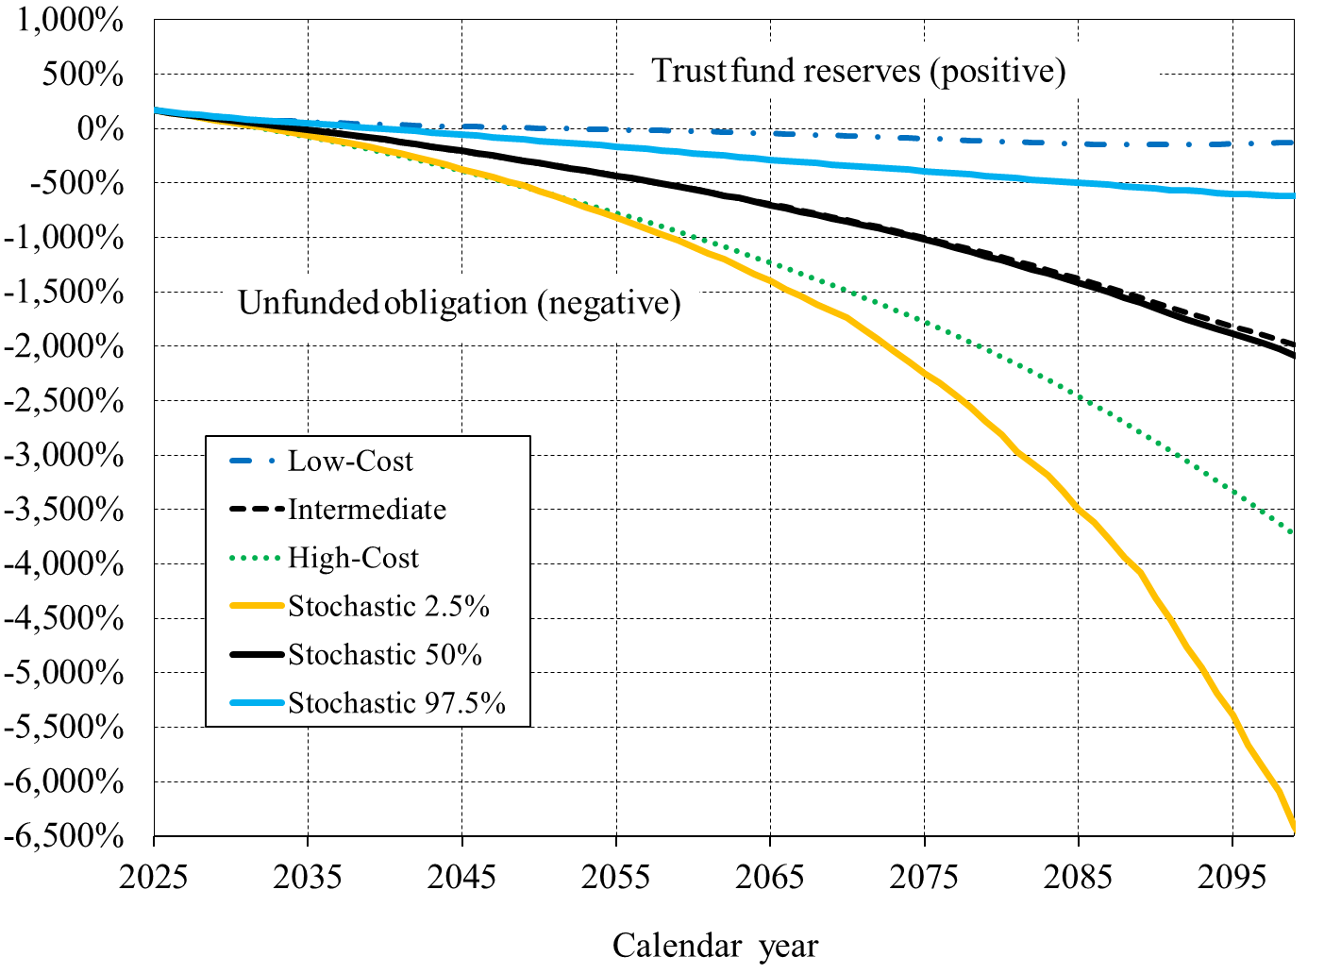
 |  |  |  |  |  |  | OASI and DI Combined Trust Fund (Unfunded Obligation) Ratios: Comparison of Stochastic to Low-Cost, Intermediate, and High-Cost Alternative Scenariosa
 |  |  |  |  |  |  | [Trust fund reserves (unfunded obligation) as a percentage of annual cost]
Calendar | Trust Fund Ratios
year | Alternative |  |  | Stochastic
 | I | II | III | 2.5% | 50% | 97.5%
2025 | 170 | 169 | 169 | 169 | 169 | 169
2026 | 151 | 149 | 146 | 146 | 150 | 152
2027 | 137 | 131 | 122 | 125 | 131 | 138
2028 | 123 | 113 | 99 | 103 | 113 | 124
2029 | 111 | 95 | 76 | 80 | 96 | 112
2030 | 101 | 78 | 53 | 58 | 78 | 100
2031 | 91 | 60 | 29 | 35 | 61 | 89
2032 | 82 | 43 | 4 | 13 | 44 | 78
2033 | 75 | 26 | -21 | -11 | 27 | 67
2034 | 68 | 9 | -47 | -34 | 9 | 57
2035 | 62 | -9 | -73 | -59 | -8 | 47
2036 | 57 | -27 | -101 | -85 | -25 | 38
2037 | 52 | -45 | -129 | -112 | -44 | 29
2038 | 47 | -63 | -158 | -139 | -62 | 17
2039 | 42 | -83 | -188 | -168 | -81 | 7
2040 | 38 | -102 | -219 | -199 | -101 | -2
2041 | 34 | -122 | -252 | -231 | -121 | -12
2042 | 29 | -143 | -284 | -264 | -141 | -22
2043 | 26 | -164 | -318 | -298 | -162 | -33
2044 | 22 | -185 | -353 | -334 | -184 | -43
2045 | 19 | -206 | -388 | -371 | -204 | -53
2046 | 16 | -228 | -424 | -411 | -226 | -64
2047 | 13 | -250 | -461 | -447 | -247 | -76
2048 | 10 | -272 | -498 | -488 | -270 | -87
2049 | 7 | -295 | -536 | -526 | -293 | -99 | a An unfunded obligation, shown as a negative value in this figure, is equivalent to the amount the trust
2050 | 5 | -317 | -574 | -574 | -316 | -111 | funds would need to have borrowed to date in order to pay all scheduled benefits (on a timely basis)
2051 | 2 | -340 | -613 | -620 | -340 | -122 | after trust fund reserves are depleted. Note that current law does not permit the trust funds to borrow.
2052 | 0 | -363 | -653 | -667 | -362 | -132
2053 | -3 | -386 | -693 | -718 | -385 | -143
2054 | -5 | -409 | -734 | -765 | -407 | -153
2055 | -8 | -433 | -775 | -816 | -431 | -164
2056 | -11 | -457 | -817 | -867 | -457 | -176
2057 | -14 | -481 | -859 | -921 | -480 | -187
2058 | -17 | -505 | -902 | -975 | -504 | -200
2059 | -20 | -530 | -946 | -1026 | -530 | -213
2060 | -24 | -556 | -992 | -1088 | -557 | -226
2061 | -27 | -582 | -1038 | -1147 | -584 | -237
2062 | -31 | -609 | -1085 | -1198 | -614 | -248
2063 | -35 | -636 | -1133 | -1267 | -639 | -259
2064 | -40 | -664 | -1182 | -1336 | -669 | -274
2065 | -44 | -692 | -1232 | -1400 | -702 | -288
2066 | -48 | -721 | -1283 | -1476 | -730 | -299
2067 | -52 | -750 | -1334 | -1535 | -763 | -308
2068 | -57 | -780 | -1386 | -1617 | -793 | -317
2069 | -62 | -810 | -1439 | -1672 | -823 | -330
2070 | -66 | -840 | -1493 | -1738 | -853 | -338
2071 | -71 | -871 | -1548 | -1840 | -884 | -350
2072 | -76 | -903 | -1604 | -1932 | -916 | -360
2073 | -81 | -935 | -1660 | -2043 | -948 | -370
2074 | -86 | -967 | -1718 | -2142 | -980 | -379
2075 | -91 | -1000 | -1777 | -2251 | -1015 | -394
2076 | -96 | -1035 | -1838 | -2338 | -1051 | -401
2077 | -101 | -1070 | -1900 | -2446 | -1092 | -411
2078 | -107 | -1106 | -1964 | -2565 | -1130 | -420
2079 | -112 | -1142 | -2029 | -2688 | -1169 | -434
2080 | -117 | -1180 | -2097 | -2815 | -1206 | -445
2081 | -122 | -1219 | -2166 | -2965 | -1247 | -453
2082 | -126 | -1258 | -2237 | -3076 | -1291 | -466
2083 | -130 | -1298 | -2309 | -3189 | -1330 | -479
2084 | -134 | -1338 | -2384 | -3330 | -1372 | -489
2085 | -138 | -1380 | -2461 | -3500 | -1417 | -498
2086 | -141 | -1423 | -2540 | -3615 | -1459 | -509
2087 | -144 | -1466 | -2621 | -3775 | -1501 | -517
2088 | -145 | -1510 | -2704 | -3942 | -1552 | -532
2089 | -147 | -1554 | -2789 | -4082 | -1601 | -542
2090 | -147 | -1599 | -2875 | -4311 | -1649 | -546
2091 | -147 | -1643 | -2964 | -4515 | -1699 | -565
2092 | -146 | -1687 | -3054 | -4766 | -1751 | -569
2093 | -145 | -1731 | -3145 | -4956 | -1800 | -577
2094 | -143 | -1774 | -3238 | -5189 | -1839 | -589
2095 | -140 | -1816 | -3332 | -5384 | -1883 | -600
2096 | -137 | -1858 | -3427 | -5662 | -1926 | -597
2097 | -134 | -1900 | -3525 | -5872 | -1974 | -610
2098 | -130 | -1941 | -3624 | -6088 | -2024 | -620
2099 | -127 | -1982 | -3723 | -6410 | -2080 | -616
2100 | -124 | -2022 | -3824 | -6634 | -2127 | -620

VI.G1
Back to TOC

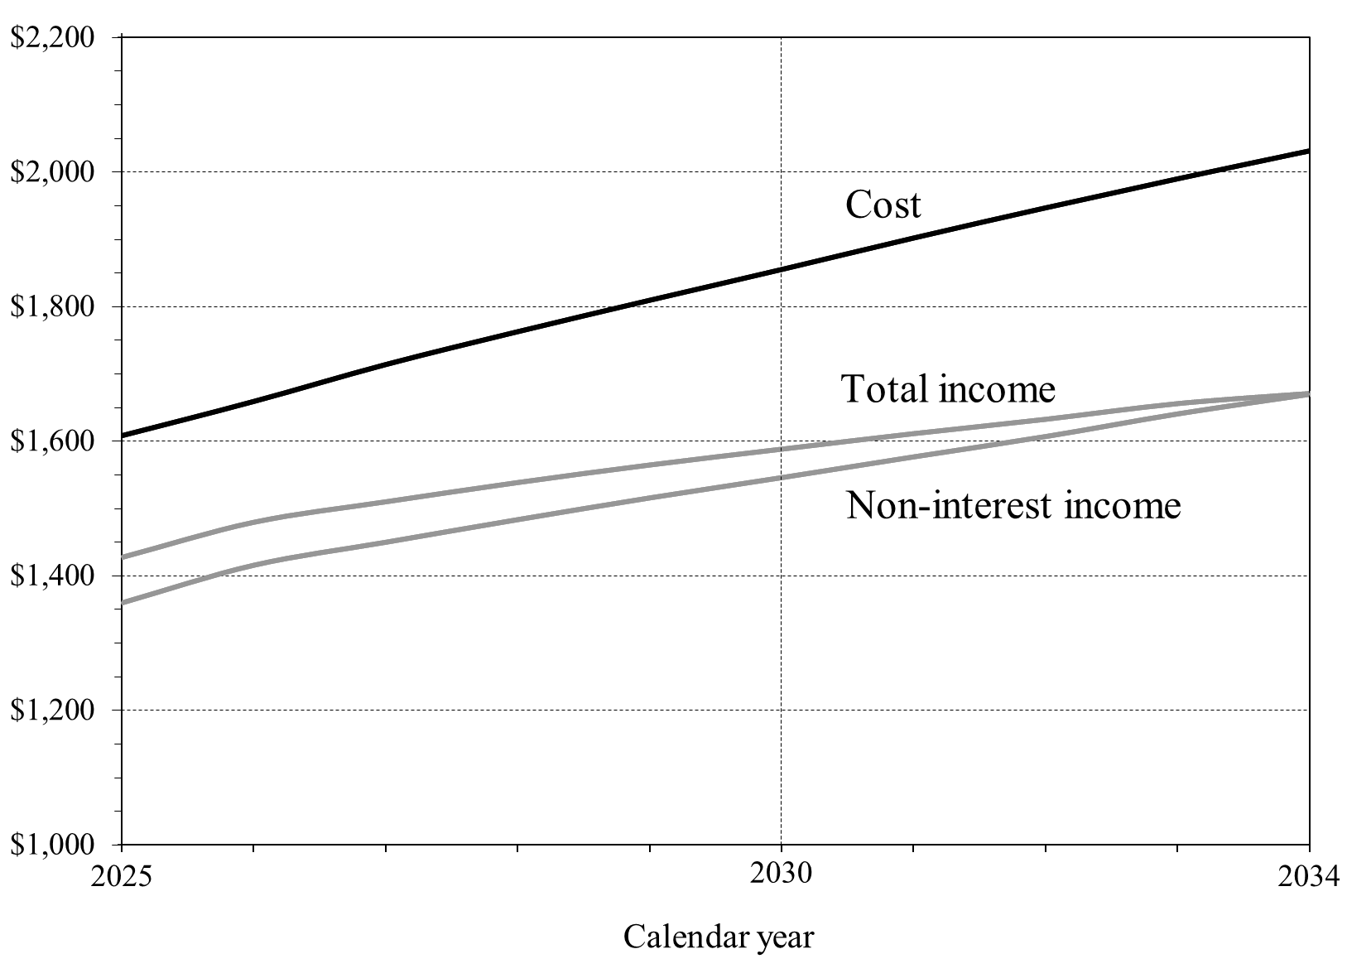
 |  |  |  | Estimated OASDI Income and Cost in CPI-Indexed 2025 Dollars, Based on Intermediate Assumptions
 | OASDI income and cost |  |  | [In billions]
Calendar | in CPI-indexed dollars
year
 | Non-interest income | Total Income | Cost
2025 | $1,359.20 | $1,427.42 | $1,608.86
2026 | $1,415.34 | $1,479.65 | $1,659.75
2027 | $1,449.47 | $1,510.00 | $1,714.58
2028 | $1,483.11 | $1,538.59 | $1,763.40
2029 | $1,515.43 | $1,564.68 | $1,810.07
2030 | $1,545.65 | $1,588.15 | $1,855.80
2031 | $1,576.47 | $1,611.22 | $1,902.55
2032 | $1,606.71 | $1,632.50 | $1,947.37
2033 | $1,640.32 | $1,655.73 | $1,990.50
2034 | $1,669.47 | $1,670.77 | $2,031.94

