GraphSheet
 | y
0.17721518987 | 0
0.171875 | 0.0078125
0.17213114754 | 0.0040983606557
0.17272727273 | 0.0045454545455
0.17312348668 | 0.0048426150121
0.17313432836 | 0.0044776119403
0.17255057517 | 0.0047600158667
0.17202394148 | 0.004876967413
0.17142857143 | 0.0051020408163
0.17031398668 | 0.005788138281
0.16887752067 | 0.0069002438879
0.16689529035 | 0.0085352842554
0.16441654079 | 0.010857250755
0.16112011109 | 0.013793103448
0.1566416624 | 0.017704887481
0.15098540838 | 0.022740193292
0.14396039604 | 0.029702970297
0.1355026712 | 0.039879121472
0.12414231258 | 0.057814485388
0.10959432362 | 0.086842511183
0.091256204658 | 0.13268423062
0.068761114404 | 0.20071132187
0.045377197958 | 0.29495178673
0.023459942547 | 0.41270347909
0.0081680280047 | 0.53842307051
0.0038585209003 | 0.65482315113
0.013870246085 | 0.75018642804
0.038851802403 | 0.81201602136
0.074339401057 | 0.83382266588
0.11415477554 | 0.82616394126
0.15471627559 | 0.80583341124
0.19284005468 | 0.78169856459
0.22961967265 | 0.7543290899
0.26577508497 | 0.72432392493
0.30157956997 | 0.69236657157
0.33739623139 | 0.65884833311
0.37310154387 | 0.6244508598
0.40874856902 | 0.58962463096
0.44406246358 | 0.55471390281
0.47877479116 | 0.52020230721
0.51247203579 | 0.48657718121
0.54478650559 | 0.45443411457
0.57515131137 | 0.42423223492
0.60293278558 | 0.39649663357
0.62703659976 | 0.37249114522
0.64823310601 | 0.35139491631
0.66578126038 | 0.33401952321
0.68009856501 | 0.31975648645
0.69148591777 | 0.30835221755
0.70060606061 | 0.2993006993
...

Graph and background CIE1931 picture is nicely aligned and scaled. To keep size and location, this worksheet is 'locked'.
To change the graph, edit data in 'DataSheet' worksheet.
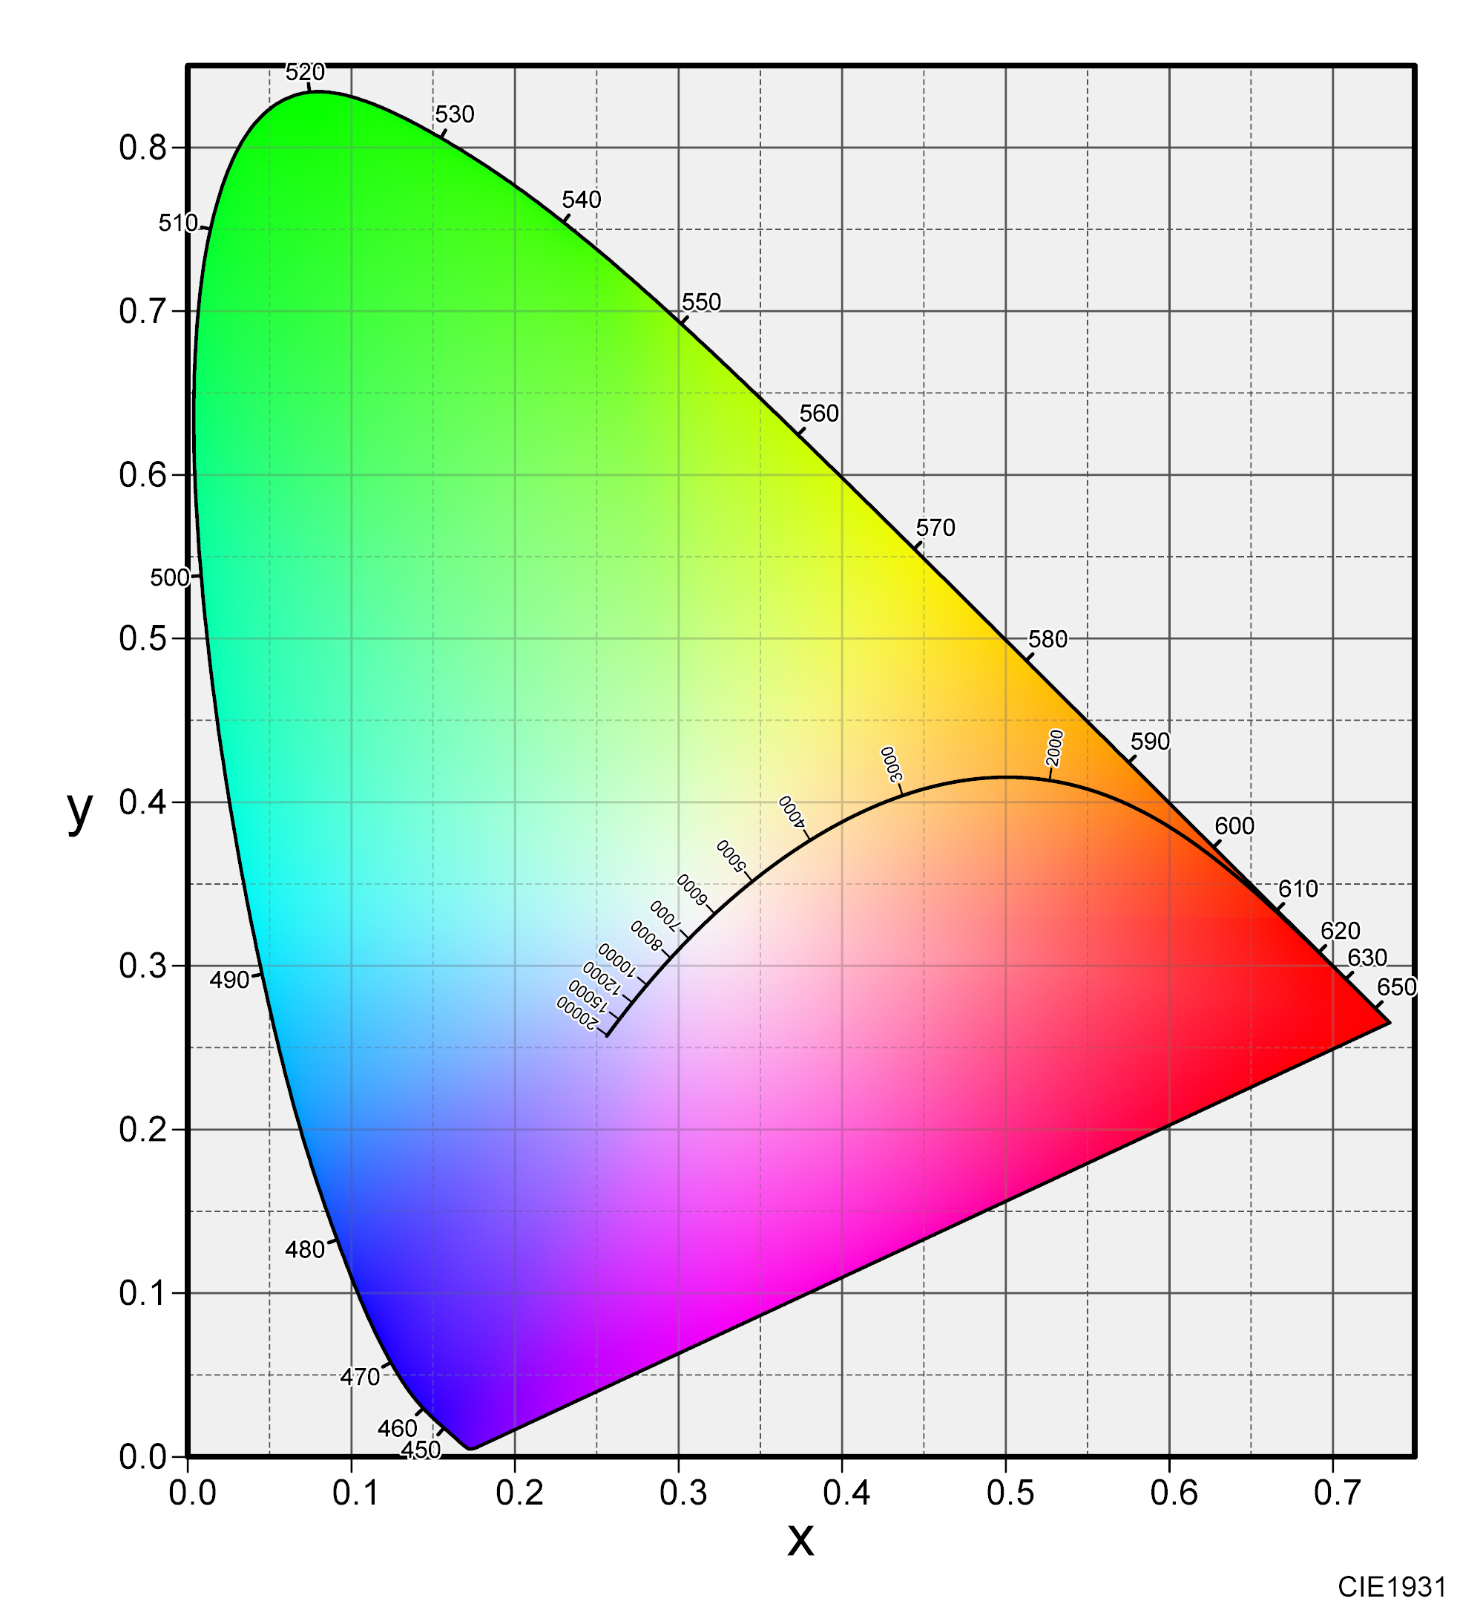

Picture source: http://n-colorspace.cool.coocan.jp/imgData/CIE1931_F2a.png

