API Documentation
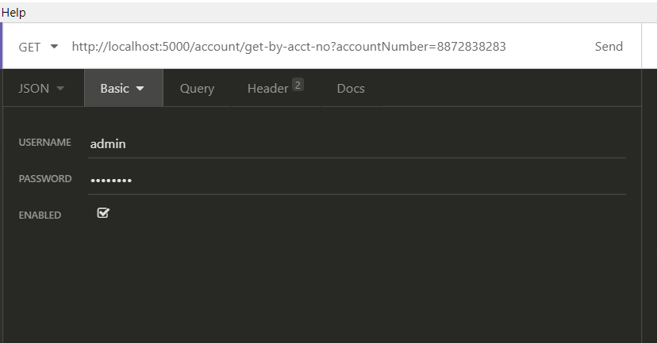
 | Basic Index Page:
1 | http://localhost:5000/hello

 | Transaction Query API:
1 | http://localhost:5000/transaction/search-filter
 | GET | Find transaction
 | PARAM:
 | Param Name | Description | Type | Required | Default | Example
 | accountNumber | Account Number | String | FALSE |  | 8872838283
 | description | Description | String | FALSE |  | FUND TRANSFER
 | customerId | Customer ID | String | FALSE |  | 222
 | selectedFields | Selected Return Fields | String[] | FALSE
 | page | Page | Integer | FALSE | 0
 | size | Size | Integer | FALSE | 3

 | Allowed Selected Fields
 | Fields Name | DESCRIPTION
 | ACCOUNT_NUMBER | Return data include account number
 | CUSTOMER_ID | Return data include customer id
 | DESCRIPTION | Return data include description
 | TRX_AMOUNT | Return data include transaction amount
 | TRX_DATE | Return data include transaction date
 | TRANSACTION_ID | Return data include transaction id
 | CUSTOMER_DETAILS | Return data include customer details
 | ALL | Return all details

2 | http://localhost:5000/transaction/create
 | POST | Create transaction
 | PARAM: NO
 | JSON: YES
 | Exp: | { "customerId": "333", "trxAmount": 300, "trxDate": "2020-03-27 12:10:56", "accountNumber": "6872838260", "description": "FUND TRANSFER" }

 | Bank Account Query API
1 | http://localhost:5000/account/find-by-id
 | GET | Find account by customer id
 | PARAM:
 | Param Name | Description | Type | Required | Default | Example
 | customerId | Customer ID | String | TRUE |  | 222

2 | http://localhost:5000/account/get-by-acct-no
 | GET | Get account by account number
 | PARAM:
 | Param Name | Description | Type | Required | Default | Example
 | accountNumber | Account Number | String | TRUE |  | 8872838283

 | For API, must enter username and password to get the result.
 | Username | Password | Role | Allowed API
 | admin | password | ADMIN | find transaction, create transaction, get bank account
 | user | password | USER | find transaction

 | Sample:

Microservice Class Diagram
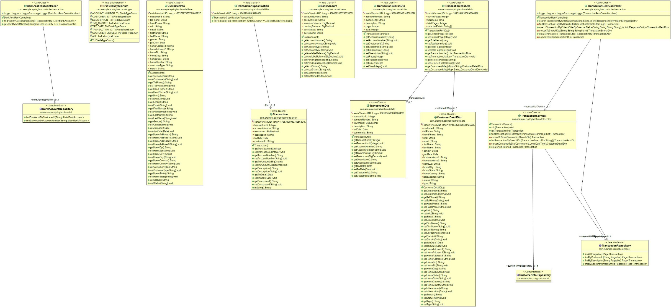

Activity Diagram
