1 | 0333_D1
...
0.42 [0.34, 0.50] | 0.37 [0.28, 0.46] | Chi2 = 3.71249; pval=0.29423 | 0.0033630512189 | 147
0.35 [0.28, 0.43] | 0.43 [0.32, 0.54] | Chi2 = 3.80266; pval=0.43337 | 0.0022931511048 | 152
0.47 [0.38, 0.56] | 0.33 [0.25, 0.41] | Chi2 = 4.70338; pval=0.31911 | 0.013415317982 | 153
0.30 [0.23, 0.37] | 0.24 [0.17, 0.31] | Chi2 = 2.69688; pval=0.44076 | 0.0053260098211 | 155
0.32 [0.25, 0.40] | 0.31 [0.23, 0.39] | Chi2 = 0.86529; pval=0.83380 | 0.0081368032843 | 158
0.43 [0.34, 0.51] | 0.46 [0.36, 0.56] | Chi2 = 1.18994; pval=0.75542 | 0.002566504525 | 159
0.24 [0.18, 0.30] | 0.25 [0.17, 0.33] | Chi2 = 3.98187; pval=0.13657 | 0.011486447416 | 161
0.35 [0.27, 0.43] | 0.49 [0.39, 0.59] | Chi2 = 9.17238; pval=0.02708 | 0.0067974813282 | 162
0.25 [0.18, 0.31] | 0.20 [0.13, 0.27] | Chi2 = 2.98237; pval=0.39435 | 0.0055109900422 | 164
0.27 [0.21, 0.34] | 0.25 [0.17, 0.33] | Chi2 = 0.46536; pval=0.92643 | 0.0041694864631 | 168
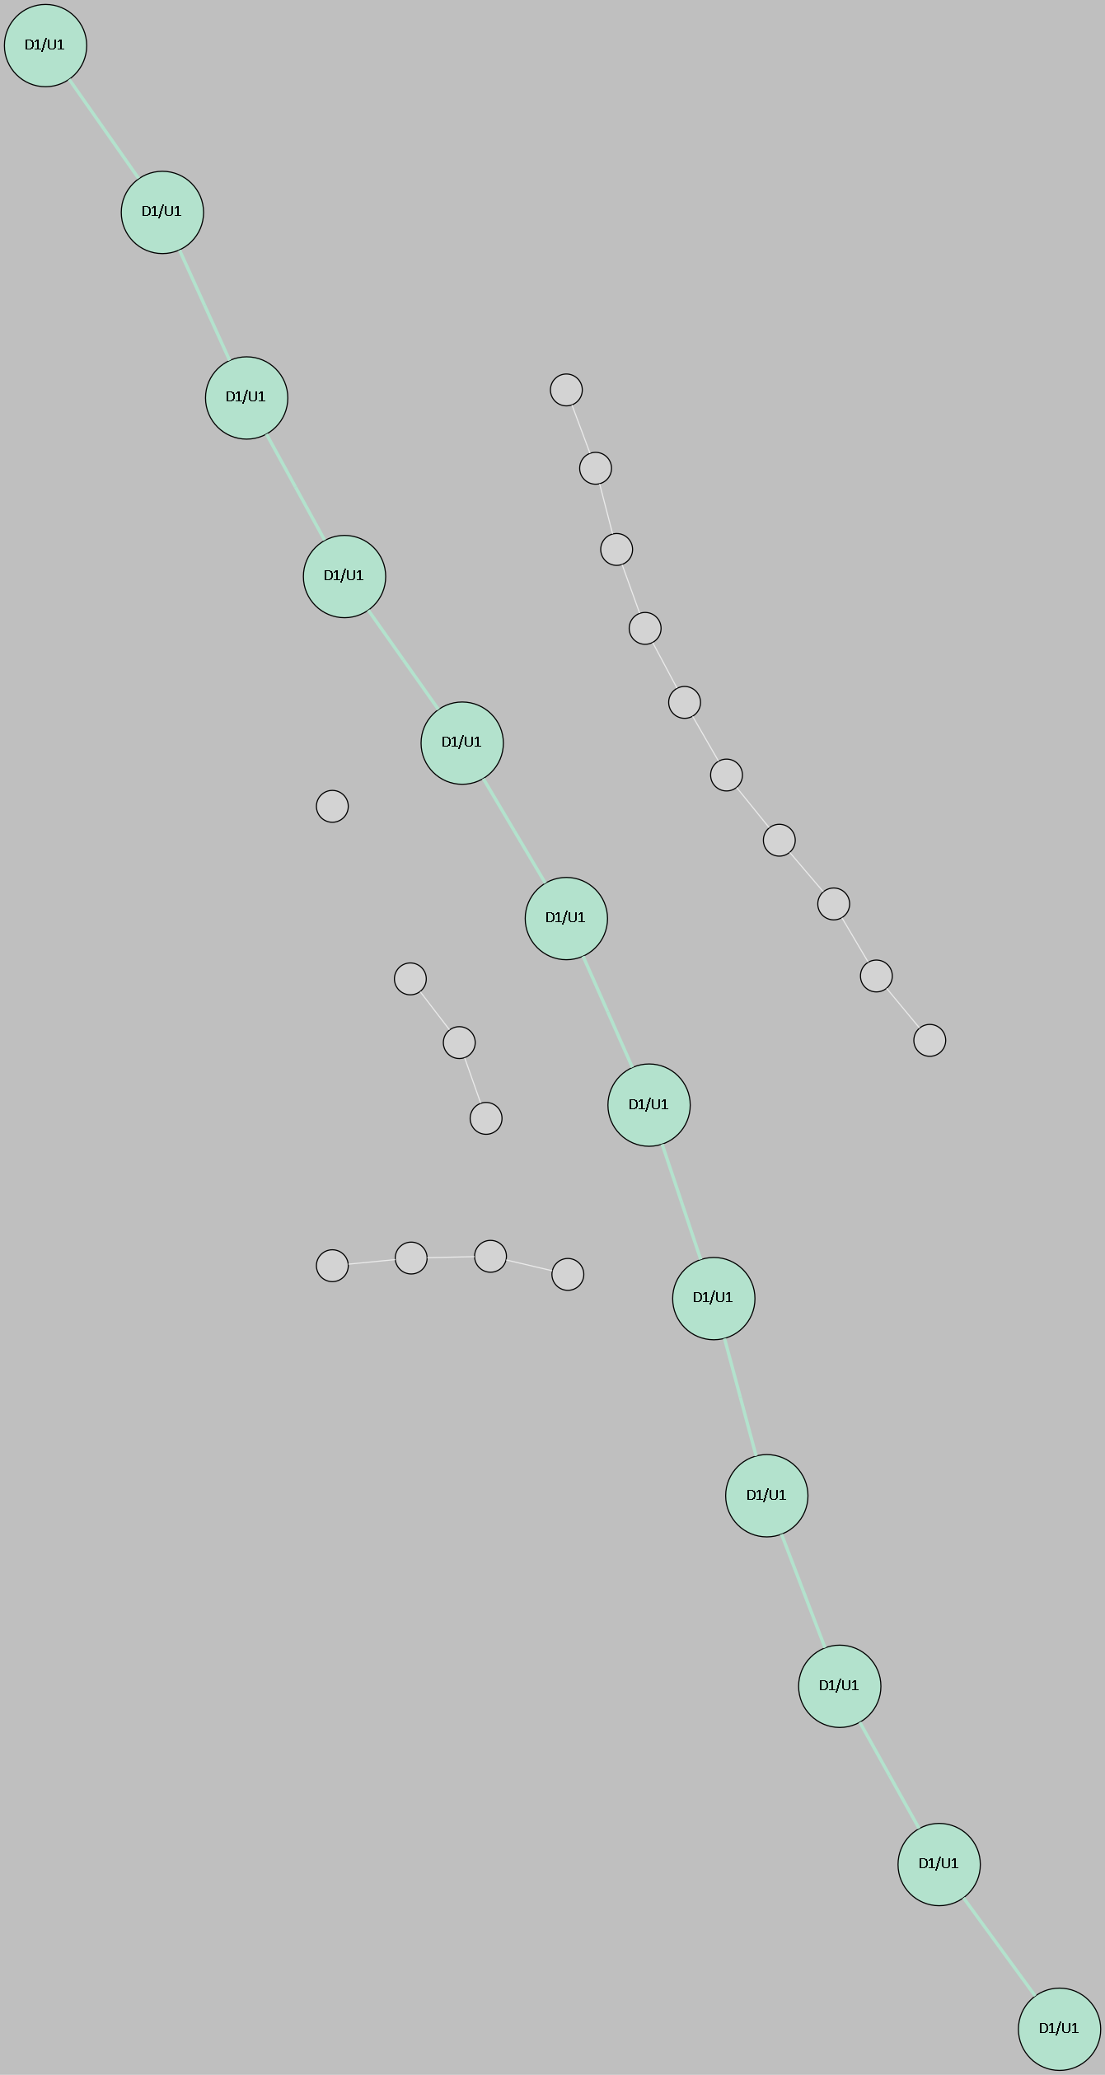
0.28 [0.22, 0.34] | 0.29 [0.21, 0.37] | Chi2 = 0.70440; pval=0.70314 | 0.0063174432144 | 169
0.28 [0.22, 0.35] | 0.27 [0.20, 0.34] | Chi2 = 2.43061; pval=0.48796 | 0.001142312889 | 171
0.28 [0.21, 0.34] | 0.32 [0.24, 0.41] | Chi2 = 1.23833; pval=0.53839 | 0.0034431868698 | 172
0.40 [0.32, 0.47] | 0.46 [0.36, 0.57] | Chi2 = 1.08288; pval=0.78121 | 0.0048348945566 | 178
0.19 [0.14, 0.25] | 0.25 [0.18, 0.32] | Chi2 = 1.80494; pval=0.40557 | 0.0072094621137 | 179
0.37 [0.30, 0.44] | 0.32 [0.24, 0.41] | Chi2 = 0.79388; pval=0.67237 | 0.0066294306889 | 183
0.51 [0.41, 0.60] | 0.42 [0.31, 0.52] | Chi2 = 2.79995; pval=0.59184 | 0.005364575889 | 189
0.41 [0.33, 0.49] | 0.44 [0.34, 0.54] | Chi2 = 1.19144; pval=0.87951 | 0.0076143094338 | 191
0.45 [0.36, 0.53] | 0.50 [0.38, 0.61] | Chi2 = 2.51411; pval=0.64211 | 0.0099681224674 | 195
0.31 [0.23, 0.39] | 0.28 [0.19, 0.36] | Chi2 = 1.88597; pval=0.59641 | 0.01494233869 | 196
0.55 [0.47, 0.63] | 0.61 [0.49, 0.72] | Chi2 = 6.60173; pval=0.08574 | 0.011288698763 | 206
0.26 [0.19, 0.33] | 0.29 [0.21, 0.37] | Chi2 = 4.50561; pval=0.21179 | 0.014626887627 | 208
0.45 [0.37, 0.53] | 0.40 [0.30, 0.50] | Chi2 = 2.66101; pval=0.44689 | 0.015900727361 | 209
0.47 [0.39, 0.56] | 0.57 [0.44, 0.69] | Chi2 = 3.85018; pval=0.42666 | 0.015308830887 | 212
0.34 [0.28, 0.41] | 0.36 [0.27, 0.46] | Chi2 = 11.83606; pval=0.00797 | 0.008139885962 | 216
0.29 [0.22, 0.36] | 0.24 [0.17, 0.32] | Chi2 = 3.21958; pval=0.35899 | 0.037841372192 | 221
0.33 [0.27, 0.40] | 0.28 [0.21, 0.36] | Chi2 = 1.09876; pval=0.57731 | 0.0067633194849 | 223
0.35 [0.26, 0.43] | 0.34 [0.24, 0.44] | Chi2 = 5.00457; pval=0.28683 | 0.0001219987389 | 224
0.39 [0.31, 0.47] | 0.47 [0.36, 0.58] | Chi2 = 1.95901; pval=0.58096 | 0.0033583668992 | 227
0.26 [0.20, 0.32] | 0.26 [0.19, 0.33] | Chi2 = 0.00025; pval=0.99987 | 0.0045000915416 | 228
0.35 [0.27, 0.43] | 0.42 [0.32, 0.52] | Chi2 = 2.14061; pval=0.54374 | 0.0063782660291 | 231
0.37 [0.30, 0.44] | 0.35 [0.25, 0.44] | Chi2 = 2.81351; pval=0.42128 | 0.0035042769741 | 234
0.33 [0.27, 0.40] | 0.38 [0.28, 0.47] | Chi2 = 3.90914; pval=0.27144 | 0.0070021781139 | 239
0.38 [0.31, 0.46] | 0.36 [0.26, 0.47] | Chi2 = 4.71293; pval=0.45191 | 0.00957996957 | 241
0.40 [0.32, 0.48] | 0.36 [0.27, 0.46] | Chi2 = 2.71882; pval=0.60593 | 0.0089843580499 | 242
0.29 [0.22, 0.36] | 0.29 [0.21, 0.38] | Chi2 = 0.53797; pval=0.91047 | 0.0058423951268 | 243
0.46 [0.39, 0.54] | 0.43 [0.33, 0.52] | Chi2 = 2.02020; pval=0.56823 | 0.017948191613 | 245
0.44 [0.36, 0.52] | 0.48 [0.38, 0.58] | Chi2 = 0.51726; pval=0.91508 | 0.011753135361 | 246
0.51 [0.42, 0.60] | 0.53 [0.43, 0.64] | Chi2 = 1.31743; pval=0.85841 | 0.0050736842677 | 250
0.51 [0.42, 0.60] | 0.40 [0.31, 0.49] | Chi2 = 4.33680; pval=0.36234 | 0.0031110693235 | 251
0.30 [0.23, 0.37] | 0.40 [0.30, 0.51] | Chi2 = 7.33363; pval=0.11927 | 0.0052394112572 | 254
0.38 [0.30, 0.46] | 0.46 [0.35, 0.56] | Chi2 = 1.75775; pval=0.78020 | 0.0053672171198 | 255
0.28 [0.22, 0.35] | 0.35 [0.25, 0.44] | Chi2 = 2.31222; pval=0.51018 | 0.015756040812 | 257
0.47 [0.38, 0.55] | 0.45 [0.35, 0.55] | Chi2 = 1.41964; pval=0.84078 | 0.00264921505 | 258
0.33 [0.26, 0.41] | 0.33 [0.24, 0.42] | Chi2 = 0.08699; pval=0.99335 | 0.012927524745 | 260
0.57 [0.48, 0.67] | 0.60 [0.50, 0.69] | Chi2 = 6.85359; pval=0.14383 | 0.001748597715 | 261
0.35 [0.27, 0.42] | 0.40 [0.31, 0.49] | Chi2 = 1.99270; pval=0.57392 | 0.0057477583177 | 267
0.34 [0.26, 0.41] | 0.28 [0.20, 0.37] | Chi2 = 2.43040; pval=0.48800 | 0.010678400286 | 269
0.36 [0.29, 0.43] | 0.39 [0.28, 0.50] | Chi2 = 2.52784; pval=0.63966 | 0.0033789733425 | 270
0.42 [0.34, 0.49] | 0.49 [0.38, 0.59] | Chi2 = 2.06161; pval=0.55972 | 0.0063923932612 | 271
0.24 [0.18, 0.30] | 0.32 [0.23, 0.42] | Chi2 = 4.00489; pval=0.40535 | 0.0030415034853 | 275
0.44 [0.36, 0.53] | 0.42 [0.31, 0.52] | Chi2 = 0.79710; pval=0.93884 | 0.0085868053138 | 276
0.23 [0.17, 0.29] | 0.22 [0.15, 0.29] | Chi2 = 0.53667; pval=0.76465 | 0.019031928852 | 277
0.48 [0.39, 0.57] | 0.58 [0.46, 0.71] | Chi2 = 3.88003; pval=0.42249 | 0.0083975549787 | 278
0.34 [0.26, 0.42] | 0.32 [0.24, 0.41] | Chi2 = 1.70277; pval=0.79022 | 0.0079860743135 | 283
0.29 [0.23, 0.36] | 0.40 [0.31, 0.49] | Chi2 = 5.67479; pval=0.12855 | 0.0080809798092 | 289
0.47 [0.38, 0.56] | 0.54 [0.43, 0.66] | Chi2 = 2.45035; pval=0.65355 | 0.0058719096705 | 292
0.37 [0.29, 0.44] | 0.35 [0.26, 0.44] | Chi2 = 0.85397; pval=0.65247 | 0.01110756211 | 293
0.48 [0.39, 0.57] | 0.47 [0.36, 0.58] | Chi2 = 0.86318; pval=0.92978 | 0.0058409469202 | 294
0.39 [0.31, 0.47] | 0.32 [0.23, 0.42] | Chi2 = 4.70992; pval=0.19431 | 0.012054425664 | 298
0.49 [0.40, 0.58] | 0.48 [0.38, 0.58] | Chi2 = 7.27551; pval=0.12203 | 0.0096654109657 | 299
0.28 [0.21, 0.35] | 0.25 [0.18, 0.33] | Chi2 = 0.51397; pval=0.91581 | 0 | 302
0.22 [0.16, 0.27] | 0.27 [0.19, 0.35] | Chi2 = 2.05543; pval=0.56098 | 0.0021082921885 | 315
0.37 [0.30, 0.45] | 0.47 [0.37, 0.57] | Chi2 = 12.41186; pval=0.00610 | 0.0024575197604 | 318
0.28 [0.21, 0.35] | 0.38 [0.28, 0.47] | Chi2 = 2.99372; pval=0.39259 | 0.011005151086 | 319
0.28 [0.21, 0.35] | 0.28 [0.20, 0.36] | Chi2 = 2.03010; pval=0.56618 | 0.0037483382039 | 320
0.28 [0.22, 0.35] | 0.32 [0.22, 0.41] | Chi2 = 1.78320; pval=0.77555 | 0.0028876746073 | 322
0.37 [0.30, 0.44] | 0.35 [0.26, 0.43] | Chi2 = 4.79912; pval=0.18711 | 0.0030040415004 | 329
0.26 [0.20, 0.33] | 0.28 [0.21, 0.36] | Chi2 = 1.17215; pval=0.55651 | 0.0056060943753 | 330
0.25 [0.18, 0.32] | 0.23 [0.16, 0.30] | Chi2 = 3.39527; pval=0.33460 | 0.014756743796 | 331
0.33 [0.26, 0.41] | 0.28 [0.20, 0.36] | Chi2 = 1.12976; pval=0.76989 | 0.0084998151287 | 338
0.23 [0.17, 0.29] | 0.16 [0.10, 0.22] | Chi2 = 3.09486; pval=0.21279 | 0.008337858133 | 339
0.40 [0.32, 0.48] | 0.47 [0.37, 0.57] | Chi2 = 7.53491; pval=0.05667 | 0.0030991041567 | 340
0.31 [0.24, 0.38] | 0.37 [0.28, 0.46] | Chi2 = 0.99622; pval=0.80217 | 0.012670712546 | 342
0.40 [0.33, 0.48] | 0.47 [0.38, 0.57] | Chi2 = 2.46567; pval=0.48153 | 0.0059509812854 | 344
0.46 [0.37, 0.54] | 0.47 [0.37, 0.57] | Chi2 = 1.11283; pval=0.89223 | 0.0029990104958 | 346
0.26 [0.19, 0.33] | 0.27 [0.19, 0.36] | Chi2 = 2.33042; pval=0.67524 | 0.001768768183 | 351
0.48 [0.40, 0.57] | 0.47 [0.35, 0.58] | Chi2 = 5.60425; pval=0.23072 | 0.0013591561001 | 352
0.25 [0.18, 0.32] | 0.26 [0.19, 0.33] | Chi2 = 4.23629; pval=0.23705 | 0.021617719904 | 354
0.33 [0.26, 0.40] | 0.45 [0.35, 0.55] | Chi2 = 4.68209; pval=0.32150 | 0.0050743990578 | 356
37.4% [31.4, 43.3] | 41.0% [33.7, 48.4] | Chi2 = 0.44652; pval=0.50399 | #NUM! | 358
54.11 [52.27, 55.94] | 56.11 [53.91, 58.31] | KS = 0.09741; pval=0.25831 | #NUM! | 365
 |  |  |  | 367
 |  |  |  | 368
 |  |  |  | 372
 |  |  |  | 373
 |  |  |  | 375
 |  |  |  | 377
 |  |  |  | 379
 |  |  |  | 380
 |  |  |  | 381
 |  |  |  | 382
 |  |  |  | 384
 |  |  |  | 386
 |  |  |  | 390
 |  |  |  | 391
 |  |  |  | 393
 |  |  |  | 395
 |  |  |  | 398
 |  |  |  | 400
 |  |  |  | 401
 |  |  |  | 402
 |  |  |  | 405
 |  |  |  | 406
 |  |  |  | 410
 |  |  |  | 411
 |  |  |  | 412
 |  |  |  | 413
 |  |  |  | 415
 |  |  |  | 416
 |  |  |  | 419
 |  |  |  | 421
 |  |  |  | 422
 |  |  |  | 424
 |  |  |  | 425
 |  |  |  | 428

