Pivot Table
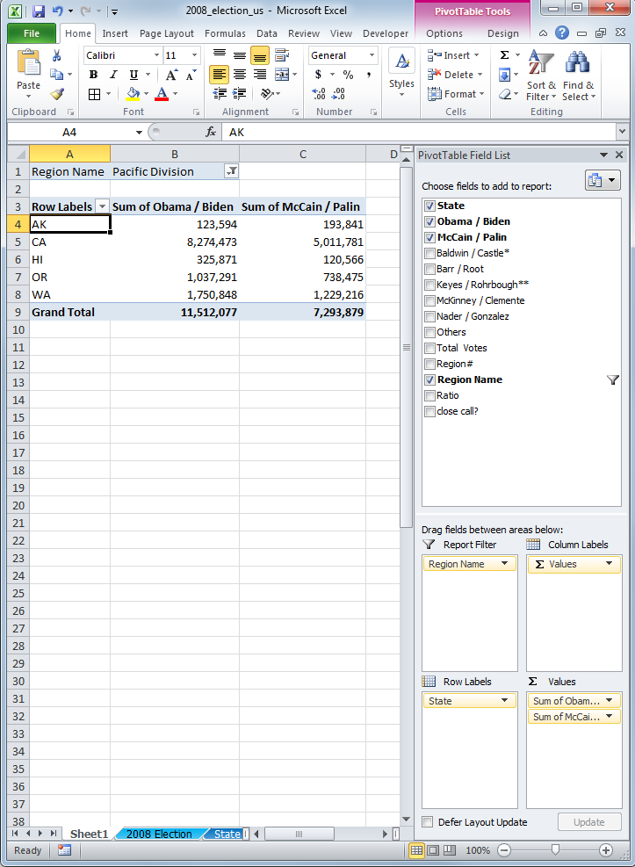
Select data for PivotTable
Region Name | (All)

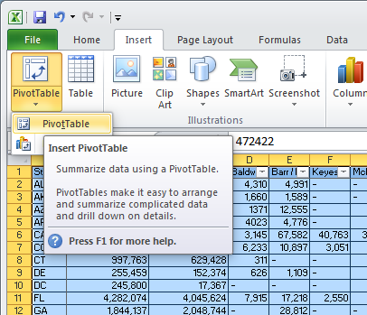
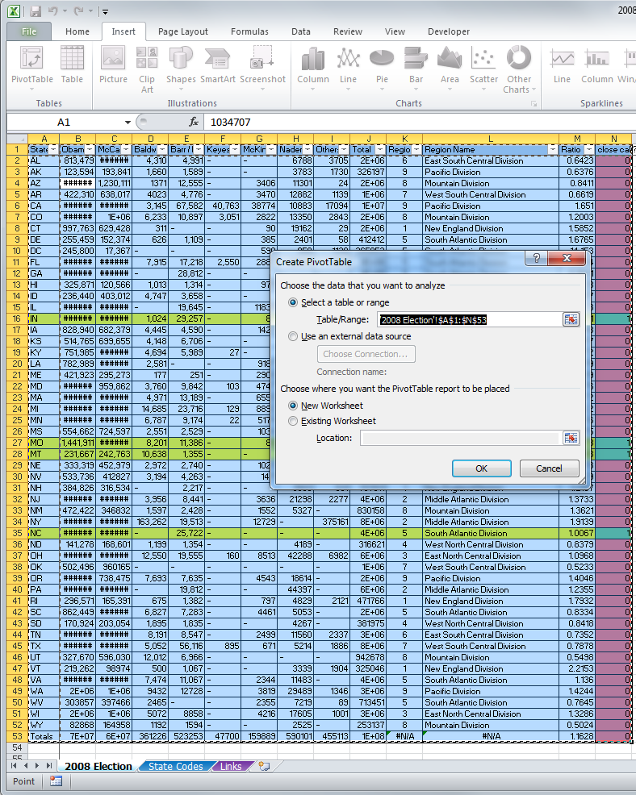
Row Labels | Sum of Obama / Biden | Sum of McCain / Palin
AK | 123,594 | 193,841
AL | 813,479 | 1,266,546
AR | 422,310 | 638,017
AZ | 1,034,707 | 1,230,111
CA | 8,274,473 | 5,011,781
CO | 1,288,576 | 1,073,589
CT | 997,763 | 629,428
DC | 245,800 | 17,367
DE | 255,459 | 152,374
FL | 4,282,074 | 4,045,624
GA | 1,844,137 | 2,048,744
HI | 325,871 | 120,566
IA | 828,940 | 682,379
ID | 236,440 | 403,012
IL | 3,419,673 | 2,031,527
IN | 1,374,039 | 1,345,648
KS | 514,765 | 699,655
KY | 751,985 | 1,048,462
LA | 782,989 | 1,148,275
MA | 1,904,097 | 1,108,854
MD | 1,629,467 | 959,862
ME | 421,923 | 295,273
MI | 2,872,579 | 2,048,639
MN | 1,573,354 | 1,275,409
MO | 1,441,911 | 1,445,814
MS | 554,662 | 724,597
MT | 231,667 | 242,763
NC | 2,142,651 | 2,128,474
ND | 141,278 | 168,601
NE | 333,319 | 452,979
NH | 384,826 | 316,534
NJ | 2,215,422 | 1,613,207
NM | 472,422 | 346,832
NV | 533,736 | 412,827
NY | 4,610,809 | 2,409,077
OH | 2,933,388 | 2,674,491
OK | 502,496 | 960,165
OR | 1,037,291 | 738,475
PA | 3,276,363 | 2,651,812
RI | 296,571 | 165,391
SC | 862,449 | 1,034,896
SD | 170,924 | 203,054
TN | 1,087,437 | 1,479,178
Totals | 69,297,997 | 59,597,520
TX | 3,528,633 | 4,479,328
UT | 327,670 | 596,030
VA | 1,959,532 | 1,725,005
VT | 219,262 | 98,974
WA | 1,750,848 | 1,229,216
WI | 1,677,211 | 1,262,393
Movie fields into desired fields:
Report Filter, Column Labels, Row Labels, Values
WV | 303,857 | 397,466
WY | 82,868 | 164,958
Grand Total | 138,595,994 | 119,195,040

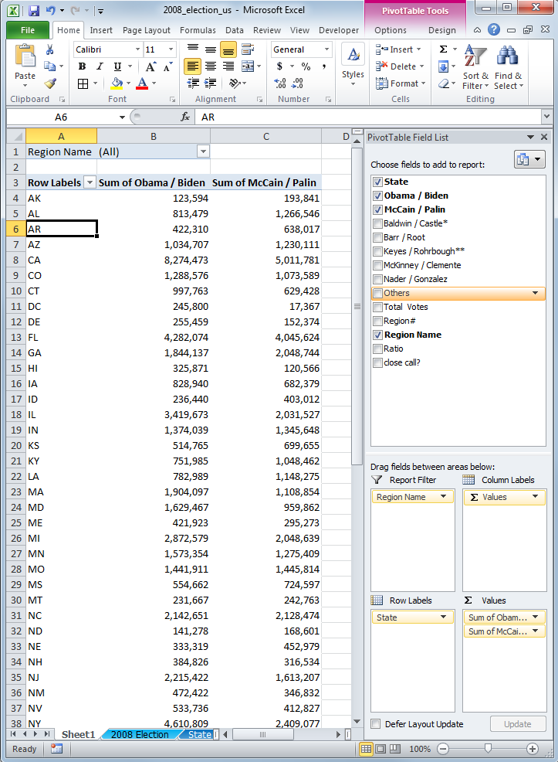

You can use filters using the Report Filter

2008 Election
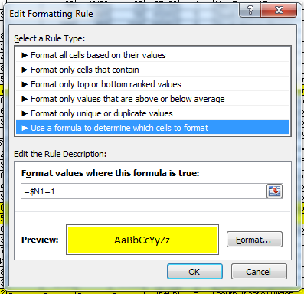
Load data from web...
State | Obama / Biden | McCain / Palin | Baldwin / Castle* | Barr / Root | Keyes / Rohrbough** | McKinney / Clemente | Nader / Gonzalez | Others | Total Votes | Region# | Region Name | Ratio | close call?
AL | 813,479 | 1,266,546 | 4,310 | 4,991 | - | - | 6788 | 3705 | 2099819 | 6 | East South Central Division | 0.64228144892 | 0
AK | 123,594 | 193,841 | 1,660 | 1,589 | - | - | 3783 | 1730 | 326197 | 9 | Pacific Division | 0.63760504744 | 0
AZ | 1,034,707 | 1,230,111 | 1371 | 12,555 | - | 3406 | 11301 | 24 | 2293475 | 8 | Mountain Division | 0.84114929466 | 0
AR | 422,310 | 638,017 | 4023 | 4,776 | - | 3470 | 12882 | 1139 | 1086617 | 7 | West South Central Division | 0.66191026258 | 0
CA | 8,274,473 | 5,011,781 | 3,145 | 67,582 | 40,763 | 38774 | 10883 | 17094 | 13464495 | 9 | Pacific Division | 1.6510045032 | 0
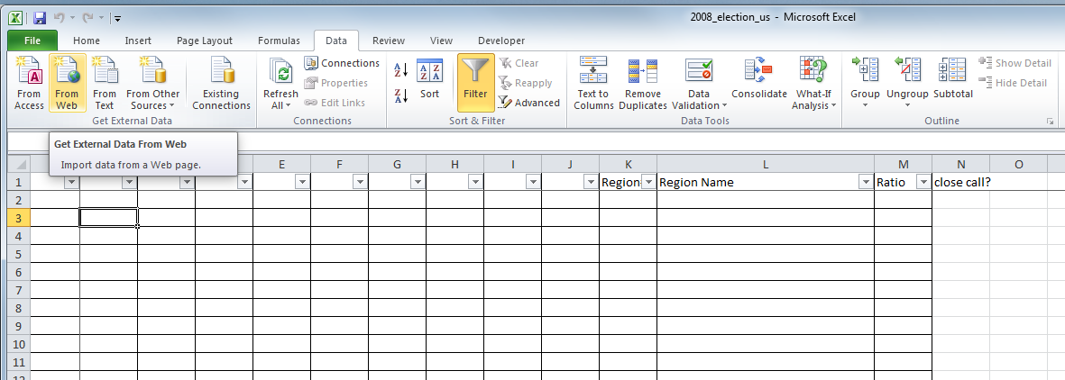
CO | 1,288,576 | 1073589 | 6,233 | 10,897 | 3,051 | 2822 | 13350 | 2843 | 2401361 | 8 | Mountain Division | 1.2002507477 | 0
CT | 997,763 | 629,428 | 311 | - | - | 90 | 19162 | 29 | 1646783 | 1 | New England Division | 1.5851900456 | 0
DE | 255,459 | 152,374 | 626 | 1,109 | - | 385 | 2401 | 58 | 412412 | 5 | South Atlantic Division | 1.676526179 | 0
DC | 245,800 | 17,367 | - | - | - | 590 | 958 | 1138 | 265853 | 5 | South Atlantic Division | 14.153279208 | 0
FL | 4,282,074 | 4,045,624 | 7,915 | 17,218 | 2,550 | 2887 | 28124 | 4352 | 8390744 | 5 | South Atlantic Division | 1.0584458664 | 0
GA | 1,844,137 | 2,048,744 | - | 28,812 | - | - | - | - | 3921693 | 5 | South Atlantic Division | 0.90013051899 | 0
HI | 325,871 | 120,566 | 1,013 | 1,314 | - | 979 | 3825 | - | 453568 | 9 | Pacific Division | 2.702843256 | 0
ID | 236,440 | 403,012 | 4,747 | 3,658 | - | - | 7175 | - | 655032 | 8 | Mountain Division | 0.58668228241 | 0
IL | 3,419,673 | 2,031,527 | - | 19,645 | - | 11838 | 30952 | - | 5513635 | 3 | East North Central Division | 1.6833017725 | 0
IN | 1,374,039 | 1,345,648 | 1,024 | 29,257 | - | 87 | 909 | 90 | 2751054 | 3 | East North Central Division | 1.0210983853 | 1
IA | 828,940 | 682,379 | 4,445 | 4,590 | - | 1423 | 8014 | 595 | 1530386 | 4 | West North Central Division | 1.2147794701 | 0
Enter address, hit Go.
KS | 514,765 | 699,655 | 4,148 | 6,706 | - | - | 10527 | - | 1235801 | 4 | West North Central Division | 0.73574118673 | 0
KY | 751,985 | 1,048,462 | 4,694 | 5,989 | 27 | - | 15378 | 85 | 1826620 | 6 | East South Central Division | 0.71722675691 | 0
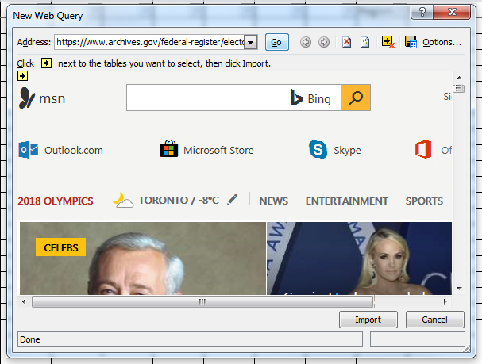
LA | 782,989 | 1,148,275 | 2,581 | - | - | 9187 | 6997 | 10732 | 1960761 | 7 | West South Central Division | 0.68188282424 | 0
ME | 421,923 | 295,273 | 177 | 251 | - | 2900 | 10636 | 3 | 731163 | 1 | New England Division | 1.4289250964 | 0
MD | 1,629,467 | 959,862 | 3,760 | 9,842 | 103 | 4747 | 14713 | 55 | 2622549 | 5 | South Atlantic Division | 1.6976054891 | 0
MA | 1,904,097 | 1,108,854 | 4,971 | 13,189 | - | 6550 | 28841 | 14483 | 3080985 | 1 | New England Division | 1.7171755705 | 0
MI | 2,872,579 | 2,048,639 | 14,685 | 23,716 | 129 | 8892 | 33085 | 41 | 5001766 | 3 | East North Central Division | 1.4021889655 | 0
MN | 1,573,354 | 1,275,409 | 6,787 | 9,174 | 22 | 5174 | 30152 | 801 | 2900873 | 4 | West North Central Division | 1.2336074153 | 0
MS | 554,662 | 724,597 | 2,551 | 2,529 | - | 1034 | 4011 | 481 | 1289865 | 6 | East South Central Division | 0.76547653385 | 0
MO | 1,441,911 | 1,445,814 | 8,201 | 11,386 | - | 80 | 17813 | - | 2925205 | 4 | West North Central Division | 0.99730048263 | 1
MT | 231,667 | 242,763 | 10,638 | 1,355 | - | - | 3686 | - | 490109 | 8 | Mountain Division | 0.95429287 | 1
NE | 333,319 | 452,979 | 2,972 | 2,740 | - | 1028 | 5406 | - | 798444 | 4 | West North Central Division | 0.73583764369 | 0
NV | 533,736 | 412827 | 3,194 | 4,263 | - | 1411 | 6150 | - | 961581 | 8 | Mountain Division | 1.2928805529 | 0
NH | 384,826 | 316,534 | - | 2,217 | - | - | 3503 | 531 | 707611 | 1 | New England Division | 1.215749335 | 0
NJ | 2,215,422 | 1,613,207 | 3,956 | 8,441 | - | 3636 | 21298 | 2277 | 3868237 | 2 | Middle Atlantic Division | 1.3733029921 | 0
NM | 472,422 | 346832 | 1,597 | 2,428 | - | 1552 | 5327 | - | 830158 | 8 | Mountain Division | 1.3621061494 | 0
NY | 4,610,809 | 2,409,077 | 163,262 | 19,513 | - | 12729 | - | 375161 | 7590551 | 2 | Middle Atlantic Division | 1.9139317672 | 0
NC | 2,142,651 | 2,128,474 | - | 25,722 | - | - | - | - | 4296847 | 5 | South Atlantic Division | 1.0066606404 | 1
ND | 141,278 | 168,601 | 1,199 | 1,354 | - | - | 4189 | - | 316621 | 4 | West North Central Division | 0.83794283545 | 0
OH | 2,933,388 | 2,674,491 | 12,550 | 19,555 | 160 | 8513 | 42288 | 6982 | 5697927 | 3 | East North Central Division | 1.0968023448 | 0
OK | 502,496 | 960165 | - | - | - | - | - | - | 1462661 | 7 | West South Central Division | 0.52334338369 | 0
OR | 1,037,291 | 738,475 | 7,693 | 7,635 | - | 4543 | 18614 | - | 1814251 | 9 | Pacific Division | 1.4046392904 | 0
Select Table, Select Import.
PA | 3,276,363 | 2,651,812 | - | 19,812 | - | - | 44397 | - | 5992384 | 2 | Middle Atlantic Division | 1.2355185813 | 0
RI | 296,571 | 165,391 | 675 | 1,382 | - | 797 | 4829 | 2121 | 471766 | 1 | New England Division | 1.793150776 | 0
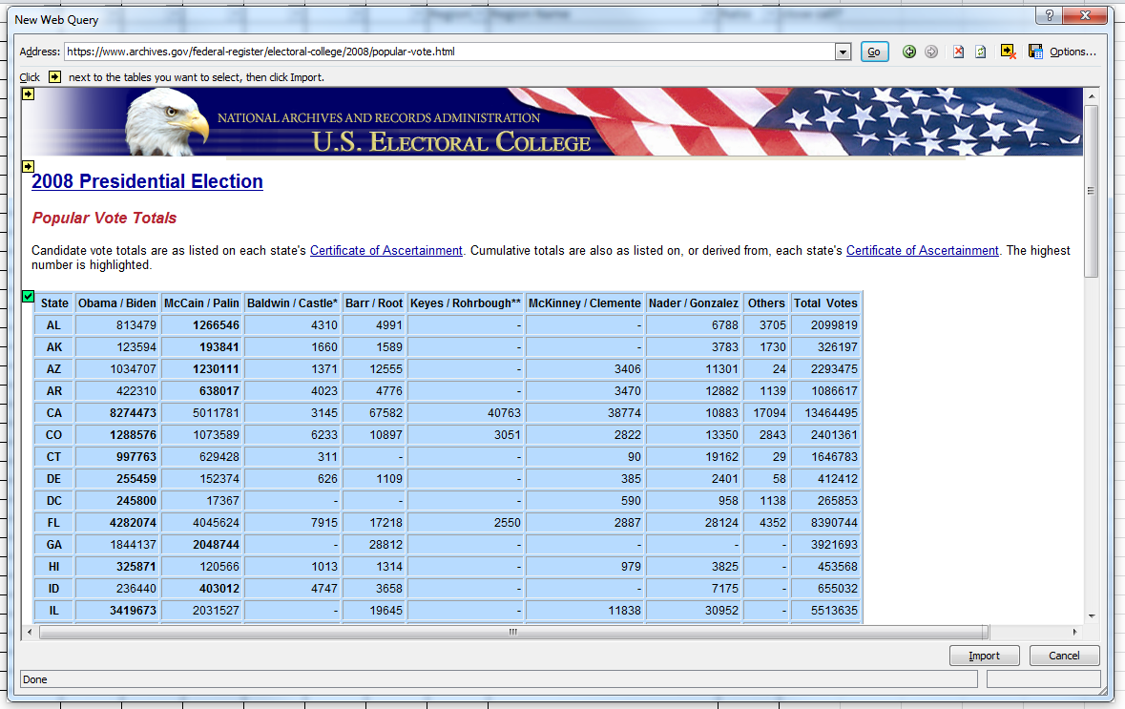
SC | 862,449 | 1,034,896 | 6,827 | 7,283 | - | 4461 | 5053 | - | 1920969 | 5 | South Atlantic Division | 0.83336779734 | 0
SD | 170,924 | 203,054 | 1,895 | 1,835 | - | - | 4267 | - | 381975 | 4 | West North Central Division | 0.84176622967 | 0
TN | 1,087,437 | 1,479,178 | 8,191 | 8,547 | - | 2499 | 11560 | 2337 | 2599749 | 6 | East South Central Division | 0.73516304326 | 0
TX | 3,528,633 | 4,479,328 | 5,052 | 56,116 | 895 | 671 | 5214 | 1886 | 8077795 | 7 | West South Central Division | 0.78775945856 | 0
UT | 327,670 | 596,030 | 12,012 | 6,966 | - | - | - | - | 942678 | 8 | Mountain Division | 0.549754207 | 0
VT | 219,262 | 98974 | 500 | 1,067 | - | - | 3339 | 1904 | 325046 | 1 | New England Division | 2.2153494857 | 0
VA | 1,959,532 | 1,725,005 | 7,474 | 11,067 | - | 2344 | 11483 | - | 3716905 | 5 | South Atlantic Division | 1.1359572871 | 0
WA | 1750848 | 1229216 | 9432 | 12728 | - | 3819 | 29489 | 1346 | 3036878 | 9 | Pacific Division | 1.4243615443 | 0
WV | 303857 | 397466 | 2465 | - | - | 2355 | 7219 | 89 | 713451 | 5 | South Atlantic Division | 0.76448551574 | 0
WI | 1677211 | 1262393 | 5072 | 8858 | - | 4216 | 17605 | 1001 | 2976356 | 3 | East North Central Division | 1.3285965622 | 0
WY | 82868 | 164958 | 1192 | 1594 | - | - | 2525 | - | 253137 | 8 | Mountain Division | 0.50235817602 | 0
Totals | 69297997 | 59597520 | 361226 | 523253 | 47700 | 159889 | 590101 | 455113 | 131032799 | #N/A | #N/A | 1.162766454 | 0

Select OK to Import Data.

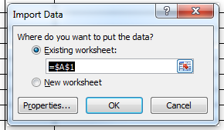
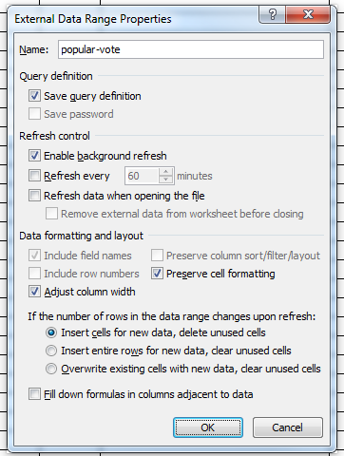

Conditional formatting to highlight close call states

