模型A
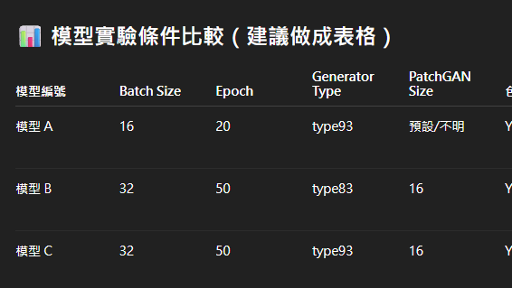

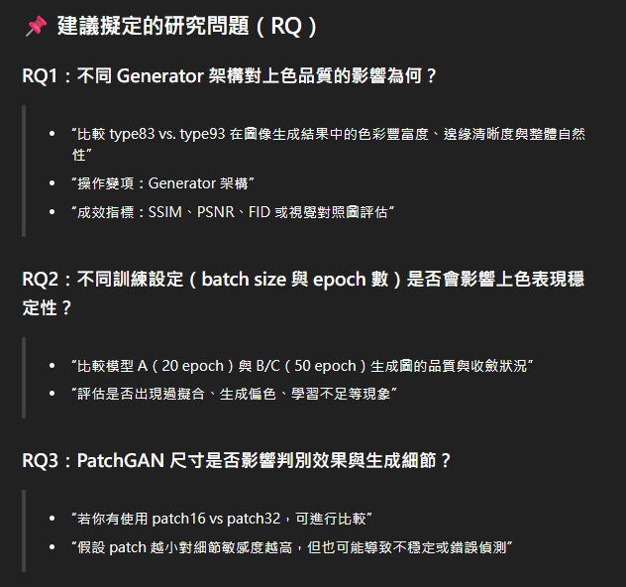
loss D fake train | loss D fake valid | loss D real train | loss D real valid | loss G GAN train | loss G GAN valid | loss G L1 train | loss G L1 valid | predict fake accuracy train | predict fake accuracy valid | predict real accuracy train | predict real accuracy valid
0.492069 | 0.490822 | 0.500154 | 1.004446 | 1.125983 | 1.11853 | 1.11853 | 0.071364 | 0.817323 | 0.844701 | 0.811718 | 0.379519
0.525444 | 1.035365 | 0.533331 | 0.499229 | 1.05274 | 0.567685 | 0.567685 | 0.068111 | 0.799774 | 0.332634 | 0.760067 | 0.772033
0.557414 | 0.62425 | 0.583124 | 0.721169 | 0.971701 | 0.811873 | 0.811873 | 0.065979 | 0.765384 | 0.689636 | 0.703623 | 0.440218
0.566062 | 0.456059 | 0.593556 | 0.888895 | 0.954769 | 1.060838 | 1.060838 | 0.063821 | 0.756337 | 0.918587 | 0.693164 | 0.276883
0.574411 | 0.558358 | 0.603837 | 1.322369 | 0.938043 | 1.230083 | 1.230083 | 0.062285 | 0.743265 | 0.698997 | 0.674916 | 0.344154
0.582436 | 0.984537 | 0.612186 | 0.509344 | 0.928967 | 0.565246 | 0.565246 | 0.060949 | 0.734095 | 0.145511 | 0.665364 | 0.879284
0.582388 | 0.693375 | 0.611082 | 0.725235 | 0.927778 | 0.795948 | 0.795948 | 0.060091 | 0.738613 | 0.574614 | 0.668216 | 0.51531
0.58005 | 0.487648 | 0.610851 | 0.828935 | 0.930971 | 1.137402 | 1.137402 | 0.059008 | 0.738814 | 0.886706 | 0.664464 | 0.32004
0.586638 | 0.96165 | 0.615916 | 0.398989 | 0.931808 | 0.523015 | 0.523015 | 0.058314 | 0.728483 | 0.15661 | 0.661391 | 0.966429
0.585755 | 0.332858 | 0.615429 | 1.209528 | 0.923911 | 1.337357 | 1.337357 | 0.057326 | 0.731649 | 0.97075 | 0.655684 | 0.084611
0.59212 | 0.399741 | 0.62053 | 1.046615 | 0.919089 | 1.176075 | 1.176075 | 0.056514 | 0.721629 | 0.967957 | 0.651327 | 0.125272
0.594989 | 0.315713 | 0.623832 | 1.238208 | 0.925968 | 1.375112 | 1.375112 | 0.056879 | 0.713823 | 0.983953 | 0.65268 | 0.060349
0.598636 | 1.015667 | 0.624922 | 0.442302 | 0.907664 | 0.49539 | 0.49539 | 0.055775 | 0.716617 | 0.122749 | 0.649121 | 0.935807
0.598688 | 0.512966 | 0.623891 | 1.088816 | 0.921214 | 1.037219 | 1.037219 | 0.055408 | 0.712494 | 0.870955 | 0.649123 | 0.136898
0.604334 | 0.287925 | 0.626618 | 1.453575 | 0.899589 | 1.5144 | 1.5144 | 0.053747 | 0.707896 | 0.971033 | 0.641526 | 0.043374
0.604618 | 1.429406 | 0.631939 | 0.271585 | 0.89969 | 0.323219 | 0.323219 | 0.053047 | 0.703464 | 0.051572 | 0.63622 | 0.970521
0.607856 | 0.589243 | 0.632747 | 0.782444 | 0.890371 | 0.864999 | 0.864999 | 0.052304 | 0.701834 | 0.796168 | 0.632619 | 0.334688
0.610092 | 0.732371 | 0.637203 | 0.629944 | 0.891036 | 0.703531 | 0.703531 | 0.051582 | 0.698201 | 0.431646 | 0.629793 | 0.685615
0.610425 | 0.075284 | 0.634108 | 2.620194 | 0.885575 | 2.767459 | 2.767459 | 0.050595 | 0.699985 | 0.999471 | 0.631181 | 0.001612
0.612775 | 0.863881 | 0.636948 | 0.584004 | 0.889644 | 0.640374 | 0.640374 | 0.050622 | 0.694845 | 0.426827 | 0.631073 | 0.630818

