Sheet1
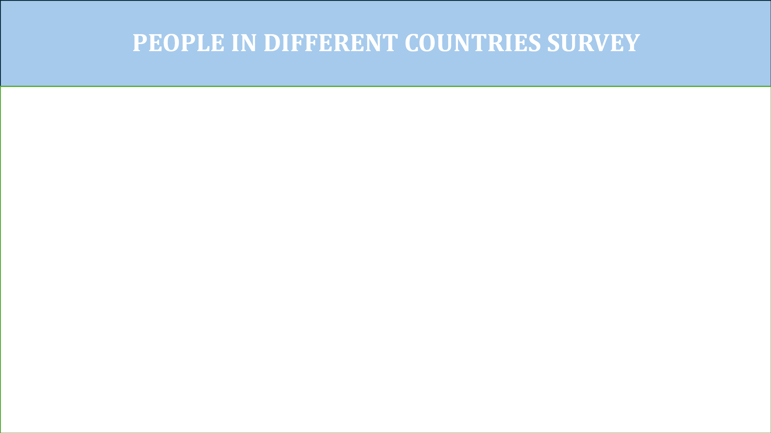

Total POpulation
 | Total
female | 331
male | 337
non-binary | 332
(blank)
Average Income by each age group
 | Total
18 | 16880.64
19 | 14016.041667
20 | 15208.5
21 | 14880.842105
22 | 15755.56
23 | 14775.826087
24 | 14512.571429
25 | 14922.478261
26 | 14786.888889
27 | 15026.666667
28 | 14816.7
29 | 14557.5
30 | 15584.722222
31 | 15577.315789
32 | 14761.055556
33 | 15888.238095
34 | 15149.136364
35 | 15528.875
36 | 15673
37 | 15184.333333
38 | 16405.526316
39 | 15585.909091
40 | 14782.666667
41 | 16100.16
42 | 15680.958333
43 | 14934.787879
44 | 15423.75
45 | 14767.3
46 | 14842.526316
47 | 15683
48 | 14812.0625
49 | 14413.48
50 | 14548.666667
51 | 15427.666667
52 | 14763.464286
53 | 14587.26087
54 | 13979
55 | 14842.5625
56 | 15057.08
57 | 14723.411765
58 | 14322.722222
59 | 15508.529412
60 | 14182.666667
61 | 14082
62 | 14164.16
63 | 14967.153846
64 | 14166.740741

Time Spent on Social Media
 | Total
Category 1 (18-29) | 5.0941176471
Category 2 (30-49) | 5.1004901961
Category 3(50-100) | 4.8931750742
House Owners
 | Total
NO | 123
YES | 132
NO | 200
YES | 208
NO | 169
YES | 168

