Sheet1
URL: | https://m.kfc.co.in/
Observations |  |  |  | Recommendation
1 | Large Number of Http calls.(~100) |  |  | Reduce the number of http calls by combining js files(or by bringing them locally instead of cdn's)
 |  |  |  | Combining of images using image maps can reduce large number of calls
 |  |  |  | Bringing style sheets locally and combining them.

2 | Components are split over 4 domains |  |  | Try to reduce the dns lookup as it usually takes around 100ms to ip address resolution
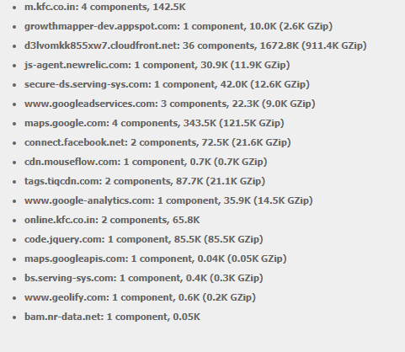

3 | Many Ajax calls happening for this home page. |  |  | Needs to check POST /kfccmsservices/api/* and POST /api.php/OrderService/GetMenuAndStartOrder as more than 7 s sepnt on these ajax calls because these around 10 s sare spent on waiting on ajax calls only
 | Endpoint | Average response time | Total calls
 | All endpoints | 2.16 s | 790
 | POST /events/*/* | 0.794 s | 303
 | POST /kfccmsservices/api/* | 4.31 s | 232
 | POST /api.php/OrderService/GetMenuAndStartOrder | 3.1 s | 93
 | POST /api.php/SecurityService/StartSession | 0.908 s | 92
 | POST /resources/*/* | 1.68 s | 31
 | POST /api.php/OrderService/GetOrderConfirmation | 1.03 s | 12
 | GET /kfccmsservices/api/* | 2.97 s | 7
 | POST /api.php/StoreService/GetStoreOrderOptions | 0.228 s | 7
 | POST /api.php/StoreService/StoreSearch | 0.194 s | 7
 | POST /j/collect | 0.362 s | 3
 | POST /j/collect | 0.197 s | 3

