pivot table
Row Labels | Sum of Total Sales | Row Labels | Sum of Total Sales | Row Labels | Sum of Total Sales | Row Labels | Sum of Units Sold
East | Rs.1.32 L | Action Figure | Rs.0.16 L | Andrew | Rs.3.76 L | Action Figure | 136
North | Rs.3.01 L | Air Fryer | Rs.0.34 L | Cameron | Rs.1.81 L | Air Fryer | 66
South | Rs.2.10 L | Bicycle | Rs.0.34 L | Ella | Rs.2.13 L | Bicycle | 34
West | Rs.4.95 L | Blender | Rs.0.45 L | Grace | Rs.1.96 L | Blender | 128
Grand Total | Rs.11.37 L | Coffee Maker | Rs.0.13 L | Megan | Rs.1.70 L | Coffee Maker | 73
 |  | Desk Lamp | Rs.0.09 L | Grand Total | Rs.11.37 L | Desk Lamp | 95
 |  | Headphones | Rs.0.18 L |  |  | Headphones | 120
 |  | Laptop | Rs.2.03 L |  |  | Laptop | 45
 |  | Microwave | Rs.0.38 L |  |  | Microwave | 59
 |  | Novel | Rs.0.09 L |  |  | Novel | 91
 |  | Refrigerator | Rs.1.05 L |  |  | Refrigerator | 21
 |  | Shoes | Rs.0.31 L |  |  | Shoes | 140
 |  | Smartphone | Rs.1.32 L |  |  | Smartphone | 60
 |  | Sneakers | Rs.0.44 L |  |  | Sneakers | 117
 |  | Tablet | Rs.1.32 L |  |  | Tablet | 88
 |  | Tent | Rs.0.50 L |  |  | Tent | 84
 |  | TV | Rs.1.25 L |  |  | TV | 33
 |  | Vacuum Cleaner | Rs.0.55 L |  |  | Vacuum Cleaner | 78
 |  | Watch | Rs.0.38 L |  |  | Watch | 150
 |  | Water Bottle | Rs.0.06 L |  |  | Water Bottle | 300
 |  | Grand Total | Rs.11.37 L |  |  | Grand Total | 1918

Dashboard
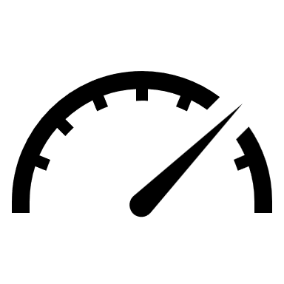

Sales Dashboard - 2024

TOTAL SALES
3334800
Average sales
504000
Units sold
1918
Profit
3334800

 | Total
Andrew | Rs.3.76 L
Cameron | Rs.1.81 L
Ella | Rs.2.13 L
Grace | Rs.1.96 L
Megan | Rs.1.70 L
Unit Sold By Product

 | Total
Action Figure | 136
Air Fryer | 66
Bicycle | 34
Blender | 128
Coffee Maker | 73
Desk Lamp | 95
Headphones | 120
Laptop | 45
Microwave | 59
Novel | 91
Refrigerator | 21
Shoes | 140
Smartphone | 60
Sneakers | 117
Tablet | 88
Tent | 84
TV | 33
Vacuum Cleaner | 78
Watch | 150
Water Bottle | 300

 | Total
East | Rs.1.32 L
North | Rs.3.01 L
South | Rs.2.10 L
West | Rs.4.95 L
 | Total
Action Figure | Rs.0.16 L
Air Fryer | Rs.0.34 L
Bicycle | Rs.0.34 L
Blender | Rs.0.45 L
Coffee Maker | Rs.0.13 L
Desk Lamp | Rs.0.09 L
Headphones | Rs.0.18 L
Laptop | Rs.2.03 L
Microwave | Rs.0.38 L
Novel | Rs.0.09 L
Refrigerator | Rs.1.05 L
Shoes | Rs.0.31 L
Smartphone | Rs.1.32 L
Sneakers | Rs.0.44 L
Tablet | Rs.1.32 L
Tent | Rs.0.50 L
TV | Rs.1.25 L
Vacuum Cleaner | Rs.0.55 L
Watch | Rs.0.38 L
Water Bottle | Rs.0.06 L

