Table 1
A single haplotype hyposensitive to light and requiring strong vernalization dominates Arabidopsis
thaliana populations in Patagonia, Argentina
Luciana Kasulin1§, Beth A. Rowan2§, Rolando J.C. León1**, Verena J. Schuenemann3,4, Detlef Weigel2 and Javier F. Bo.o1*
1Universidad de Buenos Aires, Facultad de Agronomía, IFEVA-CONICET, Av. San Martin 4453, C1417DSE, Ciudad de Buenos Aires, Argentina. 2Department of Molecular Biology, Max Planck Institute for Developmental Biology, 72076 Tübingen, Germany. 3Institute for Archaeological Sciences, University of Tübingen, 72070 Tübingen, Germany. 4Senckenberg Center for Human Evolution and Palaeoecology, University of Tübingen, Tübingen, Germany. §Both authors contributed equally.
*Correspondence should be addressed to JFB (botto@agro.uba.ar). ** Deceased on November 11,
2015
Supporting Information Table of Contents 1. Figure S1. Single nucleotide polymorphisms (SNPs) in Pat. 2. Figure S2. Distribution of shared and segregating SNPs among four Pat accessions across sequence annotation classes. 3. Figure S3. Library characteristics and sequence comparison for the Pat herbarium specimen. 4. Figure S4. Additional principal components analyses for Pat compared with 1135 worldwide accessions. 5. Figure S5. Physiological responses for Pat plants collected in the four diBerent sites. 6. Figure S6. FRc and Bc light responses for Pat and Col-0 during de-etiolation. 7. Figure S7. Hypocotyl length, leaf angle, petiole length, lamina width, lamina length, and Dowering time for Col-0 and Pat plants cultivated in WL and simulated shade (EOD-FR).
8. Figure S8. Photoperiodic Dowering response without vernalization for Col-0 and Pat plants cultivated in long-day (LD) and short-day (SD). 9. Figure S9. Flowering response at diBerent cultivation temperatures. 10. Figure S10. Diagrams of SNPs at BBX4 and PHYB genes. 11. Figure S11. Hypocotyl length for accessions with the Pat allele conferring the V979I change in PHYB. 12. Figure S12. Flowering time (leaf number) for genetic groups (determined by ADMIXTURE) of worldwide A. thaliana accessions. 13. Table S1. Primers used in this study. 14. Table S2. Candidate genes used in this study. 15. Table S3. Geographical data for collection sites. 16. Table S4. Vegetation cover and type for collection sites. 17. Table S5. Texture, ionic and general soil composition for collection sites. 18. Table S6. Clusters of Pat private SNPs on chromosomes 4 and 5. * indicates non-synonymous changes leading to a premature stop codon. 19. Table S7. Candidate genes with polymorphisms in the coding region and low SNP frequency (<0.10) among 1135 accessions from the 1001 Genomes database.
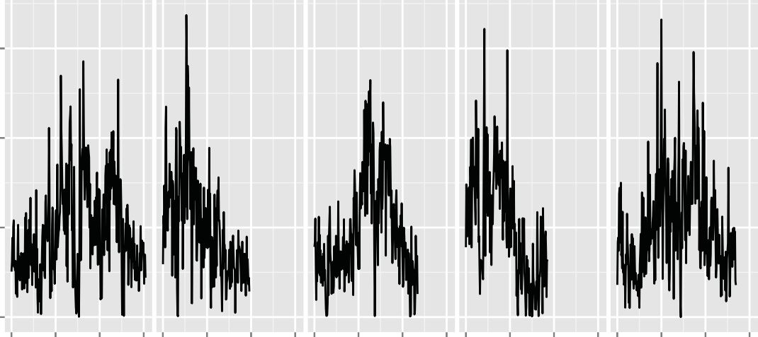 A Chr 1 Chr 2 Chr 3 Chr 4 Chr 5 15 10 5
0 0 10 20 |  | 300 |  | 10 20 |  | 300 |  | 10 20 |  | 300 | 10 20 |  | 30 0 |  | 10 20 30
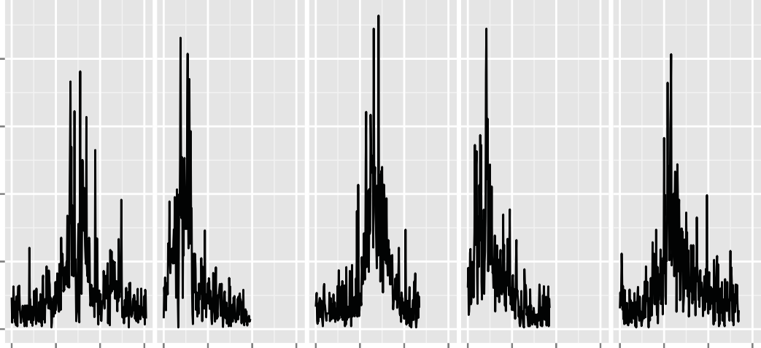 B 0.0004 0.0003 0.0002 0.0001 | Position (Mb)
0 0 10 20 |  |  | 300 |  | 10 20 |  | 30 0 10 |  | 20 30 0 |  |  | 10 20 |  | 300 |  | 10 20 30
C
Position (Mb)
1.2 1.1 1.0 0.9 0.8 0 10 20 30 0 10 20 30 0 10 20 30 0 10 20 30 0 10 20 30 Position (Mb)
Segregating
Shared
Figure S1. Single nucleotide polymorphisms (SNPs) in Pat. A. SNP density in 100-kb windows through- out the genome. B. Nucleotide diversity in 100-kb windows throughout the genome. C. Distribution of 406 SNPs segregating among the four Pat accessions throughout the genome plotted as points with an alpha of 0.2 to make over-plotted points more visible. The chromosome labels at the top of panel A apply to all panels.
0.4
0.2
0.0
Figure S2. Distribution of shared and segregating SNPs among four Pat accessions across sequence annotation classes.

Table 2
A B
2.0
1.5

1.0
20 70 390 Insert size (bp) |  |  |  | 0 5 10 15 20 25 Position Along DNA Fragment
C Pat-2
Pat-1 60 | 16 0 1 | 61 0 4 4 0 358 1 0 0 | Pat-3 78
0 408530 7 2 0 5 0 3 0 0 2 0
0 1 0 61 303
Pat-4 Pat-herb
Figure S3. Library characteristics and sequence comparison for the Pat herbarium specimen. A. Insert size distribution. B. 5’ C to T mutation rates by read position. C. Venn Diagram showing overlap of SNPs among all four 2010 Pat accessions and the 1967 herbarium specimen.

Table 3
relict
spain
italy balkan caucasus
asia
_{patagonia} western europe
admixed
germany central europe
south sweden
north sweden
italy balkan caucasus
patagonia
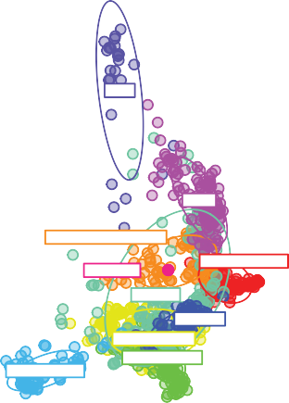 A −80 −60 −40 −20 0 20 PC 1 (3.7%) B |  |  | C −60 −40 −20 0 20 PC 1 (6.0%)

 |  | patagonia
 | italy balkan caucasus

−60 −40 −20 0 20 PC 1 (6.0%)
Figure S4. Additional principal components analyses for Pat compared with 1135 worldwide accessions. A. Component 1 and Component 3 for all accessions. B. Component 1 and Component 2 for Pat and the Italy-Bal- kan-Caucasus ADMIXTURE cluster only. C. Component 1 and Component 3 for Pat and the Italy-Balkan-Caucasus ADMIXTURE cluster only.

Table 4
ns
ns _{ns}
ns
Col
Site 1
Site 2
Site 3
Site 4
ns
ns
ns
ns
De-etiolation response Shade response Flowering response
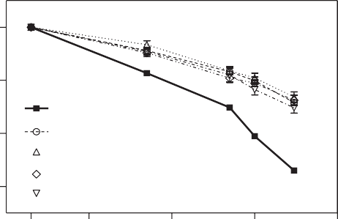 1.0 0.8 0.6 0.4 D | 0.1 | 80 70 60 50 40 30 20 10 1 10 100 | 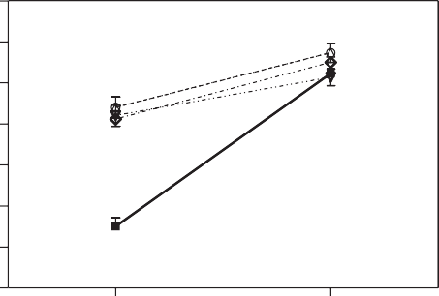 | WL EOD | 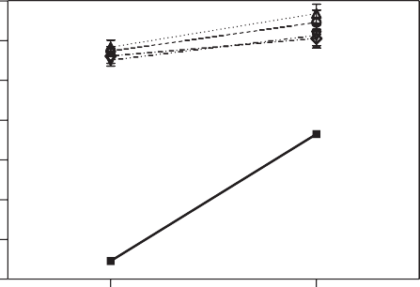 140 120 100 80 60 40 20 0 | LD SD
Log Irradiance (μmoles m-2 s-1)
FRc
Col
Pat
Figure S5. Physiological responses for Pat plants collected in the four different sites. Each point represents mean ± s.e.m (n≥ 6). ns= not significant between Pat populations by ANOVA test.
A Blue Far-red Darkness
B 1.0 0.8
0.6
0.4
0.2
Bc
0.0 0.1 1 10 100 1.0 C 0.8
0.6
0.4
0.2
0.0 0.1 0.3 1 3.2 10 Log Irradiance (μmoles m-2 s-1)
Figure S6. FRc and Bc light responses for Pat and Col-0 during de-etiolation. A. Representative photos for seedlings grown in Bc and FRc light, and dark control Fluence-response curves for hypocotyl length in seedlings grown for 4 days in FRc (B) and Bc (C) light. Each point represents mean ± s.e.m (n≥ 6).
Col
Pat
Col
Pat
Col
Pat

Table 5
Pat
Col
***
***
**
***
ns
***
***
***
ns
ns
ns
ns
8 80 40 6 60 30 4 40 20
2 20 10
0 0 0 50 20 40 15 10 30 10 20 5 10 5
Col
***
Pat
***
0 0 WL EOD WL |  | 0 EOD WL | EOD
Figure S7. Hypocotyl length, leaf angle, petiole length, lamina width, lamina length, and flowering time for Col-0 and Pat plants cultivated in WL and simulated shade (EOD-FR). Each bar represents mean ± s.e.m (n≥ 6). *** P< 0.0001), ns=not significant by ANOVA test.
Long Days (LD) Short Days (SD)
180 120

60
0 LD SD
Figure S8. Photoperiodic flowering response without vernalization for Col-0 and Pat plants cultivated in long-day (LD) and short-day (SD). Each bar represents mean ± s.e.m (n= 15). *** P< 0.0001 by ANOVA test. Representative photo- graphs of 45-d-old Pat plants cultivated in LD or SD.
Pat
 | 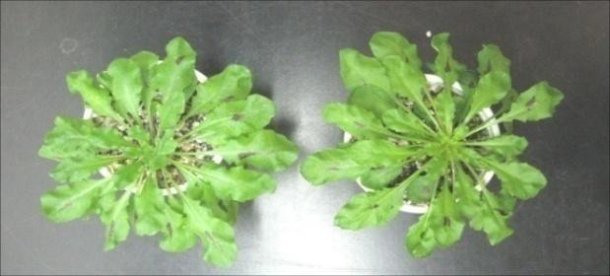
Without vernalization
Col-0 Pat Sf-2
120 100 80 60 40 20 0 5 10 15 20 25 30 Cultivation temperature °C
Figure S9. Flowering response at different cultivation temperatures. Plants were grown under continuous white light without vernalization in SD. Each point represents mean ± s.e.m. (n≥ 6). Open symbol indicates that Pat plants had not flowered by the end of the experiment after 130 days.

Table 6
BBX4 |  | 5´ UTR |  | 0.097 (10567502) |  |  |  |  | 3´ UTR

AAATTTTCT AA TCT
AA TCT
AA TCT
AA TCT
AA TCT
AA TCT
AA TCT
AA TCT
AA TCT
AA TCT
AGTT
AGTT
AGTT
AGTT
AGTT
AGTT
AGTT
AGTT
AGTT
AGTT
Col-0 Pat Ang-0 In-0 Tsu-0 Sanna-2 Pu2-8 Dr-0 Lu-1 Bl-1 Wil-2 |  |  |  |  |  |  | I182V
PHYB | 5´ UTR |  | 0.81 (8140505bp) |  | 0.098 (8143104 bp) | 0.82 (8143470bp) |  | 3´ UTR

I143L V979I L1072V
Figure S10. Diagrams of SNPs at BBX4 and PHYB genes. Arrows indicate synonymous (green) or non-synonymous (red) SNPs. The 5’ and 3’ untranslated regions (UTRs) are shown as light blue boxes, exons are indicated by dark blue boxes, and introns are drawn as arched lines. The vertical blue lines indicate SNPs in UTRs. The frequency and position of non-synonymous SNPs across 1135 A. thaliana accessions are indicated above the red arrows. The amino acid position with the reference and alternate amino acids encoded by the SNPs are shown below the red arrows.
TTTCA
AAG
C
CGGG
CAT
AT
ATG
GCTT
GG
Kaevlinge-1
TTTCA
AAG
C
CGGG
CAT
AT
ATG
GCTT
GG
Hey-1
TTTCA
AAG
C
CGGG
CAT
AT
ATG
GCTT
GG
Dr-0
TTTCA
AAG
C
CGGG
CAT
AT
ATG
GCTT
GG
Kelsterbach
TTTCA
AAG
C
CGGG
CAT
AT
ATG
GCTT
GG
Sp-0
TTTCA
AAG
C
CGGG
CAT
AT
ATG
GCTT
GG
WAR
TTTCA
AAG
C
CGGG
CAT
AT
ATG
GCTT
GG
Pat
TTTCA
AAC
C
CGGG
CGT
AT
TTATG
GA
GG
Col

WL
***
***
***
***
ns
***
ns
EOD-FR
***
** ns
ns ns
**
ns
4
3 2
1
0 6
4
2
0
Figure S11. Hypocotyl length for accessions with the Pat allele confer- ring the V979I change in PHYB. Seed- lings were grown in WL and simulated shade (EOD-FR). Each bar represents mean ± s.e.m. (n≥ 6). *** P<0.0001, ** P<0.001, ns= not significant by ANOVA test.
A
150
125
100
75
50 B 150
120
90
60
30
Figure S12. Flowering time (leaf number) at 10°C (A) and 16°C (B) for genetic groups (determined by ADMIXTURE) of worldwide A. thaliana accessions. Data were obtained from https://arapheno.1001genomes.org/.

