Dashboard
BIKE SALES PERFORMANCE

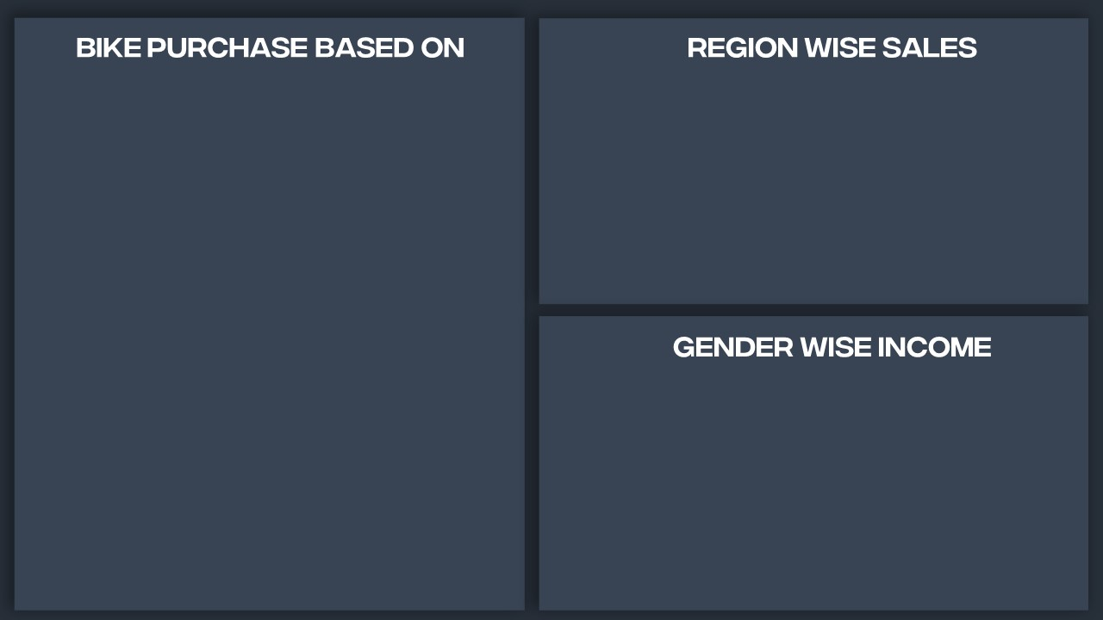

Commute Distance
 | No | Yes
0-1 Miles | 166 | 200
1-2 Miles | 92 | 77
2-5 Miles | 67 | 95
5-10 Miles | 116 | 76
10+ Miles | 78 | 33
 | Total
Europe | 30.77%
North America | 45.74%
Pacific | 23.49%

Age Brackets
 | Total
25-31 | 47
32-54 | 375
55-89 | 59
 | Total
Female | $54,580.78
Male | $58,062.62
Total purchased bike

481
Male average income

$58,062.62

Top 3 buyers based on education

female average income

Partial College
1.
$54,580.78
Bachelors
2.

High School
3.

