Sheet1
Enter DPL code in blue box below. Hex transmission sequence appears in red box. Shift starting at bit 22 down to bit 0, then repeat.
!! Don’t change any other cells except the DPL code cell !!
Reference data appears below.

DPL Code => | 023 | 000 | 010 | 011

 | C9 | 0 | 0 | 0 |  |  |  | Binary Code | BIN ==> | 11101100011100000010011
 | C8 | 0 | 1 | 1 |  |  |  | pattern | Hex ==> | 0x387613
 | C7 | 0 | 0 | 1 | 22 | P | 11 | 1
 | C6 | 0 |  |  | 21 | P | 10 | 1
 | C5 | 1 |  |  | 20 | P | 9 | 1
 | C4 | 0 |  |  | 19 | P | 8 | 0
 | C3 | 0 |  |  | 18 | P | 7 | 1
 | C2 | 1 |  |  | 17 | P | 6 | 1
 | C1 | 1 |  |  | 16 | P | 5 | 0
 | P: |  | NOT |  | 15 | P | 4 | 0
 | 1 | 3 | 0 | 1 | 14 | P | 3 | 0
 | 2 | 2 | 1 | 1 | 13 | P | 2 | 1
 | 3 | 2 | 0 | 0 | 12 | P | 1 | 1
 | 4 | 1 | 1 | 0 | 11 | F | 3 | 1
 | 5 | 3 | 1 | 0 | 10 | F | 2 | 0
 | 6 | 2 | 1 | 1 | 9 | F | 1 | 0
 | 7 | 1 | 0 | 1 | 8 | C | 9 | 0
 | 8 | 2 | 0 | 0 | 7 | C | 8 | 0
 | 9 | 1 | 0 | 1 | 6 | C | 7 | 0
 | 10 | 0 | 1 | 1 | 5 | C | 6 | 0
 | 11 | 2 | 1 | 1 | 4 | C | 5 | 1
 |  |  |  |  | 3 | C | 4 | 0
 |  |  |  |  | 2 | C | 3 | 0
 |  |  |  |  | 1 | C | 2 | 1
 |  |  |  |  | 0 | C | 1 | 1

 |  |  |  |  | bin code: |  |  | 0000000011101100011100000010011

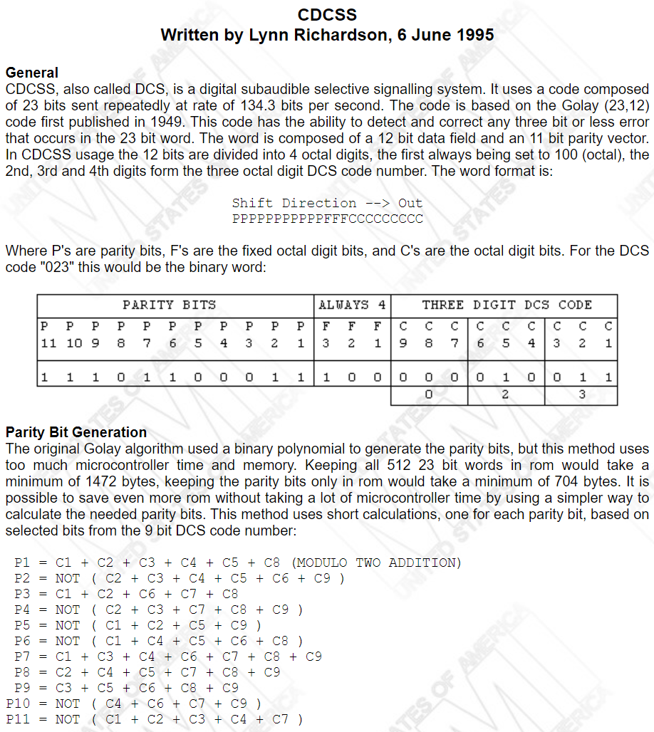
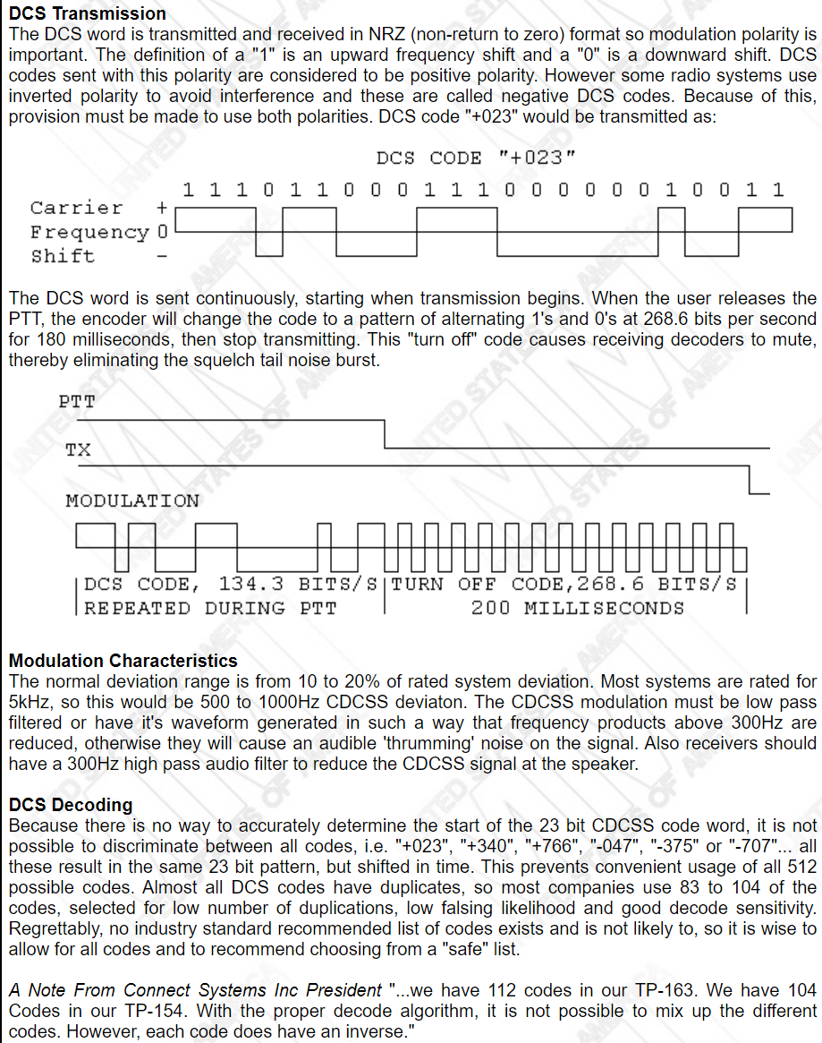
Reference:

