INPUT
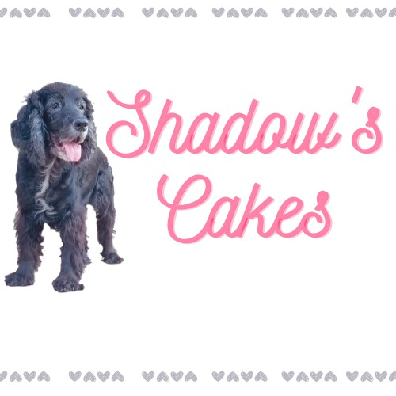

 |  |  | PASSWORD IS 123

SELECTIONS
CAKE | QTY | COST | FROSTING | QTY | COST | TOPPINGS | QTY | COST | OTHER COST PACKING+OVERHEADS | TOT COST | MARGIN | SALE PRICE
 |  |  |  |  |  |  |  |  |  |  | 100% | $
CCH3L8" | 0 | 0 | FBSS | 0 | 0 | TOPPRT |  | 0 | 6
CVAN | 0 | 0.00 | FIMB | 0 | 0 | TOPSC |  | 0
CCAR | 0 | 0 | FSMB | 0 | 0 | TOPPB |  | 0
CAPP | 0 | 0.00 | FBB | 0 | 0.00 | TOPRP |  | 0
CLMN | 0 | 0 | FCCH8" | 0 | 0.00 | TOPESP |  | 0
CRV8" | 0 | 0 | FCHCC8" | 0 | 0.00 | TOPCIN |  | 0
CCC8" | 0 | 0.00 |  |  |  | TOPRIC |  | 0
CCHMO | 0 | 0 |  |  |  | TOPOR |  | 0
CBRCC | 0 | 0 |  |  |  | TOPPP |  | 0
CRASCC | 1 | 20.19 |  |  |  | TOPNUT |  | 0
CCHCC | 0 | 0.00 |  |  |  | TOPDDL |  | 0
CBRNF | 0 | 0.00 |  |  |  | TOPMAC |  | 0
CBBL | 0 | 0.00 |  |  |  | TOPDY |  | 0
CAC | 0 | 0.00
CBANB | 0 | 0.00
CUPCH | 0 | 0.00 |  |  |  | TOPGS |  | 0
CUPRV | 0 | 0.00 |  |  |  | TOPSP |  | 0
CUPVAN | 0 | 0.00 |  |  |  | TOPCF |  | 0
CUPLMN | 0 | 0.00 |  |  |  | TOPPEC |  | 0
CUPRIC | 0 | 0.00
CUPBB | 0 | 0.00
 |  | 20.19 |  |  | 0.00 |  |  | 0 | 6 | 26.19 | 26.19 | 52.38

MODEL | CAKES |  | MODEL | FROSTINGS
CCH3L8" | chocolate |  | FBSS | ButterScotch Cream
CVAN | vanilla |  | FIMB | Italian meringue buttercream (IMB)
CCAR | carrot |  | FSMB | Swiss meringue buttercream
CAPP | apple cake |  | FBB | Brown Butter
CLMN | Lemon loaf |  | FCC | Cream cheese frosting
CRV8" | red velvet |  | FCHCC | Chocolate cream cheese
CCC8" | Regular cheesecake
CCHMO | Chocolate Mocha Cake |  |  | TOPPINGS (FALVOURINGS & DECORATION)
CBRCC | Brownie Base cheesecake |  | TOPPRT | Pretzels
CRASCC | Raspberry Cheesecake |  | TOPSC | Salted Caramel sauce
CCHCC | Chocolate Cheesecake |  | TOPPB | Peanut butter
CBRNF | Brownies Fudgy |  | TOPRP | Raw peanuts
CBBL | Blueberry lemon cake |  | TOPESP | Espresso powder
CAC | Apple Crumble w crumble top |  | TOPCIN | Cinnamon
CBANB | Banana Bread |  | TOPRIC | Ricotta
 | CUPCAKES |  | TOPOR | Oreos
CUPCH | Chocolate |  | TOPPP | Pumpkin puree
CUPRV | Red velvet |  | TOPNUT | Nutella
CUPVAN | Vanilla |  | TOPDDL | Dolce de leche
CUPLMN | Lemon |  | TOPMAC | Macadamia nuts
CUPRIC | Ricotta Raspberry |  | TOPDY | Active dry yeast
CUPBB | Blueberry |  | TOPSP | Sprinkles
 |  |  | TOPPEC | Peacans

ITEM MASTER
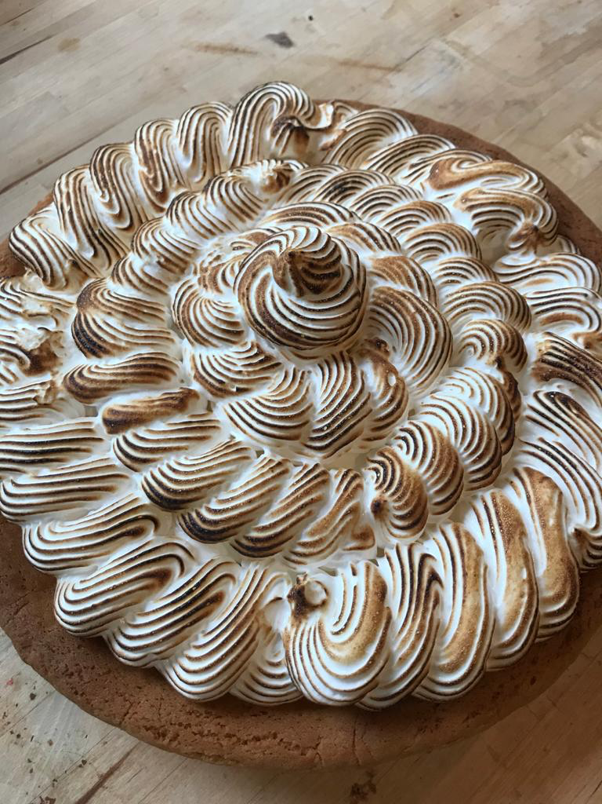
INGREDIENT | QUANTITY |  | PRICE PER QUANTITY | Price per kg/Lt/
flour | 10 kgs | 10 | 12 | 1.20
caster sugar | 10 kgs | 10 | 12.09 | 1.21
cocoa powder | 700g | 0.7 | 10.99 | 15.70
baking soda (Arm & hammer) | 500g | 0.5 | 1.55 | 3.10
baking powder | 400g | 0.4 | 2.49 | 6.23
kosher salt | 1.36 kgs | 1.36 | 6.99 | 5.14
eggs | 12 | 12 | 6.5 | 0.54
buttermilk | 946ml | 0.946 | 2.85 | 3.01
vegetable oil (Crisco) | 1.42 litre | 1.42 | 6.99 | 4.92
Vanilla extract | 100 ml | 0.1 | 16 | 160.00
cream cheese | 250g | 0.25 | 3.5 | 14.00
icing sugar | 1 kg | 1 | 2.22 | 2.22
pretzels | 320g | 0.32 | 4.89 | 15.28
dark chocolate (Bakers) | 226g | 0.226 | 5.99 | 26.50
dark chocolate (Callebaut) | 400g | 0.4 | 10.99 | 27.47
Whipping cream | 1 L | 1 | 5.79 | 5.79
unsalted butter sticks | 454g | 0.454 | 7.7 | 16.96
unsalted butter block | 454g | 0.454 | 5.99 | 13.19
Creamy Peanutbutter (Kraft) | 500g | 0.5 | 4.99 | 9.98
Raw peanuts | 100g | 0.1 | 0.6 | 6.00
Apples (Granny Smith) | 100g | 0.1 | 1.5 | 15.00
Apples (Pink Lady) | 200g | 0.2 | 1.1 | 5.50
Brown sugar | 1 kg | 1 | 4.39 | 4.39
Apple Sauce | 650g | 0.65 | 2.95 | 4.54
Sour cream | 250 ml | 0.25 | 2.29 | 9.16
Lemons | 1 lemon | 1 | 1.29 | 1.29
Fresh Raspberries | 170g | 0.17 | 6.99 | 41.12
Frozen Raspberries | 400g | 0.4 | 6.99 | 17.47
Raspberry jam (store bought) | 250 mil | 0.25 | 6.49 | 25.96
Egg whites (from the carton) | 500g | 0.5 | 4.2 | 8.40
Espresso powder | 500g | 0.5 | 7.99 | 15.98
Red food colour (AmeriColour) | 56g | 0.056 | 2.99 | 53.39
Whhite vinigar | 500 ml | 0.5 | 2.79 | 5.58
Cinnamon | 60g | 0.06 | 5.99 | 99.83
Carrots | 100g | 0.1 | 0.37 | 3.70
Fresh Nutmeg | 39g | 0.039 | 5.69 | 145.90
All spice | 35g | 0.035 | 5.69 | 162.57
Ricotta | 500g | 0.5 | 7.69 | 15.38
Coconut oil | 414 ml | 0.414 | 9.99 | 24.13
Cake flour | 2.5 kgs | 2.5 | 8.19 | 3.28
Milk chocolate (Calliburt) | 400g | 0.4 | 10.99 | 27.47
Bittersweet chocolate (Bakers) | 226g | 0.226 | 5.99 | 26.50
White Chocolate (Callebuart) | 400g | 0.4 | 10.99 | 27.47
White Chocolate (Bakers) | 170g | 0.17 | 6.99 | 41.12
Fresh blueberries | 510g | 0.51 | 8.99 | 17.63
Graham crackers | 400g | 0.4 | 5.49 | 13.73
Oreos (double stuffed) | 523g | 0.523 | 5.49 | 10.50
oreos | 523g | 0.523 | 5.49 | 10.50
Pumpkin puree | 796 ml | 0.796 | 5.79 | 7.27
Bananas | 100g | 0.1 | 0.35 | 0.35
Nutella | 375g | 0.375 | 4.95 | 13.20
Dolce de leche | 300ml | 0.3 | 4.3 | 14.33
Macadamia nuts | 100g | 0.1 | 9.99 | 99.90
active dry yeast | 113g | 0.113 | 6.69 | 59.20
Malted milk powder | 368g | 0.368 | 14 | 38.04
Candy Melts (Wilton) | 200g | 0.2 | 5.99 | 29.95
Peacans | 100g | 0.1 | 4.19 | 41.90
Golden syrup / white corn syrup (Crown) | 500 ml | 0.5 | 4.99 | 9.98
Consensed milk | 300ml | 0.3 | 4.3 | 14.33
Evaporated milk | 100ml | 0.1 | 2.5 | 25.00
2% milk | 1 L | 1 | 2.45 | 2.45
Whole Milk | 1 L | 1 | 2.6 | 2.60
whole Milk (Avalon) | 1 L | 1 | 3.19 | 3.19
Food colouring | per bottle | 0.21 | 3 | 14.29
parchment paper | 7 ft | 7 | 8.89 | 1.27
cling wrap | 152 m | 152 | 7.99 | 0.05
piping bags | 100 pcs | 100 | 15 | 0.15
cake boards | 15 pcs | 15 | 18 | 1.20
cake boxes | 15 pcs | 15 | 36 | 2.40
honey | 1 kg | 1 | 11.29 | 11.29
sprinkles | 1 bottle | 1 | 7 | 7.00
fondent | 1 packet | 1 | 10 | 10.00
almond extract | 1bottle | 59ml | 7 | 120
Quaker rolled oats |  |  |  | 6.5
Plain yogurt | 1.75 | kg | 10 | 5.7
ginger | 100 | 100gm | 2 | 20
half & half | 475 | ml | 2.5 | 0.0053

