Biomass Regressions
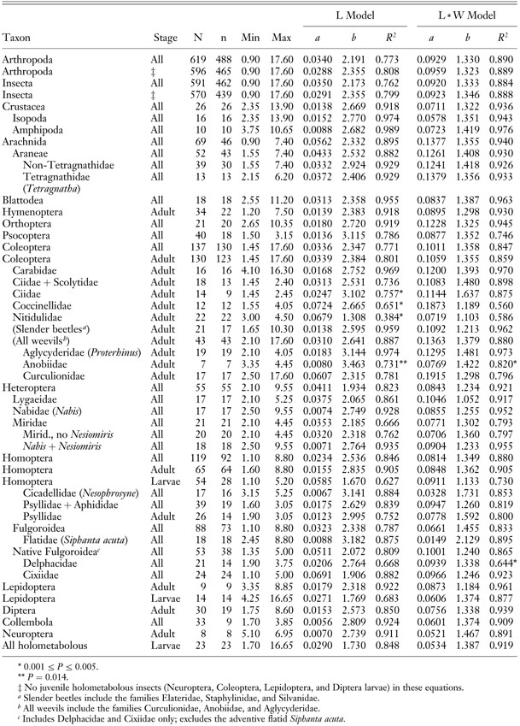
Smock 1980 | lnW=lna+blnL
L = body length, mm | lna | b | r |  |  |  |  |  |  | lna | b |  | Coleoptera | 2.18
NOTE: LARVAE EXCEPT FOR aquatic COLEOPTERANS |  |  |  |  |  |  |  |  | Coleoptera | -1.8781 | 2.18
Coleoptera | -1.8781 | 2.18 | 0.94 |  |  |  |  |  | Diptera | -5.221 | 2.43
Diptera | -5.221 | 2.43 | 0.96 |  |  |  |  |  | Ephemeroptera | -5.021 | 2.88
Diptera (pupa) | -5.221 | 2.43 | 0.96 |  |  |  |  |  | Hemiptera | -3.461 | 2.4
Ephemeroptera | -5.021 | 2.88 | 0.94 |  |  |  |  |  | Megaloptera | -5.843 | 2.75
Hemiptera | -3.461 | 2.4 | 0.93 |  |  |  |  |  | Odonata | -4.269 | 2.78
Megaloptera | -5.843 | 2.75 | 0.95 |  |  |  |  |  | Plecoptera | -6.075 | 3.39
Odonata | -4.269 | 2.78 | 0.94 |  |  |  |  |  | Trichoptera | -6.266 | 3.12
Plecoptera | -6.075 | 3.39 | 0.95 |  |  |  |  |  | Ephemeroptera (adult) | -4.2686979494 | 2.49
Trichoptera | -6.266 | 3.12 | 0.83 |  |  |  |  |  | Lepidoptera | -4.4228486292 | 2.69
Sabo et al 2002 |  |  |  |  |  |  |  |  | Odonata | -1.9661128564 | 2.27
NOTE: FOR ADULTS ONLY | lna | b | r |  |  |  |  |  | Plecoptera (adult) | -1.347073648 | 1.69
Ephemeroptera (adult) | -4.2686979494 | 2.49 | 0.89 |  |  |  |  |  | Trichoptera (adult) | -4.605170186 | 2.9
Lepidoptera (adult) | -4.4228486292 | 2.69 | 0.82 |  |  |  |  |  | Coleoptera (adult) | -3.2188758249 | 2.64
Odonata (adult) | -1.9661128564 | 2.27 | 0.9 |  |  |  |  |  | Homoptera | -5.2983173665 | 3.33
Plecoptera (adult) | -1.347073648 | 1.69 | 0.95 |  |  |  |  |  | Hymenoptera | -0.57981849525 | 1.56 | Sure it's not -5.79?? Source for these
Trichoptera (adult) | -4.605170186 | 2.9 | 0.92 |  |  |  |  |  | Orthoptera | -3.5065578973 | 2.55
Coleoptera (adult) | -3.2188758249 | 2.64 | 0.95 |  |  |  |  |  | Araneae | -2.9957322736 | 2.06
Homoptera | -5.2983173665 | 3.33 | 0.93 |  |  |  |  |  | Microcoryphia | -2.9957322736 | 2.06
Hymenoptera (adult) | -0.57981849525 | 1.56 | 0.75 |  |  |  |  |  | Diptera (adult) | -3.2188758249 | 2.26
Orthoptera | -3.5065578973 | 2.55 | 0.95 |  |  |  |  |  | Brachycera (adult) | -5.1159958098 | 3.05
Araneae | -2.9957322736 | 2.06 | 0.98 |  |  |  |  |  | Nematocera (adult) | -2.302585093 | 1.57
Microcoryphia | -2.9957322736 | 2.06 | 0.97
Diptera (adult) | -3.2188758249 | 2.26 | 0.91
Brachycera (adult) | -5.1159958098 | 3.05 | 0.85
Nematocera (adult) | -2.302585093 | 1.57 | 0.9
Formicidae | -3.611918413 | 2.666
Apidae | -5.1159958098 | 3.407
Cicadellidae | -2.5383074265 | 2.229
Cicadidae | -5.52 | 3.373
Vespidae | -6.907755279 | 3.723
Culicidae (adult) | -3.4420193762 | 2.038

Dockham 2016
Oligochaeta | -6.032 | 2.875
Acari | -2.02 | 1.66
Ostracoda | -5.15 | 3.015
Collembola | -5.051 | 2.788
Planariidae | -4.804 | 2.168
Sample et. al 1993 (terrestrial bugs) | Weight = exp(d)(length)^(c)
 | a | b
Lepidoptera (larva, terrestrial) | -5.909 | 2.959
Chrysopidae | -6.584 | 3.358
Geometridae (larva) | -5.493 | 2.625
Arctiidae | -3.755 | 2.658
Pentatomidae | -4.197 | 3.053
Benke et al. 1999 (all larvae) | a | b
Baetidae | -5.2400484584 | 2.875
Ephemerellidae | -4.5756113837 | 2.676 |  |  | adult Siphlonurus
Heptageniidae | -4.5282091449 | 2.754
Leptophlebiidae | -5.3601927703 | 2.686
Gomphidae | -4.7330035575 | 2.787
Nemouridae | -5.1849886812 | 2.762
Perlodidae | -3.9322257127 | 2.742
Perlidae | -4.6152205218 | 2.879
Chloroperlidae | -5.0359531021 | 2.724
Veliidae | -4.374058465 | 2.719
Brachycentridae | -4.7914997642 | 2.818
Glossosomatidae | -4.8036211247 | 2.958
Hydropsychidae | -5.3816989755 | 2.926
Lepidostomatidae | -4.8408925195 | 2.649
Limnephilidae | -5.5214609179 | 2.933
Polycentropodidae | -5.3601927703 | 2.705
Rhyacophilidae | -4.6152205218 | 2.48
Elmidae | -4.9062752788 | 2.879
Psephenidae | -4.3981560166 | 2.906 |  | 3
Chironomidae | -6.3199686141 | 2.617 | 0.031907944553
Tipulidae | -5.843044542 | 2.681
Simuliidae | -6.2146080984 | 3.011
Philopotamidae | -5.2983173665 | 2.511
Anthericidae | -5.5214609179 | 2.586
Siphlonuridae | -5.914503506 | 3.446
Odontoceridae | -4.8665349501 | 2.988
Aeshnidae | -4.804 | 2.813
Coleoptera (larva) | -4.867 | 2.91
Gruner 2003 (Hawaii paper)
Psocoptera | -4.2976854862 | 3.115 |  |  | WE STILL NEED REGRESSIONS FOR…
Neuroptera | -4.9618451299 | 2.739 |  |  |  | a | b | link
 |  |  |  |  | Psocoptera | 0.0136 | 3.115 | https://muse.jhu.edu/article/44466/summary
 |  |  |  |  | Protura
 |  |  |  |  | Thysanoptera
 |  |  |  |  | Neuroptera | 0.007 | 2.739 | https://muse.jhu.edu/article/44466/summary

