Sheet1
LED | X | Y | Strip | X | Y | 1-1 | 1-2 | 1-3 | 2-1 | 2-2 | 2-3 | 2-4 | 2-5 | 2-6 | 3-1 | 3-2 | 3-3 | Output
0 | 1.3120 | -0.7575 | 0 | 1312 | -757 |  |  |  |  |  |  |  |  |  |  |  |  | {0, 1312, -757},
1 | 2.6240 | -1.5150 | 0 | 2624 | -1515 |  |  |  |  |  |  |  |  |  |  |  |  | {0, 2624, -1515},
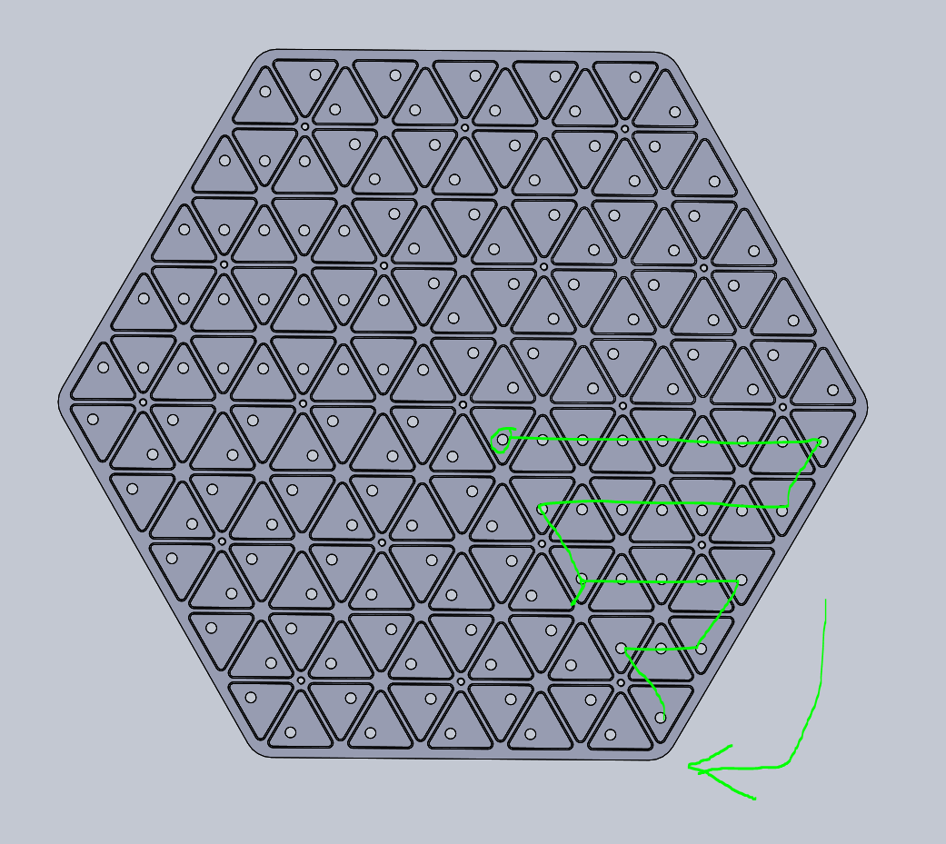
2 | 3.9370 | -0.7575 | 0 | 3937 | -757 |  |  |  |  |  |  |  |  |  |  |  |  | {0, 3937, -757},
3 | 5.2490 | -1.5150 | 0 | 5249 | -1515 |  |  |  |  |  |  |  |  |  |  |  |  | {0, 5249, -1515},
4 | 6.5620 | -0.7575 | 0 | 6562 | -757 |  |  |  |  |  |  |  |  |  |  |  |  | {0, 6562, -757},
1.3120 | -0.7575 | 1.3120 | -0.7575
2.6240 | -1.5150 | 2.6240 | -1.5150
3.9370 | -0.7575 | 3.9370 | -0.7575
5.2490 | -1.5150 | 5.2490 | -1.5150
6.5620 | -0.7575 | 6.5620 | -0.7575
7.8740 | -1.5150 | 7.8740 | -1.5150
9.1870 | -0.7575 | 9.1870 | -0.7575
10.4990 | -1.5150 | 10.4990 | -1.5150
11.8120 | -0.7575 | 11.8120 | -0.7575
10.4990 | -3.0308 | 10.4990 | -3.0308
9.1870 | -3.7883 | 9.1870 | -3.7883
7.8740 | -3.0308 | 7.8740 | -3.0308
6.5620 | -3.7883 | 6.5620 | -3.7883
5.2490 | -3.0308 | 5.2490 | -3.0308
3.9370 | -3.7883 | 3.9370 | -3.7883
2.6240 | -3.0308 | 2.6240 | -3.0308
3.9370 | -5.3041 | 3.9370 | -5.3041
5.2490 | -6.0616 | 5.2490 | -6.0616
6.5620 | -5.3041 | 6.5620 | -5.3041
7.8740 | -6.0616 | 7.8740 | -6.0616
9.1870 | -5.3041 | 9.1870 | -5.3041
7.8740 | -7.5774 | 7.8740 | -7.5774
6.5620 | -8.3349 | 6.5620 | -8.3349
5.2490 | -7.5774 | 5.2490 | -7.5774
6.5620 | -9.8508 | 6.5620 | -9.8508
0.0000 | -1.5150
0.0000 | -3.0299
1.3125 | -3.7883
1.3125 | -5.3033
2.6250 | -6.0616
2.6250 | -7.5766
3.9375 | -8.3349
3.9375 | -9.8499
5.2500 | -10.6082
2.6248 | -10.6078
1.3128 | -9.8503
1.3123 | -8.3345
0.0003 | -7.5770
-0.0002 | -6.0612
-1.3122 | -5.3037
-1.3127 | -3.7879
-2.6250 | -6.0616
-2.6250 | -7.5766
-1.3125 | -8.3349
-1.3125 | -9.8499
0.0000 | -10.6082
-2.6252 | -10.6078
-3.9373 | -9.8503
-3.9377 | -8.3345
-5.2500 | -10.6082
...
5 | 7.8740 | -1.5150 | 0 | 7874 | -1515 |  |  |  |  |  |  |  |  |  |  |  |  | {0, 7874, -1515},
6 | 9.1870 | -0.7575 | 0 | 9187 | -757 |  |  |  |  |  |  |  |  |  |  |  |  | {0, 9187, -757},
7 | 10.4990 | -1.5150 | 0 | 10499 | -1515 |  |  |  |  |  |  |  |  |  |  |  |  | {0, 10499, -1515},
8 | 11.8120 | -0.7575 | 0 | 11812 | -757 |  |  |  |  |  |  |  |  |  |  |  |  | {0, 11812, -757},
9 | 10.4990 | -3.0308 | 0 | 10499 | -3031 |  |  |  |  |  |  |  |  |  |  |  |  | {0, 10499, -3031},
10 | 9.1870 | -3.7883 | 0 | 9187 | -3788 |  |  |  |  |  |  |  |  |  |  |  |  | {0, 9187, -3788},
11 | 7.8740 | -3.0308 | 0 | 7874 | -3031 |  |  |  |  |  |  |  |  |  |  |  |  | {0, 7874, -3031},
12 | 6.5620 | -3.7883 | 0 | 6562 | -3788 |  |  |  |  |  |  |  |  |  |  |  |  | {0, 6562, -3788},
13 | 5.2490 | -3.0308 | 0 | 5249 | -3031 |  |  |  |  |  |  |  |  |  |  |  |  | {0, 5249, -3031},
14 | 3.9370 | -3.7883 | 0 | 3937 | -3788 |  |  |  |  |  |  |  |  |  |  |  |  | {0, 3937, -3788},
15 | 2.6240 | -3.0308 | 0 | 2624 | -3031 |  |  |  |  |  |  |  |  |  |  |  |  | {0, 2624, -3031},
16 | 3.9370 | -5.3041 | 0 | 3937 | -5304 |  |  |  |  |  |  |  |  |  |  |  |  | {0, 3937, -5304},
17 | 5.2490 | -6.0616 | 0 | 5249 | -6062 |  |  |  |  |  |  |  |  |  |  |  |  | {0, 5249, -6062},
18 | 6.5620 | -5.3041 | 0 | 6562 | -5304 |  |  |  |  |  |  |  |  |  |  |  |  | {0, 6562, -5304},
19 | 7.8740 | -6.0616 | 0 | 7874 | -6062 |  |  |  |  |  |  |  |  |  |  |  |  | {0, 7874, -6062},
20 | 9.1870 | -5.3041 | 0 | 9187 | -5304 |  |  |  |  |  |  |  |  |  |  |  |  | {0, 9187, -5304},
21 | 7.8740 | -7.5774 | 0 | 7874 | -7577 |  |  |  |  |  |  |  |  |  |  |  |  | {0, 7874, -7577},
22 | 6.5620 | -8.3349 | 0 | 6562 | -8335 |  |  |  |  |  |  |  |  |  |  |  |  | {0, 6562, -8335},
23 | 5.2490 | -7.5774 | 0 | 5249 | -7577 |  |  |  |  |  |  |  |  |  |  |  |  | {0, 5249, -7577},
24 | 6.5620 | -9.8508 | 0 | 6562 | -9851 |  |  |  |  |  |  |  |  |  |  |  |  | {0, 6562, -9851},
25 | 0.0000 | -1.5150 | 1 | 0 | -1515 |  |  |  |  |  |  |  |  |  |  |  |  | {1, 0, -1515},
26 | 0.0000 | -3.0299 | 1 | 0 | -3030 |  |  |  |  |  |  |  |  |  |  |  |  | {1, 0, -3030},
27 | 1.3125 | -3.7883 | 1 | 1313 | -3788 |  |  |  |  |  |  |  |  |  |  |  |  | {1, 1313, -3788},
28 | 1.3125 | -5.3033 | 1 | 1312 | -5303 |  |  |  |  |  |  |  |  |  |  |  |  | {1, 1312, -5303},
29 | 2.6250 | -6.0616 | 1 | 2625 | -6062 |  |  |  |  |  |  |  |  |  |  |  |  | {1, 2625, -6062},
30 | 2.6250 | -7.5766 | 1 | 2625 | -7577 |  |  |  |  |  |  |  |  |  |  |  |  | {1, 2625, -7577},
31 | 3.9375 | -8.3349 | 1 | 3938 | -8335 |  |  |  |  |  |  |  |  |  |  |  |  | {1, 3938, -8335},
32 | 3.9375 | -9.8499 | 1 | 3937 | -9850 |  |  |  |  |  |  |  |  |  |  |  |  | {1, 3937, -9850},
33 | 5.2500 | -10.6082 | 1 | 5250 | -10608 |  |  |  |  |  |  |  |  |  |  |  |  | {1, 5250, -10608},
34 | 2.6248 | -10.6078 | 1 | 2625 | -10608 |  |  |  |  |  |  |  |  |  |  |  |  | {1, 2625, -10608},
35 | 1.3128 | -9.8503 | 1 | 1313 | -9850 |  |  |  |  |  |  |  |  |  |  |  |  | {1, 1313, -9850},
36 | 1.3123 | -8.3345 | 1 | 1312 | -8334 |  |  |  |  |  |  |  |  |  |  |  |  | {1, 1312, -8334},
37 | 0.0003 | -7.5770 | 1 | 0 | -7577 |  |  |  |  |  |  |  |  |  |  |  |  | {1, 0, -7577},
38 | -0.0002 | -6.0612 | 1 | 0 | -6061 |  |  |  |  |  |  |  |  |  |  |  |  | {1, 0, -6061},
39 | -1.3122 | -5.3037 | 1 | -1312 | -5304 |  |  |  |  |  |  |  |  |  |  |  |  | {1, -1312, -5304},
40 | -1.3127 | -3.7879 | 1 | -1313 | -3788 |  |  |  |  |  |  |  |  |  |  |  |  | {1, -1313, -3788},
41 | -2.6250 | -6.0616 | 1 | -2625 | -6062 |  |  |  |  |  |  |  |  |  |  |  |  | {1, -2625, -6062},
42 | -2.6250 | -7.5766 | 1 | -2625 | -7577 |  |  |  |  |  |  |  |  |  |  |  |  | {1, -2625, -7577},
43 | -1.3125 | -8.3349 | 1 | -1313 | -8335 |  |  |  |  |  |  |  |  |  |  |  |  | {1, -1313, -8335},
44 | -1.3125 | -9.8499 | 1 | -1312 | -9850 |  |  |  |  |  |  |  |  |  |  |  |  | {1, -1312, -9850},
45 | 0.0000 | -10.6082 | 1 | 0 | -10608 |  |  |  |  |  |  |  |  |  |  |  |  | {1, 0, -10608},
46 | -2.6252 | -10.6078 | 1 | -2625 | -10608 |  |  |  |  |  |  |  |  |  |  |  |  | {1, -2625, -10608},
47 | -3.9373 | -9.8503 | 1 | -3937 | -9850 |  |  |  |  |  |  |  |  |  |  |  |  | {1, -3937, -9850},
48 | -3.9377 | -8.3345 | 1 | -3938 | -8334 |  |  |  |  |  |  |  |  |  |  |  |  | {1, -3938, -8334},
49 | -5.2500 | -10.6082 | 1 | -5250 | -10608 |  |  |  |  |  |  |  |  |  |  |  |  | {1, -5250, -10608},
50 | -1.3120 | -0.7575 | 2 | -1312 | -757 |  |  |  |  |  |  |  |  |  |  |  |  | {2, -1312, -757},
51 | -2.6240 | -1.5150 | 2 | -2624 | -1515 |  |  |  |  |  |  |  |  |  |  |  |  | {2, -2624, -1515},
52 | -2.6245 | -3.0308 | 2 | -2624 | -3031 |  |  |  |  |  |  |  |  |  |  |  |  | {2, -2624, -3031},
53 | -3.9365 | -3.7883 | 2 | -3937 | -3788 |  |  |  |  |  |  |  |  |  |  |  |  | {2, -3937, -3788},
54 | -3.9370 | -5.3041 | 2 | -3937 | -5304 |  |  |  |  |  |  |  |  |  |  |  |  | {2, -3937, -5304},
55 | -5.2490 | -6.0616 | 2 | -5249 | -6062 |  |  |  |  |  |  |  |  |  |  |  |  | {2, -5249, -6062},
56 | -5.2495 | -7.5774 | 2 | -5249 | -7577 |  |  |  |  |  |  |  |  |  |  |  |  | {2, -5249, -7577},
57 | -6.5615 | -8.3349 | 2 | -6562 | -8335 |  |  |  |  |  |  |  |  |  |  |  |  | {2, -6562, -8335},
58 | -6.5620 | -9.8508 | 2 | -6562 | -9851 |  |  |  |  |  |  |  |  |  |  |  |  | {2, -6562, -9851},
59 | -7.8742 | -7.5770 | 2 | -7874 | -7577 |  |  |  |  |  |  |  |  |  |  |  |  | {2, -7874, -7577},
60 | -7.8742 | -6.0620 | 2 | -7874 | -6062 |  |  |  |  |  |  |  |  |  |  |  |  | {2, -7874, -6062},
61 | -6.5617 | -5.3037 | 2 | -6562 | -5304 |  |  |  |  |  |  |  |  |  |  |  |  | {2, -6562, -5304},
62 | -6.5617 | -3.7887 | 2 | -6562 | -3789 |  |  |  |  |  |  |  |  |  |  |  |  | {2, -6562, -3789},
63 | -5.2492 | -3.0304 | 2 | -5249 | -3030 |  |  |  |  |  |  |  |  |  |  |  |  | {2, -5249, -3030},
64 | -5.2492 | -1.5154 | 2 | -5249 | -1515 |  |  |  |  |  |  |  |  |  |  |  |  | {2, -5249, -1515},
65 | -3.9367 | -0.7571 | 2 | -3937 | -757 |  |  |  |  |  |  |  |  |  |  |  |  | {2, -3937, -757},
66 | -6.5620 | -0.7575 | 2 | -6562 | -757 |  |  |  |  |  |  |  |  |  |  |  |  | {2, -6562, -757},
67 | -7.8740 | -1.5150 | 2 | -7874 | -1515 |  |  |  |  |  |  |  |  |  |  |  |  | {2, -7874, -1515},
68 | -7.8745 | -3.0308 | 2 | -7875 | -3031 |  |  |  |  |  |  |  |  |  |  |  |  | {2, -7875, -3031},
69 | -9.1865 | -3.7883 | 2 | -9186 | -3788 |  |  |  |  |  |  |  |  |  |  |  |  | {2, -9186, -3788},
70 | -9.1870 | -5.3041 | 2 | -9187 | -5304 |  |  |  |  |  |  |  |  |  |  |  |  | {2, -9187, -5304},
71 | -10.4992 | -3.0304 | 2 | -10499 | -3030 |  |  |  |  |  |  |  |  |  |  |  |  | {2, -10499, -3030},
72 | -10.4993 | -1.5154 | 2 | -10499 | -1515 |  |  |  |  |  |  |  |  |  |  |  |  | {2, -10499, -1515},
73 | -9.1867 | -0.7571 | 2 | -9187 | -757 |  |  |  |  |  |  |  |  |  |  |  |  | {2, -9187, -757},
74 | -11.8120 | -0.7575 | 2 | -11812 | -757 |  |  |  |  |  |  |  |  |  |  |  |  | {2, -11812, -757},
75 | -1.3120 | 0.7575 | 3 | -1312 | 757 |  |  |  |  |  |  |  |  |  |  |  |  | {3, -1312, 757},
76 | -2.6240 | 1.5150 | 3 | -2624 | 1515 |  |  |  |  |  |  |  |  |  |  |  |  | {3, -2624, 1515},
77 | -3.9370 | 0.7575 | 3 | -3937 | 757 |  |  |  |  |  |  |  |  |  |  |  |  | {3, -3937, 757},
78 | -5.2490 | 1.5150 | 3 | -5249 | 1515 |  |  |  |  |  |  |  |  |  |  |  |  | {3, -5249, 1515},
79 | -6.5620 | 0.7575 | 3 | -6562 | 757 |  |  |  |  |  |  |  |  |  |  |  |  | {3, -6562, 757},
80 | -7.8740 | 1.5150 | 3 | -7874 | 1515 |  |  |  |  |  |  |  |  |  |  |  |  | {3, -7874, 1515},
81 | -9.1870 | 0.7575 | 3 | -9187 | 757 |  |  |  |  |  |  |  |  |  |  |  |  | {3, -9187, 757},
82 | -10.4990 | 1.5150 | 3 | -10499 | 1515 |  |  |  |  |  |  |  |  |  |  |  |  | {3, -10499, 1515},
83 | -11.8120 | 0.7575 | 3 | -11812 | 757 |  |  |  |  |  |  |  |  |  |  |  |  | {3, -11812, 757},
84 | -10.4990 | 3.0308 | 3 | -10499 | 3031 |  |  |  |  |  |  |  |  |  |  |  |  | {3, -10499, 3031},
85 | -9.1870 | 3.7883 | 3 | -9187 | 3788 |  |  |  |  |  |  |  |  |  |  |  |  | {3, -9187, 3788},
86 | -7.8740 | 3.0308 | 3 | -7874 | 3031 |  |  |  |  |  |  |  |  |  |  |  |  | {3, -7874, 3031},
87 | -6.5620 | 3.7883 | 3 | -6562 | 3788 |  |  |  |  |  |  |  |  |  |  |  |  | {3, -6562, 3788},
88 | -5.2490 | 3.0308 | 3 | -5249 | 3031 |  |  |  |  |  |  |  |  |  |  |  |  | {3, -5249, 3031},
89 | -3.9370 | 3.7883 | 3 | -3937 | 3788 |  |  |  |  |  |  |  |  |  |  |  |  | {3, -3937, 3788},
90 | -2.6240 | 3.0308 | 3 | -2624 | 3031 |  |  |  |  |  |  |  |  |  |  |  |  | {3, -2624, 3031},
91 | -3.9370 | 5.3041 | 3 | -3937 | 5304 |  |  |  |  |  |  |  |  |  |  |  |  | {3, -3937, 5304},
92 | -5.2490 | 6.0616 | 3 | -5249 | 6062 |  |  |  |  |  |  |  |  |  |  |  |  | {3, -5249, 6062},
93 | -6.5620 | 5.3041 | 3 | -6562 | 5304 |  |  |  |  |  |  |  |  |  |  |  |  | {3, -6562, 5304},
94 | -7.8740 | 6.0616 | 3 | -7874 | 6062 |  |  |  |  |  |  |  |  |  |  |  |  | {3, -7874, 6062},
95 | -9.1870 | 5.3041 | 3 | -9187 | 5304 |  |  |  |  |  |  |  |  |  |  |  |  | {3, -9187, 5304},
96 | -7.8740 | 7.5774 | 3 | -7874 | 7577 |  |  |  |  |  |  |  |  |  |  |  |  | {3, -7874, 7577},
97 | -6.5620 | 8.3349 | 3 | -6562 | 8335 |  |  |  |  |  |  |  |  |  |  |  |  | {3, -6562, 8335},
98 | -5.2490 | 7.5774 | 3 | -5249 | 7577 |  |  |  |  |  |  |  |  |  |  |  |  | {3, -5249, 7577},
99 | -6.5620 | 9.8507 | 3 | -6562 | 9851 |  |  |  |  |  |  |  |  |  |  |  |  | {3, -6562, 9851},
100 | 0.0000 | 1.5150 | 4 | 0 | 1515 |  |  |  |  |  |  |  |  |  |  |  |  | {4, 0, 1515},
101 | 0.0000 | 3.0299 | 4 | 0 | 3030 |  |  |  |  |  |  |  |  |  |  |  |  | {4, 0, 3030},
102 | -1.3125 | 3.7883 | 4 | -1313 | 3788 |  |  |  |  |  |  |  |  |  |  |  |  | {4, -1313, 3788},
103 | -1.3125 | 5.3033 | 4 | -1312 | 5303 |  |  |  |  |  |  |  |  |  |  |  |  | {4, -1312, 5303},
104 | -2.6250 | 6.0616 | 4 | -2625 | 6062 |  |  |  |  |  |  |  |  |  |  |  |  | {4, -2625, 6062},
105 | -2.6250 | 7.5766 | 4 | -2625 | 7577 |  |  |  |  |  |  |  |  |  |  |  |  | {4, -2625, 7577},
106 | -3.9375 | 8.3349 | 4 | -3938 | 8335 |  |  |  |  |  |  |  |  |  |  |  |  | {4, -3938, 8335},
...

