README
 | Guide to Use The IOGenerator Engineering Tools

1 | Filling up the excel file and executing the tool:
 | 1 | . | Please enter your IO data into EVERY column on the relevant TYPE of the type sheet* (green Sheets).
 | 2 | . | Fill the IO data into every column that has the header on row 1. Some column are deliberately hidden for easier use. Headers are explained in section 8
 | 3 | . | When excel are filled with IO data, put the EXCEL_MASTER.xlsx file on the same folder as the LOGIC_GENERATOR.exe file
 | 4 | . | Execute the LOGIC_GENERATOR.exe
 | Note. | : | DON'T REMOVE ANY SHEET OR MODIFY THE ORDER OF THE SHEETS. DON'T MODIFY SHEET HEADER. ONLY MODIFY CELLS/CONTENT OF THE TYPE SHEET
 | * |  | These type sheet are:
 |  |  |  | Sheet | Type
 |  |  | - | DI | Digital Input (NPAS_DI_STS Only)
 |  |  | - | DO | Digital Output (NPAS_DO_STS Only)
 |  |  | - | AI | Analog Input (NPAS_AI_ANLG Or NPAS_AI_TEMP Only)**
 |  |  | - | AO | Analog Output (NPAS_AI_ANLG Only)
 |  |  | - | PVI | NPAS_PVI**
 |  |  | - | MLD | NPAS_MLD
 |  |  | - | PID | NPAS_PID**
 |  |  | - | SIO## | NPAS_SIO##
 |  |  | - | MASTER | FOR PROGRAM REFERENCE. DON'T MODIFY
 |  |  | If you still do not have any reference to analog range and engineering unit, please DO NOT leave it empty (fill with i.e, 0, 100, and %)
 | ** |  | For analog input, please specify ANLG_IN_TYPE with: I_Anlg or I_Temp

2 | Output Files:
 | 1 | . | If done correctly, all of the output files will be generate at {.exe directory}/Output folder.
 | 2 | . | Those files are:
 |  |  | - | DEV_LABEL.csv |  | : This output file is to be imported to DeviceLabelDefinition in logic designer
 |  |  | - | LOC_VAR.xlsx |  | : This output file is to be copied to Variable Table of the script POU
 |  |  | - | STRUCT_TEXT.txt |  | : This output file is to be copied to worksheet of the script POU

 | 3 | . | MASTER.csv is also generated at {.exe directory} and is read by the tool as lines (not to be used for LogicDesigner)
 | Note | : | - | Use the MASTER.csv file to debug when the program logs 'Line ## : {errorMessage}'
 |  |  | - | If the Output folder is not generated, move the .exe and .xlsx file location in D:/ partition (or where the execution don't need admin previlleges)

3 | Importing DEV_LABEL.csv to DeviceLabelDefinition
 | 1 | . | Open Logic Designer
 |  | 
 | 2 | . | Open Device Label Definition, and choose 'READING. . .'
 |  |  | 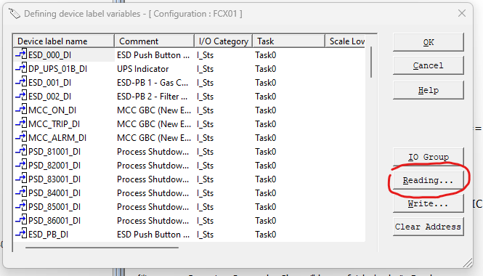
 | 3 | . | Select DEV_LABEL.csv in the Output folder. Import option can be filled accordingly.
 |  |  | 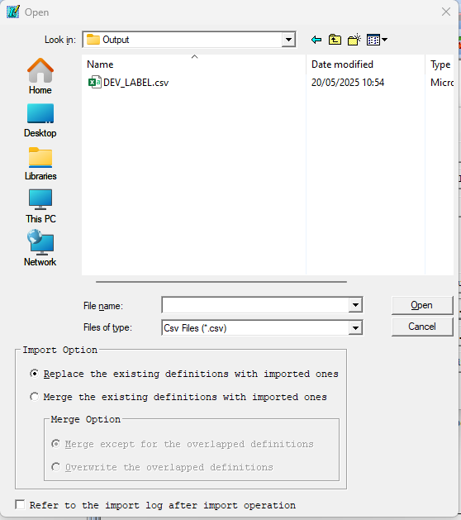
 | 4 | . | Continue adding the device label into the project

4 | Copying the Script from STRUCT_TEXT.txt into a new POU
 | 1 | . | After creating a new project, insert a program
 |  |  | 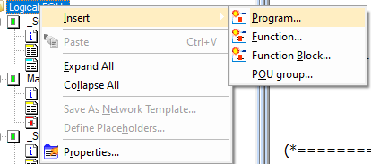
 | 2 | . | Select ST as the language
 |  | 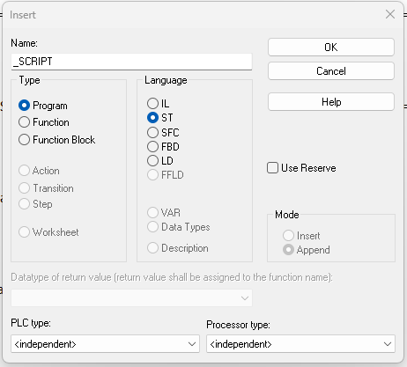
 | 3 | . | Copy all text inside the STRUCT_TEXT.txt file and paste it to the worksheet of the program
 |  |  | 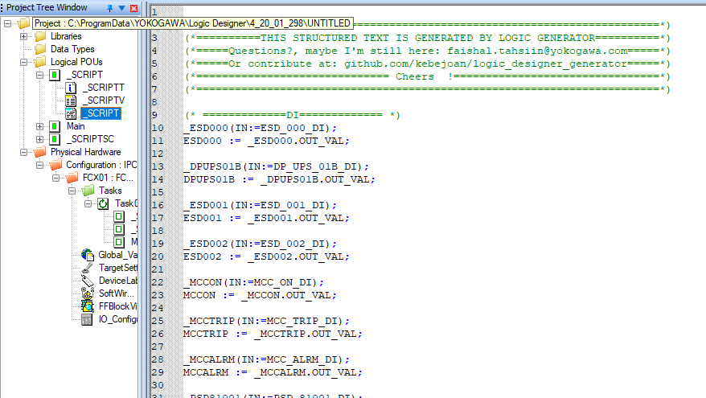
 | 4 | . | Add the POU into Task

5 | Copying the Local Variables from LOC_VAR.xlsx
 | After pasting the script into the worksheet, copy all the variables generated into the POU.
 | 1 | . | Rearrange the header of the variable table of the POU into --> Name, Type, Desc, Usage, Retain
 |  |  | 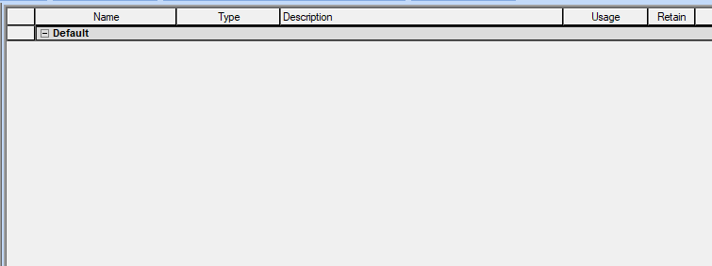
 | 2 | . | Add/append/insert a new variable

 | 3 | . | Copy all the variables from LOC_VAR.xlsx
 |  |  | 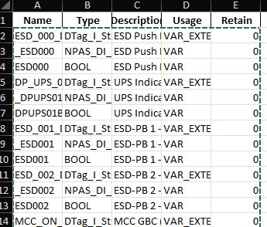
 | 4 | . | Paste into the NewVar1. When asked this dialogue, select 'Yes'
 |  |  | 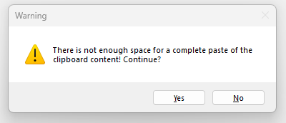
 | 5 | . | Rebuild the project. By default, there should be 0 error and 0 warning after the rebuild.
 | 6 | . | If face with an error, please recheck your EXCEL_MASTER.xlsx for wrong data input

6 | Using 'Source Conversion' Tool in Logic Designer
 | This tool is meant to be used along with built-in tool 'Source Conversion' in Logic Designer. How to use the 'Conversion Tool':
 | 1 | . | After a successful rebuild, right click on the POU and run Logic Designer Conversion Tool to convert ST into FBD language
 |  |  | 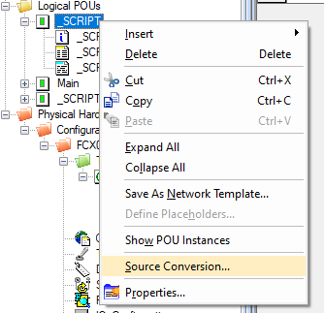
 | 2 | . | Select 'Convert to: FBD' in the radio button. If you select 'Overwrite source POU', the converter will overwrite the script POU
 |  |  | 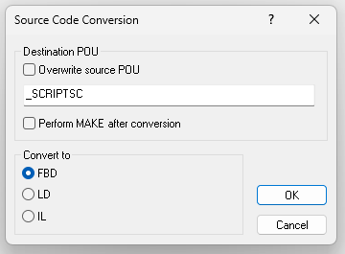
 | 3 | . | The converted POU will have several worksheet and each type of NPAS will be separated by comment
 |  |  | 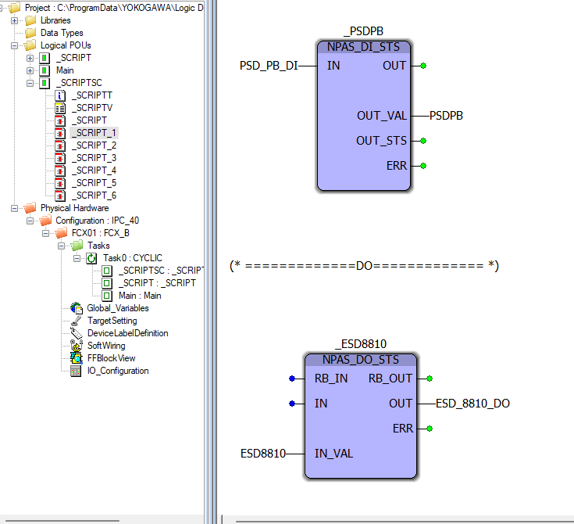
 | 4 | . | Add the new POU into the Task. Do rearrange as needed since the conversion worksheet will be untidy

7 | Common Error/Warning
 | # | . | Permission error

 |  |  | Cause: You perhaps are re-executing LOGIC_GENERATOR and have the output file(s) open.
 |  |  | Solution: Close the file(s) (MASTER.csv/LOC_VAR.xlsx/DEV_LABEL.csv/STRUCT_TEXT.txt).
 | # | . | AI Type Wrong Definition at line {idx}. Must be either 'I_Anlg' or 'I_Temp'
 |  |  | Cause: You define data for column 'ANLG_IN_TYPE' wrong. Check affected data at line {idx} on MASTER.csv
 |  |  | Solution: Define data for column 'ANLG_IN_TYPE' with either 'I_Anlg' or 'I_Temp'
 | # | . | Line {idx} invalid category. Check MASTER.csv
 |  |  | Cause: You define data for column 'CATEGORY' wrong. Check affected data at line {idx} on MASTER.csv
 |  |  | Solution: Define data for column 'CATEGORY' with: DI/DO/AI/AO/PVI/MLD/PID/SIO22/SIO12/SIO21/SIO11 only

8 | Headers Explanation
 | This is all the header that might be available when filling data in a TYPE sheet. Not all of them will be needed for a specific type and will deliberately be hidden.
 |  | Header |  |  |  | Explanation
 | - | CATEGORY |  |  |  | Program reference this data to determine the I/O type
 | - | TAG_IN1 |  |  |  | I/O Input Tag 1
 | - | DESC_IN1 |  |  |  | Description for I/O Input Tag 1
 | - | TAG_IN2 |  |  |  | I/O Input Tag 2 (used in I/O type using more than one input (i.e, SIO22)
 | - | DESC_IN2 |  |  |  | Description for I/O Input Tag 2
 | - | TAG_OUT1 |  |  |  | I/O Output Tag 1
 | - | DESC_OUT1 |  |  |  | Description for I/O Output Tag 1
 | - | TAG_OUT2 |  |  |  | I/O Output Tag 2 (used in I/O type using more than one Output (i.e, SIO22)
 | - | DESC_OUT2 |  |  |  | Description for I/O Output Tag 2
 | - | NPAS_SPECIFIC_NAME |  |  |  | Name for NPAS Specific FB (NPAS_PID, NPAS_SIO##. For NPAS_PVI and MLD use TAG name)
 | - | NPAS_SPECIFIC_DESC |  |  |  | Description for NPAS Specific FB
 | - | ANLG_IN_TYPE |  |  |  | Analog input type (either I_Anlg for 4-20mA I/O or I_Temp for RTD I/O)
 | - | ANLG_IN_RANGE_LO |  |  |  | Analog input low range
 | - | ANLG_IN_RANGE_HI |  |  |  | Analog input high range
 | - | ANLG_IN_UNIT |  |  |  | Analog input engineering unit
 | - | ANLG_OUT_RANGE_LO |  |  |  | Analog Output low range
 | - | ANLG_OUT_RANGE_HI |  |  |  | Analog Output high range
 | - | ANLG_OUT_UNIT |  |  |  | Analog Output engineering unit

