README
Guide to Use The IOGenerator Engineering Tools

Filling up the excel file:
1 | . | Please enter your IO data into EVERY column on the relevant TYPE of the type sheet*
2 | . | Fill the first column with "TYPE" (without " ") on every row that has IO Data
3 | . | Put the EXCEL_MASTER.xlsx file on the same folder as the LOGIC_GENERATOR.exe file
4 | . | Execute the LOGIC_GENERATOR.exe
0 | . | The pre-filled value is set as an example
Note. | : | DON'T REMOVE ANY SHEET OR MODIFY THE ORDER OF THE SHEETS. ONLY MODIFY CELLS/CONTENT OF THE SHEET
* |  | These type sheet are:
 |  |  | Sheet | Type
 |  | - | DI | Digital Input (NPAS_DI_STS Only)
 |  | - | DO | Digital Output (NPAS_DO_STS Only)
 |  | - | AI | Analog Input (NPAS_AI_ANLG Or NPAS_AI_TEMP Only)**
 |  | - | AO | Analog Output (NPAS_AI_ANLG Only)
 |  | - | PVI | NPAS_PVI**
 |  | - | MLD | NPAS_MLD**
 |  | - | PID | NPAS_PID**
 |  | - | SIO## | NPAS_SIO##
 |  | If you still do not have any reference to analog range and engineering unit, please DO NOT leave it empty (fill with e.g, 0, 100, and %)
** |  | For analog input, please specify ANLG_IN_TYPE (I_Anlg or I_Temp)

Output Files:
1 | . | All of the output files will be generate at {.exe directory}/Output folder
2 | . | Those files are:
 |  | - | DEV_LABEL.csv
 |  | - | LOC_VAR.xlsx
 |  | - | STRUCT_TEXT.txt
3 | . | MASTER.csv is also generated at {.exe directory} and is read by the LogicGenerator.exe in lines (not to be used for LogicDesigner)

Importing DEV_LABEL.csv to DeviceLabelDefinition
1 | . | Open Logic Designer
 | 
2 | . | Open Device Label Definition, and choose 'READING. . .'
 |  | 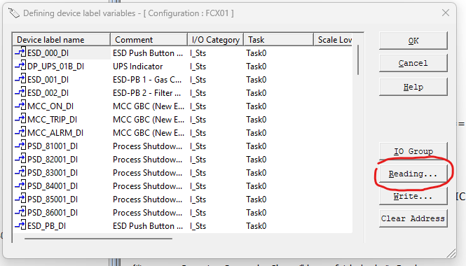
3 | . | Select DEV_LABEL.csv in the Output folder. Import option can be filled accordingly.
 |  | 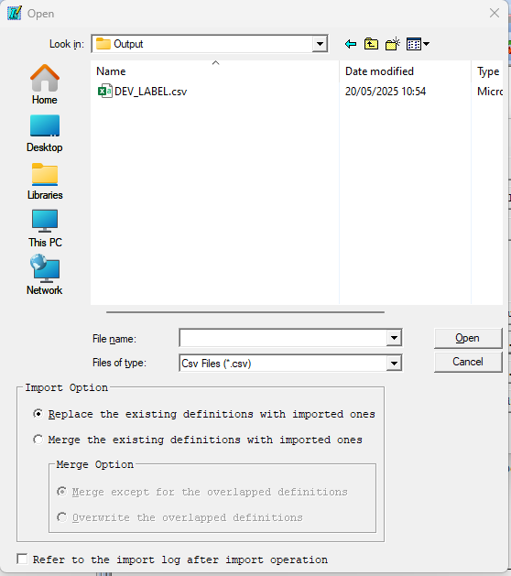
4 | . | Continue adding the device label into the project

Copying the Script from STRUCT_TEXT.txt into a new POU
1 | . | After creating a new project, insert a program
 |  | 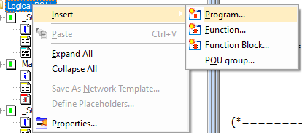
2 | . | Select ST as the language
 | 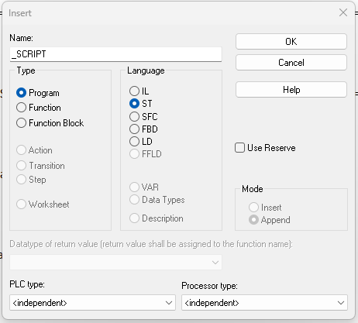
3 | . | Copy all text inside the STRUCT_TEXT.txt file and paste it to the worksheet of the program
 |  | 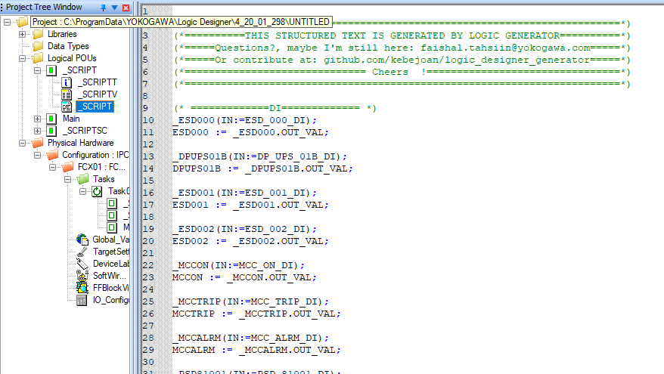
4 | . | Add the POU into Task

Copying the Local Variables from LOC_VAR.xlsx
0 | . | After pasting the script into the worksheet, copy all the variables generated into the POU.
1 | . | Rearrange the header of the variable table of the POU into --> Name, Type, Desc, Usage, Retain
 |  | 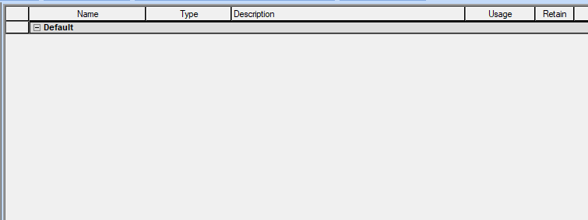
2 | . | Add/append/insert a new variable

3 | . | Copy all the variables from LOC_VAR.xlsx
 |  | 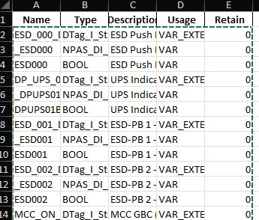
4 | . | Paste into the NewVar1. When asked this dialogue, select 'Yes'
 |  | 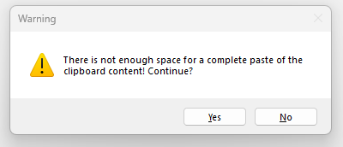
5 | . | Rebuild the project. By default, there should be 0 error and 0 warning after the rebuild.
6 | . | If face with an error, please recheck your EXCEL_MASTER.xlsx for wrong data input

Using 'Source Conversion' Tool in Logic Designer
1 | . | After a successful rebuild, right click on the POU and run Logic Designer Conversion Tool to convert ST into FBD language
 |  | 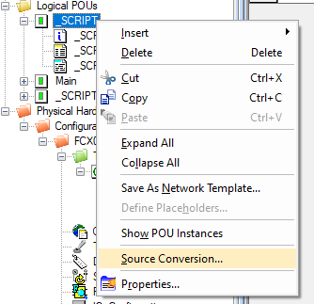
2 | . | Select 'Convert to: FBD' in the radio button. If you select 'Overwrite source POU', the converter will overwrite the script POU
 |  | 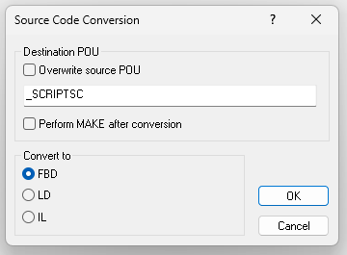
3 | . | The converted POU will have several worksheet and each type of NPAS will be separated by comment
 |  | 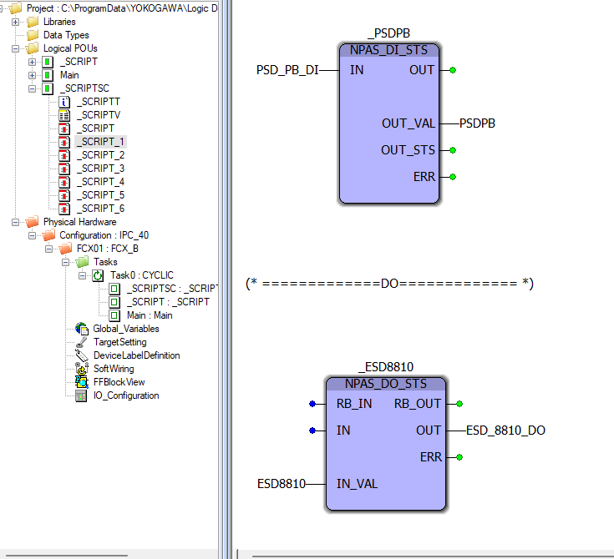
4 | . | Add the new POU into the Task. Do rearrange as needed since the conversion file is untidy

