OR
Factor
Reference
Odds Ratio
CI
Odds Ratio
CI
Midblock
intersection or driveway
2.1
(1.8-2.5)
1.5
(1.3-1.7)
Rural
urban
1.9
(1.5-2.4)
2.0
(1.8-2.3)
30-35 mph
25 mph or less
1.7
(1.3-2.2)
1.4
(1.2-1.6)
40-45 mph
25 mph or less
2.8
(2.1-3.8)
1.8
(1.5-2.1)
>= 50 mph
25 mph or less
5.5
(3.8-7.9)
2.1
(1.7-2.7)
NTSB
This Analysis
 |  | NTSB |  | Oregon |  | Pennsylvania |  | Simple Models
Factor | Reference | OR | CI | OR | CI | OR | CI | Oregon | Penn.
Midblock | intersection or driveway | 2.1 | (1.8-2.5) | 1.9 | (1.4 - 2.4) | 1.5 | (1.3-1.7) | 2.2 | 1.3
Rural | urban | 1.9 | (1.5-2.4) | 2.2 | (1.6 - 3.0) | 2.0 | (1.8-2.3) | 2.5 | 2
30-35 mph | 25 mph or less | 1.7 | (1.3-2.2) | 1.2 | (0.9 - 1.6) | 1.4 | (1.2-1.6) | 1.2 | 1.5
40-45 mph | 25 mph or less | 2.8 | (2.1-3.8) | 1.7 | (1.2 - 2.3) | 1.8 | (1.5-2.1) | 1.8 | 2.2
>= 50 mph | 25 mph or less | 5.5 | (3.8-7.9) | 1.4 | (0.9 - 2.1) | 2.1 | (1.7-2.7) | 1.6 | 2.2

Speed
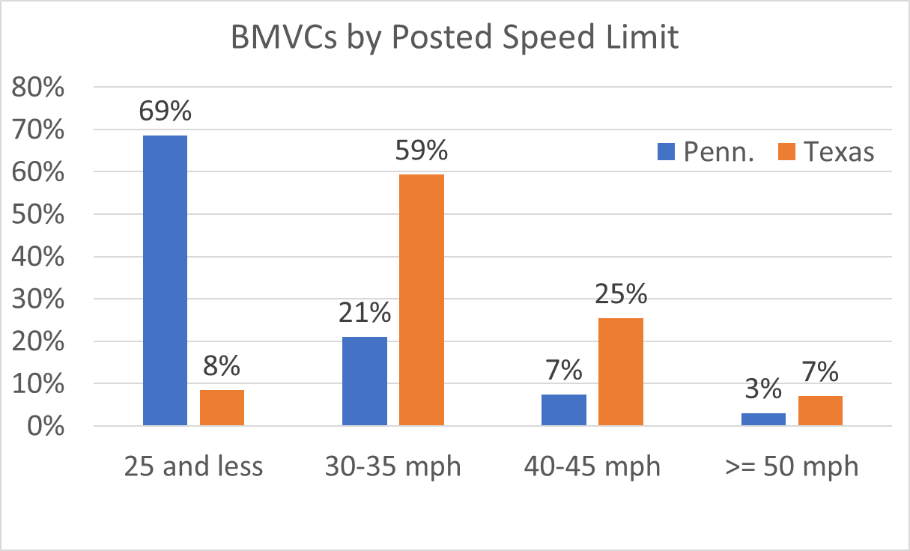
BMVCs by Posted Speed Limit
Speed Limit
 | Percent of BMVCs
 | Penn. | Texas
25 and less | 69% | 8%
30-35 mph | 21% | 59%
40-45 mph | 7% | 25%
>= 50 mph | 3% | 7%
TOTAL | 100% | 100%

