Sheet1
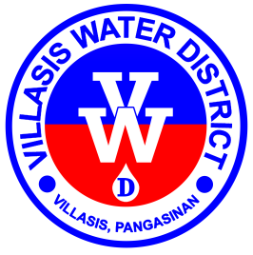

Republic of the Philippines
Region I - Province of Pangasinan
Villasis Water District

www.villasiswaterdistrict.gov.ph • villasis_wd@yahoo.com
CCC # 95 • Poblacion Zone I, Villasis, 2427
(075) 600-6988 / +639178492328

SUMMARY OF ABSENCES/TARDINESS AND UNDERTIME
For the month ended 30 April 2025

No. | Employee/Name |  |  | Absence/Tardiness |  |  |  | Undertime |  |  |  | TOTAL
 |  |  |  |  |  |  |  |  |  |  |  | Day | Hour | Minutes | Times | Conversion (Equivalent Day)
 | Last Name | First Name | Middle Name | Day | Hour | Minutes | Times | Day | Hour | Minutes | Times
TOTAL

Prepared by: |  |  |  |  | Certified True and Correct by:

MARBEN A. SANTE, MBA |  |  |  |  | SUSAN Q. SISON, RN, DPA
Division Manager C / HRMO Designate |  |  |  |  | General Manager C

