Sheet1
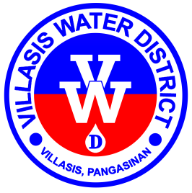

Republic of the Philippines
Region I - Province of Pangasinan
Villasis Water District

www.villasiswaterdistrict.gov.ph • villasis_wd@yahoo.com
CCC # 95 • Poblacion Zone I, Villasis, 2427
(075) 600-6988 / +639178492328

TERMINAL LEAVE BENEFITS PAYABLE
as of 30 April 2025

EMPLOYEE NAME |  | MONTHLY SALARY | EARNED LEAVES |  |  | CONSTANT FACTOR | TOTAL
 |  |  | as of 30 April 2025
 |  | as of 30 April 2025 | VL | SL | TOTAL
 |  |  | TOTAL LEAVE BENEFIT PAYABLE TO DATE
 |  |  | BALANCE PREVIOUS MONTH
 |  |  | TOTAL PAYABLE CURRENT MONTH

 | Prepared by: | Certified True and Correct by:

 | MARBEN A. SANTE, MBA | SUSAN Q. SISON, RN, DPA
 | Division Manager C | General Manager C

