Balbin
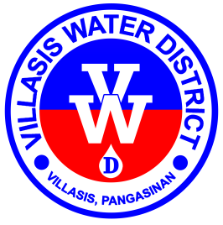

Republic of the Philippines
Region I - Province of Pangasinan
Villasis Water District

www.villasiswaterdistrict.gov.ph • villasis_wd@yahoo.com
CCC # 95 • Poblacion Zone I, Villasis, 2427
(075) 600-6988 / +639178492328

LEGEND: VL Vacation Leave FL Forced Leave A Absent EA Excused Absence
SL Sick Leave SPL Special Leave HD Half Day MON Monetization
LEAVE CREDIT CARD
NAME:

PERIOD | PARTICULAR |  |  |  |  |  | VACATION LEAVE |  |  |  | SICK LEAVE |  |  |  | TOTAL LEAVE CREDITS EARNED | DATE & ACTION TAKEN ON APPLICATION FOR LEAVE
 | DATE | TYPE |  |  |  |  | EARNED | ABSENCES/ UNDERTIME with PAY | BALANCE | ABSENCES/ UNDERTIME without PAY | EARNED | ABSENCES/ UNDERTIME with PAY | BALANCE | ABSENCES/ UNDERTIME without PAY
 |  | VL | FL | SL | SPL | OTHER
BALANCE BROUGHT FORWARD

TOTAL

