Pool Memory
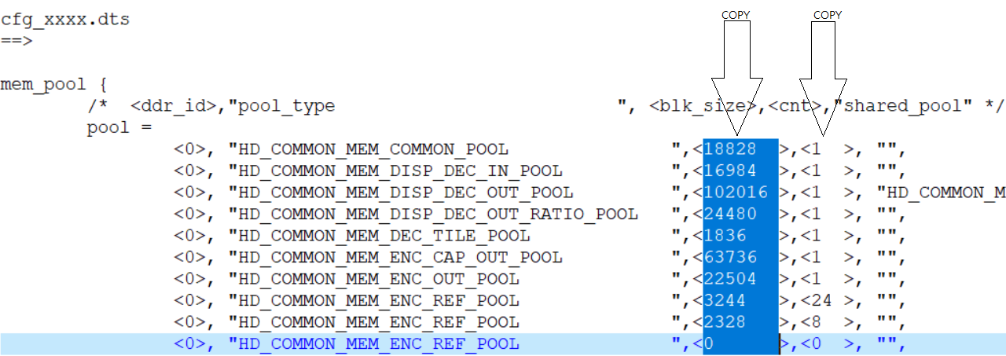
Pool Name | CHIP0/DDR0 |  |  | CHIP0/DDR1 |  |  | CHIP1/DDR2 |  |  | CHIP1/DDR3
 | Buf Size | Count | Total | Buf Size | Count | Total | Buf Size | Count | Total | Buf Size | Count | Total
HD_COMMON_MEM_COMMON_POOL | 1024 | 1 | 1024 | 47748 | 1 | 47748 | 5108 | 1 | 5108 | 0 | 0 | 0
HD_COMMON_MEM_DISP_DEC_IN_POOL | 119920 | 1 | 119920 | 0 | 0 | 0 | 0 | 0 | 0 | 0 | 0 | 0
HD_COMMON_MEM_DISP_DEC_OUT_POOL | 0 | 0 | 0 | 449896 | 1 | 449896 | 51060 | 1 | 51060 | 0 | 0 | 0
HD_COMMON_MEM_DISP_DEC_OUT_RATIO_POOL | 0 | 0 | 0 | 101184 | 1 | 101184 | 5696 | 1 | 5696 | 0 | 0 | 0
HD_COMMON_MEM_DEC_TILE_POOL | 0 | 0 | 0 | 14840 | 1 | 14840 | 14840 | 1 | 14840 | 0 | 0 | 0
HD_COMMON_MEM_ENC_CAP_OUT_POOL | 0 | 0 | 0 | 27552 | 1 | 27552 | 0 | 0 | 0 | 0 | 0 | 0
HD_COMMON_MEM_ENC_OUT_POOL | 7784 | 1 | 7784 | 0 | 0 | 0 | 0 | 0 | 0 | 0 | 0 | 0
HD_COMMON_MEM_ENC_REF_POOL (Encode 1 REF) | 0 | 0 | 0 | 3368 | 4 | 13472 | 0 | 0 | 0 | 0 | 0 | 0
HD_COMMON_MEM_ENC_REF_POOL (Encode 1 TMNR) | 0 | 0 | 0 | 2328 | 4 | 9312 | 0 | 0 | 0 | 0 | 0 | 0
HD_COMMON_MEM_ENC_REF_POOL (Encode 2 REF) | 0 | 0 | 0 | 0 | 0 | 0 | 0 | 0 | 0 | 0 | 0 | 0
HD_COMMON_MEM_ENC_REF_POOL (Encode 2 TMNR) | 0 | 0 | 0 | 0 | 0 | 0 | 0 | 0 | 0 | 0 | 0 | 0
HD_COMMON_MEM_ENC_REF_POOL (Substream REF) | 3368 | 1 | 3368 | 0 | 0 | 0 | 0 | 0 | 0 | 0 | 0 | 0
HD_COMMON_MEM_ENC_REF_POOL (Substream TMNR) | 0 | 0 | 0 | 0 | 0 | 0 | 0 | 0 | 0 | 0 | 0 | 0
HD_COMMON_MEM_ENC_SCL_OUT_POOL | 9116 | 1 | 9116 | 36480 | 1 | 36480 | 0 | 0 | 0 | 0 | 0 | 0
HD_COMMON_MEM_DISP0_CAP_OUT_POOL | 0 | 0 | 0 | 0 | 0 | 0 | 0 | 0 | 0 | 0 | 0 | 0
HD_COMMON_MEM_DISP0_IN_POOL | 0 | 0 | 0 | 48600 | 1 | 48600 | 0 | 0 | 0 | 0 | 0 | 0
HD_COMMON_MEM_DISP0_FB_POOL(FB1+FB2+RLE) | 0 | 0 | 0 | 16320 | 1 | 16320 | 0 | 0 | 0 | 0 | 0 | 0
HD_COMMON_MEM_DISP1_CAP_OUT_POOL | 0 | 0 | 0 | 0 | 0 | 0 | 0 | 0 | 0 | 0 | 0 | 0
HD_COMMON_MEM_DISP1_IN_POOL | 0 | 0 | 0 | 12240 | 1 | 12240 | 0 | 0 | 0 | 0 | 0 | 0
HD_COMMON_MEM_DISP1_FB_POOL(FB4+FB5+RLE) | 0 | 0 | 0 | 8160 | 1 | 8160 | 0 | 0 | 0 | 0 | 0 | 0
HD_COMMON_MEM_DISP2_CAP_OUT_POOL | 0 | 0 | 0 | 0 | 0 | 0 | 0 | 0 | 0 | 0 | 0 | 0
HD_COMMON_MEM_DISP2_IN_POOL | 0 | 0 | 0 | 3240 | 1 | 3240 | 0 | 0 | 0 | 0 | 0 | 0
HD_COMMON_MEM_DISP2_FB_POOL(FB7+FB8) | 0 | 0 | 0 | 812 | 1 | 812 | 0 | 0 | 0 | 0 | 0 | 0
HD_COMMON_MEM_AU_ENC_AU_GRAB_OUT_POOL | 0 | 0 | 0 | 0 | 0 | 0 | 0 | 0 | 0 | 0 | 0 | 0
HD_COMMON_MEM_AU_DEC_AU_RENDER_IN_POOL | 60 | 1 | 60 | 0 | 0 | 0 | 0 | 0 | 0 | 0 | 0 | 0
HD_COMMON_MEM_GLOBAL_MD_POOL | 0 | 0 | 0 | 296 | 4 | 1184 | 0 | 0 | 0 | 0 | 0 | 0
HD_COMMON_MEM_TMNR_MOTION_POOL | 1024 | 0 | 0 | 1024 | 4 | 4096 | 1024 | 0 | 0 | 1024 | 0 | 0
HD_COMMON_MEM_CNN_POOL | 327680 | 1 | 327680 | 0 | 0 | 0 | 40960 | 1 | 40960 | 0 | 0 | 0
HD_COMMON_MEM_OSG_POOL | 0 | 0 | 0 | 4096 | 1 | 4096 | 4096 | 1 | 4096 | 0 | 0 | 0
HD_COMMON_MEM_USER_BLK | 104488 | 1 | 104488 | 257504 | 1 | 257504 | 32768 | 1 | 32768 | 0 | 0 | 0
HDAL Total Size (KB) |  |  | 573440 |  |  | 1056736 |  |  | 154528 |  |  | 0

