GIM Trends
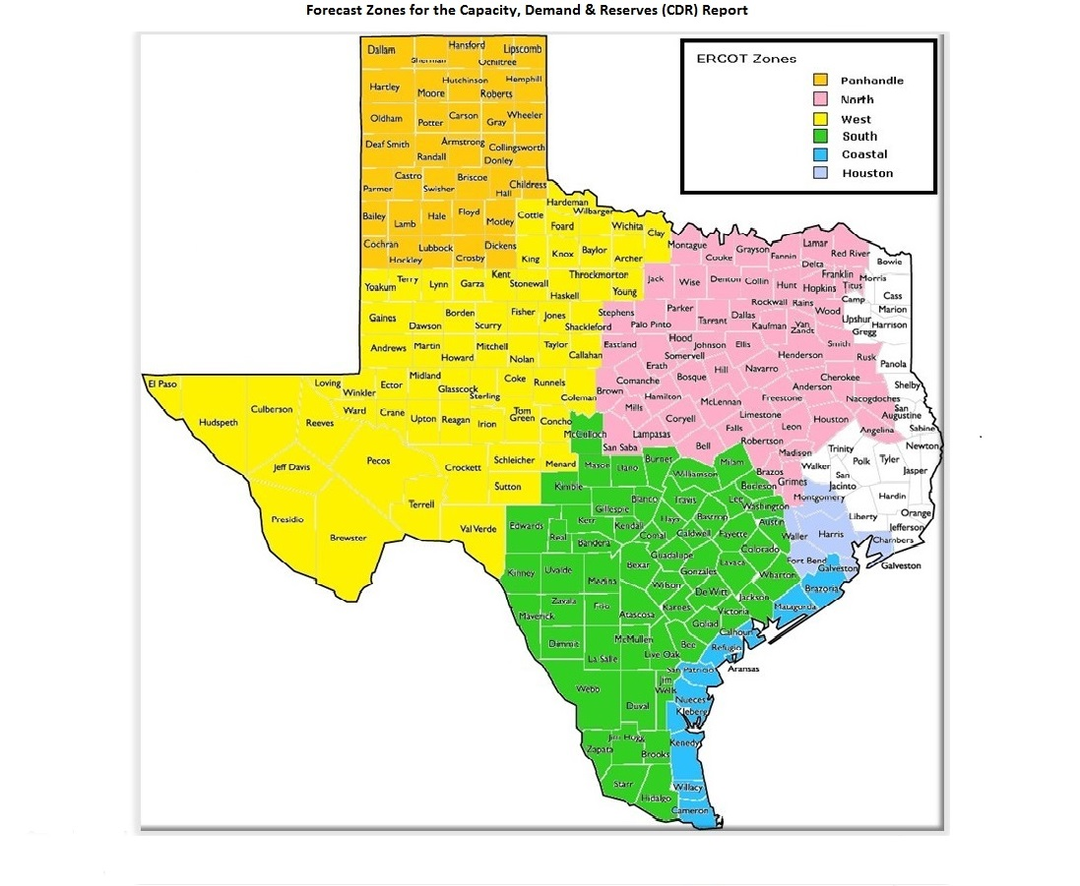
GIM Trends

Reflects all Large Generator projects for which a Security Screening Study has been requested. The third table reflects all Small Generator projects whose GIM applications have been approved.
Excludes projects that have a status of Inactive (status = INA).
Nameplate capacity will change across time due to additional projects, cancelations, expirations, adjustments from study results, and projects being placed into service.

Large Generator Monthly Capacity by GIM Milestone plus Project Count, 13-Month Rolling Basis
 | # Signed Interconnect Agreement | # Completed Full Study | # in Full Study | # Screening Study Complete | # Initial Screening study | GW Capacity
Feb-25 | 460 | 121 | 1200 | 113 | 19 | 399.00735
Mar-25 | 491 | 112 | 1207 | 113 | 19 | 404.45702
Apr-25 | 507 | 105 | 1212 | 102 | 29 | 410.87361
May-25 | 511 | 106 | 1223 | 89 | 21 | 408.90807
Jun-25 | 510 | 114 | 1237 | 88 | 27 | 419.64777
Jul-25 | 517 | 119 | 1242 | 86 | 27 | 432.10036
Aug-25 | 535 | 111 | 1201 | 82 | 33 | 427.44154
Sep-25 | 532 | 117 | 1196 | 94 | 20 | 431.16473
Oct-25 | 530 | 116 | 1164 | 94 | 11 | 431.20394
Nov-25 | 528 | 122 | 1159 | 91 | 9 | 434.41457
Dec-25 | 539 | 121 | 1150 | 90 | 5 | 440.29873
Jan-26 | 574 | 121 | 1136 | 79 | 17 | 449.55409
Feb-26 | 576 | 122 | 1134 | 78 | 25 | 452.88911
 | Year | Month | Total Projects |  |  | Project Count |  |  |  |  |  | Project Capacity (MW)
 |  |  |  |  |  | GIM milestones |  |  |  |  |  | Fuel Type
 |  |  |  | Small Generator Not Model Ready | Small Generator Model Ready | Initial Screening Study | Screening Study Complete | In Full Study | Completed Full Study | Signed Interconnection Agreement | Cancelled | Wind | Solar | Gas | Nuclear | Coal | Biomass | Battery | Other
 | 2023 | Feb | 1,334 | 18 | 13 | 48 | 109 | 761 | 68 | 317 | 1 | 24,702 | 127,309 | 12,542 | 0 | 0 | 53 | 91,493 | 2,486
 | 2023 | Mar | 1,373 | 14 | 17 | 39 | 100 | 810 | 73 | 320 | 22 | 25,742 | 127,765 | 12,544 | 0 | 0 | 53 | 96,356 | 2,235
 | 2023 | Apr | 1,385 | 15 | 18 | 33 | 89 | 825 | 80 | 325 | 20 | 23,703 | 129,237 | 12,985 | 0 | 0 | 53 | 96,078 | 2,235
 | 2023 | May | 1,424 | 18 | 20 | 36 | 86 | 843 | 86 | 335 | 19 | 22,472 | 129,507 | 13,026 | 0 | 0 | 53 | 102,825 | 2,235
 | 2023 | Jun | 1,479 | 28 | 22 | 51 | 83 | 872 | 82 | 341 | 16 | 27,152 | 130,857 | 12,476 | 0 | 0 | 53 | 109,380 | 2,235
 | 2023 | Jul | 1,500 | 25 | 28 | 50 | 76 | 903 | 83 | 335 | 16 | 28,615 | 133,979 | 12,368 | 0 | 0 | 53 | 110,408 | 2,386
 | 2023 | Aug | 1,537 | 31 | 30 | 45 | 82 | 927 | 85 | 337 | 7 | 32,034 | 136,165 | 11,842 | 0 | 0 | 53 | 111,579 | 2,235
 | 2023 | Sep | 1,580 | 40 | 32 | 43 | 102 | 924 | 93 | 346 | 15 | 31,640 | 141,315 | 11,384 | 0 | 0 | 53 | 114,563 | 2,235
 | 2023 | Oct | 1,628 | 41 | 32 | 49 | 102 | 952 | 99 | 353 | 16 | 31,916 | 143,221 | 13,638 | 0 | 0 | 53 | 120,534 | 2,235
 | 2023 | Nov | 1,656 | 44 | 30 | 55 | 99 | 961 | 92 | 375 | 10 | 32,510 | 142,606 | 15,457 | 0 | 0 | 53 | 124,941 | 2,385
 | 2023 | Dec | 1,671 | 41 | 28 | 39 | 116 | 974 | 92 | 381 | 12 | 34,591 | 145,654 | 15,483 | 0 | 0 | 53 | 127,068 | 2,367
 | 2024 | Jan | 1,731 | 42 | 29 | 35 | 133 | 1,011 | 95 | 386 | 12 | 36,261 | 148,135 | 15,546 | 0 | 0 | 53 | 133,592 | 2,247
 | 2024 | Feb | 1,783 | 43 | 27 | 65 | 132 | 1,023 | 102 | 391 | 13 | 37,215 | 152,098 | 16,022 | 0 | 0 | 0 | 140,219 | 2,967
 | 2024 | Mar | 1,775 | 39 | 29 | 80 | 100 | 1,035 | 101 | 391 | 64 | 35,120 | 155,273 | 15,429 | 0 | 0 | 0 | 141,484 | 2,332
 | 2024 | Apr | 1,780 | 42 | 33 | 58 | 115 | 1,025 | 112 | 395 | 15 | 32,956 | 152,917 | 15,573 | 0 | 0 | 0 | 145,000 | 2,332
 | 2024 | May | 1,813 | 39 | 41 | 48 | 129 | 1,023 | 125 | 408 | 9 | 33,887 | 154,225 | 15,938 | 0 | 0 | 0 | 149,002 | 2,332
 | 2024 | Jun | 1,812 | 34 | 44 | 20 | 137 | 1,023 | 140 | 414 | 27 | 31,452 | 152,433 | 17,089 | 0 | 0 | 0 | 147,743 | 2,332
 | 2024 | Jul | 1,858 | 31 | 46 | 27 | 136 | 1,033 | 158 | 427 | 5 | 33,731 | 154,407 | 22,160 | 0 | 0 | 0 | 151,811 | 2,562
 | 2024 | Aug | 1,886 | 27 | 49 | 24 | 140 | 1,057 | 152 | 437 | 8 | 33,853 | 154,770 | 25,328 | 0 | 0 | 0 | 154,799 | 2,562
 | 2024 | Sep | 1,881 | 29 | 48 | 21 | 140 | 1,050 | 158 | 435 | 19 | 34,839 | 153,658 | 25,967 | 0 | 0 | 0 | 154,264 | 2,961
 | 2024 | Oct | 1,872 | 35 | 44 | 28 | 127 | 1,039 | 159 | 440 | 29 | 33,467 | 154,860 | 25,954 | 0 | 0 | 0 | 152,580 | 3,713
 | 2024 | Nov | 1,903 | 33 | 48 | 21 | 126 | 1,070 | 156 | 449 | 11 | 35,307 | 155,676 | 27,160 | 0 | 0 | 0 | 156,530 | 3,113
Monthly Capacity by Fuel Type plus Project Count, 13-Month Rolling Basis
 | Natural Gas | Nuclear | Coal | Wind | Solar | Biomass | Battery | Other | Total Project Count | Cancelled Project Count
Feb-25 | 32.19019 | 0 | 0 | 39.89287 | 155.98952 | 0 | 168.836 | 2.78085 | 1987 | 16
Mar-25 | 33.57849 | 0.6 | 0 | 39.79514 | 156.68543 | 0 | 171.59201 | 2.91285 | 2018 | 18
Apr-25 | 33.58305 | 0.6 | 0 | 42.48335 | 159.42581 | 0 | 172.48562 | 3.06285 | 2037 | 38
May-25 | 32.48982 | 0.6 | 0 | 40.88547 | 158.49036 | 0 | 173.99686 | 3.2084 | 2031 | 26
Jun-25 | 35.26007 | 0.6 | 0 | 41.41407 | 161.67674 | 0 | 177.9286 | 3.50135 | 2054 | 17
Jul-25 | 39.55768 | 0.6 | 0 | 45.04833 | 162.70267 | 0 | 181.39377 | 3.50135 | 2066 | 21
Aug-25 | 39.40277 | 0.6 | 0 | 44.64855 | 160.192 | 0 | 179.83835 | 3.50135 | 2041 | 30
Sep-25 | 43.69524 | 0.6 | 0 | 46.09345 | 159.93182 | 0 | 178.05276 | 3.56245 | 2042 | 25
Oct-25 | 47.84845 | 0.6 | 0 | 46.42228 | 158.15064 | 0 | 175.5791 | 3.38445 | 1999 | 51
Nov-25 | 52.65595 | 0.6 | 0 | 44.78568 | 159.53696 | 0 | 174.36901 | 3.25794 | 1994 | 13
Dec-25 | 53.71605 | 0.6 | 0 | 46.19094 | 161.80724 | 0 | 175.45901 | 3.25794 | 1984 | 17
Jan-26 | 57.40335 | 0.6 | 0 | 47.96085 | 162.06676 | 0 | 178.70275 | 3.5725 | 2008 | 20
Feb-26 | 60.71487 | 0.6 | 0 | 47.79298 | 162.92673 | 0 | 177.64192 | 3.88535 | 2008 | 21
 | 2024 | Dec | 1,917 | 32 | 46 | 22 | 120 | 1,103 | 147 | 447 | 14 | 34,450 | 154,487 | 27,578 | 0 | 0 | 0 | 160,043 | 2,913
 | 2025 | Jan | 1,952 | 30 | 46 | 16 | 119 | 1,163 | 133 | 445 | 17 | 38,223 | 153,607 | 28,774 | 0 | 0 | 0 | 165,933 | 2,781
 | 2025 | Feb | 1,987 | 24 | 50 | 19 | 113 | 1,200 | 121 | 460 | 16 | 39,893 | 155,990 | 32,190 | 0 | 0 | 0 | 168,836 | 2,781
 | 2025 | Mar | 2,018 | 26 | 50 | 19 | 113 | 1,207 | 112 | 491 | 18 | 39,795 | 156,685 | 33,578 | 600 | 0 | 0 | 171,592 | 2,913
 | 2025 | Apr | 2,037 | 32 | 50 | 29 | 102 | 1,212 | 105 | 507 | 38 | 42,483 | 159,426 | 33,583 | 600 | 0 | 0 | 172,486 | 3,063
 | 2025 | May | 2,031 | 31 | 50 | 21 | 89 | 1,223 | 106 | 511 | 26 | 40,885 | 158,490 | 32,490 | 600 | 0 | 0 | 173,997 | 3,208
 | 2025 | Jun | 2,054 | 28 | 50 | 27 | 88 | 1,237 | 114 | 510 | 17 | 41,414 | 161,677 | 35,260 | 600 | 0 | 0 | 177,929 | 3,501
 | 2025 | Jul | 2,066 | 23 | 52 | 27 | 86 | 1,242 | 119 | 517 | 21 | 45,048 | 162,703 | 39,558 | 600 | 0 | 0 | 181,394 | 3,501
 | 2025 | Aug | 2,041 | 23 | 56 | 33 | 82 | 1,201 | 111 | 535 | 30 | 44,649 | 160,192 | 39,403 | 600 | 0 | 0 | 179,838 | 3,501
 | 2025 | Sep | 2,042 | 29 | 54 | 20 | 94 | 1,196 | 117 | 532 | 25 | 46,093 | 159,932 | 43,695 | 600 | 0 | 0 | 178,053 | 3,562
 | 2025 | Oct | 1,999 | 28 | 56 | 11 | 94 | 1,164 | 116 | 530 | 51 | 46,422 | 158,151 | 47,848 | 600 | 0 | 0 | 175,579 | 3,384
 | 2025 | Nov | 1,994 | 28 | 57 | 9 | 91 | 1,159 | 122 | 528 | 13 | 44,786 | 159,537 | 52,656 | 600 | 0 | 0 | 174,369 | 3,258
 | 2025 | Dec | 1,984 | 25 | 54 | 5 | 90 | 1,150 | 121 | 539 | 17 | 46,191 | 161,807 | 53,716 | 600 | 0 | 0 | 175,459 | 3,258
 | 2026 | Jan | 2,008 | 31 | 50 | 17 | 79 | 1,136 | 121 | 574 | 20 | 47,961 | 162,067 | 57,403 | 600 | 0 | 0 | 178,703 | 3,573
 | 2026 | Feb | 2,008 | 31 | 42 | 25 | 78 | 1,134 | 122 | 576 | 21 | 47,793 | 162,927 | 60,715 | 600 | 0 | 0 | 177,642 | 3,885

Small Generator Monthly Capacity by GIM Milestone plus Project Count, 13-Month Rolling Basis
 | # Not Model Ready | # Model Ready | MW Capacity
Feb-25 | 24 | 50 | 682.08
Mar-25 | 26 | 50 | 706.9
Apr-25 | 32 | 50 | 767.07
May-25 | 31 | 50 | 762.84
Jun-25 | 28 | 50 | 733.06
Jul-25 | 23 | 52 | 703.44
Aug-25 | 23 | 56 | 741.48
Sep-25 | 29 | 54 | 770.99
Oct-25 | 28 | 56 | 780.98
Nov-25 | 28 | 57 | 790.97
Dec-25 | 25 | 54 | 732.45
Jan-26 | 31 | 50 | 752.12
Feb-26 | 31 | 42 | 672.74

Capacity for Planned Projects by Projected In-service Year and CDR Forecast Zone
 | Gas | Wind | Solar | Battery | Other
2025 |  |  | 0.1002 | 0.30996
2026 |  | 0.5427 | 2.73271 | 3.21034
2027 | 1.8474 | 0.69933 | 3.95186 | 7.70488 | 0.41
2028 | 0.72143 | 0.1415 | 4.33626 | 5.35113 | 0.50356
2029 | 0.55611 | 0.7076 | 2.12908 | 1.71964
2030 | 0.311 | 2.87139 | 0.6036 | 0.25624
2031 | 0.6591 |  |  | 0.3036
2025 | 0.014 |  |  | 0.06 | 0.05
2026 | 0.6297 |  | 0.43875 | 2.97971
2027 | 0.7225 |  | 0.40848 | 6.78112
2028 | 1.06583 |  |  | 1.42904 | 0.05
2029 |  |  |  | 2.28414
2030 | 1.35 | 1.02939 |  | 0.20305
2023 |  | 0.0072
2024 |  | 0.0103
2025 |  | 0.44771 | 0.54705 | 0.56636
2026 | 0.06779 | 1.89515 | 5.3375 | 2.97874 | 0.03984
2027 | 2.007 | 4.90917 | 12.97206 | 12.51695 | 0.312
2028 | 10.54199 | 6.31762 | 22.91472 | 19.68259 | 0.18
2029 | 2.372 | 3.29019 | 14.61657 | 8.49096 | 0.6
2030 | 2.5884 | 2.31041 | 2.93555 |  | 0.31285
2031 |  | 1.5 | 0.307
2025 |  | 0.226 | 1.15643 | 0.5562 | 0.1
2026 | 0.94236 | 1.43148 | 7.83966 | 4.59729
2027 | 2.13271 | 1.3268 | 12.36073 | 12.00646
2028 | 1.9095 | 0.84287 | 12.625 | 19.72991 | 0.21
2029 | 5.6025 | 0.396 | 5.40377 | 10.86125
2030 | 1.4208 |  | 0.43072 | 0.62126 | 1.532
2031 | 1.381
2032 | 1.6604
2025 |  |  | 0.38 | 0.00999
2026 |  |  | 0.58499 | 0
2027 | 2.21 | 1.2195 | 4.22429 | 2.74775
2028 |  | 2.7179 | 4.12313 | 3.61895
2029 | 1.5636 | 4.12438 | 2.3617 | 0.20696
2030 | 1.3 | 0.6
2031 |  |  | 1.0041 | 0.3717
2025 | 0.0161 | 0.4011 | 1.34713 | 0.33877
2026 | 1.0792 | 0.70964 | 5.44014 | 4.7968
2027 | 2.84638 | 1.4638 | 8.121 | 12.56637 | 0.1851
2028 | 4.41128 | 4.75285 | 11.15276 | 18.73536
2029 | 2.19272 | 0.901 | 9.52004 | 8.0412
2030 | 4.14 |  | 0.3352 | 0.81613
2031 | 0.45207
2032 |  |  | 0.18455 | 0.19112

Note: Other contains all Fuel and Technology Types not in the Solar, Wind, Gas or Battery categories.

