Sheet1
 | 31 | 32 | 33 | 34 | 35 | 36 | 37 | 38 | 39 | 40 | 41 | 42 | 43 | 44 | 45
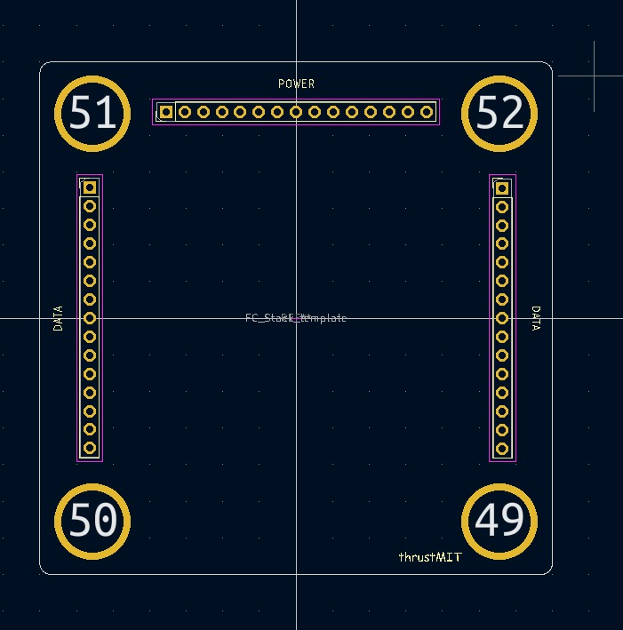

30 |  |  |  |  |  |  | 1 |  |  |  |  |  |  |  |  | 1
29 |  |  |  |  |  |  | 2 |  |  |  |  |  |  |  |  | 2
28 |  |  |  |  |  |  | 3 |  |  |  |  |  |  |  |  | 3
27 |  |  |  |  |  |  | 4 |  |  |  |  |  |  |  |  | 4
26 |  |  |  |  |  |  | 5 |  |  |  |  |  |  |  |  | 5
25 |  |  |  |  |  |  | 6 |  |  |  |  |  |  |  |  | 6
24 |  |  |  |  |  |  | 7 |  |  |  |  |  |  |  |  | 7
23 |  |  |  |  |  |  | 8 |  |  |  |  |  |  |  |  | 8
22 |  |  |  |  |  |  | 9 |  |  |  |  |  |  |  |  | 9
21 |  |  |  |  |  |  | 10 |  |  |  |  |  |  |  |  | 10
20 |  |  |  |  |  |  | 11 |  |  |  |  |  |  |  |  | 11
19 |  |  |  |  |  |  | 12 |  |  |  |  |  |  |  |  | 12
18 |  |  |  |  |  |  | 13 |  |  |  |  |  |  |  |  | 13
17 |  |  |  |  |  |  | 14 |  |  |  |  |  |  |  |  | 14
16 |  |  |  |  |  |  | 15 |  |  |  |  |  |  |  |  | 15

