24V system
Names | Value | Units | http://www.ti.com/lit/ds/symlink/lm2675.pdf
Known Values
VOUT | 3.30E+00 | V
Average Vin | 2.40E+01 | V
Typical VREF | 1.21E+00 | V
R1 | 1.00E+03 | Ohms
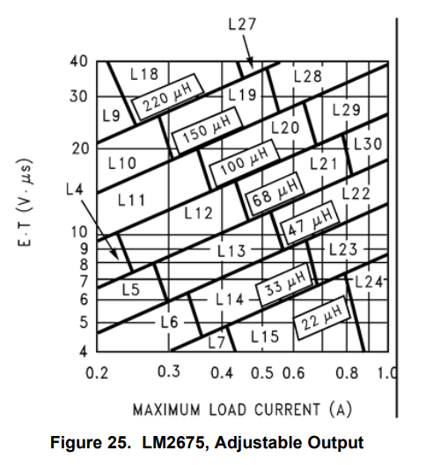
VinMIN | 1.50E+01 | V
VinMAX | 3.50E+01 | V
VD | 5.00E-01 | V
VSAT | 2.50E-01 | V
IloadMAX | 1.00E+00 | A

9.2.2.2.1
R2=R1(Vout/Vref-1) | 1.73E+03 | Ohms

9.2.2.2.2
ExT=(VinMAX-VOUT-VSAT)*(VOUT+VD)/(VinMAX-VSAT+VD)+1000/260 | 1.30E+01 | V*uS
Inductor Value based on Figure 25 | 3.30E+01 | uH
Inductor Code Based on Figure 25 Check Table 2 for part number options | L23 | Code

9.2.2.2.3

