1
Sales Agent | Number of Sales
Jane | 796
Margaret | 760
Steve | 684

2
Sales Agent | Revenue
Jane | $833.04
Margaret | $775.40
Steve | $720.16

3
Year | Jane | Margaret | Steve
2021 | 125 | 163 | 166
2022 | 208 | 124 | 123
2023 | 166 | 123 | 153
2024 | 140 | 180 | 127
2025 | 157 | 170 | 115

4
Year | Jane | Margaret | Steve
2021 | $123.75 | $161.37 | $164.34
2022 | $221.92 | $122.76 | $136.77
2023 | $184.34 | $125.77 | $159.47
2024 | $146.60 | $197.20 | $133.73
2025 | $156.43 | $168.30 | $125.85

5
Sales Agent | Number of Unique Customers | Sales Agent | Number of Unique Customers | Customer Coverage Ratio
Jane | 21 | Jane | 21 | 35.59%
Margaret | 20 | Steve | 18 | 30.51%
Steve | 18 | Margaret | 20 | 33.90%

YQ-numsales
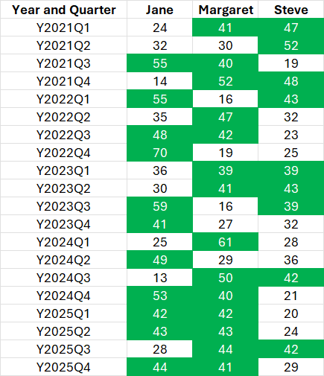
Year | Quarter | Year and Quarter | Jane | Margaret | Steve | Average
2021 | 1 | Y2021Q1 | 24 | 41 | 47 | 37.333333333
2021 | 2 | Y2021Q2 | 32 | 30 | 52 | 37.333333333
2021 | 3 | Y2021Q3 | 55 | 40 | 19 | 37.333333333
2021 | 4 | Y2021Q4 | 14 | 52 | 48 | 37.333333333
2022 | 1 | Y2022Q1 | 55 | 16 | 43 | 37.333333333
2022 | 2 | Y2022Q2 | 35 | 47 | 32 | 37.333333333
2022 | 3 | Y2022Q3 | 48 | 42 | 23 | 37.333333333
2022 | 4 | Y2022Q4 | 70 | 19 | 25 | 37.333333333
2023 | 1 | Y2023Q1 | 36 | 39 | 39 | 37.333333333
2023 | 2 | Y2023Q2 | 30 | 41 | 43 | 37.333333333
2023 | 3 | Y2023Q3 | 59 | 16 | 39 | 37.333333333
2023 | 4 | Y2023Q4 | 41 | 27 | 32 | 37.333333333
2024 | 1 | Y2024Q1 | 25 | 61 | 28 | 37.333333333
2024 | 2 | Y2024Q2 | 49 | 29 | 36 | 37.333333333
2024 | 3 | Y2024Q3 | 13 | 50 | 42 | 37.333333333
2024 | 4 | Y2024Q4 | 53 | 40 | 21 | 37.333333333
2025 | 1 | Y2025Q1 | 42 | 42 | 20 | 37.333333333
2025 | 2 | Y2025Q2 | 43 | 43 | 24 | 37.333333333
2025 | 3 | Y2025Q3 | 28 | 44 | 42 | 37.333333333
2025 | 4 | Y2025Q4 | 44 | 41 | 29 | 37.333333333

Average Quarterly Number of Sales Per Rep
37.333333333

