New Photos
thumbnail | original_filename | target_filename | src | width | height | camera | location | title | alt | caption | story | instagram | featured | notes | source_path
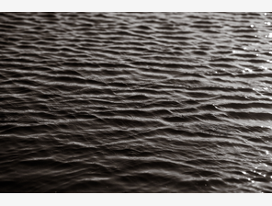 | DSC04011.png | new-dsc04011.png | /photos/new-dsc04011.png | 1280 | 854 | Sony |  |  |  |  |  |  |  |  | /Users/keiryanwilson/Downloads/New Photos for Keiryan Website/DSC04011.png
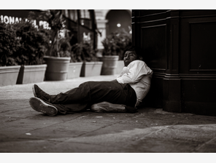 | DSC07928.png | new-dsc07928.png | /photos/new-dsc07928.png | 1280 | 854 | Sony |  |  |  |  |  |  |  |  | /Users/keiryanwilson/Downloads/New Photos for Keiryan Website/DSC07928.png
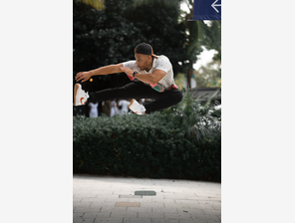 | IMG_0311.png | new-img-0311.png | /photos/new-img-0311.png | 854 | 1280 | iPhone |  |  |  |  |  |  |  |  | /Users/keiryanwilson/Downloads/New Photos for Keiryan Website/IMG_0311.png
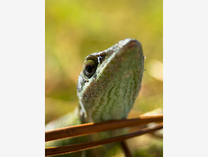 | IMG_0984.png | new-img-0984.png | /photos/new-img-0984.png | 960 | 1280 | iPhone |  |  |  |  |  |  |  |  | /Users/keiryanwilson/Downloads/New Photos for Keiryan Website/IMG_0984.png
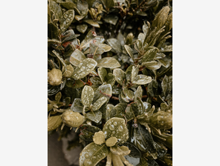 | IMG_2466.png | new-img-2466.png | /photos/new-img-2466.png | 960 | 1280 | iPhone |  |  |  |  |  |  |  |  | /Users/keiryanwilson/Downloads/New Photos for Keiryan Website/IMG_2466.png
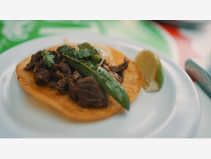 | MESScam_1914_21534007.JPG | new-messcam-1914-21534007.jpg | /photos/new-messcam-1914-21534007.jpg | 1920 | 1080 | Sony |  |  |  |  |  |  |  |  | /Users/keiryanwilson/Downloads/New Photos for Keiryan Website/MESScam_1914_21534007.JPG
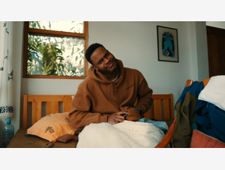 | MESScam_2125_00323705.PNG | new-messcam-2125-00323705.png | /photos/new-messcam-2125-00323705.png | 3840 | 2160 | Sony |  |  |  |  |  |  |  |  | /Users/keiryanwilson/Downloads/New Photos for Keiryan Website/MESScam_2125_00323705.PNG
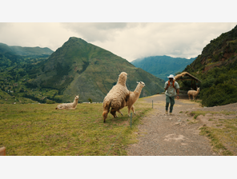 | MESScam_2218_01510018.PNG | new-messcam-2218-01510018.png | /photos/new-messcam-2218-01510018.png | 3840 | 2160 | Sony |  |  |  |  |  |  |  |  | /Users/keiryanwilson/Downloads/New Photos for Keiryan Website/MESScam_2218_01510018.PNG
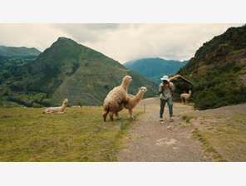 | MESScam_2218_01510110.PNG | new-messcam-2218-01510110.png | /photos/new-messcam-2218-01510110.png | 1920 | 1080 | Sony |  |  |  |  |  |  |  |  | /Users/keiryanwilson/Downloads/New Photos for Keiryan Website/MESScam_2218_01510110.PNG
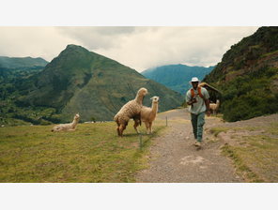 | MESScam_2218_01510225.PNG | new-messcam-2218-01510225.png | /photos/new-messcam-2218-01510225.png | 3840 | 2160 | Sony |  |  |  |  |  |  |  |  | /Users/keiryanwilson/Downloads/New Photos for Keiryan Website/MESScam_2218_01510225.PNG
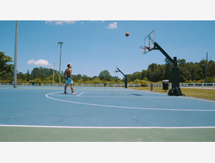 | MESScam_2913_12154229.PNG | new-messcam-2913-12154229.png | /photos/new-messcam-2913-12154229.png | 3840 | 2160 | Sony |  |  |  |  |  |  |  |  | /Users/keiryanwilson/Downloads/New Photos for Keiryan Website/MESScam_2913_12154229.PNG
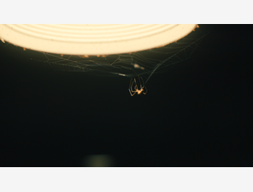 | MESScam_3905_02304410.PNG | new-messcam-3905-02304410.png | /photos/new-messcam-3905-02304410.png | 3840 | 2160 | Sony |  |  |  |  |  |  |  |  | /Users/keiryanwilson/Downloads/New Photos for Keiryan Website/MESScam_3905_02304410.PNG
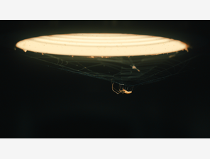 | MESScam_3907_02324002.PNG | new-messcam-3907-02324002.png | /photos/new-messcam-3907-02324002.png | 3840 | 2160 | Sony |  |  |  |  |  |  |  |  | /Users/keiryanwilson/Downloads/New Photos for Keiryan Website/MESScam_3907_02324002.PNG
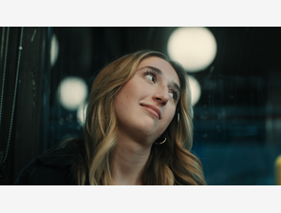 | MESScam_4208_07162510.PNG | new-messcam-4208-07162510.png | /photos/new-messcam-4208-07162510.png | 1920 | 1080 | Sony |  |  |  |  |  |  |  |  | /Users/keiryanwilson/Downloads/New Photos for Keiryan Website/MESScam_4208_07162510.PNG
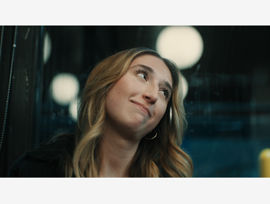 | MESScam_4208_07162717.PNG | new-messcam-4208-07162717.png | /photos/new-messcam-4208-07162717.png | 1920 | 1080 | Sony |  |  |  |  |  |  |  |  | /Users/keiryanwilson/Downloads/New Photos for Keiryan Website/MESScam_4208_07162717.PNG
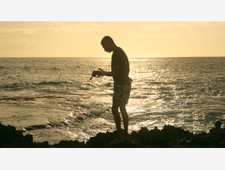 | MESScam_4244_07330007.PNG | new-messcam-4244-07330007.png | /photos/new-messcam-4244-07330007.png | 3840 | 2160 | Sony |  |  |  |  |  |  |  |  | /Users/keiryanwilson/Downloads/New Photos for Keiryan Website/MESScam_4244_07330007.PNG
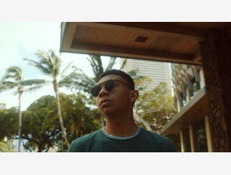 | MESScam_4265_08003027.PNG | new-messcam-4265-08003027.png | /photos/new-messcam-4265-08003027.png | 1920 | 1080 | Sony |  |  |  |  |  |  |  |  | /Users/keiryanwilson/Downloads/New Photos for Keiryan Website/MESScam_4265_08003027.PNG
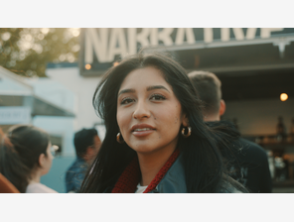 | MESScam_4561_13573924_1.PNG | new-messcam-4561-13573924-1.png | /photos/new-messcam-4561-13573924-1.png | 3840 | 2160 | Sony |  |  |  |  |  |  |  |  | /Users/keiryanwilson/Downloads/New Photos for Keiryan Website/MESScam_4561_13573924_1.PNG
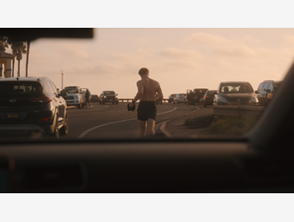 | MESScam_4869_19341922.PNG | new-messcam-4869-19341922.png | /photos/new-messcam-4869-19341922.png | 1920 | 1080 | Sony |  |  |  |  |  |  |  |  | /Users/keiryanwilson/Downloads/New Photos for Keiryan Website/MESScam_4869_19341922.PNG
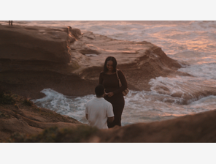 | MESScam_4881_19371715.PNG | new-messcam-4881-19371715.png | /photos/new-messcam-4881-19371715.png | 1920 | 1080 | Sony |  |  |  |  |  |  |  |  | /Users/keiryanwilson/Downloads/New Photos for Keiryan Website/MESScam_4881_19371715.PNG
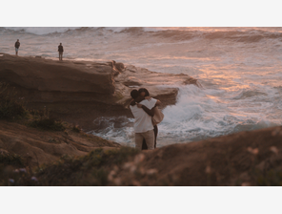 | MESScam_4881_19372720.PNG | new-messcam-4881-19372720.png | /photos/new-messcam-4881-19372720.png | 1920 | 1080 | Sony |  |  |  |  |  |  |  |  | /Users/keiryanwilson/Downloads/New Photos for Keiryan Website/MESScam_4881_19372720.PNG
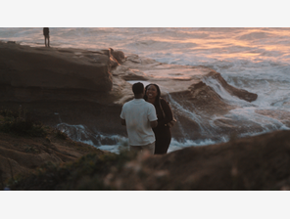 | MESScam_4881_19375029_1.PNG | new-messcam-4881-19375029-1.png | /photos/new-messcam-4881-19375029-1.png | 3840 | 2160 | Sony |  |  |  |  |  |  |  |  | /Users/keiryanwilson/Downloads/New Photos for Keiryan Website/MESScam_4881_19375029_1.PNG
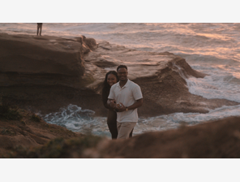 | MESScam_4884_19384519.BMP | new-messcam-4884-19384519.png | /photos/new-messcam-4884-19384519.png | 3840 | 2160 | Sony |  |  |  |  |  |  |  | convert BMP to PNG before import | /Users/keiryanwilson/Downloads/New Photos for Keiryan Website/MESScam_4884_19384519.BMP
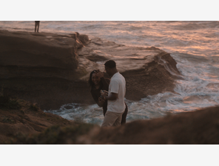 | MESScam_4884_19384621.PNG | new-messcam-4884-19384621.png | /photos/new-messcam-4884-19384621.png | 1920 | 1080 | Sony |  |  |  |  |  |  |  |  | /Users/keiryanwilson/Downloads/New Photos for Keiryan Website/MESScam_4884_19384621.PNG
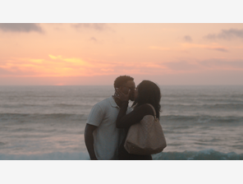 | MESScam_4887_19394413.PNG | new-messcam-4887-19394413.png | /photos/new-messcam-4887-19394413.png | 3840 | 2160 | Sony |  |  |  |  |  |  |  |  | /Users/keiryanwilson/Downloads/New Photos for Keiryan Website/MESScam_4887_19394413.PNG
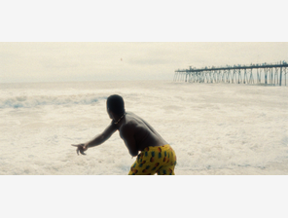 | Water Toss 2.png | new-water-toss-2.png | /photos/new-water-toss-2.png | 1280 | 591 | Sony |  |  |  |  |  |  |  |  | /Users/keiryanwilson/Downloads/New Photos for Keiryan Website/Water Toss 2.png

