Sheet1
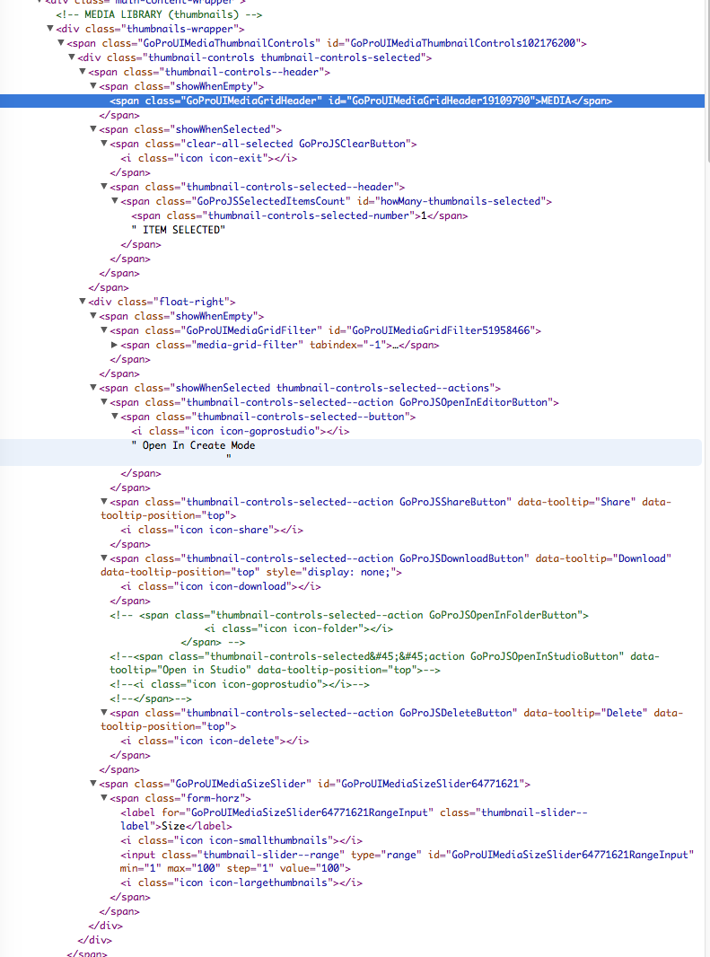

span.clear-all-selected.GoProJSClearButton


span.thumbnail-controls-selected--action.GoProJSOpenInEditorButton

$("span.thumbnail-controls-selected--action.GoProJSOpenInEditorButton").trigger("click");

thumbnail-controls-selected-number

span.thumbnail-controls-selected--action.GoProJSShareButton

span.thumbnail-controls-selected--action.GoProJSDownloadButton

span.thumbnail-controls-selected--action.GoProJSDeleteButton

GoProUIMediaSizeSlider64771621RangeInput
span#GoProUIMediaSizeSlider64771621.GoProUIMediaSizeSlider

$("input#GoProUIMediaSizeSlider64771621RangeInput.thumbnail-slider--range").attr("value");

a.context-menu--link.GPJSMediaGridFilterOption

$("a.context-menu--link.GPJSMediaGridFilterOption").attr("data-filter");

[
<a href=?"#" class=?"context-menu--link GPJSMediaGridFilterOption" data-filter=?"all">?All?</a>?
,
<a href=?"#" class=?"context-menu--link GPJSMediaGridFilterOption" data-filter=?"photo">?Photos?</a>?
,
<a href=?"#" class=?"context-menu--link GPJSMediaGridFilterOption" data-filter=?"video">?Videos?</a>?
,
<a href=?"#" class=?"context-menu--link GPJSMediaGridFilterOption" data-filter=?"hilighted">?HiLights?</a>?
]

