Initial_Config_WLC_9800
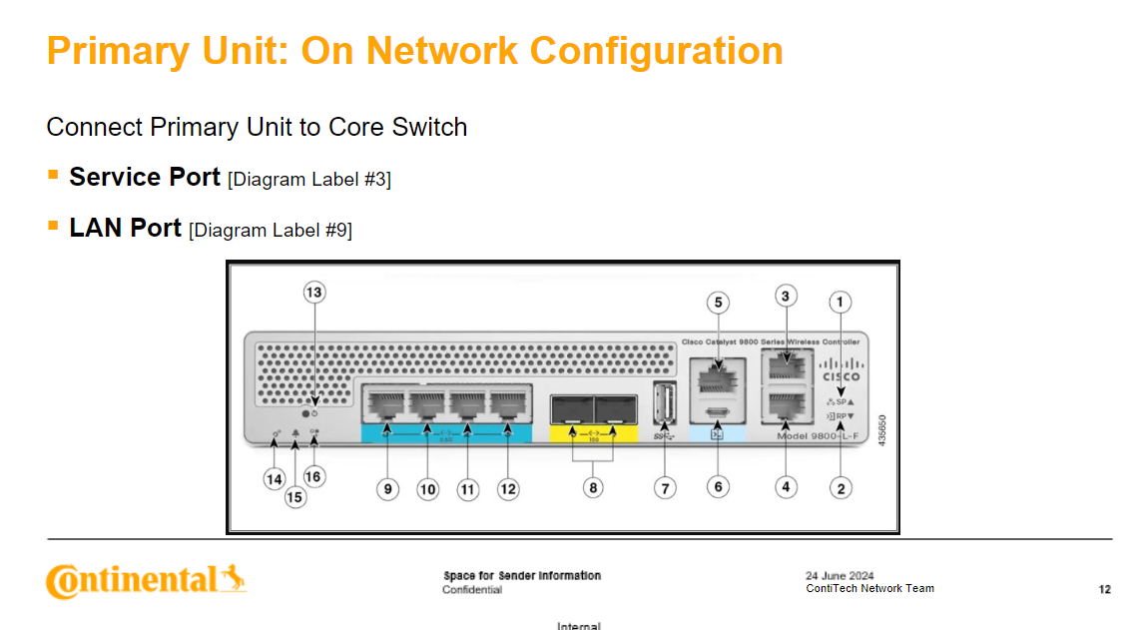
ITEMS | VALUES | CODE OUTPUT
WLC_MANAGEMENT | 1.1.1.100 | The following config is done before the unit is connected to the network via Console:​ | AFTER Base Configuration [SECTION 2.2]​
WLC_MANAGEMENT_SUBNET | 255.255.255.0 | VTP Configuration [SECTION 2.1]​
WLC_MANAGEMENT_GATEWAY | 1.1.1.1 | Base Configuration [SECTION 2.2]​
WLC_MANAGEMENT_HA_UNIT | 1.1.1.99
WLC_MANAGEMENT_HA_UNIT_SUBNET | 255.255.255.0 | REQUESTED CODE OUTPUT STARTS BELOW:
SERVICE_PORT_IP | 2.2.2.100
SERVICE_PORT_IP_GATEWAY | 2.2.2.1
SERVICE_PORT_SUBNET | 255.255.255.0
WLAN_G6_INTERFACE | 3.3.3.3
WLAN_G6_SUBNET | 255.255.255.0
WLAN_G7_INTERFACE | 4.4.4.3
WLAN_G7_SUBNET | 255.255.255.0
WLAN_G8_STAGING_INTERFACE | 5.5.5.3
WLAN_G8_STAGING_SUBNET | 255.255.255.0
WLAN_G8_STAGING_GATEWAY | 5.5.5.1
WLAN_G8_INTERFACE | 6.6.6.3
WLAN_G8_SUBNET | 255.255.255.0
CORP_GUEST | 7.7.7.3
CORP_GUEST_SUBNET | 255.255.255.0
REDUNDANCY_IP_PRIMARY | 1.2.3.100
REDUNDANCY_IP_HA_UNIT | 1.2.3.99
DHCP_IP | 10.61.3.15
WLC_NAME | CTLQwlc01
VTP_DOMAIN | CTLQ
SNMP_LOCATION | Manila
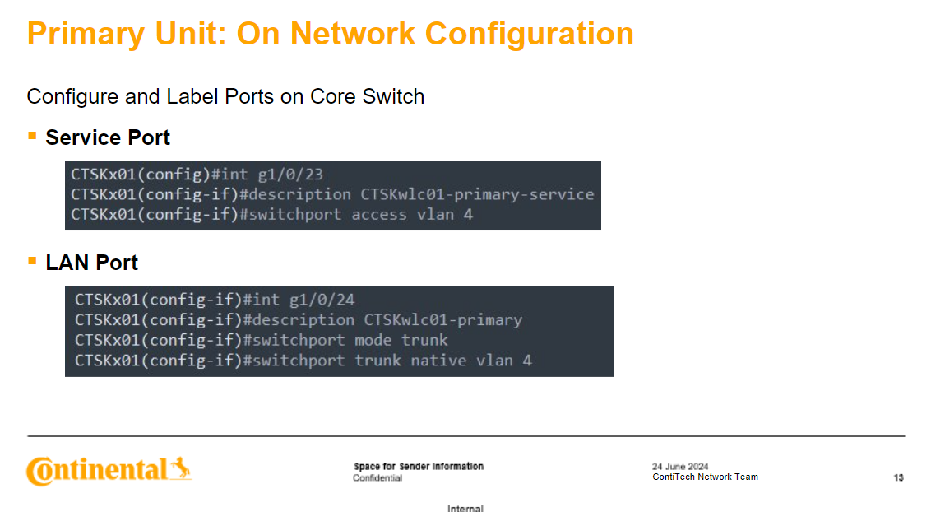
RF_NETWORK | PH
G7_RE | 8.8.8.3
AP_COUNTRY | PH
DEFAULT_MANAGEMENT_VLAN | VLAN2

