HSR Map
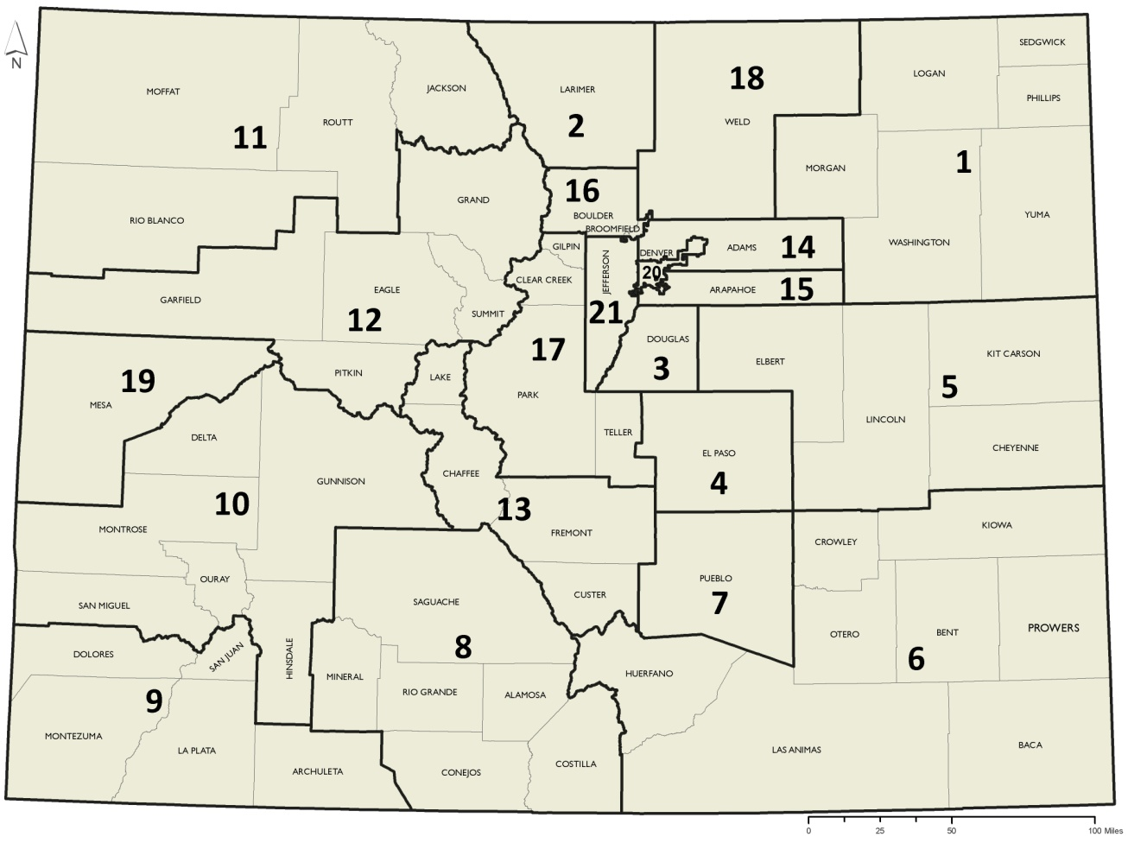
Figure 1. 21 Health Statistics Regions

