All
 | 000042 Stockroom |  | Success or Failure |  | Image: | Mode: | Crystal? |  | Link:

Back Order By Netting Group |  |  | Success | 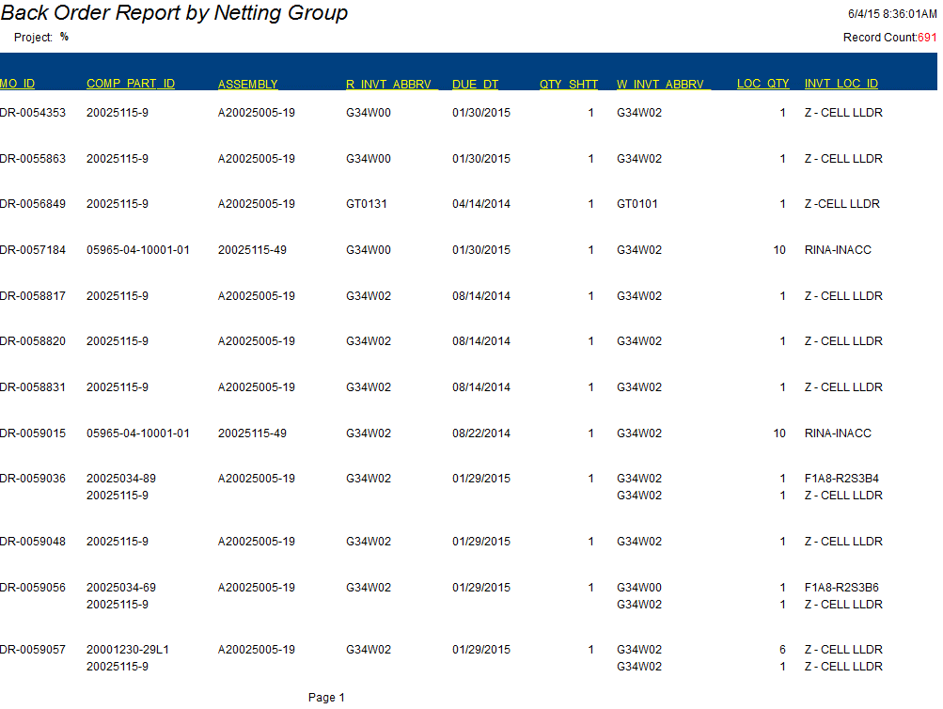 |  | Enterprise | Crystal |  | http://flg-stage-repctr.es.northgrum.com/custom/view_back_order_by_netting_group.asp
Inventory Count Sheets by Loc |  |  | Success |  |  | Enterprise | Crystal |  | http://flg-stage-repctr.es.northgrum.com/custom/view_inventory_count_sheets_by_loc.asp
Inventory Count Variance Detail |  |  | Success |  |  | Enterprise | Crystal |  | http://flg-stage-repctr.es.northgrum.com/custom/view_inventory_count_variance_detail.asp
Inventory Count Variance Summary |  |  | Success | 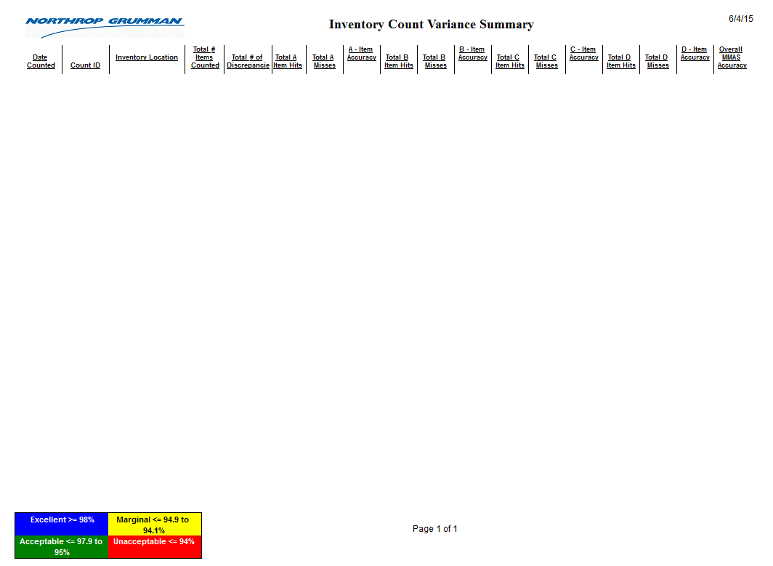 |  | Enterprise | Crystal
Customer Property Count Detail |  | 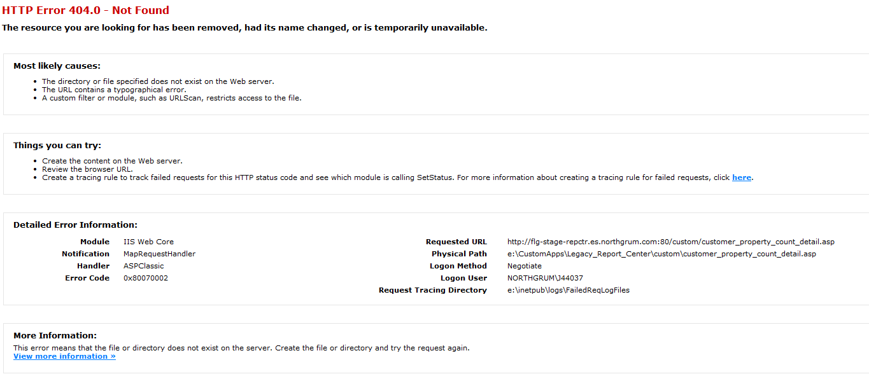 | Failure |  |  | Enterprise | No access |  | http://flg-stage-repctr.es.northgrum.com/custom/customer_property_count_detail.asp
Customer Property Count Summary |  |  | Failure, same screen capture as above. |  |  | Enterprise | No access |  | http://flg-stage-repctr.es.northgrum.com/custom/customer_property_count_summary.asp
Inventory Disposition Report |  |  | Success | 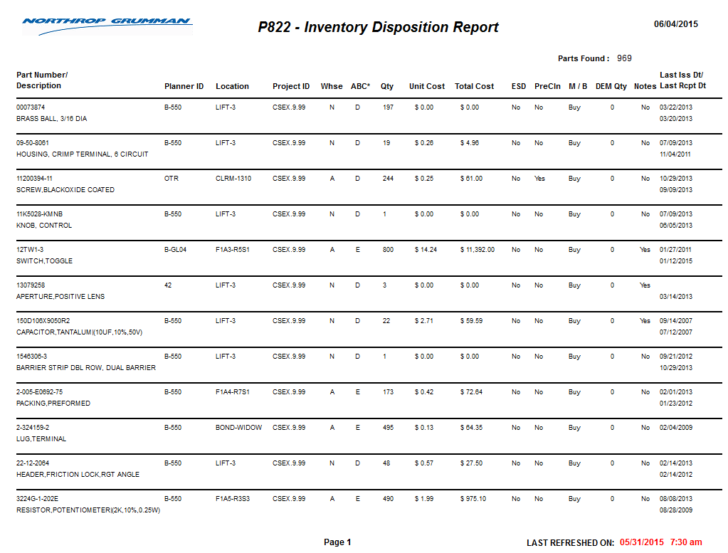 |  | Enterprise | Crystal Reports |  | http://flg-stage-repctr.es.northgrum.com/custom/view_InvtDispRpt.asp
Maintain Cleanroom Inventory Locations for MO Picklist |  |  | Failure |  |  | Enterprise | No access | http://flg-stage-appctr.es.northgrum.com/serverError.htm?aspxerrorpath=/InventoryCleanroom/Default.aspx
S/R Inventory Location Maint Report |  |  | Failure |  |  | Enterprise | No access | http://flg-stage-repctr.es.northgrum.com/custom/InvtLocMaint/maint_lsd_sr_loc_detail.asp
ReOrder Inventory Report |  |  | Failure, when I click on it, it looks like it is loading but doesn't load. |  |  | Enterprise | crystal | http://flg-stage-repctr.es.northgrum.com/custom/view_ReorderPlanning_summary.asp
Residual Project Maintenance |  |  | Failure, not authorized |  |  | Enterprise | No access | http://flg-stage-repctr.es.northgrum.com/custom/residualproj/residualprojects.asp
 | 003066 Config & Data Mgmt

As Required Items |  |  | 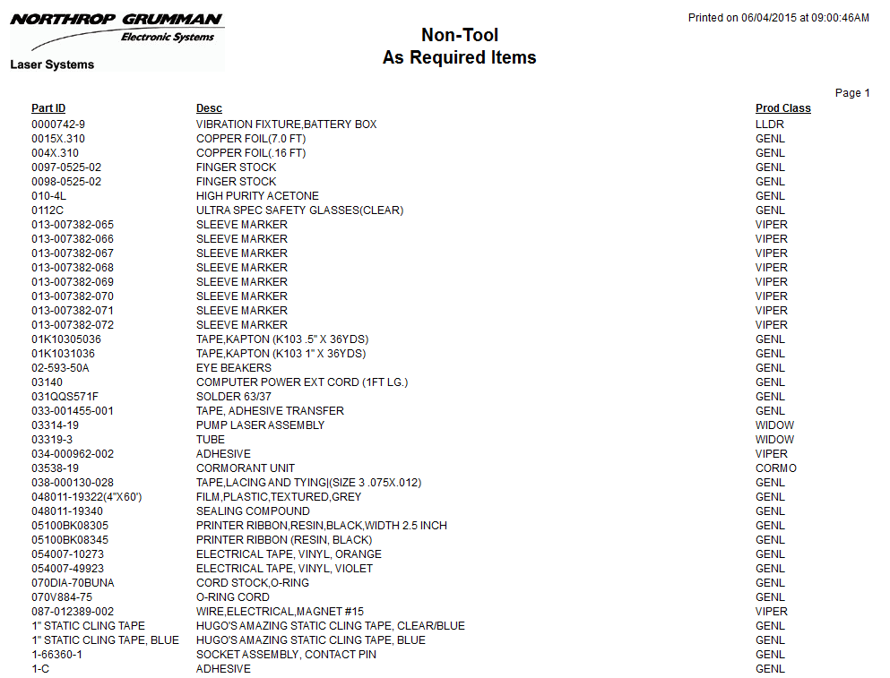 Success |  |  | Enterprise | crystal | http://flg-stage-repctr.es.northgrum.com/custom/view_As_Required_Items_req.asp
Cross Reference |  |  | 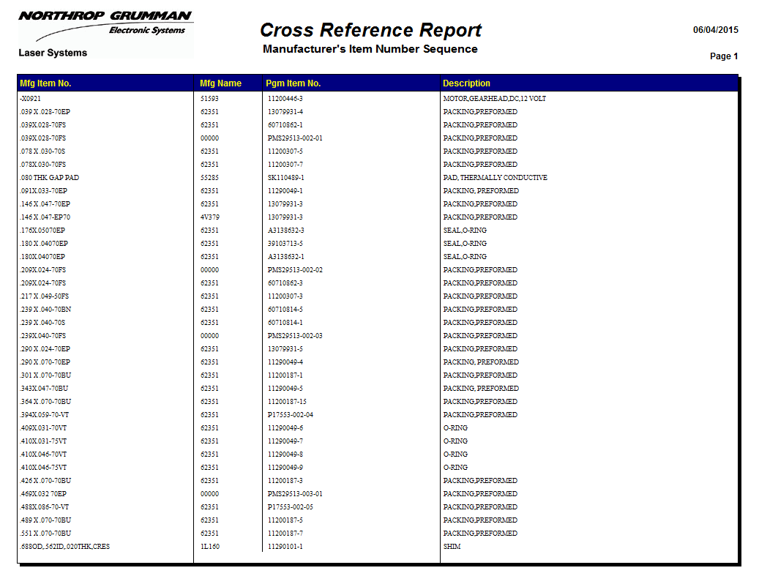 Success |  |  | Enterprise | crystal | http://flg-stage-repctr.es.northgrum.com/custom/view_cr_rpt.asp
Document Revision Report |  |  | Success |  |  | Native | Not | http://flg-stage-repctr.es.northgrum.com/pb-asp/testengdoccp/testengdoc.asp
EBOM and MBOM Comparison |  |  | Success | 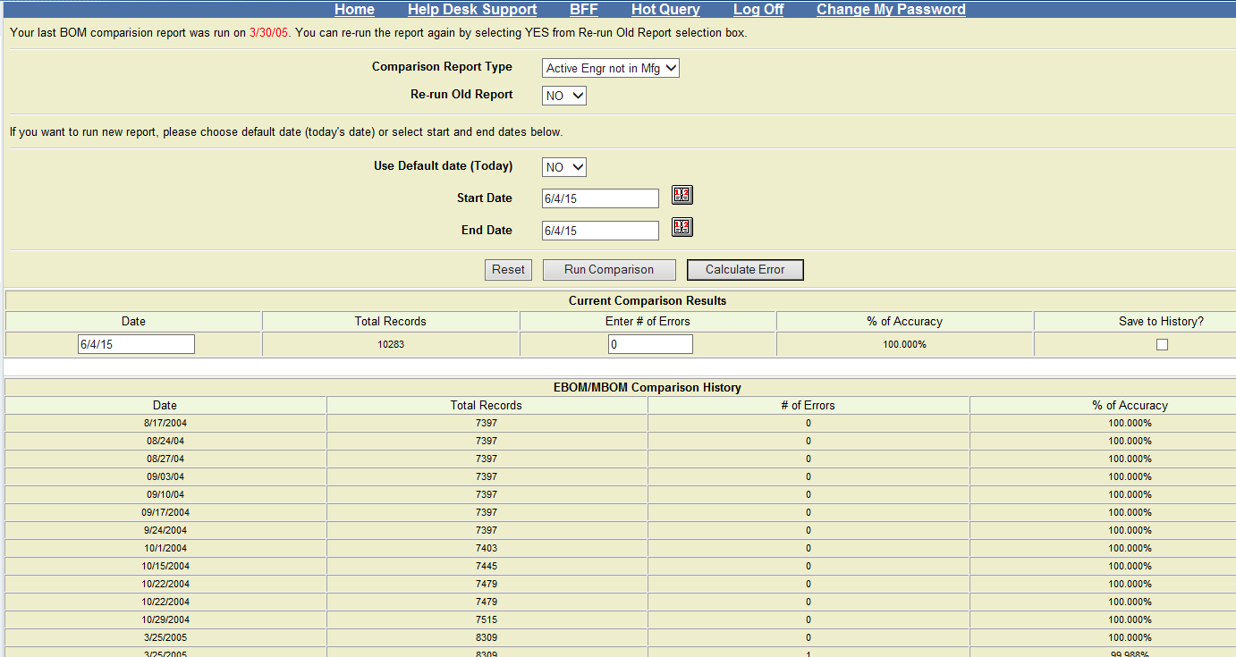 |  | Native | Not | http://flg-stage-repctr.es.northgrum.com/custom/bomcomparison/bom_comp.asp
EBOM and Preliminary BOM Comparison |  |  | Failure, white screen |  |  | Enterprise | Not | http://flg-stage-repctr.es.northgrum.com/custom/bomcomparison/Report_Ebom_Pbom_Comp.asp
ECN Report by Reason Codes |  |  | Success |  |  | Native | Not | http://flg-stage-repctr.es.northgrum.com/custom/ECN_Reports_By_Reason_Codes_Main.asp
Hardware Shipment |  |  | Success |  |  | Enterprise | crystal | http://flg-stage-repctr.es.northgrum.com/custom/view_hardware_shipment.asp
Items That Migrate From TC To CP |  |  | Success |  |  | Enterprise | crystal | http://flg-stage-repctr.es.northgrum.com/custom/view_tc_parts.asp
 | 004041 Supplier Quality/Rec Inspec |  |  |  |  | Enterprise

Americium 241(Am-241) Inspection |  | 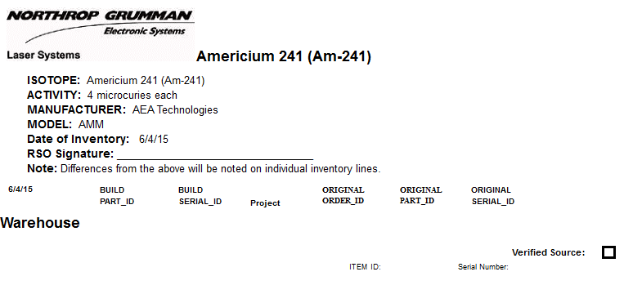 | Success, but took forever to load. |  |  | Enterprise | Crystal | http://flg-stage-repctr.es.northgrum.com/custom/Americium241_insp.asp
Americium 241 Raw Source Inventory |  |  | 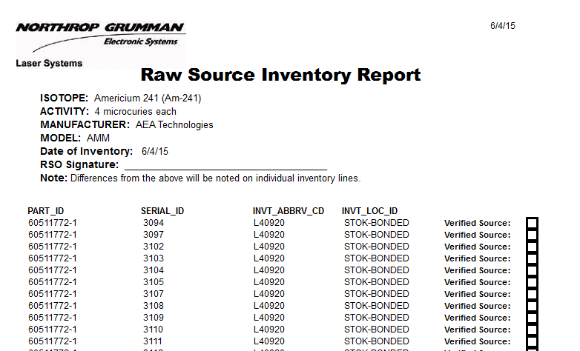 Success |  |  | Enterprise | Crystal | http://flg-stage-repctr.es.northgrum.com/custom/RawSourceInventory_insp.asp
Receiving Labels |  |  | Success |  |  | Native | Not | http://flg-stage-repctr.es.northgrum.com/pb-asp/recv_lbl/enterrecpt.asp
 | 004043 Purchasing |  | Success
 |  |  | Success
Individual Contracts Report - by Detail |  |  | Success |  |  | Native | Not | http://flg-stage-repctr.es.northgrum.com/pb-asp/individual_contract/individual_contract.asp
Individual Contracts Report - by Sum |  |  | Success | All individual contracts reports work |  | Native | Not | http://flg-stage-repctr.es.northgrum.com/pb-asp/individual_contract/individual_contract_sum.asp
Individual Contracts Report - by Buyer |  |  | Success | All individual contracts reports work |  | Native | Not | http://flg-stage-repctr.es.northgrum.com/pb-asp/individual_contract/individual_contract_buyer.asp
Individual Contracts Report - by Vendor |  |  | Success | All individual contracts reports work |  | Native | Not | http://flg-stage-repctr.es.northgrum.com/pb-asp/individual_contract/individual_contract_vendor.asp
Individual Contracts Report - by All the Supplier |  |  | Success | All individual contracts reports work |  | Native | Not | http://flg-stage-repctr.es.northgrum.com/pb-asp/individual_contract/individual_contract_supplier.asp
Individual Contracts Report - by Contracts Over $500K |  |  | Success | All individual contracts reports work |  | Native | Not | http://flg-stage-repctr.es.northgrum.com/pb-asp/individual_contract/individual_contract_supplier_contract_over_500k.asp
Planned Orders and Requisitions to Process |  |  | Success |  |  | Native | Not | http://flg-stage-repctr.es.northgrum.com/pb-asp/rfq_rq/rfqrq.asp
PO Close Report |  |  | Success |  |  | Native | Not | http://flg-stage-repctr.es.northgrum.com/custom/POCloseReportReq.asp
PO Monthend Reports |  |  | Success, all work |  |  | Native | Not | http://flg-stage-appctr.es.northgrum.com/Scm/Index
Print Purchase Order |  |  | Success |  |  | Native | Not | http://flg-stage-repctr.es.northgrum.com/pb-asp/rfq_rq/rqparms.asp
Print Requisitions |  |  | Success | 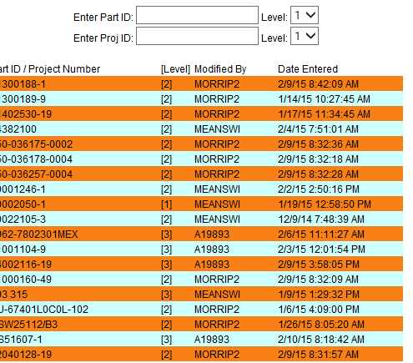 |  | Native | Not | http://flg-stage-repctr.es.northgrum.com/pb-asp/rfq_rq/rq.asp
Priority Requisitions |  |  | Success |  |  | Native | Not | http://flg-stage-repctr.es.northgrum.com/custom/PriorityReqs/ReqPriorityRpt.asp
SF294 (Data Only) |  |  | Success, asks to open |  |  | Native | Not | http://flg-stage-repctr.es.northgrum.com/pb-asp/individual_contract/SF294.asp
Small Business Report |  |  | Success |  |  | Native | Not | http://flg-stage-repctr.es.northgrum.com/pb-asp/individual_contract/enter_individual_small_bus_report.asp
Supplier Change Log |  |  | Failure, need authorization |  |  | Native | Not | http://flg-stage-appctr.es.northgrum.com/SupplierChange/Default.aspx
Vendor Supplier Data |  |  | Failure, no supplier data |  | 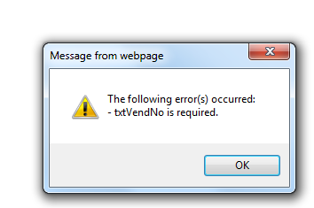 | Native | Not | http://flg-stage-appctr.es.northgrum.com/SCMReq/Default.aspx
White Requisition Log |  |  | Failure, not authorized |  |  | Native | Not | No access
White Requisition Report |  |  | Success |  | 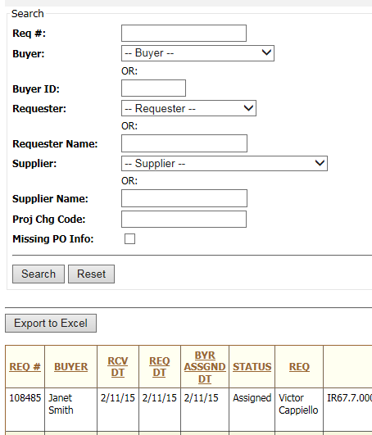 | Native | Not | http://flg-stage-appctr.es.northgrum.com/SCMReqReport/Default.aspx
 | 004045 Master Schedule

Ops Vs. Contract Schedule |  |  | Success |  |  | Native | Not | http://flg-stage-repctr.es.northgrum.com/custom/MPS/cdr-rpt.asp
Netting Groups (All active) |  |  | Success |  |  | Enterprise | Crystal | http://flg-stage-repctr.es.northgrum.com/view_report.asp?RptType=ops&RptNum=net-grp
Netting Group Changes by Date Range |  |  | Success |  |  | Enterprise | Crystal | http://flg-stage-repctr.es.northgrum.com/custom/view_Netting_Group_by_Date_Range.asp
MP SO Summary - OPEN LINES ONLY |  |  | Success |  |  | Enterprise | Crystal | http://flg-stage-repctr.es.northgrum.com/custom/view_mp_int_so_sum_ct.asp
Internal Sales Order Summary - Contracts |  |  | Success |  |  | Enterprise | Crystal | http://flg-stage-repctr.es.northgrum.com/custom/view_int_so_sum_ct.asp
MRP Reports Group1 |  |  | 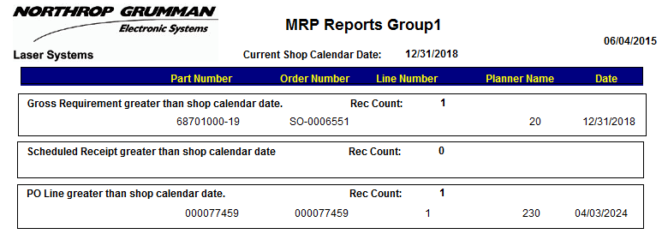 Success |  |  | Enterprise | Crystal | http://flg-stage-repctr.es.northgrum.com/custom/view_MRP_Reports_Group1.asp
MRP Reports Group2 |  |  | Success |  |  | Enterprise | Crystal | http://flg-stage-repctr.es.northgrum.com/custom/view_MRP_Reports_Group2.asp
Sales Order Line Changes |  |  | Success |  |  | Enterprise | Crystal | http://flg-stage-repctr.es.northgrum.com/custom/view_so_ln_change.asp
Update Exclude PROJ_ID for MRP Report 154 |  |  | Failure, 404 not found |  |  | Native | Not | http://flg-stage-repctr.es.northgrum.com/pb-asp/MakeNotInLDCMP/ldcmp.asp
 |  |  | Success |  |  | Native | Not | http://flg-stage-repctr.es.northgrum.com/pb-asp/completed_mo/select.asp
 | 004053 Manufacturing Engineering |  | Success |  |  | Native | Not | http://flg-stage-repctr.es.northgrum.com/pb-asp/wo/mo.asp
 |  |  |  |  |  | Native | Not | http://flg-stage-repctr.es.northgrum.com/pb-asp/router/routprnt.asp
Active Makes not in LDCMP |  |  | Success |  |  | Native | Not | http://flg-stage-repctr.es.northgrum.com/pb-asp/Completed_MO/LaborPerformanceSelect.asp
Completed Work Order (Old Guru) |  |  | Success, but I have no part number |  |  | Native | Not | http://flg-stage-repctr.es.northgrum.com/custom/mopr/mopr-req.asp
CostPoint Header Preview |  |  | Success |  |  | Native | Not | http://flg-stage-repctr.es.northgrum.com/pb-asp/oob/oob.asp
CostPoint Router Preview |  |  | Success, same as above |  |  | Native | Not | http://flg-stage-repctr.es.northgrum.com/pb-asp/partslist/partslist.asp
Labor Performance Report |  |  | Failure, 404 not found |  |  | No access | Not | http://flg-stage-repctr.es.northgrum.com/pb-asp/Completed_MO/LaborPerformanceSelect.asp
Manufacturing Order Performance Report |  |  | Success, but no id |  |  | Native | Not | http://flg-stage-repctr.es.northgrum.com/custom/mopr/mopr-req.asp
OOB (Out Of Box Returns) Export |  |  | 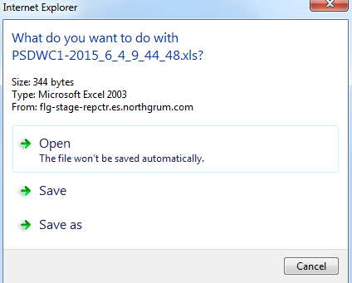 Success |  |  | Native | Not | http://flg-stage-repctr.es.northgrum.com/pb-asp/oob/oob.asp
Parts List |  |  | Success |  |  | Native | Not | http://flg-stage-repctr.es.northgrum.com/pb-asp/partslist/partslist.asp
Program for MES Label |  |  | 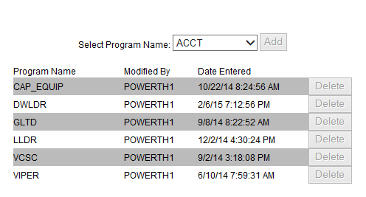 Success |  |  | Native | Not | http://flg-stage-repctr.es.northgrum.com/custom/mes.asp
QAData Report |  |  | Success, opening file dialog pops up |  |  | Native | Not | http://flg-stage-repctr.es.northgrum.com/pb-asp/QAData/select.asp
Scrap Report |  |  | Success |  |  | Native | Not | http://flg-stage-repctr.es.northgrum.com/custom/mes.asp
Test Failure Label |  |  | Success, do not have number |  |  | Native | Not | http://flg-stage-repctr.es.northgrum.com/custom/scrap_rpt.asp
Work Order Detail |  |  | Success, but do not have number |  |  | Native | Not | http://flg-stage-repctr.es.northgrum.com/pb-asp/NC_lbl/enterTF.asp
Work Order Performance |  |  | Failure, does not show anything |  |  | Native | Not | http://flg-stage-repctr.es.northgrum.com/custom/wo_performance.asp
 | 004054 Production Control

Closed MO By Completed Date |  |  | Success |  |  | Native | Not | http://flg-stage-repctr.es.northgrum.com/custom/closed_mo_by_completed_date.asp
MASC |  |  | Success |  |  | Native | Not | http://flg-stage-repctr.es.northgrum.com/custom/masc/masc.asp
Material Status Report |  |  | Success, but no part # |  |  | Native | Not | http://flg-stage-repctr.es.northgrum.com/custom/Shortage/mps/material_status_req.asp
Netting Group Realignment Report |  |  | Success |  |  | Native | Not | http://flg-stage-repctr.es.northgrum.com/custom/Shortage/mps/netting_grp_realign_req.asp
Maintenance for Reorder Point Items |  |  | Success |  |  | Native | Not | http://flg-stage-repctr.es.northgrum.com/custom/ord_policy_change.asp
MO’s open in Costpoint but scanned to NetTrieve - Andy Leroux - Monthly |  |  | Success, but invalid login |  |  | Enterprise | Crystal | http://flg-stage-repctr.es.northgrum.com/custom/view_Closed_MO_by_Completed_Date.asp
MO's where Completed Qty is Greater than Build Qty. |  |  | Success, but no part # |  |  | Native | Not | http://flg-stage-repctr.es.northgrum.com/custom/masc/masc.asp
Shortage Report |  |  | Success, but I have no data |  |  | Native | Not | http://flg-stage-repctr.es.northgrum.com/custom/Shortage/mps/netting_grp_realign_req.asp
Spares Shipping Label |  |  | Success, but no inventory # |  |  | Native | Not | http://flg-stage-repctr.es.northgrum.com/custom/ord_policy_change.asp
Stock Status Report |  |  | I do not have access to this report |  |  | Native | Not | http://flg-stage-repctr.es.northgrum.com/custom/stockstatus_req.asp
What-If Scenarios |  |  | Success, no data |  |  | No access | No access | http://flg-stage-repctr.es.northgrum.com/custom/Shortage/mps/cua-req.asp
WO Label |  |  | Success, but no netting group |  |  | Native | Not | http://flg-stage-repctr.es.northgrum.com/pb-asp/wo/enterwo.asp
Summary Part Availability Report - PC |  |  | Success |  |  | Native | Not | http://flg-stage-repctr.es.northgrum.com/custom/SummaryPartAvail/SummaryPartAvail_reqPC.asp
Update Exclude Location ID Lookup Table for MO.EXE |  |  | Success, no credentials / authentication |  |  | No access | No access | http://flg-stage-repctr.es.northgrum.com/custom/ExceptionList/moexe_exclude.asp
Excess and Obsolete |  |  | 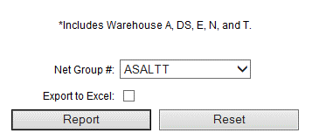 Success |  |  | Native | Not | http://flg-stage-repctr.es.northgrum.com/custom/Shortage/mps/excess_obsolete_req.asp
 | 004057 Property Control

Customer Property Control System |  |  | Success |  |  | Native | Not | http://flg-stage-repctr.es.northgrum.com/custom/cpcs/default.asp
Inventory Count Variance Detail |  |  | Success |  |  | Enterprise | Crystal | http://flg-stage-repctr.es.northgrum.com/custom/inventory_count_variance_detail.asp
Inventory Count Variance Summary |  |  | Success |  |  | Enterprise | Crystal | http://flg-stage-repctr.es.northgrum.com/custom/inventory_count_variance_summary.asp
INVT TRN ID Excluded from INVT TRN Tables |  |  | 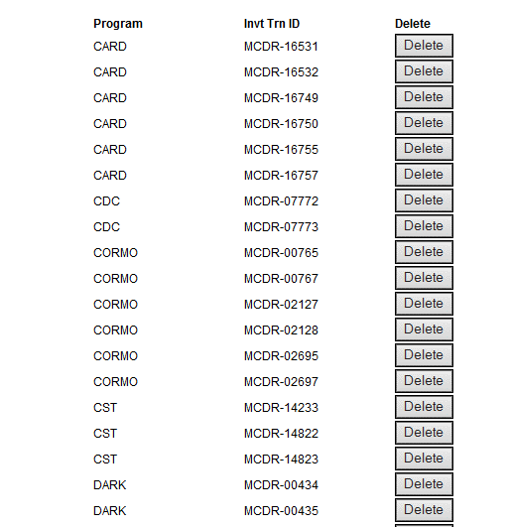 Success |  |  | Native | Not | http://flg-stage-repctr.es.northgrum.com/custom/cpcs/cpcs115_exclude.asp
Miscellaneous Receipt Traveler |  |  | Success |  |  | Enterprise | Crystal | http://flg-stage-repctr.es.northgrum.com/custom/Misc_Receipt_Traveler.asp
 | 005071 Programs Finance

Contract Cost Status Report |  |  | Success, no product id |  |  | Native | Not | http://flg-stage-repctr.es.northgrum.com/custom/ccsr/ccsr-req.asp
Contract Cost Status Report (Intl) |  |  | Success, no product id |  |  | Native | Not | http://flg-stage-repctr.es.northgrum.com/custom/ccsr/ccsr-req2.asp
Cost And Lead Time |  |  | Failure, takes forever to load |  |  | Native | Not | http://flg-stage-repctr.es.northgrum.com/custom/cost_lead_time.asp
Customer Funding Report |  |  | Success, no product id |  |  | Native | Not | http://flg-stage-repctr.es.northgrum.com/custom/cfr/cfr-req.asp
Material ETC - MRP Messages |  |  | Success, no data |  |  | Native | Not | http://flg-stage-repctr.es.northgrum.com/custom/materials_etc/mrp_action_messages.asp
Material ETC - Open Reqs |  |  | Success, no data |  |  | Native | Not | http://flg-stage-repctr.es.northgrum.com/custom/materials_etc/open_requisitions.asp
Material ETC - Project Accruals |  |  | Success, no data |  |  | Native | Not | http://flg-stage-repctr.es.northgrum.com/custom/materials_etc/projectaccruals.asp
Material ETC - Purchase Order Status |  |  | Success, no data |  |  | Native | Not | http://flg-stage-repctr.es.northgrum.com/custom/materials_etc/po_status.asp
Material Forecast Report |  |  | Failure, takes forever to load |  |  | Native | Not | http://flg-stage-repctr.es.northgrum.com/pb-asp/material_forecast/mf_select.asp
MO Report |  |  | Success, no part # |  |  | Native | Not | http://flg-stage-repctr.es.northgrum.com/pb-asp/pf_mo/select.asp
Open Commitments |  |  | Success, no data |  |  | Native | Not | http://flg-stage-repctr.es.northgrum.com/custom/materials_etc/open_committments.asp
Project Accrual Details |  |  | Success, no data |  |  | Native | Not | http://flg-stage-repctr.es.northgrum.com/custom/materials_etc/projectaccrualdetails.asp
Scrap Report Export to Excel |  |  | Success, asks to save file |  |  | Native | Not | http://flg-stage-repctr.es.northgrum.com/appl/scrapreport/scrap_parm.asp
 | 005072 Contracts

Sales Order Summary - Contracts |  |  | Failure, opens new page but page is not there |  |  | Enterprise | Crystal | http://flg-stage-repctr.es.northgrum.com/custom/view_so_sum_ct.asp
Shipping Doc - 1149 |  |  | Failure, opens new page but page is not there |  |  | Enterprise | Crystal | http://flg-stage-repctr.es.northgrum.com/custom/ShipDoc1149_rpt.asp
Ship Status |  |  | Success |  |  | Native | Not | http://flg-stage-repctr.es.northgrum.com/Cleanup.asp
 | 005073 Pricing

BOM(Bill of Materials) |  |  | Success |  |  | Native | Not | http://flg-stage-repctr.es.northgrum.com/custom/pricing/rfq-req.asp
Completed Work Order (Old Guru) |  |  | Success, no part # |  |  | Native | Not | http://flg-stage-repctr.es.northgrum.com/pb-asp/completed_mo/select.asp
Contract Actuals |  |  | Success, no project id |  |  | Native | Not | http://flg-stage-repctr.es.northgrum.com/custom/pricing/ccsr/ccsr-req.asp
 | 005075 Accounting

Finance Reports |  |  | Success |  |  | Enterprise | Crystal | http://flg-stage-repctr.es.northgrum.com/custom/view_acct_rpt.asp
Finance Reports 2 |  |  | 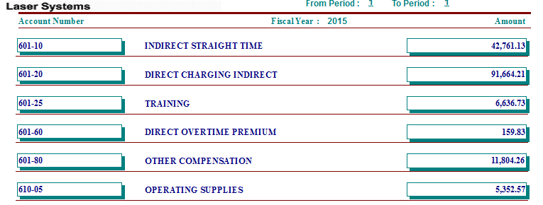 Success |  |  | Enterprise | Crystal | http://flg-stage-repctr.es.northgrum.com/custom/view_acct_rpt2.asp
Account Listing |  |  | Success |  |  | Enterprise | Crystal | http://flg-stage-repctr.es.northgrum.com/custom/view_acctlisting.asp
Aging 45 |  |  | Success |  |  | Enterprise | Crystal | http://flg-stage-repctr.es.northgrum.com/custom/view_aging45.asp
AP Accrual |  |  | Success | 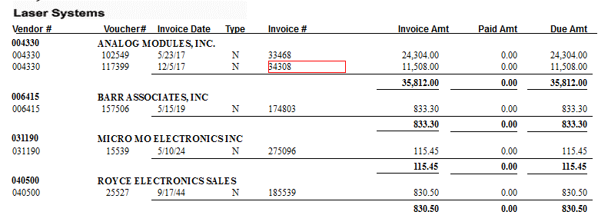 |  | Enterprise | Crystal | http://flg-stage-repctr.es.northgrum.com/custom/finance/view_APAccrual.asp
AP ICAP |  |  | Success |  |  | Enterprise | Crystal | http://flg-stage-repctr.es.northgrum.com/custom/view_icap.asp
AP Inter Company |  |  | Success, but no data |  |  | Native | Not | http://flg-stage-repctr.es.northgrum.com/custom/ap_intercompany.asp
A/R Aging |  |  | 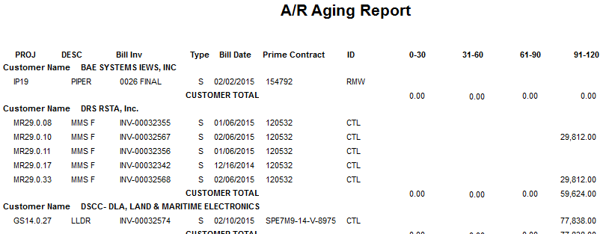 Success |  |  | Native | Not | http://flg-stage-repctr.es.northgrum.com/pb-asp/ar_aging/ar_aging.asp
A/R Aging Monthly |  |  | Success |  |  | Native | Not | http://flg-stage-repctr.es.northgrum.com/pb-asp/ar_aging_monthly/ar_aging_monthly.asp
Asset Inventory Report |  |  | Success |  |  | Enterprise | Crystal | http://flg-stage-repctr.es.northgrum.com/custom/view_AssetInventoryReport.asp
Assets Selected for Audit |  |  | Success |  |  | Enterprise | Crystal | http://flg-stage-repctr.es.northgrum.com/custom/view_AssetsSelectedforInventory.asp
CP Export Amex Voucher Log |  |  | Failure, white screen |  |  | Enterprise | Crystal | http://flg-stage-repctr.es.northgrum.com/appl/fin_tasks/cp_voucher_output.asp
Discounts by Vendor |  |  | 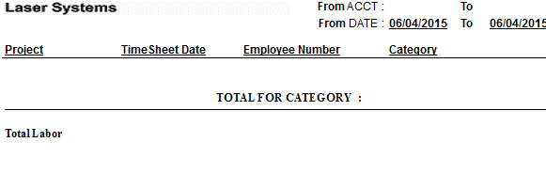 Success |  |  | Enterprise | Crystal | http://flg-stage-repctr.es.northgrum.com/custom/view_discounts_vendor.asp
Inter-Company Salary Change |  |  | Success |  |  | Enterprise | Crystal | http://flg-stage-repctr.es.northgrum.com/custom/interco_salary_chg.asp
Labor 2001A (Labor Total) |  |  | Success |  |  | Enterprise | Crystal | http://flg-stage-repctr.es.northgrum.com/custom/labor_totals.asp
Organization Listing |  |  | Success |  |  | Enterprise | Crystal | http://flg-stage-repctr.es.northgrum.com/custom/orglisting.asp
Project Audit |  | 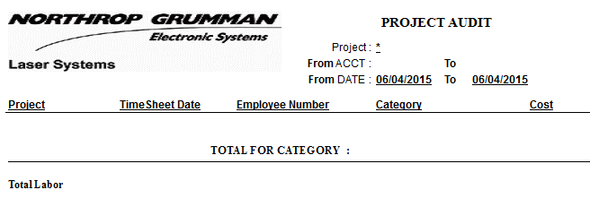 | Success |  |  | Enterprise | Crystal | http://flg-stage-repctr.es.northgrum.com/custom/ap_project_audit.asp
Remaining Assets to be Audited |  |  |  Success |  |  | Enterprise | Crystal | http://flg-stage-repctr.es.northgrum.com/custom/view_RemainingAssetsforInventory.asp
Vendor Activity |  |  | Success, blank vendor activity |  |  | Enterprise | Crystal | http://flg-stage-repctr.es.northgrum.com/custom/ap_vendor_activity.asp
Vendors IC |  |  | Success, asks to open file |  |  | Enterprise | Crystal | http://flg-stage-repctr.es.northgrum.com/custom/ap_vendors_ic.asp
Sales by Destination Export to Excel |  |  | Success |  |  | Native | NOT | http://flg-stage-repctr.es.northgrum.com/custom/salesbydestination/salesbydestination.asp
Sales Tax Monthly |  |  | Success, blank monthly tax |  |  | Enterprise | Crystal | http://flg-stage-repctr.es.northgrum.com/custom/sales_tax_weekly.asp
Sales Tax Weekly |  |  | Success, blank weekly |  |  | Enterprise | Crystal | http://flg-stage-repctr.es.northgrum.com/custom/view_salestax_month.asp
SAP Weekly Time |  |  |  Not sure. All I see is this |  |  | Native | NOT | http://flg-stage-repctr.es.northgrum.com/appl/fin_tasks/sap_time.asp
SAP Inbound Hours Worked |  |  | Failure, white screen |  |  | Native | NOT | http://flg-stage-repctr.es.northgrum.com/appl/fin_tasks/sap_hrswrk.asp
Total Active Assets Exclude RL |  |  | Success |  |  | Enterprise | Crystal | http://flg-stage-repctr.es.northgrum.com/custom/view_TotalActiveAssets_excl_RL.asp
Transaction Count by Payment |  |  | Success, blank invoices |  |  | Enterprise | Crystal | http://flg-stage-repctr.es.northgrum.com/custom/view_transact_pay.asp
 | 005076 Financial Planning & Control

004041
 | 004041 Supplier Quality/Rec Inspec |  | Enterprise

Americium 241(Am-241) Inspection |  | 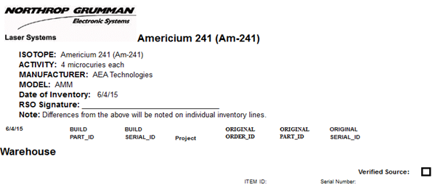 Success, but took forever to load. | Enterprise | Crystal | http://flg-stage-repctr.es.northgrum.com/custom/Americium241_insp.asp
Americium 241 Raw Source Inventory |  | Success | Enterprise | Crystal | http://flg-stage-repctr.es.northgrum.com/custom/RawSourceInventory_insp.asp
Receiving Labels |  | Success | Native | Not | http://flg-stage-repctr.es.northgrum.com/pb-asp/recv_lbl/enterrecpt.asp

