Trinean Report 2
DropSense REPORT
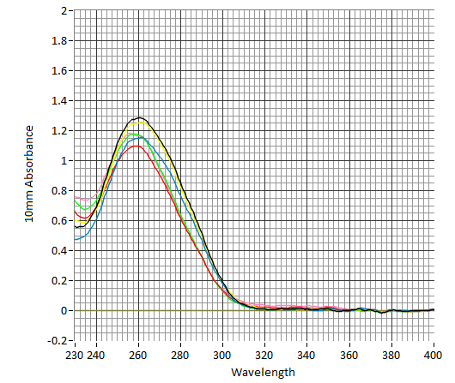

 | DropPlate ID | DropPlate Position | Sample name | Pump | A260 Concentration (ng/ul) | A230 (10mm) | A260 (10mm) | A280 (10mm) | Raw A340 (10mm) | A260/A230 | A260/A280
 | DropPlate 1 | C8 | AML-M7-01 | 0 | 51.33 | 0.56 | 1.28 | 0.85 | 0.03 | 2.3 | 1.5
 | DropPlate 1 | D8 | AML-M7-02 | 0 | 46.02 | 0.47 | 1.15 | 0.76 | 0.03 | 2.43 | 1.5
 | DropPlate 1 | E8 | AML-M7-03 | 0 | 50.07 | 0.6 | 1.25 | 0.82 | 0.01 | 2.08 | 1.52
 | DropPlate 1 | F8 | AML-DS-01 | 0 | 43.88 | 0.66 | 1.1 | 0.62 | 0.07 | 1.67 | 1.78
 | DropPlate 1 | G8 | AML-DS-02 | 0 | 46.94 | 0.73 | 1.17 | 0.64 | 0.07 | 1.61 | 1.83
 | DropPlate 1 | H8 | AML-DS-03 | 0 | 46.66 | 0.76 | 1.17 | 0.62 | 0.15 | 1.54 | 1.87
 | DropPlate 1 | E9 | blank | 0 | 0 | 0 | 0 | 0 | 0 | - | -

