Documentation
Illustrated Excel 365/2021 | Module 7: End of Module Project 2

 | SoftWear
 | EXCHANGE DATA WITH OTHER PROGRAMS

Author: | Keller Tree

Note: Do not edit this sheet. If your name does not appear in cell B6, please download a new copy of the file from the SAM website.

Health Plans
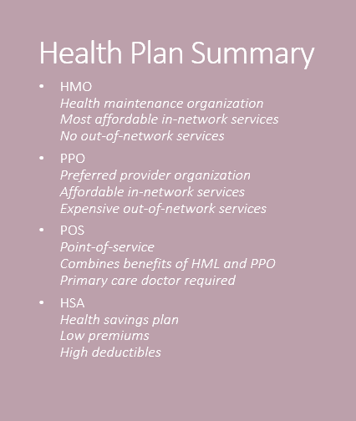


 | Four health plan options

