HowTo
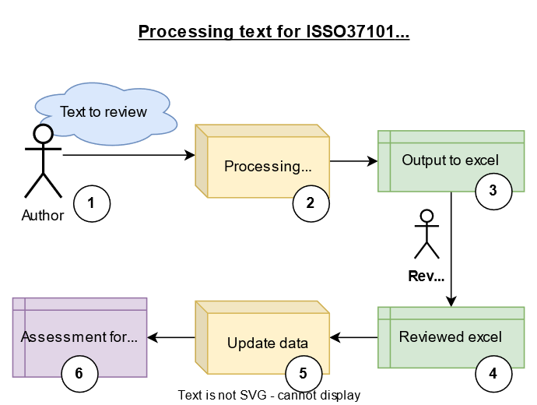
 | How to use

Step | Description
Step 1 | Author/user sends their text for review (use cases, visions, ….)
Step 2 | LJ processes the text and..
Step3 | A draft assessment is created, in an excel format, and sent back o the author
 | The authors checks green tabs, and can edit cells in yellow such as this cell. Other cells should not be edited.
Step 4 | Author sends back edited excel.
Step 5 | LJ updates the data and generates the assessment report.
Step 6 | Author receives an updated assessment

Tabs | Content
Green tabs | Contains assessments
Blue tab | Contains definition
Black tab | Cover hsset
Orange tab | How to and explanations

