ANN1
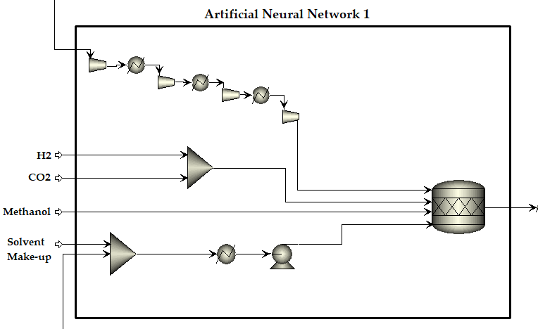
Variable | Stream | lower | upper | Unit | design | UNITS | Utility | Assumptions | Assumptions | Sizing Vessel |  | Compare
H2 | 412 | 1.20E+03 | 1.50E+03 | kmol/h | 1 | MX-01 | None |  | - Fixed H2 feed (1828.6851 kmol/h) | Variable | UNIT |  | HE |  |  | Reactor |  | Compress
CO2 | 412 | 900 | 1200 | kmol/h | 2 | MX-02 | None |  | - Fixed CO2 Feed (1696.81 kmol/h) | flow_UNIT | kmol/hr | Total | 20.907373372 |  | Total | 101.57583991 | Total | 2303.71845
CH4 | 412 | 2 | 20 | kmol/h | 3 | HT-01 | WATER |  | - Fixed Methanol feed (509.372 kmol/h) | P_UNIT | bar | Cap_Unit | 20.907373372 |  | Cap_Unit | 33.858613303 | Cap_Unit | 2303.71845
T_412 | 412 | 15 | 30 | kmol/h | 4 | HT-02 | WATER |  | - Fixed Solvent Vol Feed ( | T_UNIT | C | P | 1 |  | P | 100 | P | 100
ACETIC | 504 | 0.6 | 0.7 | kmol/h | 5 | HT-03 | WATER |  |  | QCALC_UNIT | kW | CBM | 92185.736011 |  | CBM | 177411.23897 | CBM | 2112205.3215
SOLVENT | 504 | 780 | 781.725 | kmol/h | 6 | HT-04 | WATER |  |  | Vflow_UNIT | l/min | CBM0 | 92185.736011 |  | CBM0 | 143703.10356 | CBM0 | 2112205.3215
P_504 | 504 | 1 | 3 | bar | 7 | RT-01 | WATER |  |  | Shaft_UNIT | kW
T_504 | 504 | 215 | 230 | oC | 8 | PM-01 | ELECTRIC | Centrifugal |  | WATER_UNIT | kg/hr
T_HT-03 | HT-03 | 70 | 130 | oC | 9 | CP-01 | ELECTRIC | Centrifugal |  | ELECTRIC_UNIT | kW
T_RT |  | 170 | 190 | oC | 10 | CP-02 | ELECTRIC | Centrifugal |  |  |  |  | '103' | '104' | '108' | '115'
 |  |  |  |  |  | CP-03 | ELECTRIC | Centrifugal |  |  |  | H2 | 516.576001 | 0 | 0 | 1312.1091 | 1828.685101 |  | - Fixed H2 feed (1828.6851 kmol/h)
 |  |  |  |  |  | CP-04 | ELECTRIC | Centrifugal |  |  |  | METHANOL | 0 | 509.372453 | 0 | 0 | 509.372453 |  | - Fixed CO2 Feed (1696.81 kmol/h)
 |  |  |  |  |  |  |  |  |  |  |  | ACETIC | 0 | 0 | 0.700305169 | 0 | 0.700305169 |  | - Fixed Methanol feed (509.372 kmol/h)
 |  |  |  |  |  |  |  |  |  |  |  | CO2 | 787.05161 | 0 | 0 | 909.75839 | 1696.81 |  | - Fixed Solvent Vol Feed (
 |  |  |  |  |  |  |  |  |  |  |  | WATER | 0 | 0 | 0 | 0 | 0
 |  |  |  |  |  |  |  |  |  |  |  | CH4 | 0 | 0 | 0 | 18.9752648 | 18.9752648
output |  |  |  |  |  |  |  |  |  | Comparar dados com CAPCOST |  | METHY-01 | 0 | 0 | 0 | 0 | 0
H2 |  | 11 |  |  |  |  |  |  |  | Vessel |  | ETHYL-01 | 0 | 0 | 0 | 0 | 0
METHANOL |  | 12 |  |  |  |  |  |  |  | Vessel Purchase Cost | Cp0_currentyear | ETHAN-01 | 0 | 0 | 0 | 0 | 0
ACETIC |  | 13 |  |  |  |  |  |  |  | Vessel Bare Module Cost | A0 | SOLVENT | 0 | 0 | 781.725 | 0 | 781.725
CO2 |  | 14 |  |  |  |  |  |  |  | Internals Base Cost | CBM0_Tray
WATER |  | 15 |  |  |  |  |  |  |  | Internals Bare Module Cost | CBM_Tray
CH4 |  | 16
METHY-01 |  | 17 |  |  |  |  |  |  |  | HE
ETHYL-01 |  | 18 |  |  |  |  |  |  |  | Base Cost | Cp0_currentyear
ETHAN-01 |  | 19 |  |  |  |  |  |  |  | Bare Module Cost | C0
SOLVENT |  | 20
CBM |  | 21
CBM0 |  | 22
water -usage |  | 23
electric-usage |  | 24
electric-CO2 |  | 25

SECTION EQUIPMENTS
COOLERS
Block_Name | Utility | Stream_in
HT-01 | WATER | 109
HT-02 | WATER | 111
HT-03 | WATER | 113
HT-04 | WATER | 106

ANN2
Variable | Stream/Unit | lower | upper | Unit | design | UNITS | Utility | Type B | STREAM_IN | Compare
H2 | 201B | 1430 | 1560 | kmol/h | 1 | HT-05 | WATER | FLOATING HEAD | 201B | HT-05 |  | FL-01
ACETIC | 201B | 330 | 425 | kmol/h | 2 | FL-01 | LP | VERTICAL VESSEL | 302 | Total | 133.04854857 | Diameter | 0.58003386068
CO2 | 201B | 1300 | 1430 | kmol/h | 3 | VL-01 | None | -- | 301 | Cap_Unit | 133.04854857 | Lenght | 1.740101582
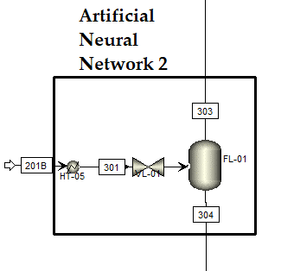
WATER | 201B | 380 | 460 | kmol/h | 4 |  |  |  |  | P | 100 | P | 8.2373812628
CH4 | 201B | 55 | 140 | kmol/h | 5 |  |  |  |  | CBM | 173649.47386 | CBM | 14235.719013
T_201B | 201B | 170 | 190 | oC | 6 |  |  |  |  | CBM0 | 145552.84715 | CBM0 | 14211.559236
T_HT-05 | HT-05 | 60 | 120 | oC | 7
P_VL-01 | VL-01 | 5 | 20 | bar | 8 |  |  |  |  |  | 302 | 303 | 304 | Erro BM
T_FL-01 | FL-01 | 30 | 60 | oC | 9 |  |  |  |  | H2 | 1529.64863 | 1529.6486 | 2.74813421E-05 | -2.5186577659E-06
P_FL-01 | FL-01 | 0.25 | 1 | percentage | 10 |  |  |  |  | METHANOL | 0.00649449877 | 0.000334543243 | 0.00615995553 | 3.0000004217E-12
 |  |  |  |  |  |  |  |  |  | ACETIC | 343.816004 | 2.56989123 | 341.246113 | 2.2999995508E-07
output |  |  |  |  |  |  |  |  |  | CO2 | 1306.02786 | 1091.17005 | 214.857804 | -5.9999999849E-06
H2 | 303 |  |  | kmol/h | 11 |  |  |  |  | WATER | 411.055747 | 3.72571608 | 407.330031 | 8.0000006619E-08
METHANOL | 303 |  |  | kmol/h | 12 |  |  |  |  | CH4 | 90.5014658 | 71.0135069 | 19.4879589 | 0
ACETIC | 303 |  |  | kmol/h | 13 |  |  |  |  | METHY-01 | 0.00606153219 | 0.000647701366 | 0.00541383082 | -3.999999984E-12
CO2 | 303 |  |  | kmol/h | 14 |  |  |  |  | ETHYL-01 | 0.00197806302 | 0.000119801936 | 0.00185826108 | -3.999999984E-12
WATER | 303 |  |  | kmol/h | 15 |  |  |  |  | ETHAN-01 | 0.0004584352 | 1.31121961E-05 | 0.000445323004 | 1.0000003213E-13
CH4 | 303 |  |  | kmol/h | 16 |  |  |  |  | SOLVENT | 781.725 | 0.0555137848 | 781.669486 | -2.1519997517E-07
METHY-01 | 303 |  |  | kmol/h | 17 |  | Check | Sizing Vessel
ETHYL-01 | 303 |  |  | kmol/h | 18 |  | Variable | UNIT
ETHAN-01 | 303 |  |  | kmol/h | 19 |  | flow_UNIT | kmol/hr
SOLVENT | 303 |  |  | kmol/h | 20 |  | P_UNIT | bar
T_303 | 303 |  |  | oC | 21 |  | T_UNIT | C
P_303 | 303 |  |  | bar | 22 |  | rho_UNIT | kg/cum
H2 | 304 |  |  | kmol/h | 23 |  | QCALC_UNIT | kW
METHANOL | 304 |  |  | kmol/h | 24 |  | Q_v_UNIT | l/min
ACETIC | 304 |  |  | kmol/h | 25 |  | WATER_UNIT | kg/hr
CO2 | 304 |  |  | kmol/h | 26 |  | LP_UNIT | kg/hr
WATER | 304 |  |  | kmol/h | 27
CH4 | 304 |  |  | kmol/h | 28
METHY-01 | 304 |  |  | kmol/h | 29
ETHYL-01 | 304 |  |  | kmol/h | 30
ETHAN-01 | 304 |  |  | kmol/h | 31
SOLVENT | 304 |  |  | kmol/h | 32
T_304 | 304 |  |  | oC | 33
P_304 | 304 |  |  | bar | 34
CBM |  |  |  | US$ | 35
CBM0 |  |  |  | US$ | 36
water -usage |  |  |  | kg/h | 37
lp-usage |  |  |  | kg/h | 38
lp-CO2 |  |  |  | kg/h | 39

ANN4
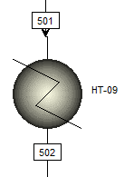
Variable | Stream/Unit | lower | upper | Unit | design |  | UNITS | Utility | Type B | STREAM_IN
H2 | 501 | 5.00E-06 | 0.0001 | kmol/h | 1 |  | HT-09 | WATER | FLOATING HEAD | 501
METHANOL | 501 | 0.003 | 0.01 | kmol/h | 2 |  | HT-10 | WATER | FLOATING HEAD | 503 |  |  |  |  |  | HT-09
ACETIC | 501 | 315 | 425 | kmol/h | 3 |  | CL-01 |  | VERTICAL VESSEL |  |  |  |  |  |  | T_501 | 57.7792086 | oC
CO2 | 501 | 45 | 310 | kmol/h | 4 |  | CL-02 |  | VERTICAL VESSEL |  |  |  |  |  |  | Utility | FREON | --
WATER | 501 | 300 | 480 | kmol/h | 5 |  | CL-03 |  | VERTICAL VESSEL |  |  |  |  |  |  | T_502 | 37.501221094 | oC
CH4 | 501 | 3 | 50 | kmol/h | 6 |  |  |  |  |  |  |  |  |  |  | Total | 23.887397349 | m²
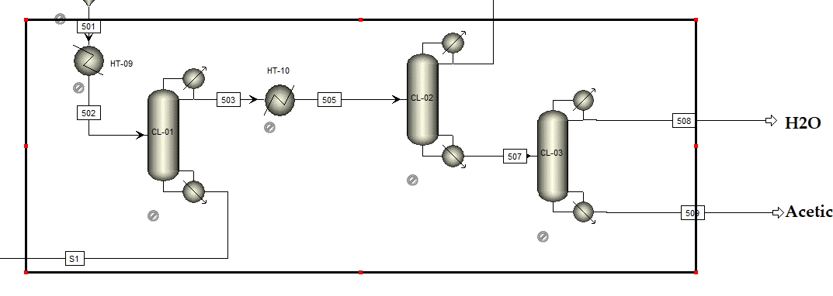
METHY-01 | 501 | 0.002 | 0.01 | kmol/h | 7 |  |  |  |  |  |  |  |  |  |  | Cap_Unit | 23.887397349 | m²
ETHYL-01 | 501 | 0.001 | 0.004 | kmol/h | 8 |  |  |  |  |  |  | S1 | 506A | 508 | 509 | P | 7.89051164 | bar
ETHAN-01 | 501 | 0.0003 | 0.0009 | kmol/h | 9 |  |  |  |  |  | H2 | 1.21051962E-38 | 7.007892E-05 | 0 | 0 | CBM | 83408.906301 | US$
SOLVENT | 501 | 775 | 782.18 | kmol/h | 10 |  |  |  |  |  | METHANOL | 5.60082872E-07 | 0.00573865369 | 1.44687648E-08 | 2.81838348E-24 | CBM0 | 83065.407137 | US$
T_501 | 501 | 28 | 58 | oC | 11 |  |  |  |  |  | ACETIC | 414.474945 | 0.543123336 | 0.000195411565 | 7.74243226
P_501 | 501 | 1.2 | 10 | bar | 12 |  |  |  |  |  | CO2 | 5.58546695E-18 | 134.932551 | 0 | 0
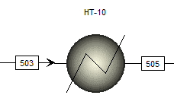
T_HT-09 | HT-09 | 35 | 50 | oC | 13 |  |  |  |  |  | WATER | 129.648464 | 180.73755 | 75.3154713 | 71.5750202 | HT-10
T_HT-10 | HT-10 | 35 | 50 |  | 14 |  |  |  |  |  | CH4 | 7.30727425E-17 | 40.2720447 | 0 | 0 | T_503 | -88.0322653 | oC
RR | CL-01 | 0.01 | 3 |  | 15 |  |  |  |  |  | METHY-01 | 1.08172664E-09 | 0.00635138517 | 0 | 0 | Utility | LP | --
D/F | CL-01 | 0.2 | 1 |  | 16 |  |  |  |  |  | ETHYL-01 | 4.09230826E-09 | 0.00331123523 | 0 | 0 | T_505 | 41.165545135 | oC
FEEDSTAGE | CL-01 | 0.4 | 0.8 |  | 17 |  |  |  |  |  | ETHAN-01 | 1.67772977E-08 | 0.000301889254 | 3.88349488E-11 | 9.25737213E-31 | Total | 33.215305774 | m²
RR | CL-02 | 0.5 | 5 |  | 18 |  |  |  |  |  | SOLVENT | 777.844415 | 0 | 0 | 0 | Cap_Unit | 33.215305774 | m²
D/F | CL-02 | 0.2 | 1 |  | 19 |  |  | Check | Sizing Vessel |  |  |  |  |  |  | P | 1 | bar
FEEDSTAGE | CL-02 | 0.4 | 0.8 |  | 20 |  |  | Variable | UNIT |  |  |  |  |  |  | CBM | 87876.063545 | US$
RR | CL-03 | 3 | 15 |  | 21 |  |  | flow_UNIT | kmol/hr |  |  |  |  |  |  | CBM0 | 87876.063545 | US$
D/F | CL-03 | 0.2 | 1 |  | 22 |  |  | P_UNIT | bar |  | COLUMN SPECIFICATIONS
FEEDSTAGE | CL-03 | 0.4 | 0.8 |  | 23 |  |  | T_UNIT | C |  | Column | HE | Type | Utility
 |  |  |  |  |  |  |  | Duty_UNIT | kW |  | CL-01 | Condenser | Floating Head | Propane
output |  |  |  |  |  |  |  | Q_Calc_UNIT | kW |  |  | Reboiler | Reboiler | HP
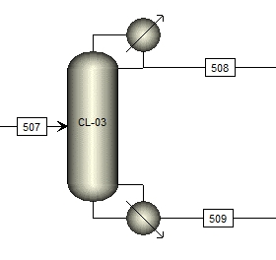
flow_H2_S1 | S1 |  |  |  | 24 | 1 |  | rho_UNIT | kg/cum |  | CL-02 | Condenser | Floating Head | Propane |  | T_508
flow_METHANOL_S1 | S1 |  |  |  | 25 | 2 |  | V_g_UNIT | kg/hr |  |  | Reboiler | Reboiler | HP
flow_ACETIC_S1 | S1 |  |  |  | 26 | 3 |  | T_heatexc_UNIT | C |  | CL-03 | Condenser | Floating Head | Propane
flow_CO2_S1 | S1 |  |  |  | 27 | 4 |  |  |  |  |  | Reboiler | Reboiler | HP
flow_WATER_S1 | S1 |  |  |  | 28 | 5
flow_CH4_S1 | S1 |  |  |  | 29 | 6
flow_METHY-01_S1 | S1 |  |  |  | 30 | 7
flow_ETHYL-01_S1 | S1 |  |  |  | 31 | 8
flow_ETHAN-01_S1 | S1 |  |  |  | 32 | 9 |  |  |  |  | 'WATER' | 100
flow_SOLVENT_S1 | S1 |  |  |  | 33 | 10 |  |  |  |  | 'FREON' | 200
T_S1 | S1 |  |  |  | 34 | 11 |  |  |  |  | 'REFRIG2' | 300
P_S1 | S1 |  |  |  | 35 | 12 |  |  |  |  | 'REFRIG3' | 400
flow_H2_506A | 506A |  |  |  | 36 | 13 |  |  |  |  | 'REFRIG4' | 500
flow_METHANOL_506A | 506A |  |  |  | 37 | 14 |  |  |  |  | 'LOWTEMP' | 600
flow_ACETIC_506A | 506A |  |  |  | 38 | 15 |  |  |  |  | 'ELECTRIC' | 700
flow_CO2_506A | 506A |  |  |  | 39 | 16 |  |  |  |  | 'LP' | 800
flow_WATER_506A | 506A |  |  |  | 40 | 17 |  |  |  |  | 'HP' | 900
flow_CH4_506A | 506A |  |  |  | 41 | 18
flow_METHY-01_506A | 506A |  |  |  | 42 | 19
flow_ETHYL-01_506A | 506A |  |  |  | 43 | 20
flow_ETHAN-01_506A | 506A |  |  |  | 44 | 21
flow_SOLVENT_506A | 506A |  |  |  | 45 | 22
T_506 | 506A |  |  |  | 46 | 23
P_506 | 506A |  |  |  | 47 | 24
flow_H2_508 | 508 |  |  |  | 48 | 25
flow_METHANOL_508 | 508 |  |  |  | 49 | 26
flow_ACETIC_508 | 508 |  |  |  | 50 | 27
flow_CO2_508 | 508 |  |  |  | 51 | 28
flow_WATER_508 | 508 |  |  |  | 52 | 29
flow_CH4_508 | 508 |  |  |  | 53 | 30
flow_METHY-01_508 | 508 |  |  |  | 54 | 31
flow_ETHYL-01_508 | 508 |  |  |  | 55 | 32
flow_ETHAN-01_508 | 508 |  |  |  | 56 | 33
flow_SOLVENT_508 | 508 |  |  |  | 57 | 34
T_508 | 508 |  |  |  | 58 | 35
P_508 | 508 |  |  |  | 59 | 36
flow_H2_509 | 509 |  |  |  | 60 | 37
flow_METHANOL_509 | 509 |  |  |  | 61 | 38
flow_ACETIC_509 | 509 |  |  |  | 62 | 39
flow_CO2_509 | 509 |  |  |  | 63 | 40
flow_WATER_509 | 509 |  |  |  | 64 | 41
flow_CH4_509 | 509 |  |  |  | 65 | 42
flow_METHY-01_509 | 509 |  |  |  | 66 | 43
flow_ETHYL-01_509 | 509 |  |  |  | 67 | 44
flow_ETHAN-01_509 | 509 |  |  |  | 68 | 45
flow_SOLVENT_509 | 509 |  |  |  | 69 | 46
T_509 | 509 |  |  |  | 70 | 47
P_509 | 509 |  |  |  | 71 | 48
CBM_total |  |  |  |  | 72 | 49
CBM0_total |  |  |  |  | 73 | 50
Total_ELECTRIC_CO2 |  |  |  |  | 74 | 51
Total_ELECTRIC_usage |  |  |  |  | 75 | 52
Total_FREON_CO2 |  |  |  |  | 76 | 53
Total_FREON_usage |  |  |  |  | 77 | 54
Total_HP_CO2 |  |  |  |  | 78 | 55
Total_HP_usage |  |  |  |  | 79 | 56
Total_LOWTEMP_CO2 |  |  |  |  | 80 | 57
Total_LOWTEMP_usage |  |  |  |  | 81 | 58
Total_LP_CO2 |  |  |  |  | 82 | 59
Total_LP_usage |  |  |  |  | 83 | 60
Total_REFRIG2_CO2 |  |  |  |  | 84 | 61
Total_REFRIG2_usage |  |  |  |  | 85 | 62
Total_REFRIG3_CO2 |  |  |  |  | 86 | 63
Total_REFRIG3_usage |  |  |  |  | 87 | 64
Total_REFRIG4_CO2 |  |  |  |  | 88 | 65
Total_REFRIG4_usage |  |  |  |  | 89 | 66
Total_WATER_usage |  |  |  |  | 90 | 67
Utility_type_HT-09 |  |  |  |  | 91 | 68
Utility_type_HT-10 |  |  |  |  | 92 | 69
Utility_type_CL-01_cond |  |  |  |  | 93 | 70
Utility_type_CL-01_reb |  |  |  |  | 94 | 71
Utility_type_CL-02_cond |  |  |  |  | 95 | 72
Utility_type_CL-02_reb |  |  |  |  | 96 | 73
Utility_type_CL-03_cond |  |  |  |  | 97 | 74
Utility_type_CL-03_reb |  |  |  |  | 98 | 75

