R
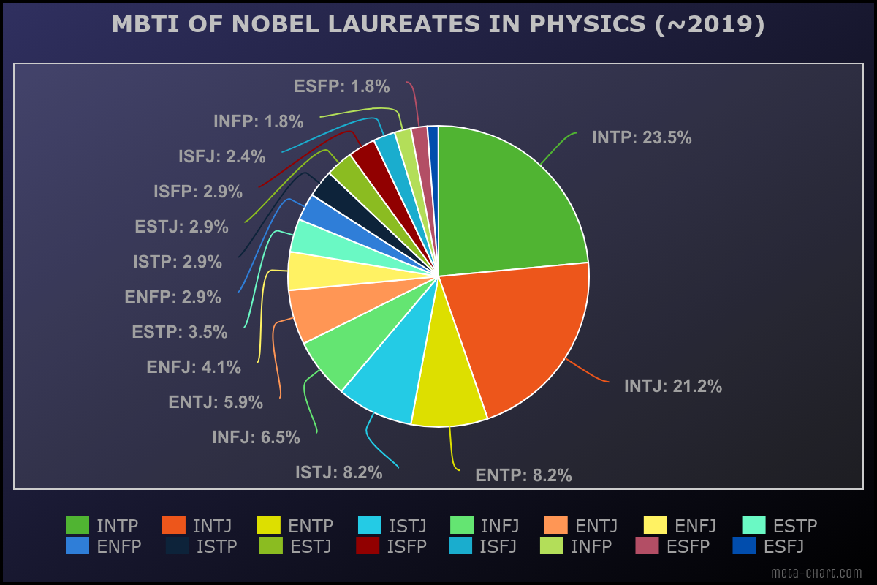
Data (python web crawler & google search) |  | Result
Nobel laureates in Physics (~2019) | MBTI | MBTI | count
Wilhelm Conrad Röntgen | INTJ | INTP | 40
Hendrik Antoon Lorentz | ENTP | INTJ | 36
Pieter Zeeman | INTJ | ENTP | 14
Henri Becquerel | INTP | ISTJ | 14
Marie Curie | INTP | INFJ | 11
Pierre Curie | INTP | ENTJ | 10
Lord Rayleigh | INTJ | ENFJ | 7
Philipp Lenard | ENFP | ESTP | 6
Sir J.J. Thomson | INTP | ENFP | 5
A.A. Michelson | INTJ | ISTP | 5
Gabriel Lippmann | ENFJ | ESTJ | 5
Ferdinand Braun | ESFP | ISFP | 5
Guglielmo Marconi | ENTJ | ISFJ | 4
Johannes Diederik van der Waals | ISTJ | INFP | 3
Wilhelm Wien | ISFJ | ESFP | 3
Max von Laue | ENTP | ESFJ | 2
Sir Lawrence Bragg | INTJ
Sir William Bragg | INTJ,INTP
Charles Glover Barkla | INTJ
Max Planck | INTJ
Johannes Stark | ISTJ
Albert Einstein | INTP
Niels Bohr | INFJ
Robert Andrews Millikan | INTJ
James Franck | INFJ |  |  | By Kelvin Q
Gustav Hertz | INTJ
Arthur Holly Compton | INFP
C.T.R. Wilson | INFJ
Louis de Broglie | INTP
Werner Heisenberg | INTJ
P.A.M. Dirac | INTJ,INTP
Erwin Schrödinger | INTP
Sir James Chadwick | INTJ
Carl David Anderson | INTP
Victor Francis Hess | INTJ
Sir George Paget Thomson | ENTP
Enrico Fermi | ENTJ,ENTP
Ernest Orlando Lawrence | ENFJ
Otto Stern | INTJ
Isidor Isaac Rabi | ENFP
Wolfgang Pauli | INTP
Sir Edward Victor Appleton | ISTJ
Patrick M.S. Blackett | INTP
Yukawa Hideki | ISTP
Felix Bloch | ESTP
E.M. Purcell | INFJ
Frits Zernike | ISFP
Max Born | ENTJ
Walther Bothe | INTJ
John Bardeen | INTP
William B. Shockley | ISTJ,ENTJ
Tsung-Dao Lee | ISTJ
Chen Ning Yang | INTP
Owen Chamberlain | ISFP,INFJ
Emilio Segrè | INTP
Donald A. Glaser | INFP
Robert Hofstadter | ISTJ,ISTP
Lev Davidovich Landau | INTJ
J. Hans D. Jensen | ENFJ
Maria Goeppert Mayer | INTP
Eugene Paul Wigner | INTJ
Charles Hard Townes | INTJ
Richard P. Feynman | ENTP
Julian Seymour Schwinger | INTP
Tomonaga Shin'ichiro | ENFJ
Luis W. Alvarez | ENTJ
Murray Gell-Mann | ESTJ
John Bardeen | INTP
Leo Esaki | ISFP
Ivar Giaever | ENFP
Antony Hewish | INTP
Sir Martin Ryle | INTP
Aage N. Bohr | INFJ
James Rainwater | INTJ
Burton Richter | INTP,ESFP
Philip W. Anderson | ESTJ
Arno Penzias | INTP
Robert Woodrow Wilson | ISTP
Sheldon Lee Glashow | ISTJ,ENTP
Abdus Salam | INTP,ENFJ
Steven Weinberg | INTJ,INTP
James Watson Cronin | ISFP
Arthur Leonard Schawlow | ENTP
Kenneth Geddes Wilson | ISFJ,ESFJ
Subrahmanyan Chandrasekhar | INTJ
William A. Fowler | ESTJ
Simon van der Meer | INTJ
Carlo Rubbia | INTJ,ENTJ
Karl Alex Müller | ESFJ
Leon Max Lederman | ENTP
Melvin Schwartz | INFJ
Wolfgang Paul | INTP
Norman Foster Ramsey | ESTJ,ESTP
Henry Way Kendall | INTJ,INFJ
Richard E. Taylor | INTP
Georges Charpak | INTP
Russell Alan Hulse | ESTP
Joseph H. Taylor, Jr. | ENFJ
Clifford G. Shull | INTJ,INTP
Martin Lewis Perl | ISFJ
David M. Lee | ESTP
Robert C. Richardson | ISTJ
Steven Chu | INTP
William D. Phillips | INTP
Gerardus 't Hooft | INTJ
Jack S. Kilby | ISTP,ESTJ
Herbert Kroemer | ESTP
Eric A. Cornell | ENFP
Raymond Davis, Jr. | INFJ
Alexei A. Abrikosov | ISTJ,ESFP
David J. Gross | INTJ
Frank Wilczek | INTP
John C. Mather | ESTP
George F. Smoot | ISTJ
Peter Grünberg | ENTP
Kobayashi Makoto | ISTJ,INTP
Yoichiro Nambu | ENTP
Willard Boyle | ISFJ
Charles Kao | INFP,ENFP
George E. Smith | ISFP
Saul Perlmutter | INTP
Adam G. Riess | INTJ
Serge Haroche | INFJ
David J. Wineland | INFJ,ENTP
Peter Higgs | INTJ
Akasaki Isamu | ENTJ
Amano Hiroshi | ISTP,INTP
Shuji Nakamura | INTP
Arthur B. McDonald | ISTJ
Duncan Haldane | ENTP,ENFJ
Michael Kosterlitz | INTP
Barry C. Barish | INTP
Kip S. Thorne | INTJ
Gérard Mourou | ENTJ
James Peebles | ENTJ
Michel Mayor | INTJ
Didier Queloz | ENTP
Andrea Ghez | ENTP
Roger Penrose | INTP
Manabe Syukuro | ISTJ
Giorgio Parisi | INTJ,INTP
Alain Aspect | INTJ
Anton Zeilinger | INTJ,ENTJ
Pierre Agostini | INTP
Anne L’Huillier | ISTJ,INTJ

