Info
GEM: | em1p5mm
Location of Measurement Data: | C:\Users\irina\OneDrive - uzh.ch\Irina_Fabiano\Messdaten\

Name | Starting Date | End Date | General Info
M1 | 2019-11-08 | 2019-11-21
M2 | 2020-01-14 | 2020-01-27

$$1:f\left(x\right)=A+\left(B−A\right)exp⁡(−\frac{x}{e})$$
General Information: | Empty Columns must have Placeholder Name
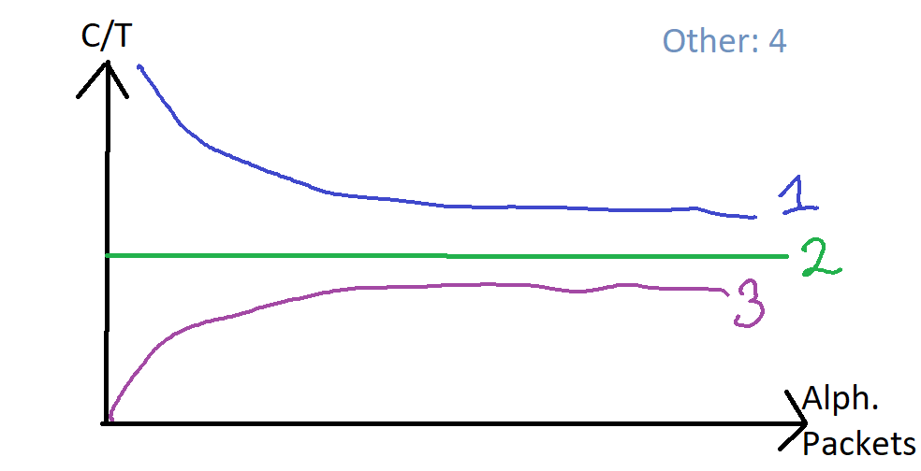

$$2:f\left(x\right)=A+Bx$$
$$3:f\left(x\right)=A+\left(B−A\right)(1−exp\left(−\frac{x}{e}\right))$$

