Design
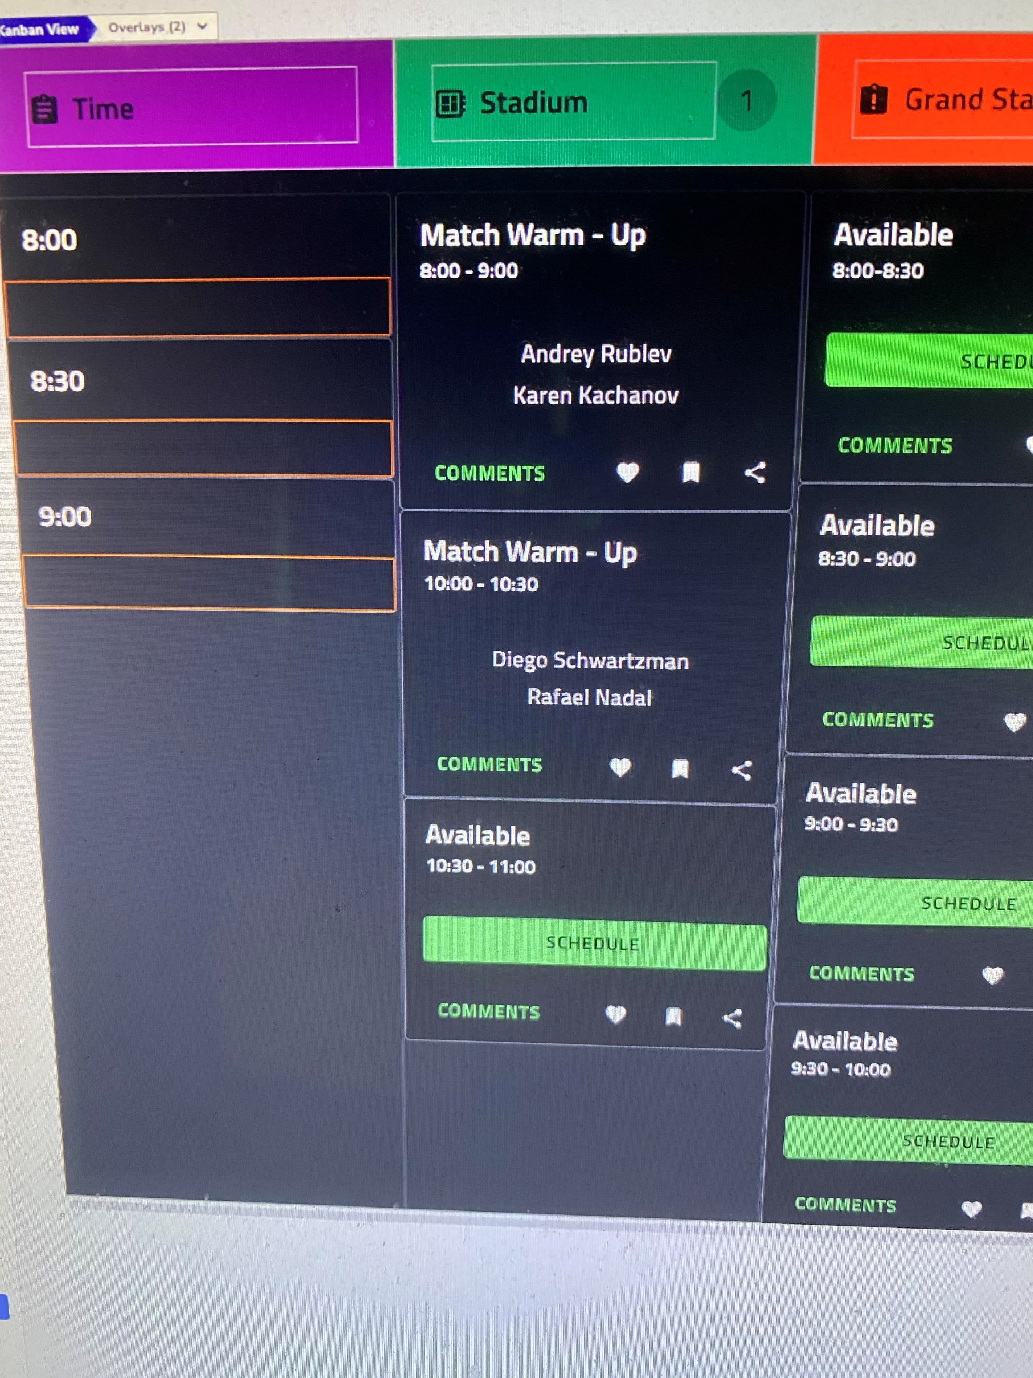
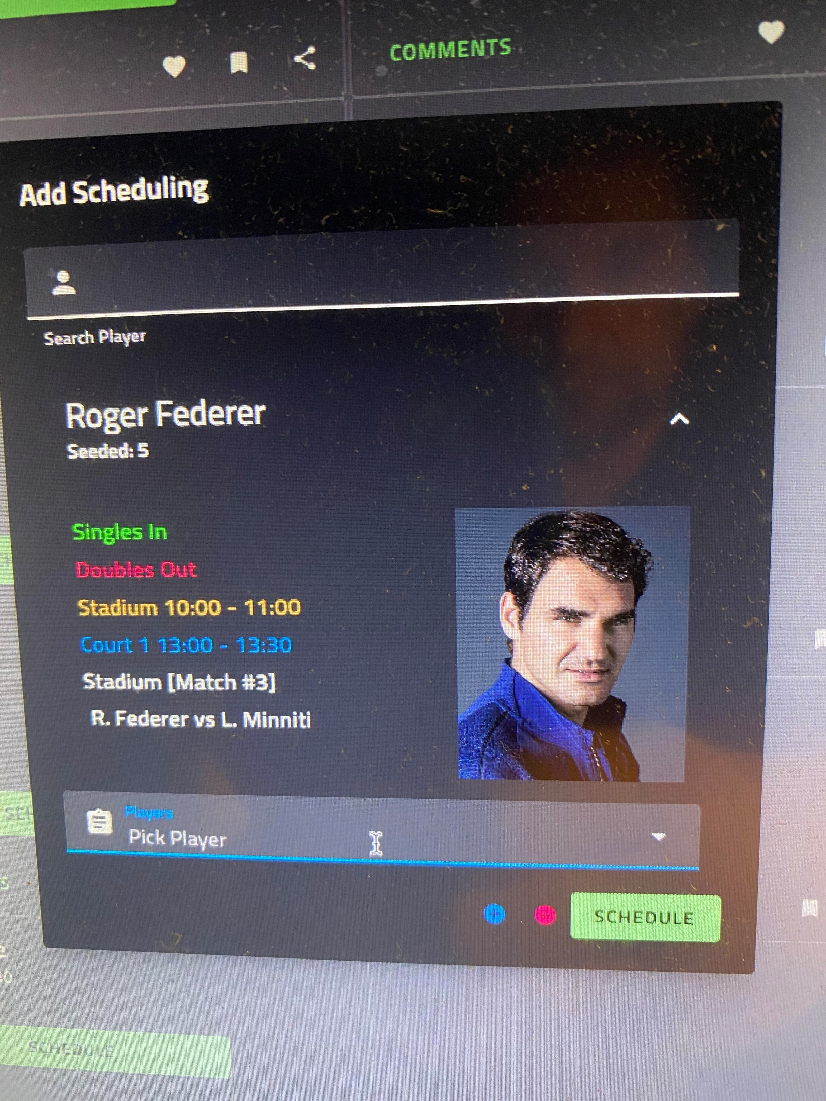

At the top clearly show the day TODAY September 6, 2023 (Day 8)
Next to it provide button to switch quickly to TOMORROW September 7, 2023 (Day 9)
As not all tennis courts can be visible on one page, one option is to have at
the top ability to switch to other corts like by default show Statium to Court 7
Then 8 to 17, etc

Optionally should be functionality to recall historical bookings using drop down list.

Search reservations field should be conviniently location at the top or bottom.
Search will accept name and find reservation for the player on the current day.

Each court can have optional annotation ATP or WTA.

If scheduling is free hitting Schedule button opens reservation panel (Second Image on right).

Links besides COMMENTS are details, edit and delete.

Details shows players full pictures and all attributes. Maybe double clicking is a way to bring it.

Add a way to indicate balls given to the players on reservations. Possibly through details panel.
Or have a link at the bottom of reservation for balls given with ability to select players on the
reservation and mark it accordingly, change players name to yellow for example.

*Times will go from 8am to 10am

On reservation panel the defaut choice for second player is
Looking (Any)
But there needs to be a quick way to change it to Looking (RH) or Looking (LH)
Hitter is another option
Admin user can replace Hitter with name of their choice
or Another Player

Although default is 2 Players, up to 4 Players should be assignable to the court.

