Sheet1
 |  |  |  |  |  |  |  |  | 3 | 5 | 7

 |  |  |  |  |  |  |  |  | x
 |  |  |  |  |  |  |  | Y | -1 | 0 | 1
 |  |  |  |  |  |  |  | -1 | -2 | 0 | 2 |  | -1 | -1 | -1
 |  |  |  |  |  |  |  | 0 | -2 | 0 | 2 |  | 0 | 0 | 0
 |  |  |  |  |  |  |  | 1 | -2 | 0 | 2 |  | 1 | 1 | 1
 |  |  |  |  |  |  |  |  | sobel |  |  |  | sobel
2 | 4 | 5 | 4 | 2 | 17
4 | 9 | 12 | 9 | 4 | 38
5 | 12 | 15 | 12 | 5 | 49
4 | 9 | 12 | 9 | 4 | 38
2 | 4 | 5 | 4 | 2 | 17

 |  |  |  |  | 159

0.012578616352 | 0.025157232704 | 0.031446540881 | 0.025157232704 | 0.012578616352
0.025157232704 | 0.056603773585 | 0.075471698113 | 0.056603773585 | 0.025157232704
0.031446540881 | 0.075471698113 | 0.094339622642 | 0.075471698113 | 0.031446540881
0.025157232704 | 0.056603773585 | 0.075471698113 | 0.056603773585 | 0.025157232704
0.012578616352 | 0.025157232704 | 0.031446540881 | 0.025157232704 | 0.012578616352

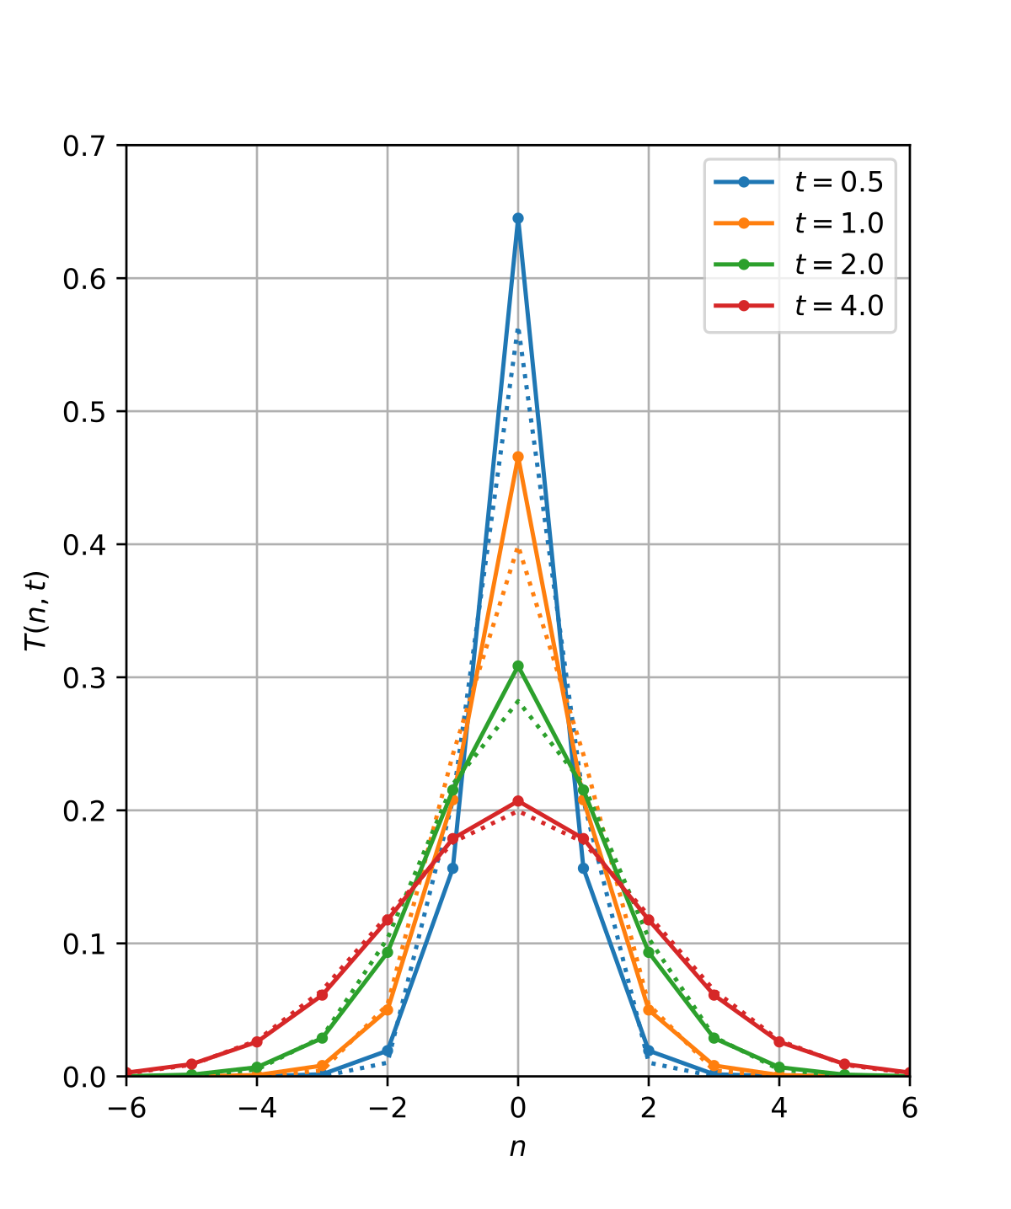
0.03125 | 0.03125 | 0.0625 | 0.03125 | 0.03125
0.03125 | 0.0625 | 0.125 | 0.0625 | 0.03125 |  |  |  |  |  |  |  |  |  |  |  | sigma
0.0625 | 0.125 | 0.25 | 0.125 | 0.0625 |  |  |  |  |  | -2 | -1 | 0 | 1 | 2 |  | 2
0.03125 | 0.0625 | 0.125 | 0.0625 | 0.03125 |  |  |  |  | -2 | 0.014637457881 | 0.021297375549 | 0.024133088158 | 0.021297375549 | 0.014637457881
0.03125 | 0.03125 | 0.0625 | 0.03125 | 0.03125 |  |  |  |  | -1 | 0.021297375549 | 0.030987498577 | 0.035113436077 | 0.030987498577 | 0.021297375549
 |  |  |  |  |  |  |  |  | 0 | 0.024133088158 | 0.035113436077 | 0.039788735773 | 0.035113436077 | 0.024133088158
 |  |  |  |  |  |  |  |  | 1 | 0.021297375549 | 0.030987498577 | 0.035113436077 | 0.030987498577 | 0.021297375549
 |  |  |  |  |  |  |  |  | 2 | 0.014637457881 | 0.021297375549 | 0.024133088158 | 0.021297375549 | 0.014637457881

 |  |  |  |  |  |  |  |  |  |  |  |  | 0.62965366294

Gaussian Kernel Shape

.

 |  |  |  |  |  |  |  |  |  |  |  |  | 1/0 | ->inf
 |  |  |  |  |  |  |  |  |  |  |  |  | 0/1

new min |  | a | 0 |  | X | New X | Formular
new max |  | b | 255 |  | 0 | 0 | 0
 |  |  |  |  | 0.03 |  | 7.65
 |  |  |  |  | 0.1 |  | 25.5
 |  |  |  |  | 0.2 |  | 51
 |  |  |  |  | 0.3 |  | 76.5
 |  |  |  |  | 0.4 |  | 102
 |  |  |  |  | 0.5 |  | 127.5
 |  |  |  |  | 0.6 |  | 153
 |  |  |  |  | 0.7 |  | 178.5
 |  |  |  |  | 0.8 |  | 204
 |  |  |  |  | 0.9 |  | 229.5
 |  |  |  |  | 1 | 255 | 255

 | high

 | low

Sheet2
 | x1 | y1 | x2 | y2
1 | 16.335207357 | 81.96224704 | 66.335207357 | 131.96224704
2 | 0.58257249709 | 62.01551485 | 50.582572497 | 112.01551485
3 | 87.158050019 | 95.233309246 | 137.15805002 | 145.23330925
4 | 7.1223090744 | 17.305007301 | 57.122309074 | 67.305007301
5 | 61.903825393 | 67.934499368 | 111.90382539 | 117.93449937
6 | 31.44723717 | 54.320852854 | 81.44723717 | 104.32085285
7 | 20.807992682 | 61.828044984 | 70.807992682 | 111.82804498
8 | 84.820836111 | 32.449280994 | 134.82083611 | 82.449280994
9 | 54.688420234 | 51.023648027 | 104.68842023 | 101.02364803
10 | 92.045055518 | 20.143757447 | 142.04505552 | 70.143757447

Left

